Chile
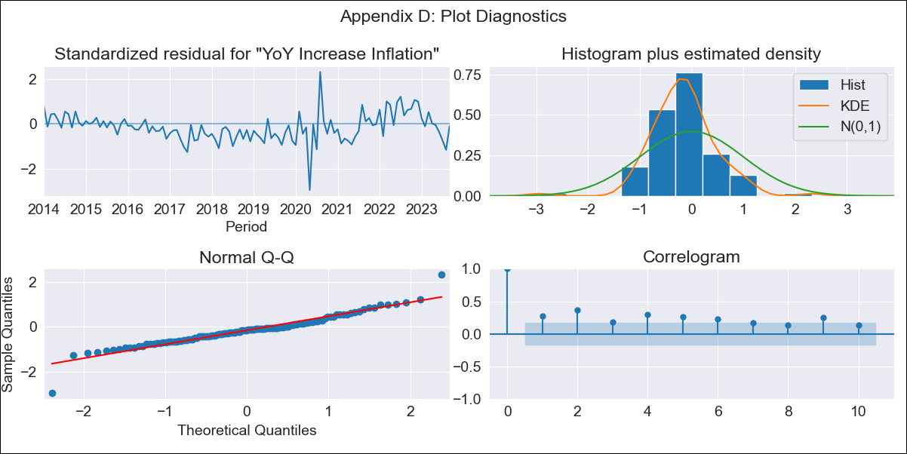
Chile - Inflation - Next 12 months forecast as of: 2023-09-01

Model | VARMAX - (1, 2, 2, 0, 0, 1, 12) | Exogenous Variables | 4.Industria, 1.Minería del cobre_x, 3.Electricidad, gas, agua y gestión de desechos_x, 4.Ahorro Bruto, 3.Consumo Final Efectivo
Training Data | 2014-01-01 to 2022-10-01
Test Data | 2022-10-01 to 2023-09-01

Date | Inflation Change YoY % | Lower Bound - 95% Confidence Interval | Upper Bound - 95% Confidence Interval
2023-10-01 | 6.28 | 2.34 | 10.22
2023-11-01 | 8.72 | 2.89 | 14.55
2023-12-01 | 9.91 | 3.18 | 16.63
2024-01-01 | 10.33 | 3.31 | 17.35
2024-02-01 | 10.52 | 3.38 | 17.65
2024-03-01 | 10.59 | 3.4 | 17.77
2024-04-01 | 10.59 | 3.37 | 17.8
2024-05-01 | 10.54 | 3.3 | 17.77
2024-06-01 | 10.46 | 3.21 | 17.71
2024-07-01 | 10.35 | 3.09 | 17.62
2024-08-01 | 10.23 | 2.96 | 17.51
2024-09-01 | 10.11 | 2.82 | 17.4

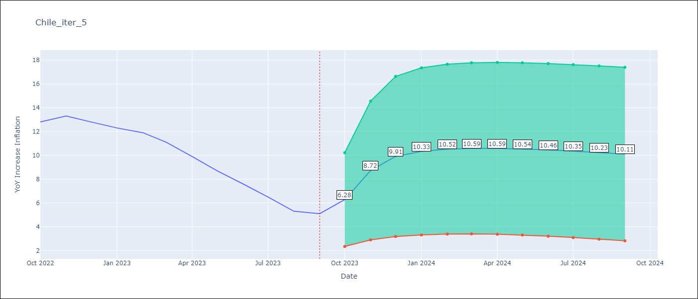

Test Metrics
RMSE | 1.1
Naive RMSE | 0.87
MAPE | 11.76%

Test Predictions
Date | Predicted | Actual
2022-10-01 | 13.03 | 12.8
2022-11-01 | 12.51 | 13.3
2022-12-01 | 11.73 | 12.8
2023-01-01 | 10.99 | 12.3
2023-02-01 | 10.29 | 11.9
2023-03-01 | 9.63 | 11.1
2023-04-01 | 9.01 | 9.9
2023-05-01 | 8.43 | 8.7
2023-06-01 | 7.89 | 7.6
2023-07-01 | 7.39 | 6.5
2023-08-01 | 6.92 | 5.3
2023-09-01 | 6.49 | 5.1

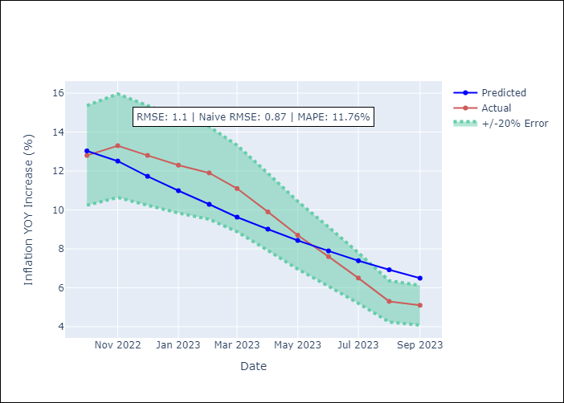

Appendix A: Model Summary
Model | VARMA(1,2)
Sample | - 09-01-2023opg
No. of Observations | 117
Terms | P-value (Statistical significance)
L1.YoY Increase Inflation | 0.842
L1.4.Industria | 0.991
L1.1.Minería del cobre_x | 0.897
L1.3.Electricidad, gas, agua y gestión de desechos_x | 0.999
L1.4.Ahorro Bruto | 0.967
L1.3.Consumo Final Efectivo | 0.814
L1.e(YoY Increase Inflation) | 0.823
L1.e(4.Industria) | 0.884
L1.e(1.Minería del cobre_x) | 0.921
L1.e(3.Electricidad, gas, agua y gestión de desechos_x) | 0.932
L1.e(4.Ahorro Bruto) | 0.967
L1.e(3.Consumo Final Efectivo) | 0.685
L2.e(YoY Increase Inflation) | 0.858
L2.e(4.Industria) | 0.931
L2.e(1.Minería del cobre_x) | 0.998
L2.e(3.Electricidad, gas, agua y gestión de desechos_x) | 0.808
L2.e(4.Ahorro Bruto) | 0.960
L2.e(3.Consumo Final Efectivo) | 0.934
Assumptions | P-value
Ljung-Box (L1) | 0.00, 0.00, 0.02, 0.76, 0.41, 0.74
Heteroskedasticity | 0.00, 0.00, 0.17, 0.66, 0.00, 0.06
Jarque-Bera | 0.00, 0.00, 0.00, 0.36, 0.00, 0.00
Skew | -0.01, -0.10, 0.69, -0.04, -0.25, 0.40
Kurtosis | 6.97, 5.56, 4.67, 2.36, 4.73, 7.95

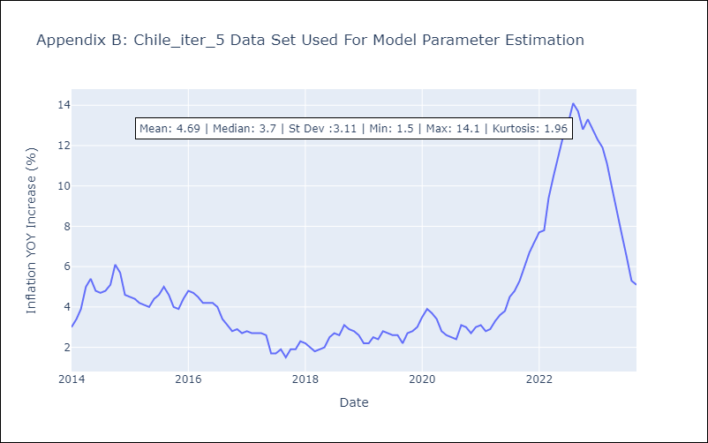

Appendix C: Residuals Analysis
Mean | -0.29
White Noise? | No - Correlation at Lags [ 1 2 3 4 5 6 7 8 9 10 11 12]
Normal? | No

