Chile
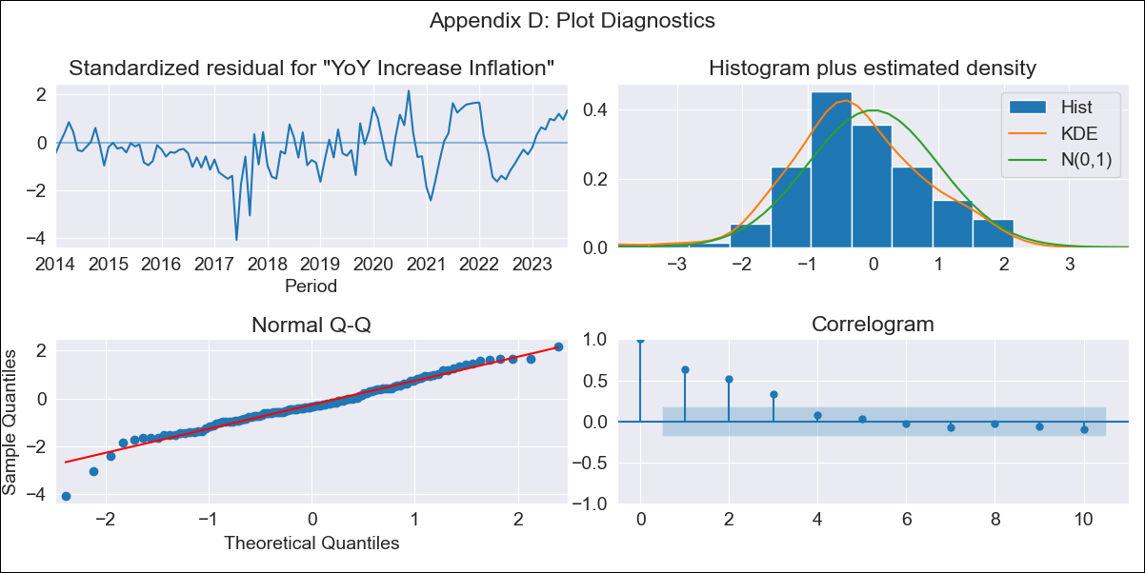
Chile - Inflation - Next 12 months forecast as of: 2023-09-01

Model | VARMAX - (1, 0, 0, 0, 0, 1, 12) | Exogenous Variables | 4.Industria, 1.Minería del cobre_x, 3.Electricidad, gas, agua y gestión de desechos_x, 4.Ahorro Bruto, 3.Consumo Final Efectivo
Training Data | 2014-01-01 to 2022-10-01
Test Data | 2022-10-01 to 2023-09-01

Date | Inflation Change YoY % | Lower Bound - 95% Confidence Interval | Upper Bound - 95% Confidence Interval
2023-10-01 | -0.03 | -0.8 | 0.78
2023-11-01 | -0.26 | -1.26 | 0.82
2023-12-01 | -0.37 | -1.5 | 0.86
2024-01-01 | -0.4 | -1.65 | 0.95
2024-02-01 | -0.38 | -1.76 | 1.13
2024-03-01 | -0.31 | -1.82 | 1.37
2024-04-01 | -0.2 | -1.85 | 1.63
2024-05-01 | -0.08 | -1.83 | 1.88
2024-06-01 | 0.03 | -1.79 | 2.09
2024-07-01 | 0.13 | -1.74 | 2.25
2024-08-01 | 0.21 | -1.69 | 2.35
2024-09-01 | 0.25 | -1.66 | 2.41

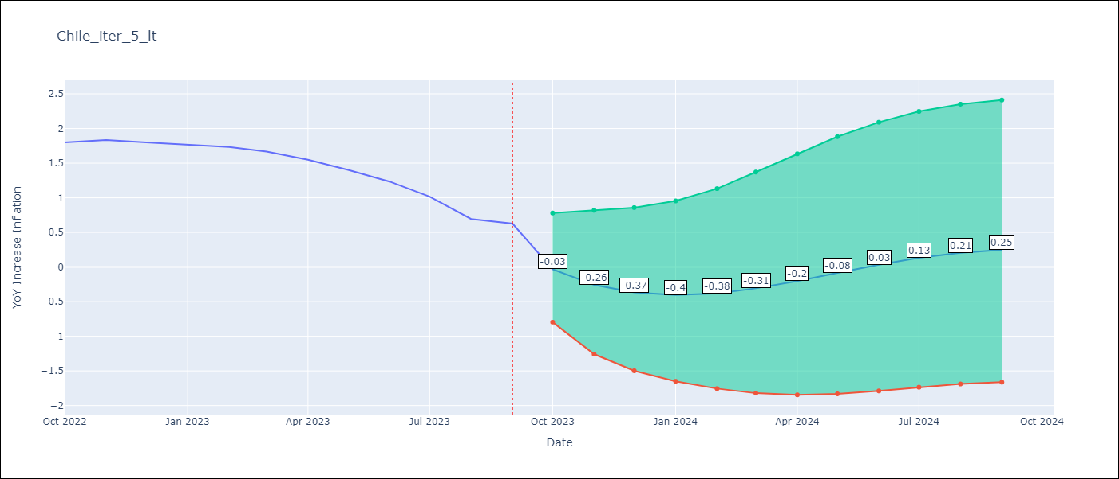

Test Metrics
RMSE | 0.67
Naive RMSE | 0.14
MAPE | 53.59%

Test Predictions
Date | Predicted | Actual
2022-10-01 | 1.83 | 1.8
2022-11-01 | 1.83 | 1.83
2022-12-01 | 1.85 | 1.8
2023-01-01 | 1.86 | 1.76
2023-02-01 | 1.88 | 1.73
2023-03-01 | 1.9 | 1.67
2023-04-01 | 1.91 | 1.55
2023-05-01 | 1.93 | 1.4
2023-06-01 | 1.94 | 1.23
2023-07-01 | 1.96 | 1.02
2023-08-01 | 1.97 | 0.69
2023-09-01 | 1.98 | 0.63

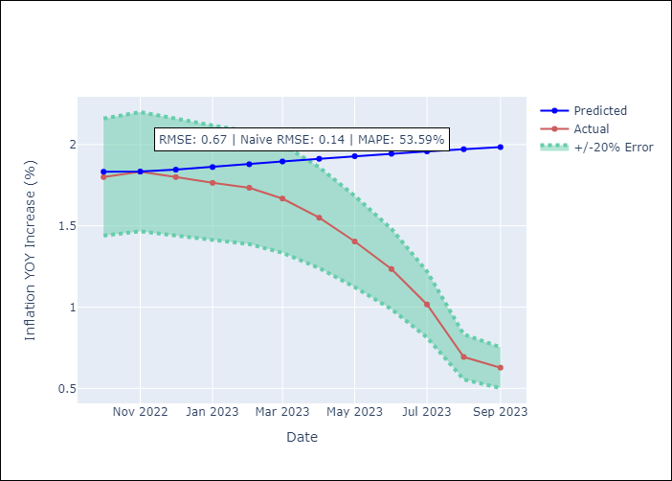

Appendix A: Model Summary
Model | VAR(1)
Sample | 01-01-2014- 09-01-2023
No. of Observations | 117
Terms | P-value (Statistical significance)
intercept | 0.614
L1.YoY Increase Inflation | 0.000
L1.4.Industria | 0.581
L1.1.Minería del cobre_x | 0.474
L1.3.Electricidad, gas, agua y gestión de desechos_x | 0.889
L1.4.Ahorro Bruto | 0.214
L1.3.Consumo Final Efectivo | 0.818
Assumptions | P-value
Ljung-Box (L1) | 0.00, 0.82, 0.08, 0.05, 0.00, 0.00
Heteroskedasticity | 0.00, 0.16, 0.31, 0.28, 1.00, 0.39
Jarque-Bera | 0.02, 0.06, 0.10, 0.00, 0.52, 0.16
Skew | -0.27, 0.35, 0.32, 0.52, -0.07, 0.34
Kurtosis | 4.13, 3.79, 3.73, 4.05, 2.50, 2.48

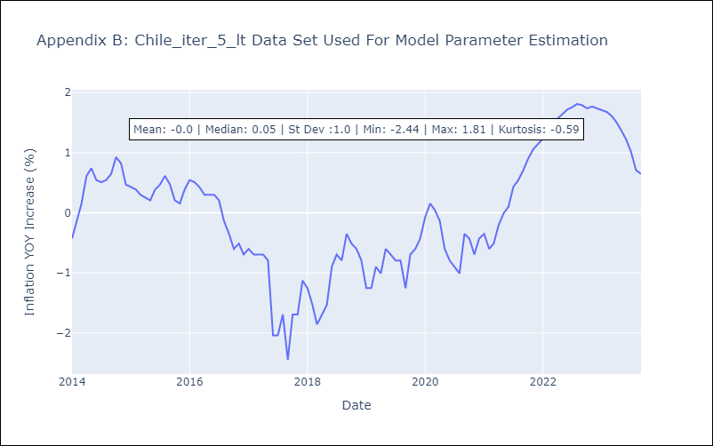

Appendix C: Residuals Analysis
Mean | -0.11
White Noise? | No - Correlation at Lags [ 1 2 3 4 5 6 7 8 9 10 11 12]
Normal? | No

