Chile
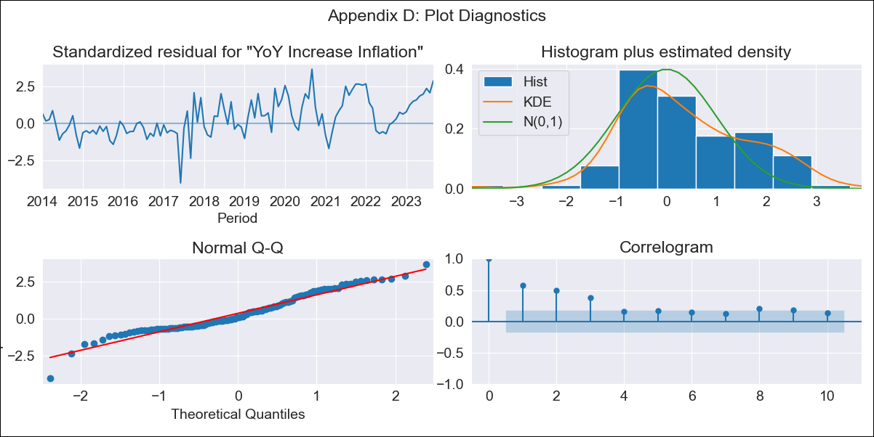
Chile - Inflation - Next 12 months forecast as of: 2023-09-01

Model | VARMAX - (1, 0, 0, 0, 0, 1, 12) | Exogenous Variables | 4.Industria, 1.Minería del cobre_x, 3.Electricidad, gas, agua y gestión de desechos_x, 4.Ahorro Bruto_x, 3.Consumo Final Efectivo_x
Training Data | 2014-01-01 to 2022-10-01
Test Data | 2022-10-01 to 2023-09-01

Date | Inflation Change YoY % | Lower Bound - 95% Confidence Interval | Upper Bound - 95% Confidence Interval
2023-10-01 | 3.13 | 2.45 | 4.14
2023-11-01 | 2.67 | 1.93 | 3.92
2023-12-01 | 2.43 | 1.66 | 3.8
2024-01-01 | 2.26 | 1.49 | 3.7
2024-02-01 | 2.14 | 1.37 | 3.63
2024-03-01 | 2.05 | 1.28 | 3.59
2024-04-01 | 1.99 | 1.22 | 3.57
2024-05-01 | 1.95 | 1.17 | 3.57
2024-06-01 | 1.92 | 1.13 | 3.58
2024-07-01 | 1.9 | 1.11 | 3.62
2024-08-01 | 1.89 | 1.09 | 3.66
2024-09-01 | 1.89 | 1.08 | 3.72

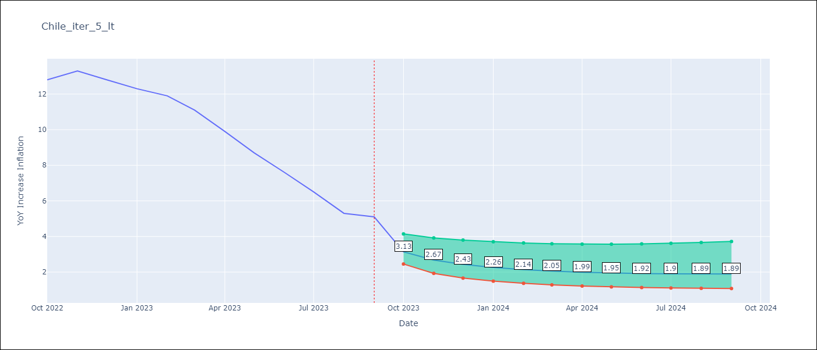

Test Metrics
RMSE | 7.5
Naive RMSE | 0.87
MAPE | 86.58%

Test Predictions
Date | Predicted | Actual
2022-10-01 | 13.47 | 12.8
2022-11-01 | 13.65 | 13.3
2022-12-01 | 14 | 12.8
2023-01-01 | 14.42 | 12.3
2023-02-01 | 14.89 | 11.9
2023-03-01 | 15.38 | 11.1
2023-04-01 | 15.88 | 9.9
2023-05-01 | 16.39 | 8.7
2023-06-01 | 16.9 | 7.6
2023-07-01 | 17.43 | 6.5
2023-08-01 | 17.96 | 5.3
2023-09-01 | 18.5 | 5.1

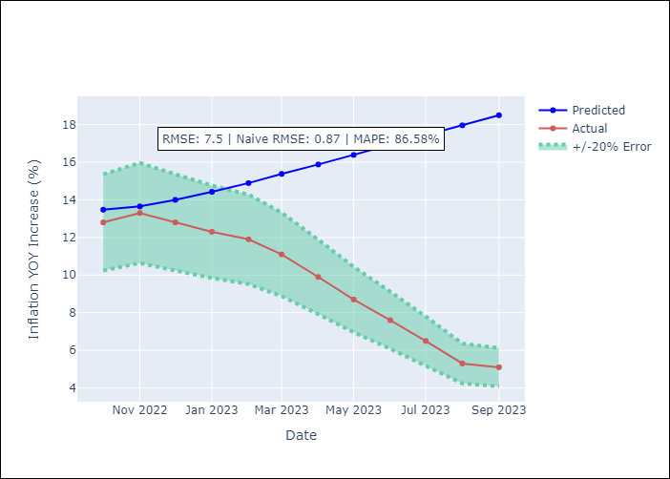

Appendix A: Model Summary
Model | VAR(1)
Sample | 01-01-2014- 09-01-2023
No. of Observations | 117
Terms | P-value (Statistical significance)
intercept | 0.100
L1.YoY Increase Inflation | 0.000
L1.4.Industria | 0.942
L1.1.Minería del cobre_x | 0.816
L1.3.Electricidad, gas, agua y gestión de desechos_x | 0.689
L1.4.Ahorro Bruto_x | 0.025
L1.3.Consumo Final Efectivo_x | 0.134
Assumptions | P-value
Ljung-Box (L1) | 0.00, 0.90, 0.11, 0.04, 0.00, 0.00
Heteroskedasticity | 0.00, 0.00, 0.33, 0.20, 0.79, 0.81
Jarque-Bera | 0.61, 0.15, 0.04, 0.12, 0.89, 0.12
Skew | 0.12, 0.25, 0.37, 0.26, 0.08, 0.41
Kurtosis | 3.38, 3.71, 3.89, 3.77, 3.14, 2.55

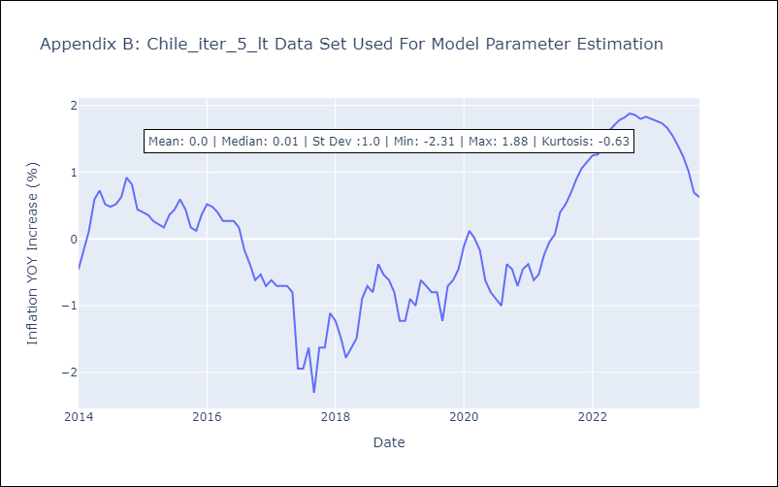

Appendix C: Residuals Analysis
Mean | 0.11
White Noise? | No - Correlation at Lags [ 1 2 3 4 5 6 7 8 9 10 11 12]
Normal? | No

