Chile
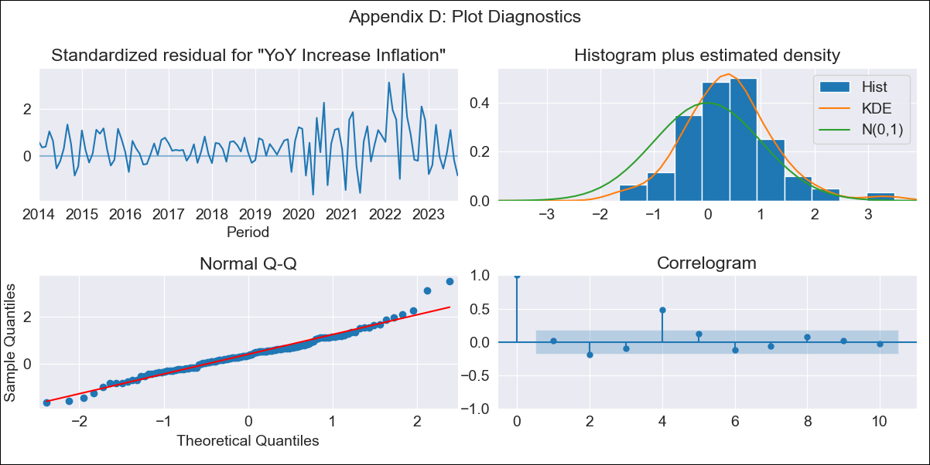
Chile - Inflation - Next 12 months forecast as of: 2023-09-01

Model | VARMAX - (1, 2, 2, 0, 0, 1, 12) | Exogenous Variables | 3.Consumo Final Efectivo_x, 3.Electricidad, gas, agua y gestión de desechos_x, 4.Ahorro Bruto_x
Training Data | 2014-01-01 to 2022-10-01
Test Data | 2022-10-01 to 2023-09-01

Date | Inflation Change YoY % | Lower Bound - 95% Confidence Interval | Upper Bound - 95% Confidence Interval
2023-10-01 | 3.06 | 0.24 | 5.88
2023-11-01 | 2.02 | -2.09 | 6.14
2023-12-01 | 1.47 | -4.28 | 7.21
2024-01-01 | 1.01 | -5.7 | 7.72
2024-02-01 | 0.64 | -6.71 | 7.99
2024-03-01 | 0.35 | -7.45 | 8.15
2024-04-01 | 0.12 | -8 | 8.24
2024-05-01 | -0.06 | -8.41 | 8.3
2024-06-01 | -0.19 | -8.72 | 8.34
2024-07-01 | -0.29 | -8.94 | 8.37
2024-08-01 | -0.35 | -9.1 | 8.39
2024-09-01 | -0.4 | -9.22 | 8.42

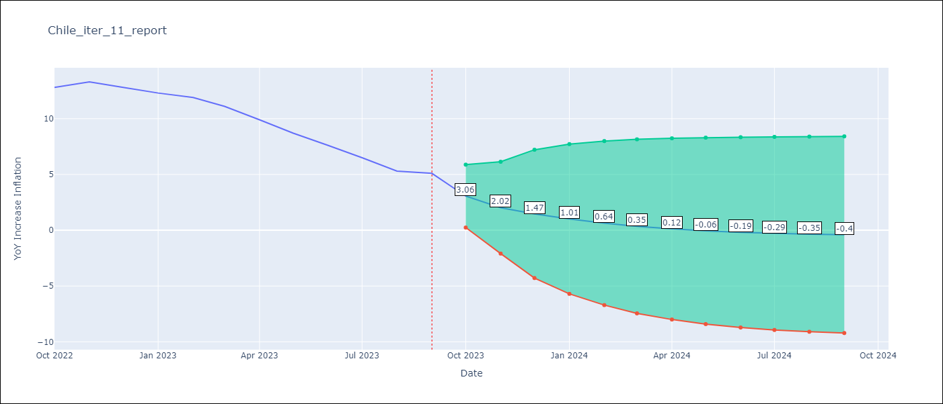

Test Metrics
RMSE | 1.76
Naive RMSE | 0.87
MAPE | 16.84%

Test Predictions
Date | Predicted | Actual
2022-10-01 | 12.53 | 12.8
2022-11-01 | 11.5 | 13.3
2022-12-01 | 10.59 | 12.8
2023-01-01 | 9.84 | 12.3
2023-02-01 | 9.2 | 11.9
2023-03-01 | 8.67 | 11.1
2023-04-01 | 8.22 | 9.9
2023-05-01 | 7.84 | 8.7
2023-06-01 | 7.52 | 7.6
2023-07-01 | 7.24 | 6.5
2023-08-01 | 7 | 5.3
2023-09-01 | 6.79 | 5.1

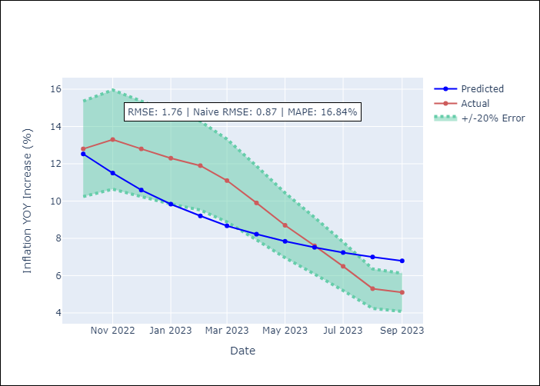

Appendix A: Model Summary
Model | VARMA(1,2)
Sample | - 09-01-2023opg
No. of Observations | 117
Terms | P-value (Statistical significance)
L1.YoY Increase Inflation | 0.000
L1.3.Consumo Final Efectivo_x | 0.533
L1.3.Electricidad, gas, agua y gestión de desechos_x | 0.671
L1.4.Ahorro Bruto_x | 0.702
L1.e(YoY Increase Inflation) | 0.898
L1.e(3.Consumo Final Efectivo_x) | 0.711
L1.e(3.Electricidad, gas, agua y gestión de desechos_x) | 0.115
L1.e(4.Ahorro Bruto_x) | 0.021
L2.e(YoY Increase Inflation) | 0.005
L2.e(3.Consumo Final Efectivo_x) | 0.464
L2.e(3.Electricidad, gas, agua y gestión de desechos_x) | 0.792
L2.e(4.Ahorro Bruto_x) | 0.982
Assumptions | P-value
Ljung-Box (L1) | 0.84, 0.26, 0.00, 0.86
Heteroskedasticity | 0.00, 0.00, 0.03, 0.00
Jarque-Bera | 0.00, 0.00, 0.00, 0.00
Skew | 0.53, -0.02, 0.74, -0.70
Kurtosis | 4.60, 12.71, 3.87, 5.50

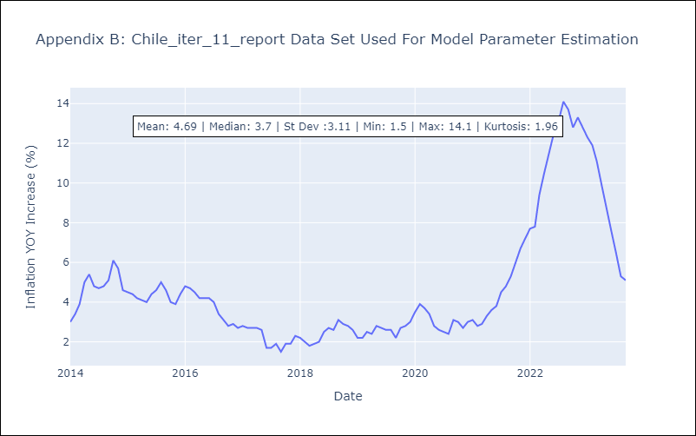

Appendix C: Residuals Analysis
Mean | 0.59
White Noise? | No - Correlation at Lags [ 4 5 6 7 8 9 10 11 12]
Normal? | No

