Chile
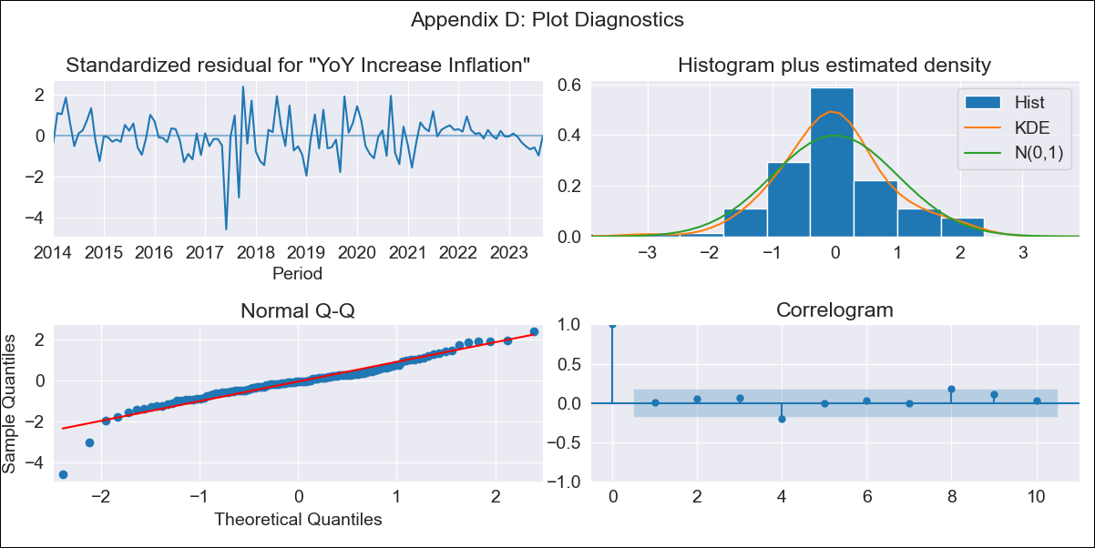
Chile - Inflation - Next 12 months forecast as of: 2023-09-01

Model | VARMAX - (2, 0, 1, 0, 0, 1, 12) | Exogenous Variables | 3.Consumo Final Efectivo_x, 3.Electricidad, gas, agua y gestión de desechos_x, 4.Ahorro Bruto_x
Training Data | 2014-01-01 to 2022-10-01
Test Data | 2022-10-01 to 2023-09-01

Date | Inflation Change YoY % | Lower Bound - 95% Confidence Interval | Upper Bound - 95% Confidence Interval
2023-10-01 | 4.87 | 3.77 | 6.61
2023-11-01 | 4.73 | 3.33 | 7.43
2023-12-01 | 4.67 | 3.07 | 8.26
2024-01-01 | 4.64 | 2.88 | 9.2
2024-02-01 | 4.65 | 2.74 | 10.29
2024-03-01 | 4.67 | 2.64 | 11.54
2024-04-01 | 4.7 | 2.55 | 12.94
2024-05-01 | 4.73 | 2.48 | 14.49
2024-06-01 | 4.76 | 2.42 | 16.19
2024-07-01 | 4.78 | 2.37 | 18.02
2024-08-01 | 4.8 | 2.33 | 19.98
2024-09-01 | 4.82 | 2.29 | 22.05

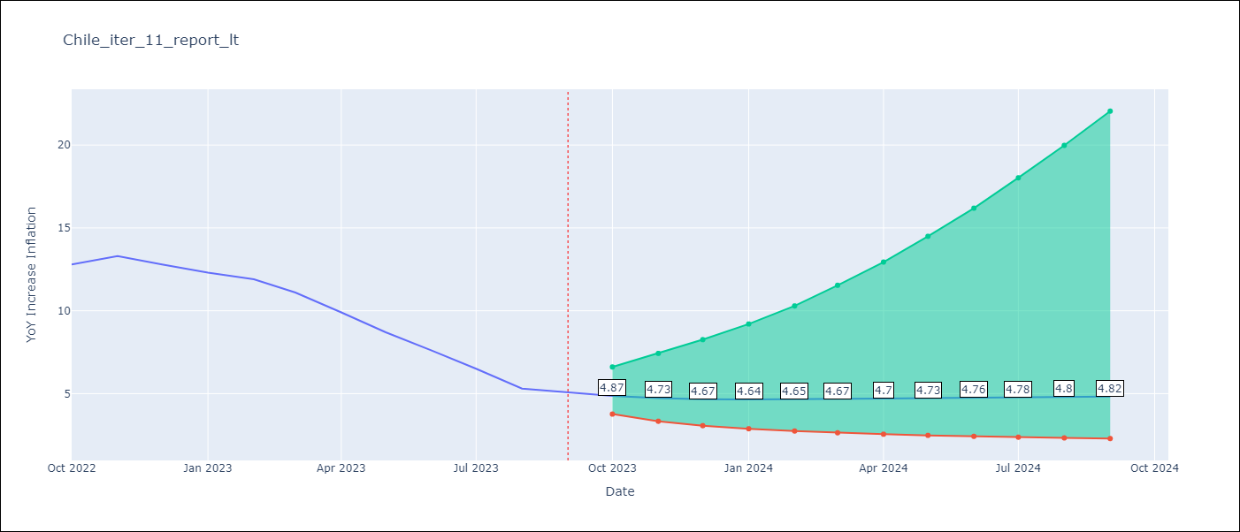

Test Metrics
RMSE | 15.51
Naive RMSE | 0.87
MAPE | 182.04%

Test Predictions
Date | Predicted | Actual
2022-10-01 | 14.67 | 12.8
2022-11-01 | 15.63 | 13.3
2022-12-01 | 16.72 | 12.8
2023-01-01 | 17.98 | 12.3
2023-02-01 | 19.43 | 11.9
2023-03-01 | 21.06 | 11.1
2023-04-01 | 22.86 | 9.9
2023-05-01 | 24.78 | 8.7
2023-06-01 | 26.76 | 7.6
2023-07-01 | 28.73 | 6.5
2023-08-01 | 30.62 | 5.3
2023-09-01 | 32.37 | 5.1

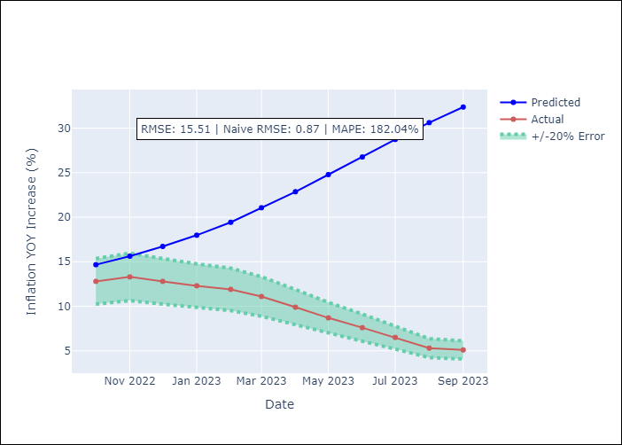

Appendix A: Model Summary
Model | VARMA(2,1)
Sample | 01-01-2014- 09-01-2023
No. of Observations | 117
Terms | P-value (Statistical significance)
intercept | 0.876
L1.YoY Increase Inflation | 0.811
L1.3.Consumo Final Efectivo_x | 0.870
L1.3.Electricidad, gas, agua y gestión de desechos_x | 0.946
L1.4.Ahorro Bruto_x | 0.988
L2.YoY Increase Inflation | 0.990
L2.3.Consumo Final Efectivo_x | 0.872
L2.3.Electricidad, gas, agua y gestión de desechos_x | 0.980
L2.4.Ahorro Bruto_x | 0.960
L1.e(YoY Increase Inflation) | 0.998
L1.e(3.Consumo Final Efectivo_x) | 0.976
L1.e(3.Electricidad, gas, agua y gestión de desechos_x) | 0.959
L1.e(4.Ahorro Bruto_x) | 0.989
Assumptions | P-value
Ljung-Box (L1) | 0.95, 0.80, 0.98, 0.86
Heteroskedasticity | 0.58, 0.00, 0.24, 0.00
Jarque-Bera | 0.00, 0.00, 0.02, 0.00
Skew | -0.76, 0.73, 0.34, -1.51
Kurtosis | 6.84, 35.90, 4.08, 14.15

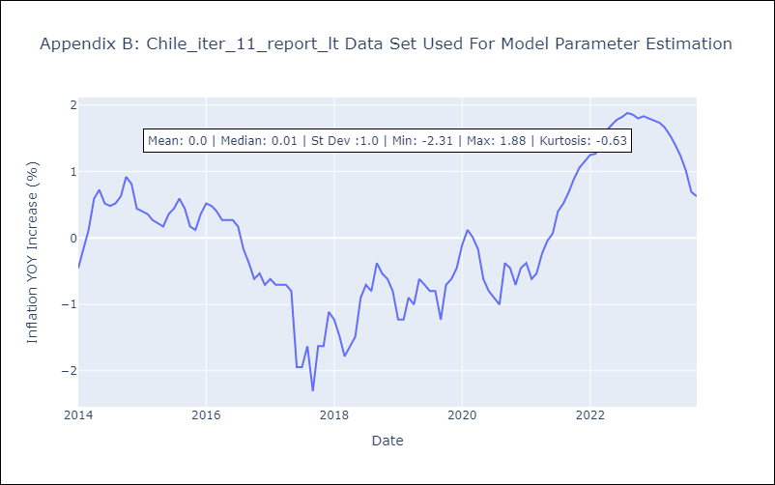

Appendix C: Residuals Analysis
Mean | -0.02
White Noise? | No - Correlation at Lags [12]
Normal? | No

