CHL
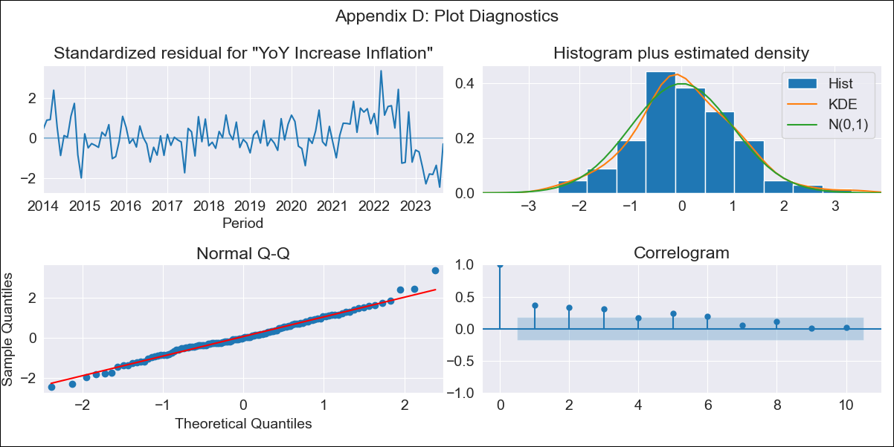
CHL - Inflation - Next 12 months forecast as of: 2023-09-01

Model | VARMAX - (1, 2, 2, 0, 0, 1, 12) | Exogenous Variables | Ahorro Bruto, Consumo Final Efectivo, Electricidad, gas, agua y gestión de desechos
Training Data | 2014-01-01 to 2022-10-01
Test Data | 2022-10-01 to 2023-09-01

Date | Inflation Change YoY % | Lower Bound - 95% Confidence Interval | Upper Bound - 95% Confidence Interval
2023-10-01 | 5.08 | 4.13 | 6.02
2023-11-01 | 5.09 | 3.58 | 6.6
2023-12-01 | 5.01 | 3.15 | 6.88
2024-01-01 | 4.95 | 2.79 | 7.11
2024-02-01 | 4.9 | 2.48 | 7.32
2024-03-01 | 4.86 | 2.21 | 7.51
2024-04-01 | 4.82 | 1.95 | 7.68
2024-05-01 | 4.78 | 1.72 | 7.85
2024-06-01 | 4.75 | 1.5 | 8
2024-07-01 | 4.72 | 1.29 | 8.15
2024-08-01 | 4.69 | 1.1 | 8.29
2024-09-01 | 4.66 | 0.91 | 8.42

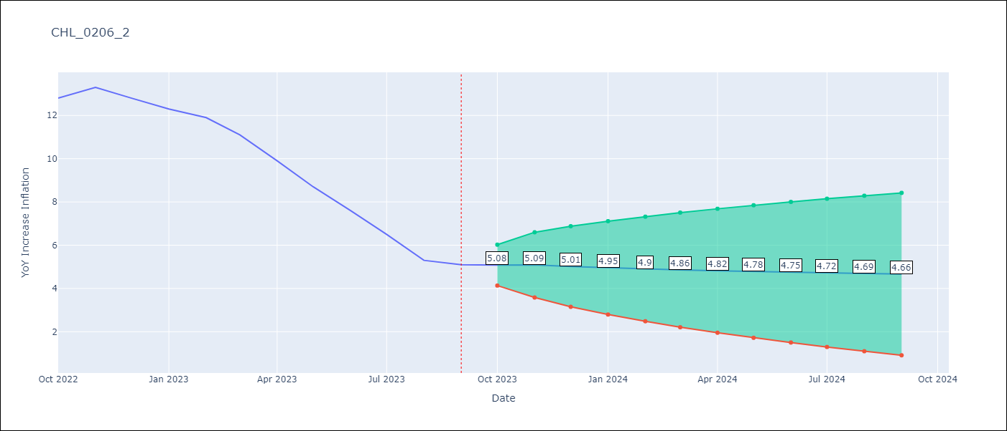

Test Metrics
RMSE | 1.59
Naive RMSE | 0.87
MAPE | 18.16%

Test Predictions
Date | Predicted | Actual
2022-10-01 | 12.91 | 12.8
2022-11-01 | 12.31 | 13.3
2022-12-01 | 11.81 | 12.8
2023-01-01 | 11.31 | 12.3
2023-02-01 | 10.84 | 11.9
2023-03-01 | 10.38 | 11.1
2023-04-01 | 9.94 | 9.9
2023-05-01 | 9.52 | 8.7
2023-06-01 | 9.11 | 7.6
2023-07-01 | 8.73 | 6.5
2023-08-01 | 8.35 | 5.3
2023-09-01 | 8 | 5.1

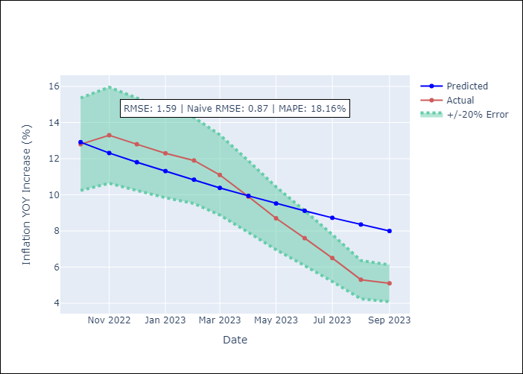

Appendix A: Model Summary
Model | VARMA(1,2)
Sample | - 09-01-2023opg
No. of Observations | 117
Terms | P-value (Statistical significance)
L1.YoY Increase Inflation | 0.000
L1.Ahorro Bruto | 0.763
L1.Consumo Final Efectivo | 0.854
L1.Electricidad, gas, agua y gestión de desechos | 0.812
L1.e(YoY Increase Inflation) | 0.393
L1.e(Ahorro Bruto) | 0.847
L1.e(Consumo Final Efectivo) | 0.877
L1.e(Electricidad, gas, agua y gestión de desechos) | 0.746
L2.e(YoY Increase Inflation) | 0.585
L2.e(Ahorro Bruto) | 0.696
L2.e(Consumo Final Efectivo) | 0.722
L2.e(Electricidad, gas, agua y gestión de desechos) | 0.908
Assumptions | P-value
Ljung-Box (L1) | 0.00, 0.40, 0.34, 0.51
Heteroskedasticity | 0.00, 0.00, 0.00, 0.14
Jarque-Bera | 0.24, 0.00, 0.00, 0.02
Skew | 0.20, -0.08, 0.07, 0.42
Kurtosis | 3.66, 4.90, 14.96, 4.00

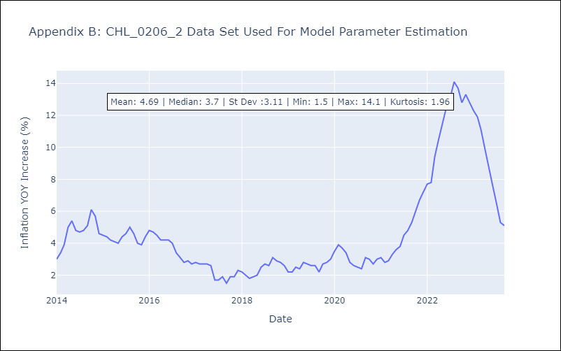

Appendix C: Residuals Analysis
Mean | 0.05
White Noise? | No - Correlation at Lags [ 1 2 3 4 5 6 7 8 9 10 11 12]
Normal? | No

