CHL
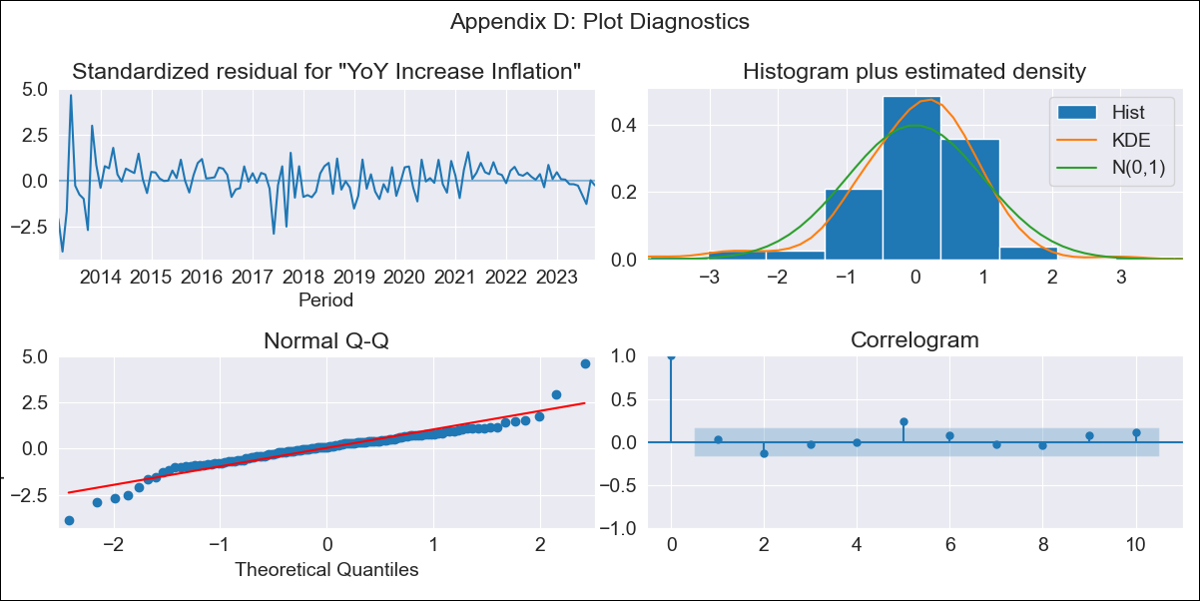
CHL - Inflation - Next 12 months forecast as of: 2023-10-01

Model | VARMAX - (2, 0, 1, 1, 0, 0, 12) | Exogenous Variables | Unemployment_Brazil, Unemplyment_South Korea, Unemployment_United States, Unemployment_Japan
Training Data | 2013-03-01 to 2022-11-01
Test Data | 2022-11-01 to 2023-10-01

Date | Inflation Change YoY % | Lower Bound - 95% Confidence Interval | Upper Bound - 95% Confidence Interval
2023-11-01 | 5.12 | 3.83 | 7.13
2023-12-01 | 5.22 | 3.45 | 8.66
2024-01-01 | 5.15 | 3.14 | 9.63
2024-02-01 | 5.03 | 2.93 | 10.15
2024-03-01 | 4.91 | 2.77 | 10.46
2024-04-01 | 4.81 | 2.64 | 10.64
2024-05-01 | 4.71 | 2.54 | 10.76
2024-06-01 | 4.61 | 2.45 | 10.82
2024-07-01 | 4.53 | 2.37 | 10.85
2024-08-01 | 4.44 | 2.29 | 10.85
2024-09-01 | 4.37 | 2.23 | 10.83
2024-10-01 | 4.3 | 2.17 | 10.81

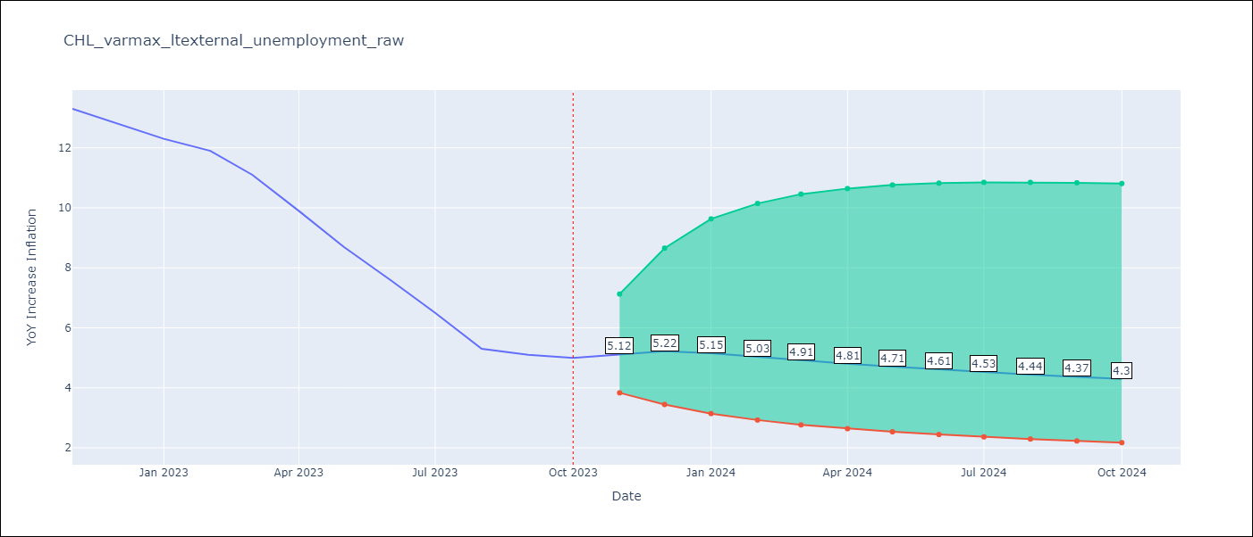

Test Metrics
RMSE | 1.93
Naive RMSE | 0.86
MAPE | 23.73%

Test Predictions
Date | Predicted | Actual
2022-11-01 | 11.01 | 13.3
2022-12-01 | 10.6 | 12.8
2023-01-01 | 10.38 | 12.3
2023-02-01 | 10.17 | 11.9
2023-03-01 | 9.86 | 11.1
2023-04-01 | 9.51 | 9.9
2023-05-01 | 9.14 | 8.7
2023-06-01 | 8.79 | 7.6
2023-07-01 | 8.44 | 6.5
2023-08-01 | 8.1 | 5.3
2023-09-01 | 7.77 | 5.1
2023-10-01 | 7.46 | 5

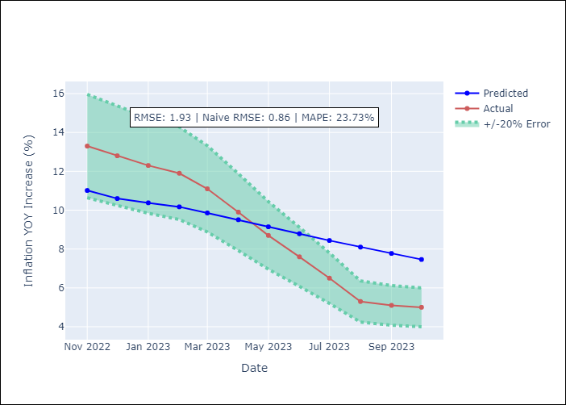

Appendix A: Model Summary
Model | VARMA(2,1)
Sample | 03-01-2013- 10-01-2023
No. of Observations | 128
Terms | P-value (Statistical significance)
intercept | 0.853
L1.YoY Increase Inflation | 0.747
L1.Unemployment_Brazil | 0.963
L1.Unemplyment_South Korea | 0.919
L1.Unemployment_United States | 0.955
L1.Unemployment_Japan | 0.894
L2.YoY Increase Inflation | 0.959
L2.Unemployment_Brazil | 0.951
L2.Unemplyment_South Korea | 0.796
L2.Unemployment_United States | 0.992
L2.Unemployment_Japan | 0.946
L1.e(YoY Increase Inflation) | 0.993
L1.e(Unemployment_Brazil) | 0.975
L1.e(Unemplyment_South Korea) | 0.960
L1.e(Unemployment_United States) | 0.991
L1.e(Unemployment_Japan) | 0.903
Assumptions | P-value
Ljung-Box (L1) | 0.70, 0.49, 0.88, 0.93, 0.90
Heteroskedasticity | 0.00, 0.05, 0.95, 0.00, 0.11
Jarque-Bera | 0.00, 0.09, 0.00, 0.00, 0.00
Skew | -0.05, 0.48, -0.47, 7.44, -0.12
Kurtosis | 7.80, 3.04, 5.15, 74.81, 4.69

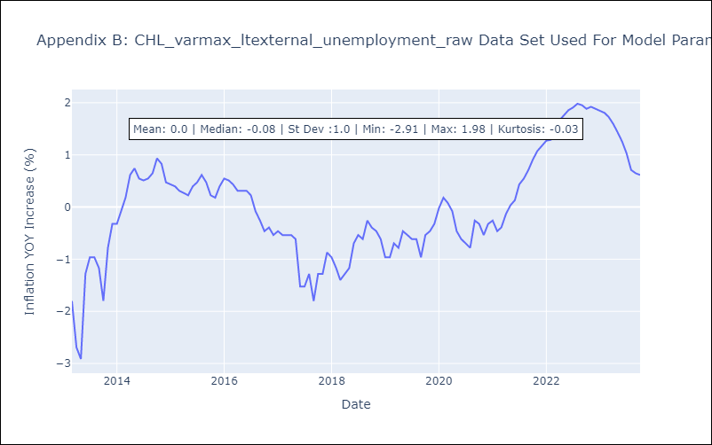

Appendix C: Residuals Analysis
Mean | 0.0
White Noise? | No - Correlation at Lags [ 5 12]
Normal? | No

