CHL
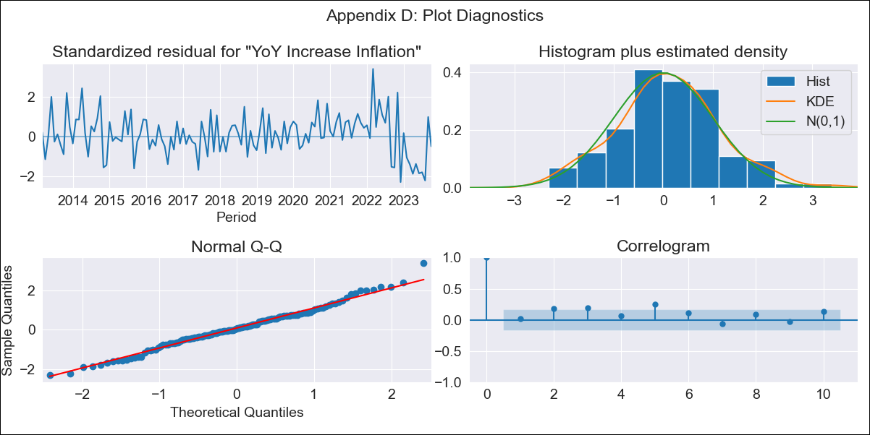
CHL - Inflation - Next 12 months forecast as of: 2023-10-01

Model | VARMAX - (1, 2, 2, 0, 0, 1, 12) | Exogenous Variables | Unemployment_Brazil, Unemplyment_South Korea, Unemployment_United States, Unemployment_Japan
Training Data | 2013-03-01 to 2022-11-01
Test Data | 2022-11-01 to 2023-10-01

Date | Inflation Change YoY % | Lower Bound - 95% Confidence Interval | Upper Bound - 95% Confidence Interval
2023-11-01 | 4.88 | 4.05 | 5.71
2023-12-01 | 4.9 | 3.42 | 6.38
2024-01-01 | 4.89 | 2.95 | 6.83
2024-02-01 | 4.88 | 2.57 | 7.18
2024-03-01 | 4.86 | 2.23 | 7.49
2024-04-01 | 4.84 | 1.91 | 7.76
2024-05-01 | 4.81 | 1.62 | 8.01
2024-06-01 | 4.79 | 1.34 | 8.24
2024-07-01 | 4.76 | 1.07 | 8.46
2024-08-01 | 4.74 | 0.82 | 8.66
2024-09-01 | 4.71 | 0.57 | 8.86
2024-10-01 | 4.69 | 0.33 | 9.04

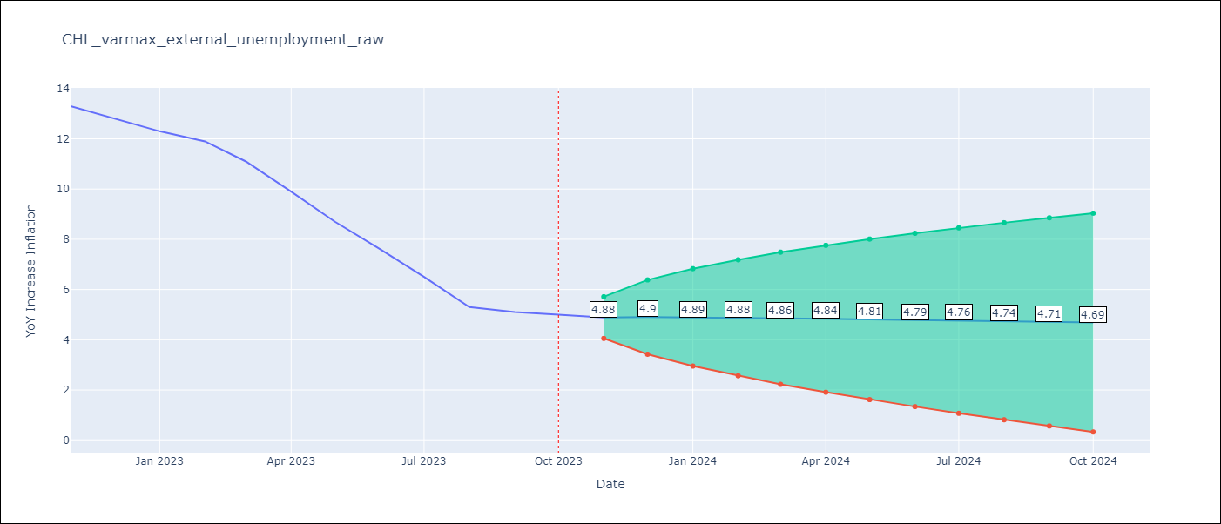

Test Metrics
RMSE | 3.13
Naive RMSE | 0.86
MAPE | 35.63%

Test Predictions
Date | Predicted | Actual
2022-11-01 | 11.3 | 13.3
2022-12-01 | 10.2 | 12.8
2023-01-01 | 8.97 | 12.3
2023-02-01 | 7.81 | 11.9
2023-03-01 | 6.77 | 11.1
2023-04-01 | 5.87 | 9.9
2023-05-01 | 5.09 | 8.7
2023-06-01 | 4.43 | 7.6
2023-07-01 | 3.86 | 6.5
2023-08-01 | 3.37 | 5.3
2023-09-01 | 2.95 | 5.1
2023-10-01 | 2.58 | 5

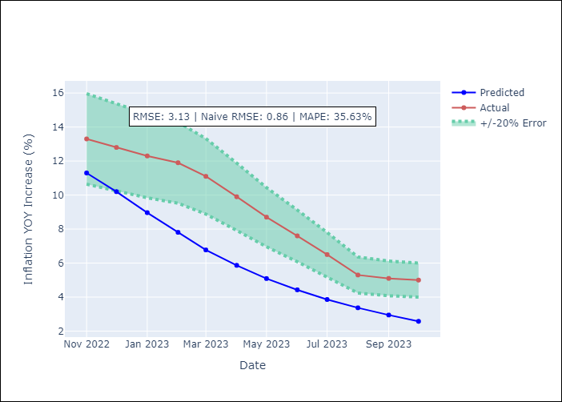

Appendix A: Model Summary
Model | VARMA(1,2)
Sample | - 10-01-2023opg
No. of Observations | 128
Terms | P-value (Statistical significance)
L1.YoY Increase Inflation | 0.000
L1.Unemployment_Brazil | 0.999
L1.Unemplyment_South Korea | 0.779
L1.Unemployment_United States | 0.928
L1.Unemployment_Japan | 0.978
L1.e(YoY Increase Inflation) | 0.001
L1.e(Unemployment_Brazil) | 0.931
L1.e(Unemplyment_South Korea) | 0.761
L1.e(Unemployment_United States) | 0.981
L1.e(Unemployment_Japan) | 0.983
L2.e(YoY Increase Inflation) | 0.881
L2.e(Unemployment_Brazil) | 0.876
L2.e(Unemplyment_South Korea) | 0.657
L2.e(Unemployment_United States) | 0.896
L2.e(Unemployment_Japan) | 0.626
Assumptions | P-value
Ljung-Box (L1) | 0.83, 0.16, 0.83, 0.86, 0.58
Heteroskedasticity | 0.08, 0.26, 0.20, 0.00, 0.27
Jarque-Bera | 0.57, 0.52, 0.00, 0.00, 0.00
Skew | 0.17, 0.22, -0.60, 7.80, 0.01
Kurtosis | 3.30, 3.23, 5.75, 81.21, 5.27

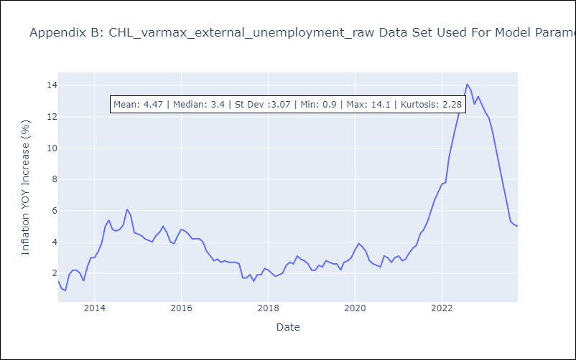

Appendix C: Residuals Analysis
Mean | 0.05
White Noise? | No - Correlation at Lags [ 3 4 5 6 7 8 9 10 11 12]
Normal? | No

