CHL
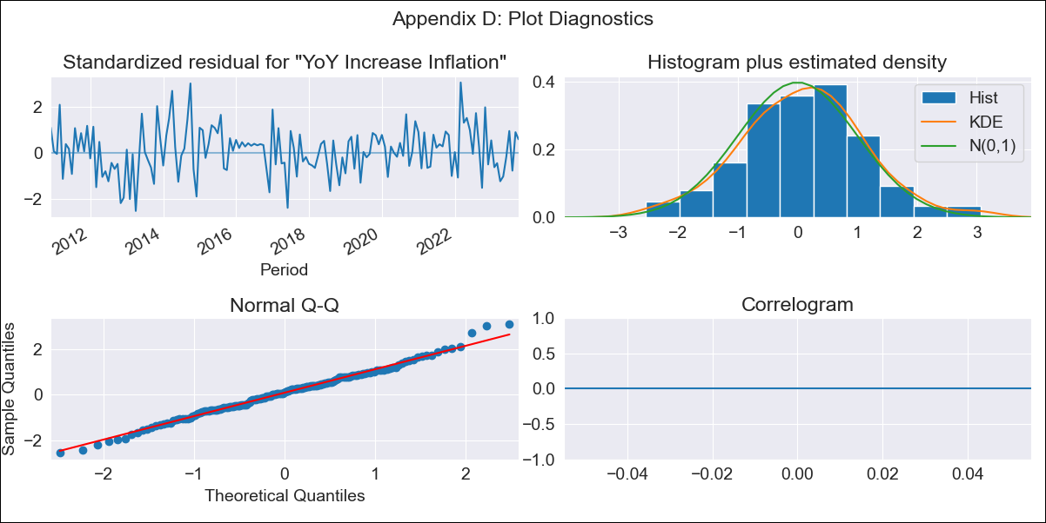
CHL - Inflation - Next 12 months forecast as of: 2023-10-01

Model | VARMAX - (1, 2, 1, 0, 0, 2, 12) | Exogenous Variables | PPI_Argentina, PPI_Brazil, PPI_China, PPI_South Korea, PPI_United States, Finished goods, PPI_United States, All Commodities, PPI_Japan
Training Data | 2010-12-01 to 2022-11-01
Test Data | 2022-11-01 to 2023-10-01

Date | Inflation Change YoY % | Lower Bound - 95% Confidence Interval | Upper Bound - 95% Confidence Interval
2023-11-01 | 3.72 | 3.06 | 4.39
2023-12-01 | 2.81 | 1.7 | 3.92
2024-01-01 | 2.06 | 0.6 | 3.51
2024-02-01 | 1.43 | -0.33 | 3.18
2024-03-01 | 0.9 | -1.12 | 2.91
2024-04-01 | 0.45 | -1.8 | 2.7
2024-05-01 | 0.09 | -2.37 | 2.55
2024-06-01 | -0.21 | -2.86 | 2.44
2024-07-01 | -0.45 | -3.28 | 2.38
2024-08-01 | -0.63 | -3.62 | 2.36
2024-09-01 | -0.76 | -3.9 | 2.38
2024-10-01 | -0.85 | -4.13 | 2.44

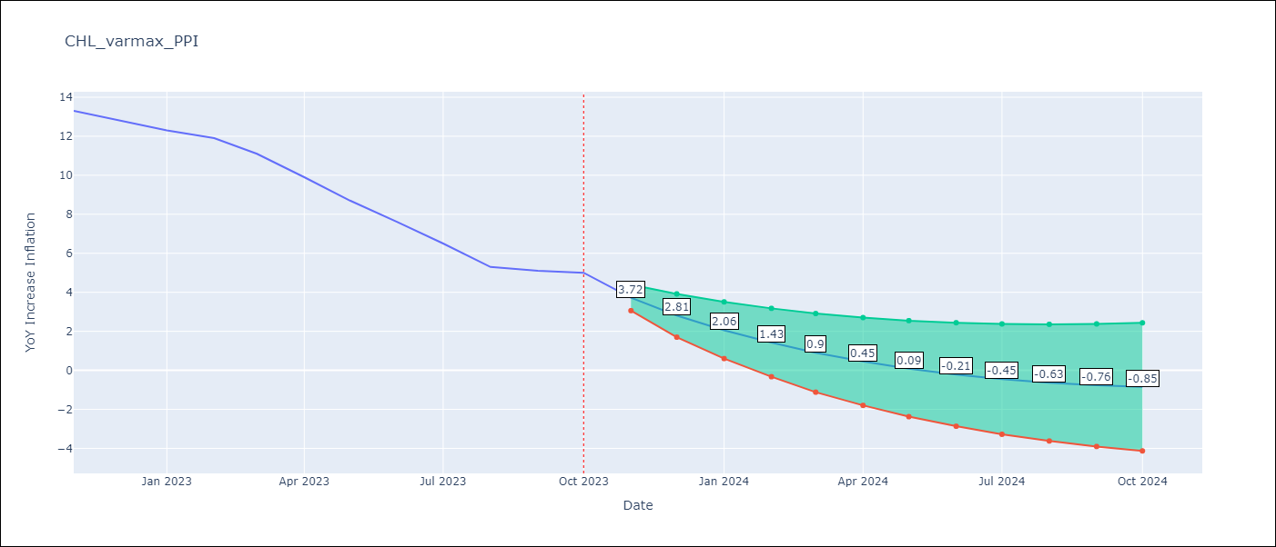

Test Metrics
RMSE | 3.38
Naive RMSE | 0.86
MAPE | 43.33%

Test Predictions
Date | Predicted | Actual
2022-11-01 | 13.32 | 13.3
2022-12-01 | 13.42 | 12.8
2023-01-01 | 13.4 | 12.3
2023-02-01 | 13.26 | 11.9
2023-03-01 | 13.01 | 11.1
2023-04-01 | 12.66 | 9.9
2023-05-01 | 12.23 | 8.7
2023-06-01 | 11.73 | 7.6
2023-07-01 | 11.18 | 6.5
2023-08-01 | 10.59 | 5.3
2023-09-01 | 9.98 | 5.1
2023-10-01 | 9.35 | 5

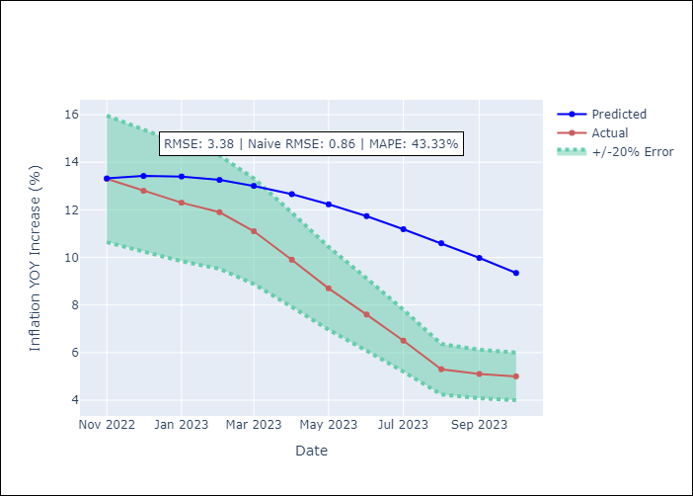

Appendix A: Model Summary
Model | VARMA(1,1)
Sample | - 10-01-2023opg
No. of Observations | 155
Terms | P-value (Statistical significance)
L1.YoY Increase Inflation | 0.992
L1.PPI_Argentina | 1.000
L1.PPI_Brazil | 0.999
L1.PPI_China | 0.999
L1.PPI_South Korea | 1.000
L1.PPI_United States, Finished goods | 0.999
L1.PPI_United States, All Commodities | 0.999
L1.PPI_Japan | 1.000
L1.e(YoY Increase Inflation) | 1.000
L1.e(PPI_Argentina) | 1.000
L1.e(PPI_Brazil) | 1.000
L1.e(PPI_China) | 0.999
L1.e(PPI_South Korea) | 0.999
L1.e(PPI_United States, Finished goods) | 1.000
L1.e(PPI_United States, All Commodities) | 1.000
L1.e(PPI_Japan) | 1.000
Assumptions | P-value
Ljung-Box (L1) | nan, nan, nan, nan, nan, nan, nan, nan
Heteroskedasticity | 0.06, 0.00, 0.00, 0.01, 0.08, 0.00, 0.01, 0.67
Jarque-Bera | 0.64, 0.00, 0.00, 0.00, 0.00, 0.32, 0.05, 0.00
Skew | 0.09, 1.08, -0.61, 1.85, 0.54, -0.15, 0.37, -0.13
Kurtosis | 3.32, 8.75, 6.62, 13.60, 3.83, 3.51, 3.60, 7.70

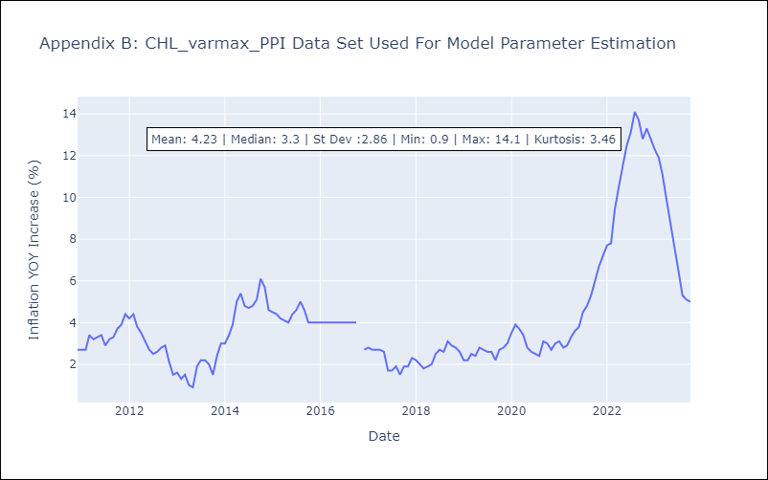

Appendix C: Residuals Analysis
Mean | 0.04
White Noise? | Yes
Normal? | Yes

