CHL
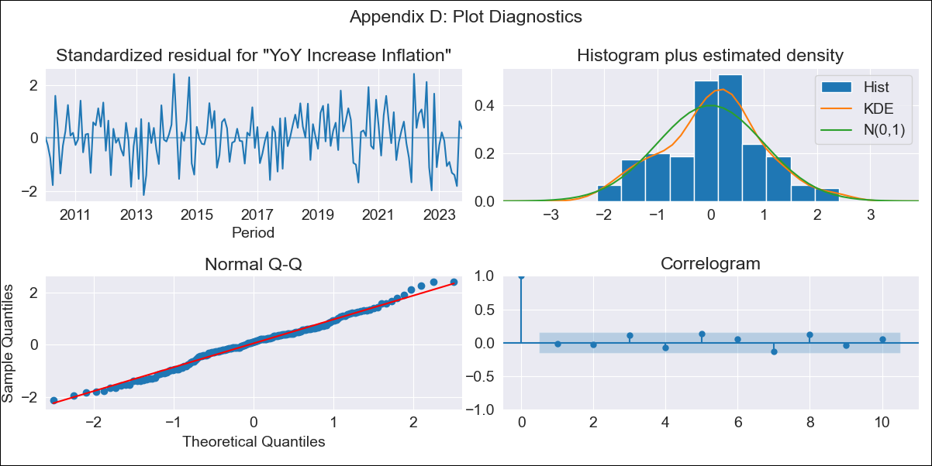
CHL - Inflation - Next 12 months forecast as of: 2023-10-01

Model | VARMAX - (2, 1, 2, 0, 0, 1, 12) | Exogenous Variables | 1.Headline CPI (CBC slicing), 2.CPI without volatiles, 3.CPI Services without volatiles, 4.CPI Goods without volatiles, 5.CPI Volatile, 6.CPI Volatile Food, 7.CPI Volatile Energy, 8.CPI Rest of volatiles
Training Data | 2010-01-01 to 2022-11-01
Test Data | 2022-11-01 to 2023-10-01

Date | Inflation Change YoY % | Lower Bound - 95% Confidence Interval | Upper Bound - 95% Confidence Interval
2023-11-01 | 4.64 | 3.83 | 5.44
2023-12-01 | 4.52 | 3.23 | 5.81
2024-01-01 | 4.48 | 2.76 | 6.2
2024-02-01 | 4.46 | 2.31 | 6.61
2024-03-01 | 4.42 | 1.85 | 6.99
2024-04-01 | 4.34 | 1.37 | 7.31
2024-05-01 | 4.24 | 0.88 | 7.6
2024-06-01 | 4.11 | 0.38 | 7.84
2024-07-01 | 3.97 | -0.1 | 8.05
2024-08-01 | 3.82 | -0.58 | 8.23
2024-09-01 | 3.67 | -1.05 | 8.39
2024-10-01 | 3.52 | -1.49 | 8.54

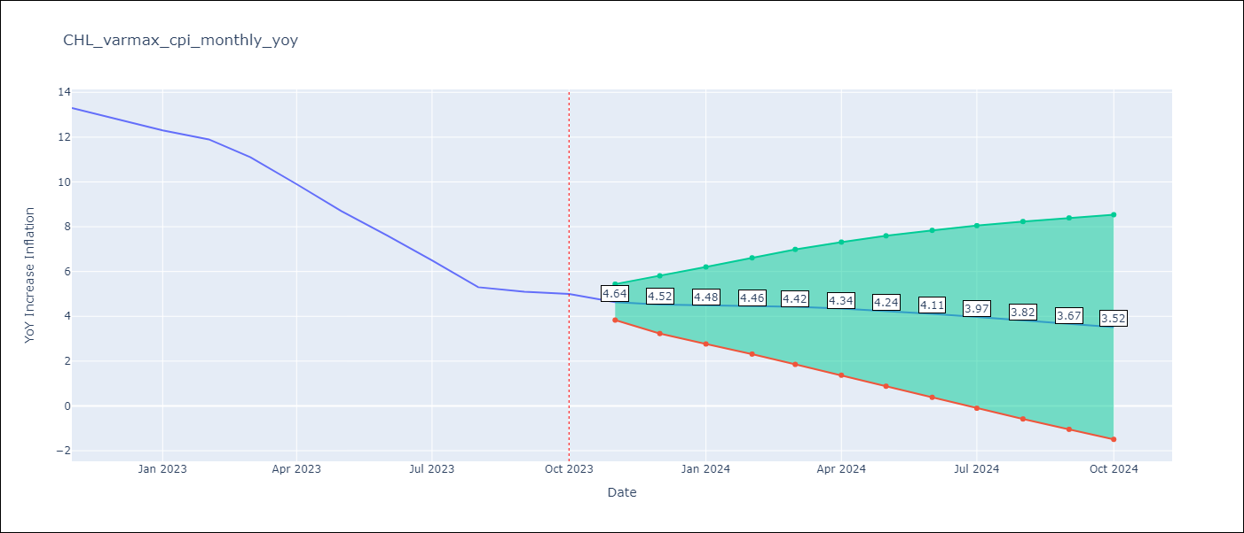

Test Metrics
RMSE | 3.89
Naive RMSE | 0.86
MAPE | 45.25%

Test Predictions
Date | Predicted | Actual
2022-11-01 | 11.38 | 13.3
2022-12-01 | 10.19 | 12.8
2023-01-01 | 8.32 | 12.3
2023-02-01 | 6.94 | 11.9
2023-03-01 | 5.79 | 11.1
2023-04-01 | 4.87 | 9.9
2023-05-01 | 4.12 | 8.7
2023-06-01 | 3.49 | 7.6
2023-07-01 | 2.97 | 6.5
2023-08-01 | 2.52 | 5.3
2023-09-01 | 2.14 | 5.1
2023-10-01 | 1.82 | 5

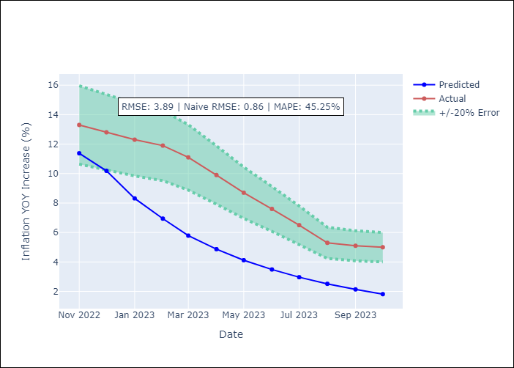

Appendix A: Model Summary
Model | VARMA(2,2)
Sample | - 10-01-2023opg
No. of Observations | 166
Terms | P-value (Statistical significance)
L1.YoY Increase Inflation | 0.000
L1.1.Headline CPI (CBC slicing) | 0.000
L1.2.CPI without volatiles | 0.000
L1.3.CPI Services without volatiles | 0.106
L1.4.CPI Goods without volatiles | 0.185
L1.5.CPI Volatile | 0.000
L1.6.CPI Volatile Food | 0.000
L1.7.CPI Volatile Energy | 0.000
L1.8.CPI Rest of volatiles | 0.000
L2.YoY Increase Inflation | 0.816
L2.1.Headline CPI (CBC slicing) | 0.000
L2.2.CPI without volatiles | 0.000
L2.3.CPI Services without volatiles | 0.000
L2.4.CPI Goods without volatiles | 0.000
L2.5.CPI Volatile | 0.000
L2.6.CPI Volatile Food | 0.000
L2.7.CPI Volatile Energy | 0.000
L2.8.CPI Rest of volatiles | 0.000
L1.e(YoY Increase Inflation) | 0.704
L1.e(1.Headline CPI (CBC slicing)) | 0.000
L1.e(2.CPI without volatiles) | 0.423
L1.e(3.CPI Services without volatiles) | 0.427
L1.e(4.CPI Goods without volatiles) | 0.618
L1.e(5.CPI Volatile) | 0.746
L1.e(6.CPI Volatile Food) | 0.982
L1.e(7.CPI Volatile Energy) | 0.795
L1.e(8.CPI Rest of volatiles) | 0.679
L2.e(YoY Increase Inflation) | 0.509
L2.e(1.Headline CPI (CBC slicing)) | 0.000
L2.e(2.CPI without volatiles) | 0.000
L2.e(3.CPI Services without volatiles) | 0.000
L2.e(4.CPI Goods without volatiles) | 0.000
L2.e(5.CPI Volatile) | 0.000
L2.e(6.CPI Volatile Food) | 0.355
L2.e(7.CPI Volatile Energy) | 0.128
L2.e(8.CPI Rest of volatiles) | 0.033
Assumptions | P-value
Ljung-Box (L1) | 0.82, 0.12, 0.72, 0.25, 0.49, 0.55, 0.59, 0.52, 0.88
Heteroskedasticity | 0.36, 0.00, 0.06, 0.28, 0.38, 0.67, 0.16, 0.01, 0.08
Jarque-Bera | 0.98, 0.00, 0.00, 0.00, 0.00, 0.00, 0.91, 0.00, 0.00
Skew | -0.00, -2.46, -0.50, 0.96, 0.09, 0.28, -0.03, 0.17, 0.48
Kurtosis | 2.93, 14.39, 4.13, 12.90, 8.75, 4.22, 3.16, 4.84, 3.83

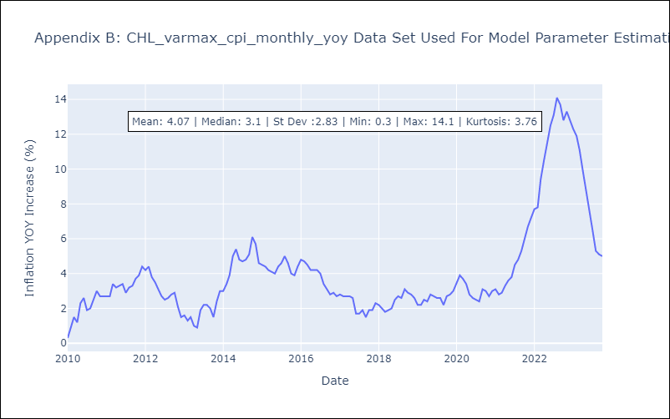

Appendix C: Residuals Analysis
Mean | 0.02
White Noise? | No - Correlation at Lags [12]
Normal? | No

