CHL
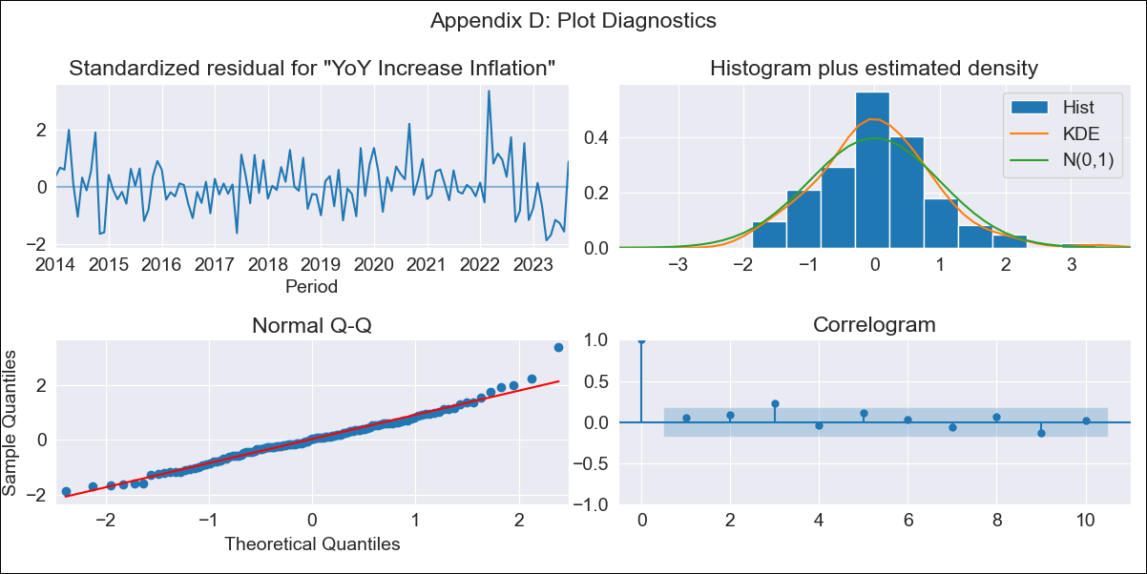
CHL - Inflation - Next 12 months forecast as of: 2023-09-01

Model | VARMAX - (1, 2, 2, 0, 0, 1, 12) | Exogenous Variables | Imacec, Minería del cobre, Industria Manufacturera, Electricidad, gas, agua y gestión de desechos, PIB
Training Data | 2014-01-01 to 2022-10-01
Test Data | 2022-10-01 to 2023-09-01

Date | Inflation Change YoY % | Lower Bound - 95% Confidence Interval | Upper Bound - 95% Confidence Interval
2023-10-01 | 4.92 | 4.01 | 5.84
2023-11-01 | 4.61 | 3.01 | 6.21
2023-12-01 | 4.39 | 2.26 | 6.52
2024-01-01 | 4.22 | 1.63 | 6.8
2024-02-01 | 4.09 | 1.09 | 7.09
2024-03-01 | 4 | 0.61 | 7.39
2024-04-01 | 3.93 | 0.16 | 7.71
2024-05-01 | 3.88 | -0.27 | 8.04
2024-06-01 | 3.85 | -0.69 | 8.39
2024-07-01 | 3.82 | -1.09 | 8.73
2024-08-01 | 3.8 | -1.48 | 9.09
2024-09-01 | 3.79 | -1.87 | 9.44

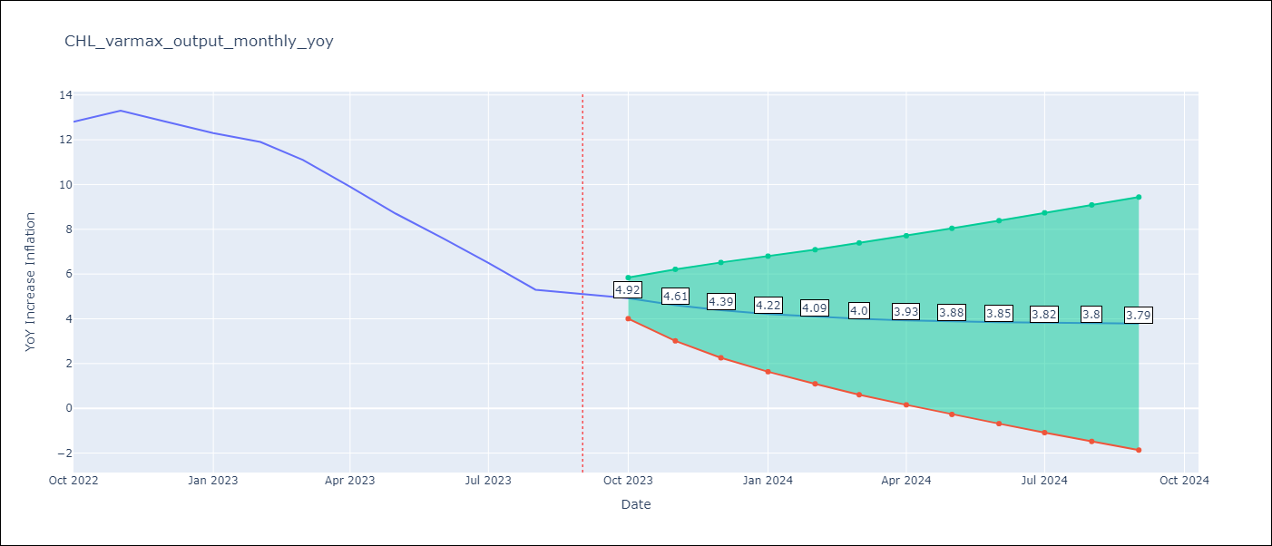

Test Metrics
RMSE | 6.52
Naive RMSE | 0.87
MAPE | 68.74%

Test Predictions
Date | Predicted | Actual
2022-10-01 | 11.28 | 12.8
2022-11-01 | 8.17 | 13.3
2022-12-01 | 6.03 | 12.8
2023-01-01 | 4.51 | 12.3
2023-02-01 | 3.39 | 11.9
2023-03-01 | 2.58 | 11.1
2023-04-01 | 1.97 | 9.9
2023-05-01 | 1.51 | 8.7
2023-06-01 | 1.16 | 7.6
2023-07-01 | 0.9 | 6.5
2023-08-01 | 0.7 | 5.3
2023-09-01 | 0.54 | 5.1

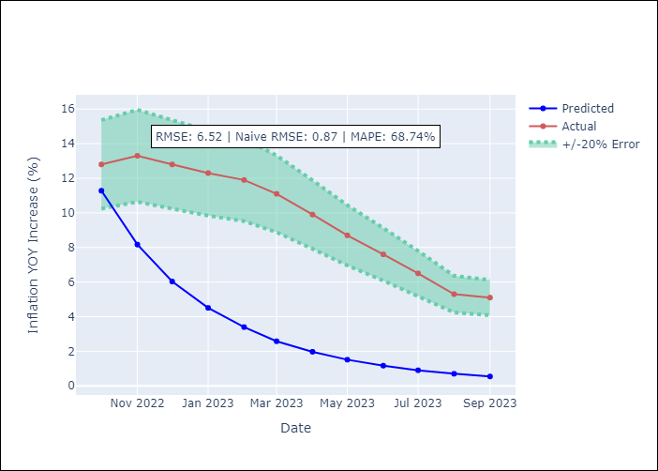

Appendix A: Model Summary
Model | VARMA(1,2)
Sample | - 09-01-2023opg
No. of Observations | 117
Terms | P-value (Statistical significance)
L1.YoY Increase Inflation | 0.016
L1.Imacec | 0.995
L1.Minería del cobre | 0.992
L1.Industria Manufacturera | 0.981
L1.Electricidad, gas, agua y gestión de desechos | 0.945
L1.PIB | 0.996
L1.e(YoY Increase Inflation) | 0.857
L1.e(Imacec) | 0.892
L1.e(Minería del cobre) | 0.998
L1.e(Industria Manufacturera) | 0.979
L1.e(Electricidad, gas, agua y gestión de desechos) | 0.971
L1.e(PIB) | 0.894
L2.e(YoY Increase Inflation) | 0.939
L2.e(Imacec) | 0.993
L2.e(Minería del cobre) | 0.995
L2.e(Industria Manufacturera) | 0.952
L2.e(Electricidad, gas, agua y gestión de desechos) | 0.995
L2.e(PIB) | 0.992
Assumptions | P-value
Ljung-Box (L1) | 0.53, 0.34, 0.91, 0.87, 0.66, 0.97
Heteroskedasticity | 0.05, 0.04, 0.44, 0.03, 0.72, 0.00
Jarque-Bera | 0.01, 0.00, 0.00, 0.53, 0.01, 0.00
Skew | 0.47, -0.36, 0.47, 0.20, 0.42, -1.59
Kurtosis | 4.06, 4.98, 4.79, 3.31, 4.11, 9.54

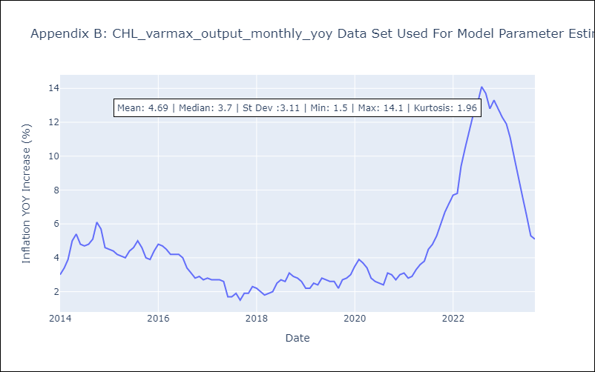

Appendix C: Residuals Analysis
Mean | 0.04
White Noise? | No - Correlation at Lags [3]
Normal? | No

