CHL
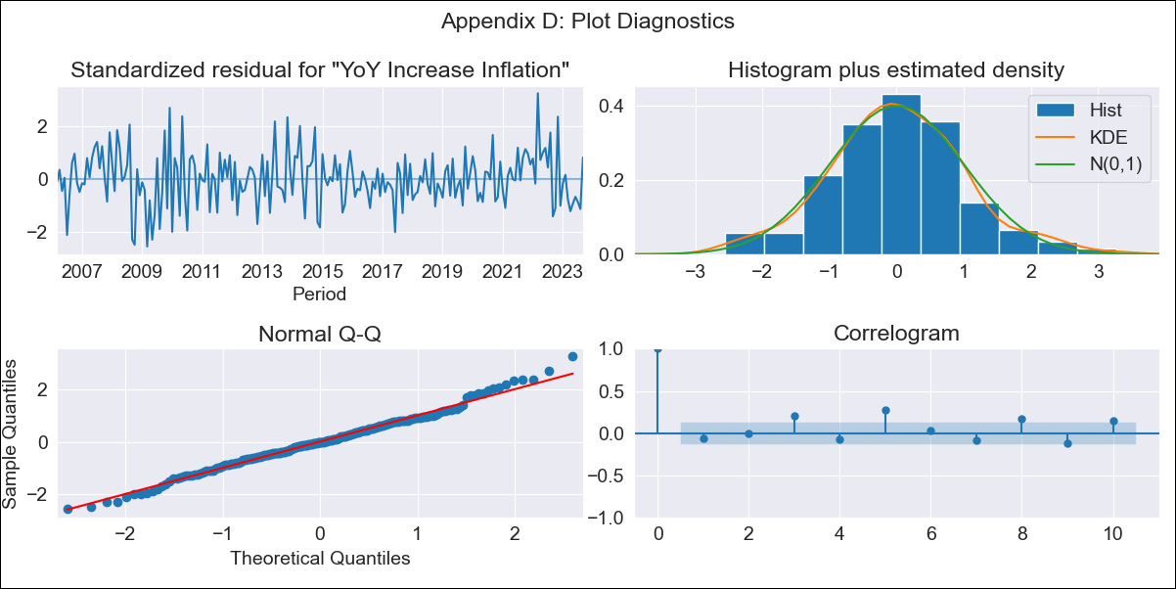
CHL - Inflation - Next 12 months forecast as of: 2023-09-01

Model | VARMAX - (2, 0, 1, 0, 0, 1, 12) | Exogenous Variables | Consumo Final Efectivo, Ahorro Bruto
Training Data | 2006-03-01 to 2022-10-01
Test Data | 2022-10-01 to 2023-09-01

Date | Inflation Change YoY % | Lower Bound - 95% Confidence Interval | Upper Bound - 95% Confidence Interval
2023-10-01 | 4.97 | 4.04 | 5.9
2023-11-01 | 4.9 | 3.27 | 6.53
2023-12-01 | 4.85 | 2.62 | 7.07
2024-01-01 | 4.78 | 2.06 | 7.51
2024-02-01 | 4.71 | 1.57 | 7.85
2024-03-01 | 4.63 | 1.13 | 8.12
2024-04-01 | 4.54 | 0.74 | 8.33
2024-05-01 | 4.45 | 0.4 | 8.5
2024-06-01 | 4.37 | 0.1 | 8.64
2024-07-01 | 4.3 | -0.16 | 8.76
2024-08-01 | 4.24 | -0.38 | 8.87
2024-09-01 | 4.2 | -0.57 | 8.96

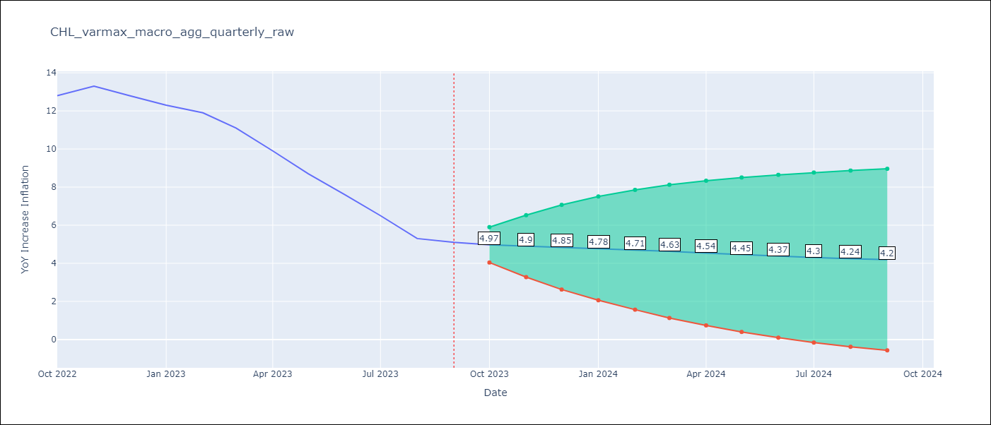

Test Metrics
RMSE | 3.69
Naive RMSE | 0.87
MAPE | 42.4%

Test Predictions
Date | Predicted | Actual
2022-10-01 | 13.54 | 12.8
2022-11-01 | 13.42 | 13.3
2022-12-01 | 13.3 | 12.8
2023-01-01 | 13.16 | 12.3
2023-02-01 | 13.01 | 11.9
2023-03-01 | 12.83 | 11.1
2023-04-01 | 12.64 | 9.9
2023-05-01 | 12.44 | 8.7
2023-06-01 | 12.23 | 7.6
2023-07-01 | 12.01 | 6.5
2023-08-01 | 11.8 | 5.3
2023-09-01 | 11.59 | 5.1

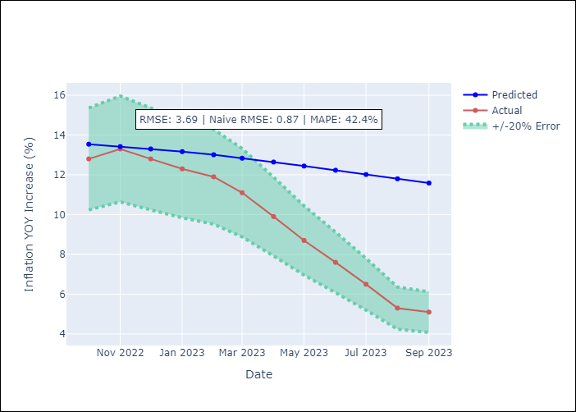

Appendix A: Model Summary
Model | VARMA(2,1)
Sample | 03-01-2006- 09-01-2023
No. of Observations | 211
Terms | P-value (Statistical significance)
intercept | 0.270
L1.YoY Increase Inflation | 0.000
L1.Consumo Final Efectivo | 0.876
L1.Ahorro Bruto | 0.694
L2.YoY Increase Inflation | 0.000
L2.Consumo Final Efectivo | 0.887
L2.Ahorro Bruto | 0.958
L1.e(YoY Increase Inflation) | 0.585
L1.e(Consumo Final Efectivo) | 0.900
L1.e(Ahorro Bruto) | 0.989
Assumptions | P-value
Ljung-Box (L1) | 0.39, 0.96, 0.25
Heteroskedasticity | 0.03, 0.00, 0.00
Jarque-Bera | 0.30, 0.00, 0.00
Skew | 0.16, -0.63, -0.39
Kurtosis | 3.42, 32.25, 5.41

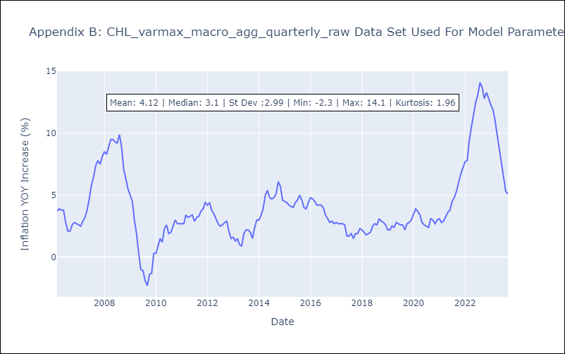

Appendix C: Residuals Analysis
Mean | 0.0
White Noise? | No - Correlation at Lags [ 3 4 5 6 7 8 9 10 11 12]
Normal? | No

