CHL
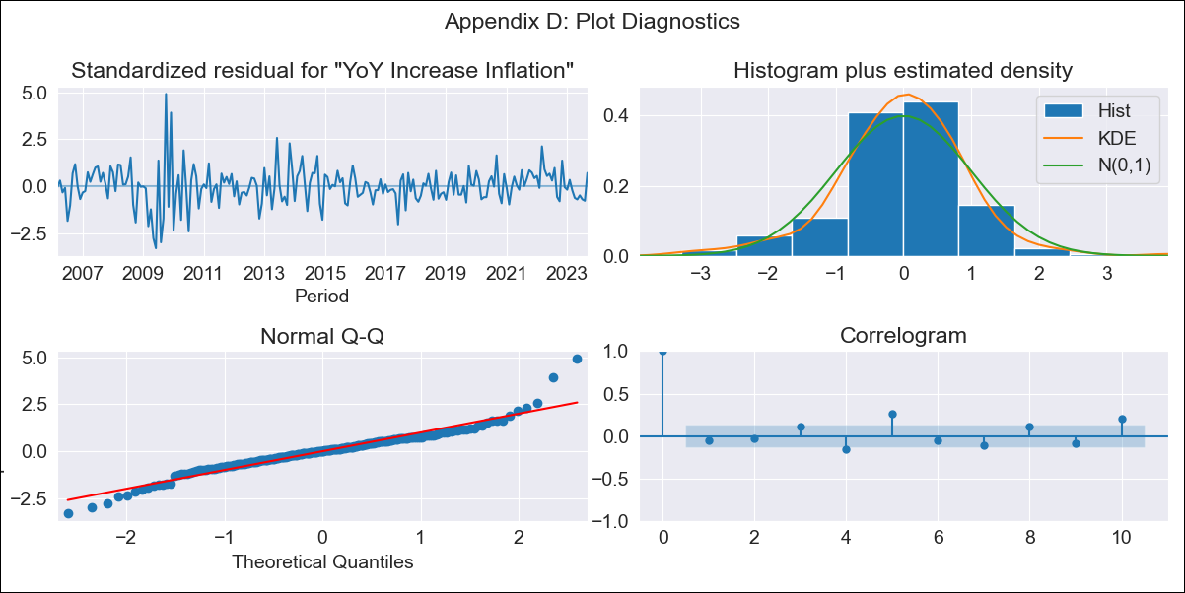
CHL - Inflation - Next 12 months forecast as of: 2023-09-01

Model | VARMAX - (3, 0, 0, 0, 0, 1, 12) | Exogenous Variables | Consumo Final Efectivo, Ahorro Bruto
Training Data | 2006-03-01 to 2022-10-01
Test Data | 2022-10-01 to 2023-09-01

Date | Inflation Change YoY % | Lower Bound - 95% Confidence Interval | Upper Bound - 95% Confidence Interval
2023-10-01 | 4.69 | 3.56 | 5.91
2023-11-01 | 4.49 | 2.76 | 6.46
2023-12-01 | 4.31 | 2.03 | 7.05
2024-01-01 | 4.19 | 1.48 | 7.61
2024-02-01 | 4.09 | 1.04 | 8.1
2024-03-01 | 4.01 | 0.7 | 8.52
2024-04-01 | 3.93 | 0.44 | 8.86
2024-05-01 | 3.87 | 0.23 | 9.14
2024-06-01 | 3.81 | 0.07 | 9.35
2024-07-01 | 3.75 | -0.06 | 9.53
2024-08-01 | 3.7 | -0.17 | 9.66
2024-09-01 | 3.66 | -0.25 | 9.76

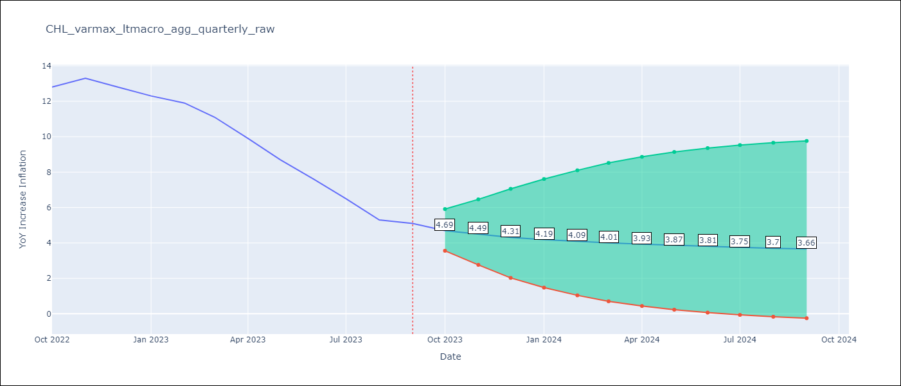

Test Metrics
RMSE | 1.49
Naive RMSE | 0.87
MAPE | 16.5%

Test Predictions
Date | Predicted | Actual
2022-10-01 | 13.58 | 12.8
2022-11-01 | 13.15 | 13.3
2022-12-01 | 12.71 | 12.8
2023-01-01 | 12.17 | 12.3
2023-02-01 | 11.61 | 11.9
2023-03-01 | 11.02 | 11.1
2023-04-01 | 10.44 | 9.9
2023-05-01 | 9.86 | 8.7
2023-06-01 | 9.31 | 7.6
2023-07-01 | 8.78 | 6.5
2023-08-01 | 8.28 | 5.3
2023-09-01 | 7.82 | 5.1

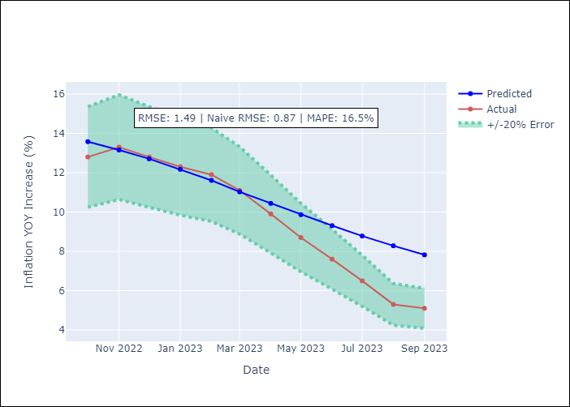

Appendix A: Model Summary
Model | VAR(3)
Sample | 03-01-2006- 09-01-2023
No. of Observations | 211
Terms | P-value (Statistical significance)
intercept | 0.990
L1.YoY Increase Inflation | 0.000
L1.Consumo Final Efectivo | 0.906
L1.Ahorro Bruto | 0.750
L2.YoY Increase Inflation | 0.776
L2.Consumo Final Efectivo | 0.950
L2.Ahorro Bruto | 0.855
L3.YoY Increase Inflation | 0.000
L3.Consumo Final Efectivo | 0.994
L3.Ahorro Bruto | 0.764
Assumptions | P-value
Ljung-Box (L1) | 0.48, 0.20, 0.62
Heteroskedasticity | 0.00, 0.00, 0.00
Jarque-Bera | 0.00, 0.00, 0.00
Skew | 0.39, -0.31, -0.45
Kurtosis | 6.82, 28.40, 5.42

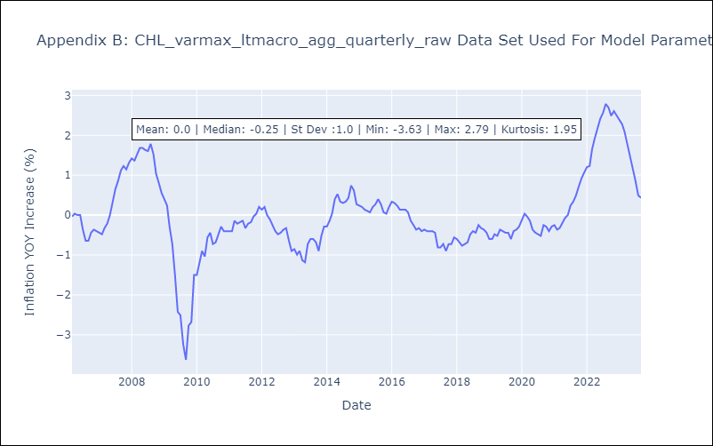

Appendix C: Residuals Analysis
Mean | -0.0
White Noise? | No - Correlation at Lags [ 5 6 7 8 9 10 11 12]
Normal? | No

