CHL
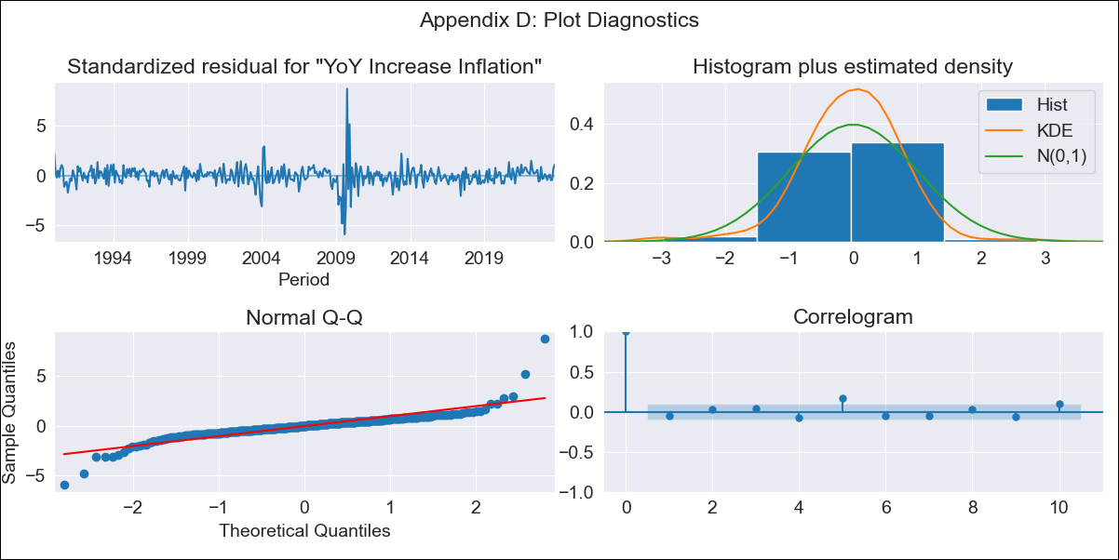
CHL - Inflation - Next 12 months forecast as of: 2023-10-01

Model | VARMAX - (3, 1, 3, 0, 0, 1, 12) | Exogenous Variables | Deposit Interest Rates (30 - 90 days) -Nominal, Deposit Interest Rates (90 - 365 days) -Nominal, Deposit Interest Rates (90-365 days) -Price Indexed , Lending Interest Rates (90-365 days) -Price Indexed , Deposit Interest Rates (30 - 90 days) -Price Indexed
Training Data | 1990-01-01 to 2022-11-01
Test Data | 2022-11-01 to 2023-10-01

Date | Inflation Change YoY % | Lower Bound - 95% Confidence Interval | Upper Bound - 95% Confidence Interval
2023-11-01 | 4.38 | 3.08 | 5.95
2023-12-01 | 3.76 | 1.96 | 6.22
2024-01-01 | 3.55 | 1.32 | 6.95
2024-02-01 | 3.42 | 0.89 | 7.7
2024-03-01 | 3.42 | 0.64 | 8.48
2024-04-01 | 3.39 | 0.41 | 9.23
2024-05-01 | 3.35 | 0.23 | 9.86
2024-06-01 | 3.34 | 0.09 | 10.48
2024-07-01 | 3.37 | -0.01 | 11.17
2024-08-01 | 3.43 | -0.08 | 11.85
2024-09-01 | 3.51 | -0.14 | 12.53
2024-10-01 | 3.59 | -0.18 | 13.19

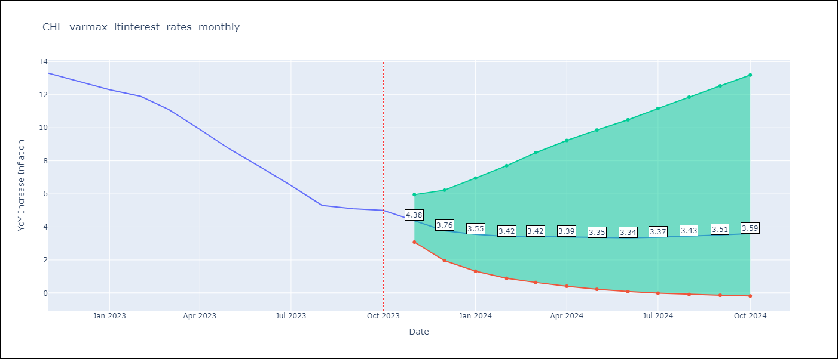

Test Metrics
RMSE | 2.33
Naive RMSE | 0.86
MAPE | 29.62%

Test Predictions
Date | Predicted | Actual
2022-11-01 | 12.09 | 13.3
2022-12-01 | 11.69 | 12.8
2023-01-01 | 11.46 | 12.3
2023-02-01 | 11.21 | 11.9
2023-03-01 | 10.86 | 11.1
2023-04-01 | 10.46 | 9.9
2023-05-01 | 10.08 | 8.7
2023-06-01 | 9.74 | 7.6
2023-07-01 | 9.47 | 6.5
2023-08-01 | 9.22 | 5.3
2023-09-01 | 9.01 | 5.1
2023-10-01 | 8.83 | 5

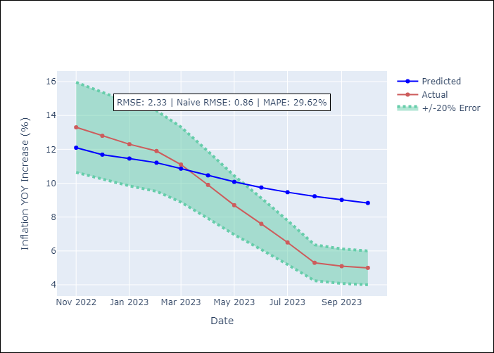

Appendix A: Model Summary
Model | VARMA(3,3)
Sample | - 10-01-2023opg
No. of Observations | 406
Terms | P-value (Statistical significance)
L1.YoY Increase Inflation | 0.339
L1.Deposit Interest Rates (30 - 90 days) -Nominal | 0.813
L1.Deposit Interest Rates (90 - 365 days) -Nominal | 0.803
L1.Deposit Interest Rates (90-365 days) -Price Indexed | 0.963
L1.Lending Interest Rates (90-365 days) -Price Indexed | 0.874
L1.Deposit Interest Rates (30 - 90 days) -Price Indexed | 0.865
L2.YoY Increase Inflation | 0.916
L2.Deposit Interest Rates (30 - 90 days) -Nominal | 0.876
L2.Deposit Interest Rates (90 - 365 days) -Nominal | 0.981
L2.Deposit Interest Rates (90-365 days) -Price Indexed | 0.942
L2.Lending Interest Rates (90-365 days) -Price Indexed | 0.954
L2.Deposit Interest Rates (30 - 90 days) -Price Indexed | 0.903
L3.YoY Increase Inflation | 0.909
L3.Deposit Interest Rates (30 - 90 days) -Nominal | 0.893
L3.Deposit Interest Rates (90 - 365 days) -Nominal | 0.960
L3.Deposit Interest Rates (90-365 days) -Price Indexed | 0.943
L3.Lending Interest Rates (90-365 days) -Price Indexed | 0.846
L3.Deposit Interest Rates (30 - 90 days) -Price Indexed | 0.575
L1.e(YoY Increase Inflation) | 0.961
L1.e(Deposit Interest Rates (30 - 90 days) -Nominal) | 0.808
L1.e(Deposit Interest Rates (90 - 365 days) -Nominal) | 0.874
L1.e(Deposit Interest Rates (90-365 days) -Price Indexed ) | 0.982
L1.e(Lending Interest Rates (90-365 days) -Price Indexed ) | 0.895
L1.e(Deposit Interest Rates (30 - 90 days) -Price Indexed) | 0.858
L2.e(YoY Increase Inflation) | 0.968
L2.e(Deposit Interest Rates (30 - 90 days) -Nominal) | 0.798
L2.e(Deposit Interest Rates (90 - 365 days) -Nominal) | 0.992
L2.e(Deposit Interest Rates (90-365 days) -Price Indexed ) | 0.962
L2.e(Lending Interest Rates (90-365 days) -Price Indexed ) | 0.912
L2.e(Deposit Interest Rates (30 - 90 days) -Price Indexed) | 0.867
L3.e(YoY Increase Inflation) | 0.965
L3.e(Deposit Interest Rates (30 - 90 days) -Nominal) | 0.995
L3.e(Deposit Interest Rates (90 - 365 days) -Nominal) | 0.985
L3.e(Deposit Interest Rates (90-365 days) -Price Indexed ) | 0.918
L3.e(Lending Interest Rates (90-365 days) -Price Indexed ) | 0.887
L3.e(Deposit Interest Rates (30 - 90 days) -Price Indexed) | 0.802
Assumptions | P-value
Ljung-Box (L1) | 0.29, 0.68, 0.63, 0.84, 0.84, 0.75
Heteroskedasticity | 0.42, 0.00, 0.00, 0.00, 0.41, 0.00
Jarque-Bera | 0.00, 0.00, 0.00, 0.00, 0.00, 0.00
Skew | 0.99, 0.73, 3.71, 0.46, 0.11, -2.25
Kurtosis | 22.45, 16.85, 51.51, 10.55, 5.80, 26.09

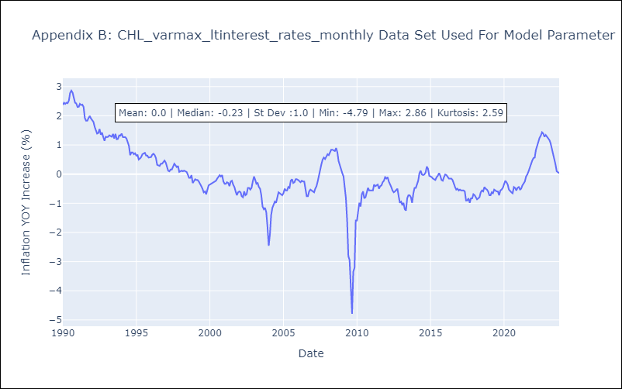

Appendix C: Residuals Analysis
Mean | 0.0
White Noise? | No - Correlation at Lags [12]
Normal? | No

