CHL
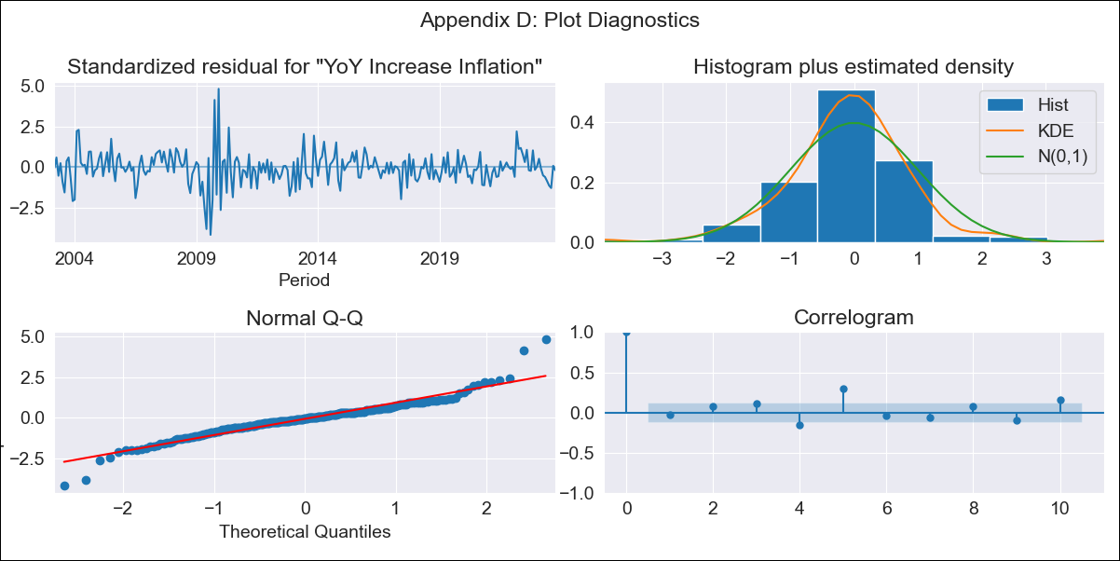
CHL - Inflation - Next 12 months forecast as of: 2023-10-01

Model | VARMAX - (2, 0, 1, 0, 0, 1, 12) | Exogenous Variables | Current Account, Exports , Imports
Training Data | 2003-03-01 to 2022-11-01
Test Data | 2022-11-01 to 2023-10-01

Date | Inflation Change YoY % | Lower Bound - 95% Confidence Interval | Upper Bound - 95% Confidence Interval
2023-11-01 | 5.21 | 4.02 | 6.5
2023-12-01 | 5.42 | 3.55 | 7.54
2024-01-01 | 5.59 | 3.21 | 8.39
2024-02-01 | 5.74 | 2.97 | 9.08
2024-03-01 | 5.88 | 2.81 | 9.67
2024-04-01 | 6.01 | 2.69 | 10.16
2024-05-01 | 6.14 | 2.61 | 10.59
2024-06-01 | 6.25 | 2.55 | 10.96
2024-07-01 | 6.35 | 2.51 | 11.28
2024-08-01 | 6.43 | 2.46 | 11.56
2024-09-01 | 6.49 | 2.41 | 11.8
2024-10-01 | 6.53 | 2.34 | 12

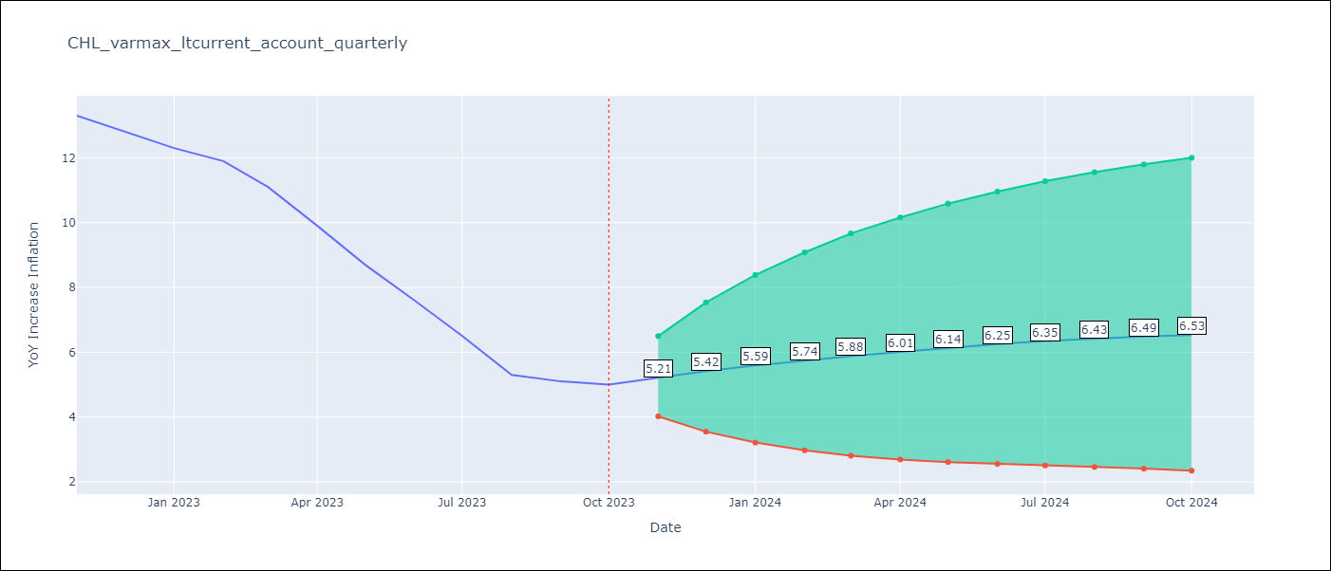

Test Metrics
RMSE | 1.63
Naive RMSE | 0.86
MAPE | 17.27%

Test Predictions
Date | Predicted | Actual
2022-11-01 | 12.1 | 13.3
2022-12-01 | 11.24 | 12.8
2023-01-01 | 10.3 | 12.3
2023-02-01 | 9.39 | 11.9
2023-03-01 | 8.59 | 11.1
2023-04-01 | 7.94 | 9.9
2023-05-01 | 7.43 | 8.7
2023-06-01 | 7.06 | 7.6
2023-07-01 | 6.79 | 6.5
2023-08-01 | 6.61 | 5.3
2023-09-01 | 6.49 | 5.1
2023-10-01 | 6.4 | 5

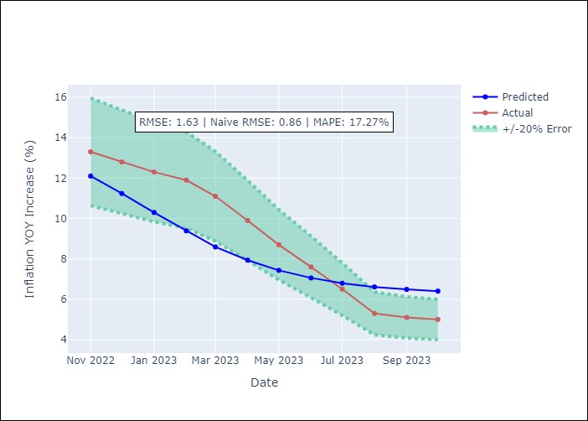

Appendix A: Model Summary
Model | VARMA(2,1)
Sample | 03-01-2003- 10-01-2023
No. of Observations | 248
Terms | P-value (Statistical significance)
intercept | 0.141
L1.YoY Increase Inflation | 0.000
L1.Current Account | 0.738
L1.Exports | 0.665
L1.Imports | 0.815
L2.YoY Increase Inflation | 0.003
L2.Current Account | 0.805
L2.Exports | 0.745
L2.Imports | 0.754
L1.e(YoY Increase Inflation) | 0.383
L1.e(Current Account) | 0.979
L1.e(Exports ) | 0.870
L1.e(Imports ) | 0.453
Assumptions | P-value
Ljung-Box (L1) | 0.60, 0.71, 0.68, 0.73
Heteroskedasticity | 0.00, 0.00, 0.33, 0.00
Jarque-Bera | 0.00, 0.00, 0.00, 0.00
Skew | 0.24, -0.51, -0.57, -0.43
Kurtosis | 7.42, 5.49, 7.89, 7.18

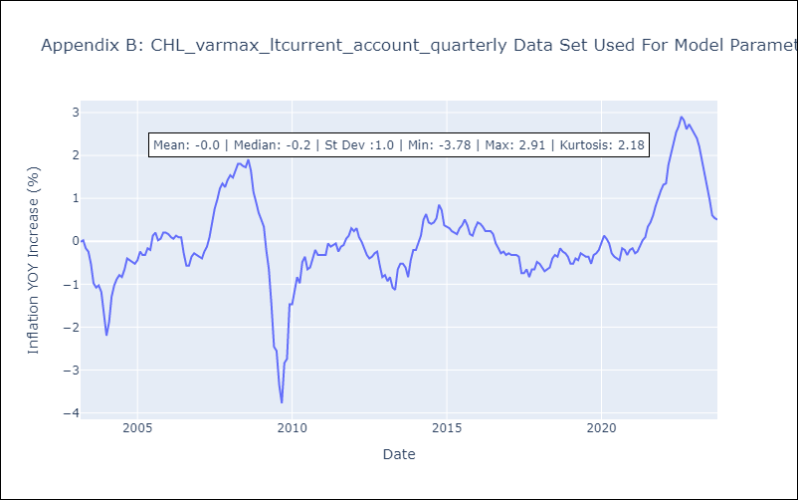

Appendix C: Residuals Analysis
Mean | -0.01
White Noise? | No - Correlation at Lags [ 4 5 6 7 8 9 10 11 12]
Normal? | No

