CHL
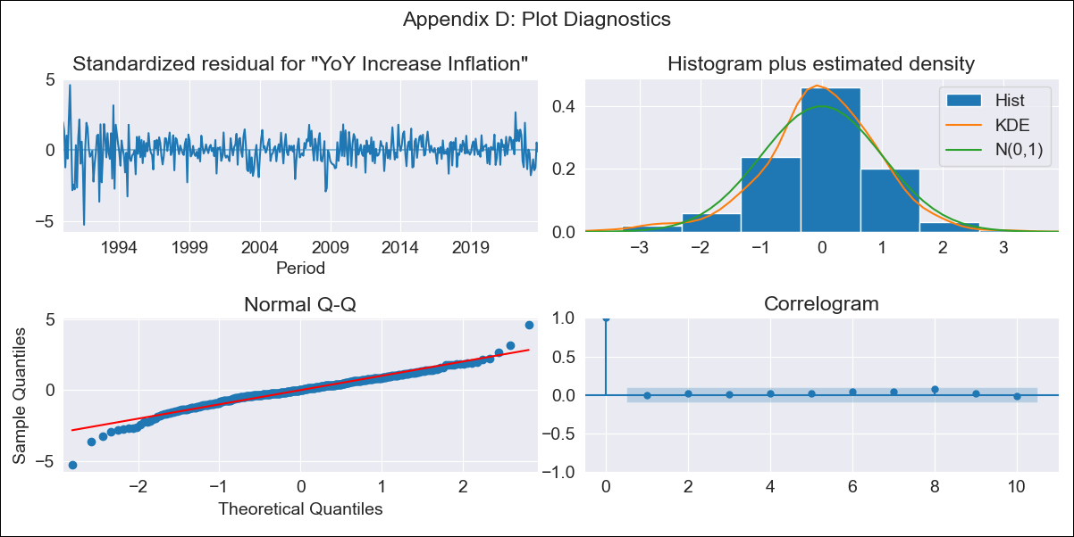
CHL - Inflation - Next 12 months forecast as of: 2023-10-01

Model | VARMAX - (3, 2, 3, 2, 0, 0, 12) | Exogenous Variables | Observed pesos/dollar , Real Exchange Rate
Training Data | 1990-01-01 to 2022-11-01
Test Data | 2022-11-01 to 2023-10-01

Date | Inflation Change YoY % | Lower Bound - 95% Confidence Interval | Upper Bound - 95% Confidence Interval
2023-11-01 | 5.13 | 4.01 | 6.25
2023-12-01 | 5.43 | 3.58 | 7.29
2024-01-01 | 5.08 | 2.59 | 7.58
2024-02-01 | 5.12 | 2.05 | 8.18
2024-03-01 | 5.08 | 1.59 | 8.56
2024-04-01 | 4.93 | 1.04 | 8.83
2024-05-01 | 4.93 | 0.65 | 9.21
2024-06-01 | 4.85 | 0.22 | 9.48
2024-07-01 | 4.8 | -0.18 | 9.77
2024-08-01 | 4.76 | -0.54 | 10.05
2024-09-01 | 4.71 | -0.9 | 10.31
2024-10-01 | 4.67 | -1.23 | 10.58

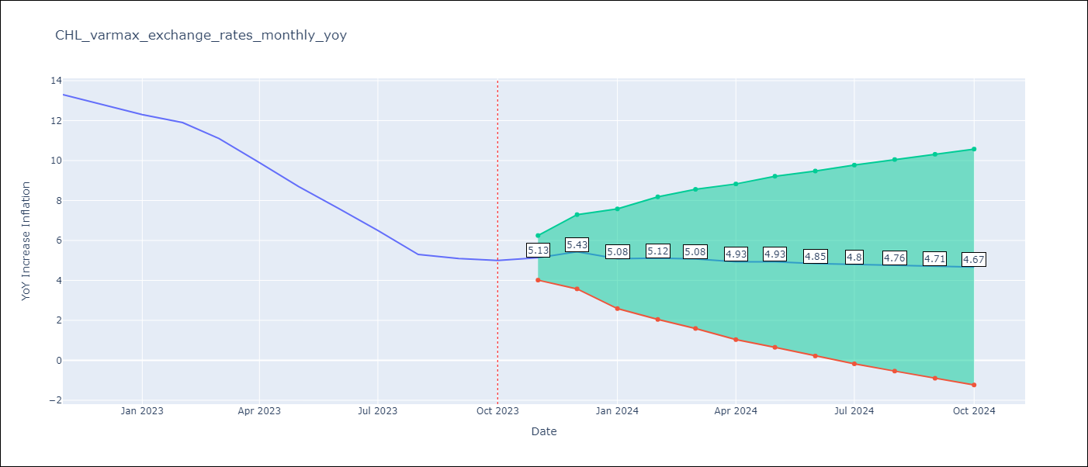

Test Metrics
RMSE | 3.87
Naive RMSE | 0.86
MAPE | 48.49%

Test Predictions
Date | Predicted | Actual
2022-11-01 | 12.31 | 13.3
2022-12-01 | 11.58 | 12.8
2023-01-01 | 11.89 | 12.3
2023-02-01 | 11.66 | 11.9
2023-03-01 | 11.42 | 11.1
2023-04-01 | 11.73 | 9.9
2023-05-01 | 11.47 | 8.7
2023-06-01 | 11.51 | 7.6
2023-07-01 | 11.66 | 6.5
2023-08-01 | 11.45 | 5.3
2023-09-01 | 11.59 | 5.1
2023-10-01 | 11.6 | 5

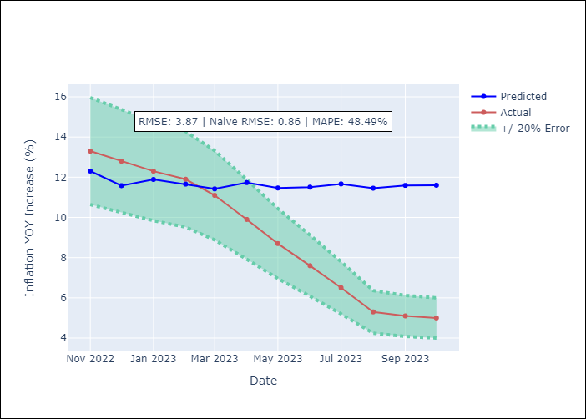

Appendix A: Model Summary
Model | VARMA(3,3)
Sample | - 10-01-2023opg
No. of Observations | 406
Terms | P-value (Statistical significance)
L1.YoY Increase Inflation | 0.128
L1.Observed pesos/dollar | 0.592
L1.Real Exchange Rate | 0.760
L2.YoY Increase Inflation | 0.849
L2.Observed pesos/dollar | 0.238
L2.Real Exchange Rate | 0.292
L3.YoY Increase Inflation | 0.959
L3.Observed pesos/dollar | 0.032
L3.Real Exchange Rate | 0.521
L1.e(YoY Increase Inflation) | 0.460
L1.e(Observed pesos/dollar ) | 0.578
L1.e(Real Exchange Rate ) | 0.743
L2.e(YoY Increase Inflation) | 0.578
L2.e(Observed pesos/dollar ) | 0.737
L2.e(Real Exchange Rate ) | 0.990
L3.e(YoY Increase Inflation) | 0.550
L3.e(Observed pesos/dollar ) | 0.488
L3.e(Real Exchange Rate ) | 0.823
Assumptions | P-value
Ljung-Box (L1) | 0.88, 0.81, 0.48
Heteroskedasticity | 0.00, 0.00, 0.00
Jarque-Bera | 0.00, 0.00, 0.00
Skew | -0.48, 0.10, 0.01
Kurtosis | 6.20, 6.67, 3.85

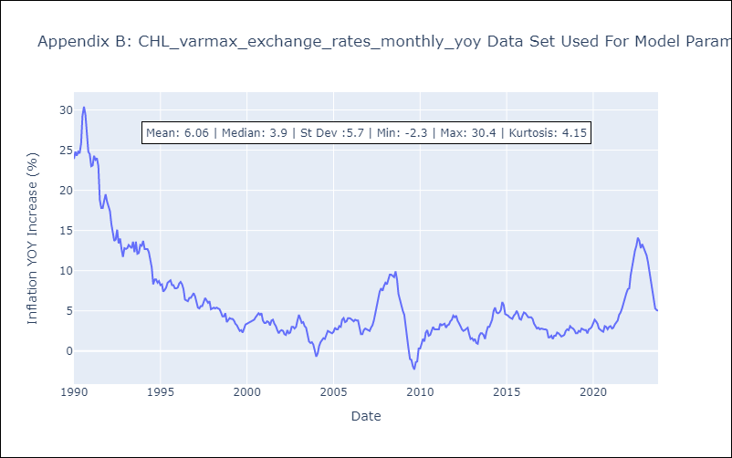

Appendix C: Residuals Analysis
Mean | 0.05
White Noise? | Yes
Normal? | No

