CHL
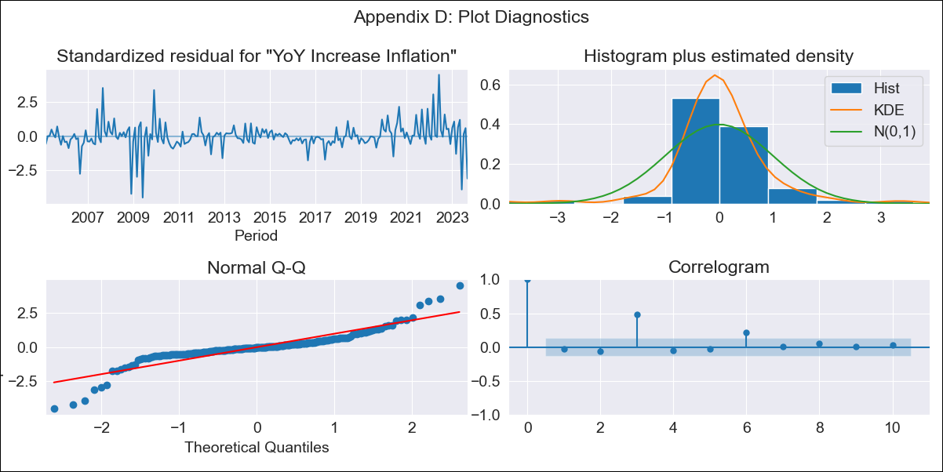
CHL - Inflation - Next 12 months forecast as of: 2023-09-01

Model | VARMAX - (2, 0, 1, 0, 0, 0, 12) | Exogenous Variables | GDP growth_Argentina, GDP growth_Brazil, GDP growth_China, GDP growth_South Korea, GDP growth_United States (annualized quarter-to-quarter change), GDP growth_Japan (annualized quarter-to-quarter change), GDP growth_Euro zone (annualized quarter-to-quarter change)
Training Data | 2005-03-01 to 2020-12-01
Test Data | 2020-12-01 to 2023-09-01

Date | Inflation Change YoY % | Lower Bound - 95% Confidence Interval | Upper Bound - 95% Confidence Interval
2023-10-01 | 4.86 | 3.52 | 6.19
2023-11-01 | 4.55 | 2.78 | 6.31
2023-12-01 | 4.21 | 2.08 | 6.33
2024-01-01 | 3.87 | 1.42 | 6.32
2024-02-01 | 3.57 | 0.81 | 6.32
2024-03-01 | 3.31 | 0.29 | 6.33
2024-04-01 | 3.11 | -0.15 | 6.36
2024-05-01 | 2.95 | -0.51 | 6.41
2024-06-01 | 2.82 | -0.82 | 6.45
2024-07-01 | 2.7 | -1.08 | 6.49
2024-08-01 | 2.61 | -1.31 | 6.54
2024-09-01 | 2.54 | -1.51 | 6.58

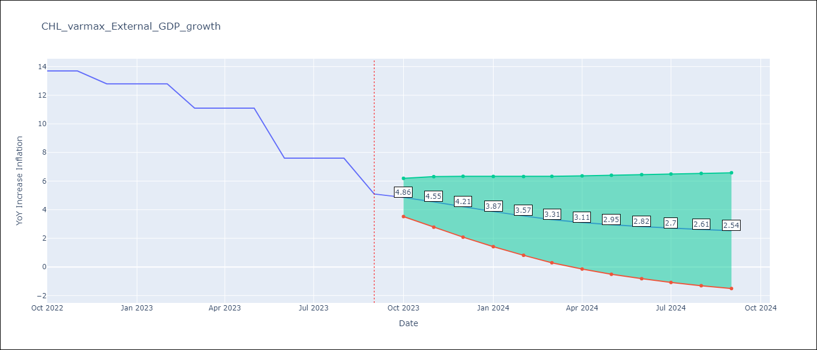

Test Metrics
RMSE | 5.95
Naive RMSE | 2.02
MAPE | 47.88%

Test Predictions
Date | Predicted | Actual
2020-12-01 | 2.62 | 3
2021-03-01 | 2.26 | 2.9
2021-06-01 | 3.86 | 3.8
2021-09-01 | 3.67 | 5.3
2021-12-01 | 3.36 | 7.2
2022-03-01 | 3.7 | 9.4
2022-06-01 | 3.48 | 12.5
2022-09-01 | 3.13 | 13.7
2022-12-01 | 3.07 | 12.8
2023-03-01 | 3.17 | 11.1
2023-06-01 | 3.04 | 7.6
2023-09-01 | 3.23 | 5.1

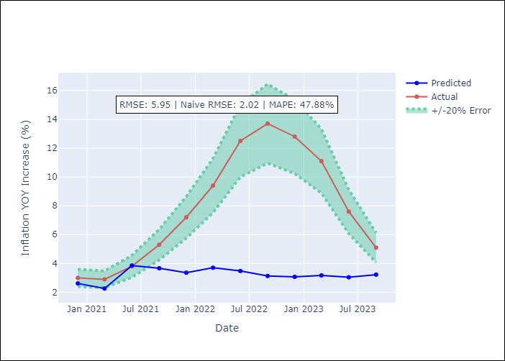

Appendix A: Model Summary
Model | VARMA(2,1)
Sample | 03-01-2005- 09-01-2023
No. of Observations | 223
Terms | P-value (Statistical significance)
intercept | 0.994
L1.YoY Increase Inflation | 0.937
L1.GDP growth_Argentina | 0.998
L1.GDP growth_Brazil | 0.999
L1.GDP growth_China | 0.994
L1.GDP growth_South Korea | 0.996
L1.GDP growth_United States (annualized quarter-to-quarter change) | 0.989
L1.GDP growth_Japan (annualized quarter-to-quarter change) | 0.999
L1.GDP growth_Euro zone (annualized quarter-to-quarter change) | 0.987
L2.YoY Increase Inflation | 0.996
L2.GDP growth_Argentina | 0.999
L2.GDP growth_Brazil | 1.000
L2.GDP growth_China | 0.993
L2.GDP growth_South Korea | 0.997
L2.GDP growth_United States (annualized quarter-to-quarter change) | 0.978
L2.GDP growth_Japan (annualized quarter-to-quarter change) | 0.999
L2.GDP growth_Euro zone (annualized quarter-to-quarter change) | 0.986
L1.e(YoY Increase Inflation) | 0.989
L1.e(GDP growth_Argentina) | 0.995
L1.e(GDP growth_Brazil) | 0.997
L1.e(GDP growth_China) | 0.993
L1.e(GDP growth_South Korea) | 0.994
L1.e(GDP growth_United States (annualized quarter-to-quarter change)) | 0.975
L1.e(GDP growth_Japan (annualized quarter-to-quarter change)) | 0.999
L1.e(GDP growth_Euro zone (annualized quarter-to-quarter change)) | 0.980
Assumptions | P-value
Ljung-Box (L1) | 0.72, 0.60, 0.84, 0.52, 0.95, 0.23, 0.58, 0.59
Heteroskedasticity | 0.70, 0.06, 0.11, 0.00, 0.05, 0.00, 0.62, 0.00
Jarque-Bera | 0.00, 0.00, 0.00, 0.00, 0.00, 0.00, 0.00, 0.00
Skew | -0.27, 0.49, -0.78, -0.80, -0.39, 2.90, 0.20, 0.02
Kurtosis | 10.09, 6.96, 8.11, 27.21, 8.44, 35.51, 8.85, 5.82

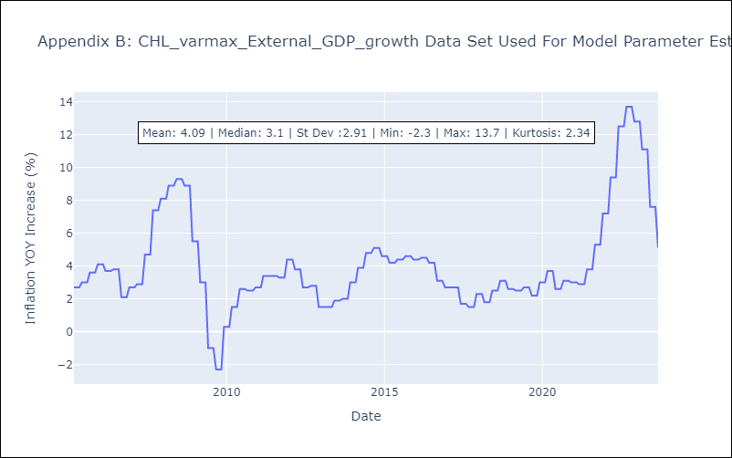

Appendix C: Residuals Analysis
Mean | -0.01
White Noise? | No - Correlation at Lags [ 3 4 5 6 7 8 9 10 11 12]
Normal? | No

