CHL
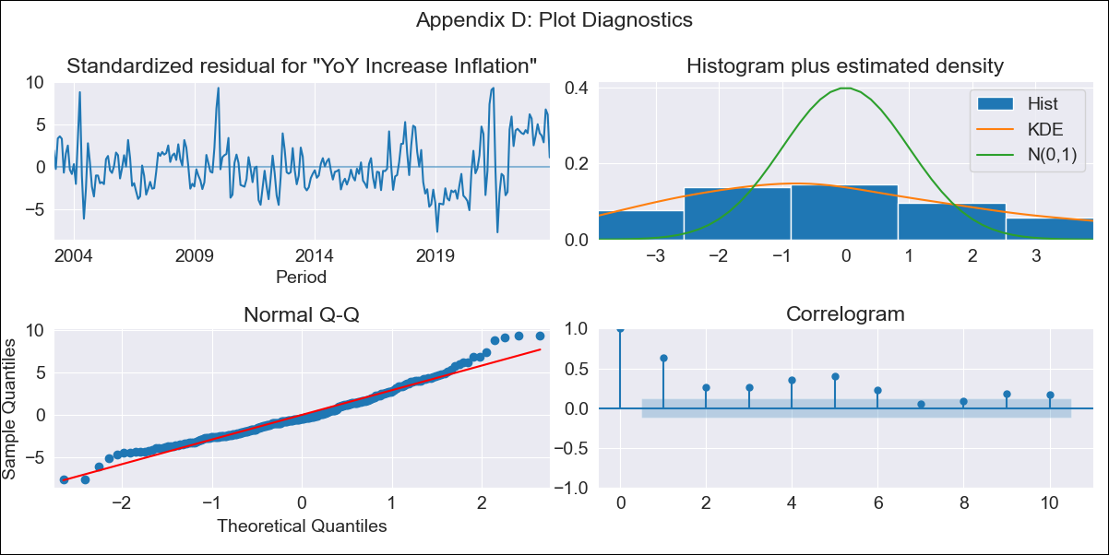
CHL - Inflation - Next 12 months forecast as of: 2023-10-01

Model | VARMAX - (3, 0, 2, 0, 0, 1, 12) | Exogenous Variables | 1.Current personal economic situation, 2.Current economic situation in the country, 3.Twelve-month economic outlook for the country, 4.Five-year economic outlook for the country, 5.Household appliance consumption expectations, 6.Economic perception index, 1.Current personal economic situation_yoy, 2.Current economic situation in the country_yoy, 3.Twelve-month economic outlook for the country_yoy, 4.Five-year economic outlook for the country_yoy, 5.Household appliance consumption expectations_yoy, 6.Economic perception index_yoy
Training Data | 2003-03-01 to 2022-11-01
Test Data | 2022-11-01 to 2023-10-01

Date | Inflation Change YoY % | Lower Bound - 95% Confidence Interval | Upper Bound - 95% Confidence Interval
2023-11-01 | 2.1 | 0.47 | 3.73
2023-12-01 | 1.37 | -1.8 | 4.54
2024-01-01 | -0.11 | -3.67 | 3.45
2024-02-01 | -0.11 | -3.67 | 3.45
2024-03-01 | -0.11 | -3.67 | 3.45
2024-04-01 | -0.11 | -3.67 | 3.45
2024-05-01 | -0.11 | -3.67 | 3.45
2024-06-01 | -0.11 | -3.67 | 3.45
2024-07-01 | -0.11 | -3.67 | 3.45
2024-08-01 | -0.11 | -3.67 | 3.45
2024-09-01 | -0.11 | -3.67 | 3.45
2024-10-01 | -0.11 | -3.67 | 3.45

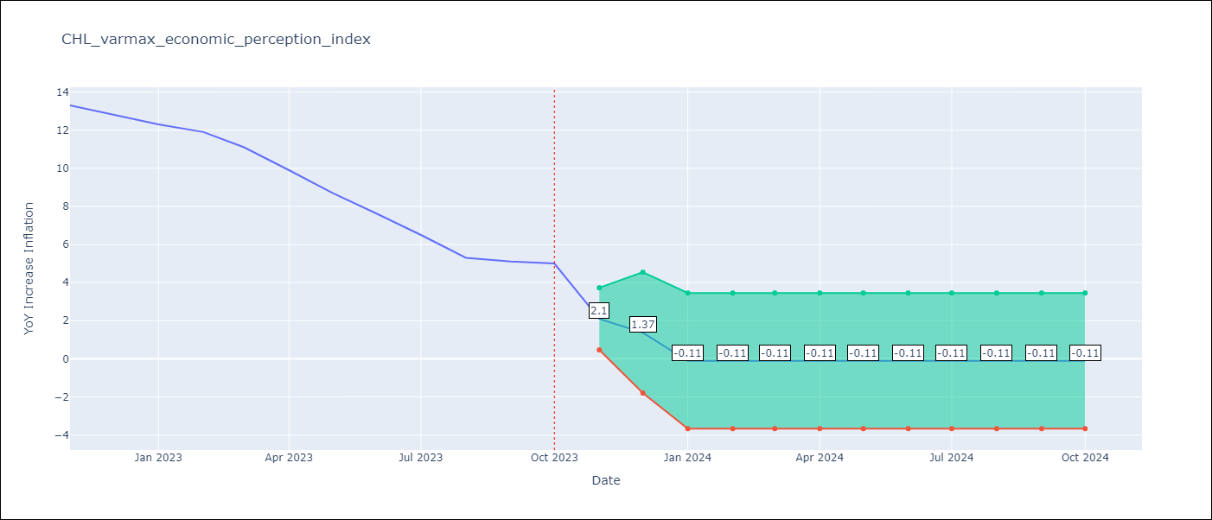

Test Metrics
RMSE | 8.65
Naive RMSE | 0.86
MAPE | 94.15%

Test Predictions
Date | Predicted | Actual
2022-11-01 | 9.38 | 13.3
2022-12-01 | 4.41 | 12.8
2023-01-01 | -0.26 | 12.3
2023-02-01 | -0.26 | 11.9
2023-03-01 | -0.26 | 11.1
2023-04-01 | -0.26 | 9.9
2023-05-01 | -0.26 | 8.7
2023-06-01 | -0.26 | 7.6
2023-07-01 | -0.26 | 6.5
2023-08-01 | -0.26 | 5.3
2023-09-01 | -0.26 | 5.1
2023-10-01 | -0.26 | 5

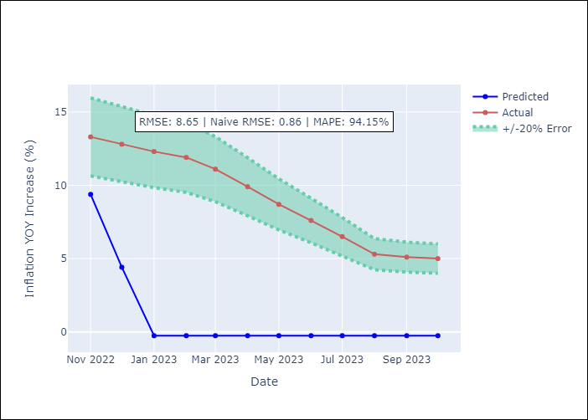

Appendix A: Model Summary
Model | VARMA(3,2)
Sample | 03-01-2003- 10-01-2023
No. of Observations | 248
Terms | P-value (Statistical significance)
intercept | 0.000
L1.YoY Increase Inflation | 1.000
L1.1.Current personal economic situation | 1.000
L1.2.Current economic situation in the country | 1.000
L1.3.Twelve-month economic outlook for the country | 1.000
L1.4.Five-year economic outlook for the country | 1.000
L1.5.Household appliance consumption expectations | 1.000
L1.6.Economic perception index | 1.000
L1.1.Current personal economic situation_yoy | 1.000
L1.2.Current economic situation in the country_yoy | 1.000
L1.3.Twelve-month economic outlook for the country_yoy | 1.000
L1.4.Five-year economic outlook for the country_yoy | 1.000
L1.5.Household appliance consumption expectations_yoy | 1.000
L1.6.Economic perception index_yoy | 1.000
L2.YoY Increase Inflation | 1.000
L2.1.Current personal economic situation | 1.000
L2.2.Current economic situation in the country | 1.000
L2.3.Twelve-month economic outlook for the country | 1.000
L2.4.Five-year economic outlook for the country | 1.000
L2.5.Household appliance consumption expectations | 1.000
L2.6.Economic perception index | 1.000
L2.1.Current personal economic situation_yoy | 1.000
L2.2.Current economic situation in the country_yoy | 1.000
L2.3.Twelve-month economic outlook for the country_yoy | 1.000
L2.4.Five-year economic outlook for the country_yoy | 1.000
L2.5.Household appliance consumption expectations_yoy | 1.000
L2.6.Economic perception index_yoy | 1.000
L3.YoY Increase Inflation | 1.000
L3.1.Current personal economic situation | 1.000
L3.2.Current economic situation in the country | 1.000
L3.3.Twelve-month economic outlook for the country | 1.000
L3.4.Five-year economic outlook for the country | 1.000
L3.5.Household appliance consumption expectations | 1.000
L3.6.Economic perception index | 1.000
L3.1.Current personal economic situation_yoy | 1.000
L3.2.Current economic situation in the country_yoy | 1.000
L3.3.Twelve-month economic outlook for the country_yoy | 1.000
L3.4.Five-year economic outlook for the country_yoy | 1.000
L3.5.Household appliance consumption expectations_yoy | 1.000
L3.6.Economic perception index_yoy | 1.000
L1.e(YoY Increase Inflation) | 0.000
L1.e(1.Current personal economic situation) | 0.000
L1.e(2.Current economic situation in the country) | 0.064
L1.e(3.Twelve-month economic outlook for the country) | 0.770
L1.e(4.Five-year economic outlook for the country) | 0.023
L1.e(5.Household appliance consumption expectations) | 0.072
L1.e(6.Economic perception index) | 0.000
L1.e(1.Current personal economic situation_yoy) | 0.000
L1.e(2.Current economic situation in the country_yoy) | 0.000
L1.e(3.Twelve-month economic outlook for the country_yoy) | 0.000
L1.e(4.Five-year economic outlook for the country_yoy) | 0.000
L1.e(5.Household appliance consumption expectations_yoy) | 0.000
L1.e(6.Economic perception index_yoy) | 0.616
L2.e(YoY Increase Inflation) | 0.000
L2.e(1.Current personal economic situation) | 0.014
L2.e(2.Current economic situation in the country) | 0.091
L2.e(3.Twelve-month economic outlook for the country) | 0.055
L2.e(4.Five-year economic outlook for the country) | 0.000
L2.e(5.Household appliance consumption expectations) | 0.148
L2.e(6.Economic perception index) | 0.000
L2.e(1.Current personal economic situation_yoy) | 0.201
L2.e(2.Current economic situation in the country_yoy) | 0.123
L2.e(3.Twelve-month economic outlook for the country_yoy) | 0.000
L2.e(4.Five-year economic outlook for the country_yoy) | 0.076
L2.e(5.Household appliance consumption expectations_yoy) | 0.194
L2.e(6.Economic perception index_yoy) | 0.127
Assumptions | P-value
Ljung-Box (L1) | 0.00, 0.00, 0.00, 0.00, 0.00, 0.00, 0.00, 0.00, 0.00, 0.00, 0.00, 0.00, 0.00
Heteroskedasticity | 0.00, 0.49, 0.00, 0.68, 0.00, 0.00, 0.01, 0.59, 0.33, 0.04, 0.07, 0.38, 0.02
Jarque-Bera | 0.00, 0.48, 0.01, 0.01, 0.08, 0.00, 0.00, 0.00, 0.00, 0.00, 0.00, 0.00, 0.01
Skew | 0.63, -0.00, -0.08, 0.47, -0.35, -0.78, 0.35, 1.55, 1.32, -1.42, 0.64, 0.99, 0.18
Kurtosis | 3.71, 3.38, 2.07, 2.71, 2.88, 2.91, 4.02, 8.24, 5.25, 11.95, 4.33, 4.25, 3.89

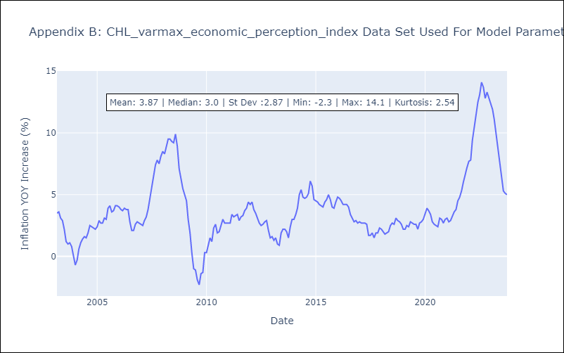

Appendix C: Residuals Analysis
Mean | 0.01
White Noise? | No - Correlation at Lags [ 1 2 3 4 5 6 7 8 9 10 11 12]
Normal? | No

