CHL
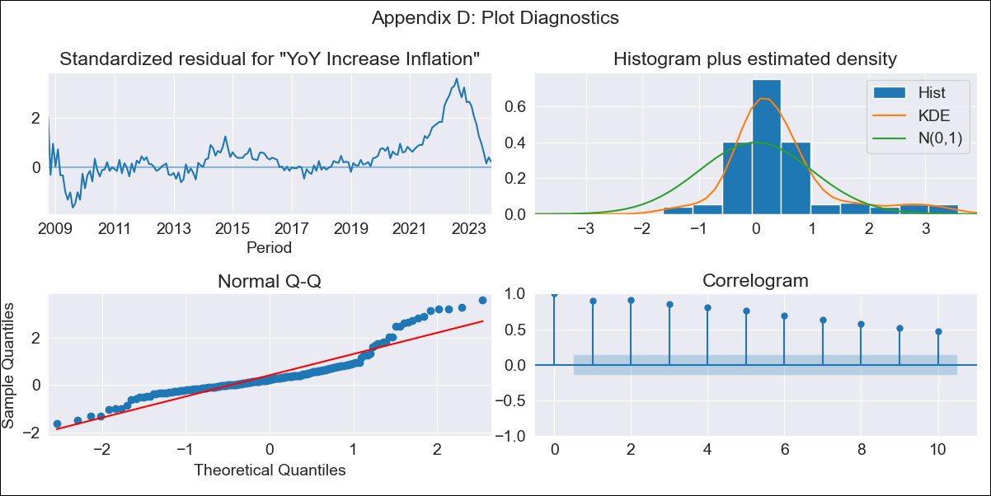
CHL - Inflation - Next 12 months forecast as of: 2023-10-01

Model | VARMAX - (0, 2, 1, 0, 0, 1, 12) | Exogenous Variables | MPR_Brazil, MPR_China, MPR_South Korea, MPR_United States, MPR_Japan
Training Data | 2008-10-01 to 2022-11-01
Test Data | 2022-11-01 to 2023-10-01

Date | Inflation Change YoY % | Lower Bound - 95% Confidence Interval | Upper Bound - 95% Confidence Interval
2023-11-01 | 4.41 | 0.77 | 8.06
2023-12-01 | 0 | -6.83 | 6.83
2024-01-01 | 0 | -6.83 | 6.83
2024-02-01 | 0 | -6.83 | 6.83
2024-03-01 | 0 | -6.83 | 6.83
2024-04-01 | 0 | -6.83 | 6.83
2024-05-01 | 0 | -6.83 | 6.83
2024-06-01 | 0 | -6.83 | 6.83
2024-07-01 | 0 | -6.83 | 6.83
2024-08-01 | 0 | -6.83 | 6.83
2024-09-01 | 0 | -6.83 | 6.83
2024-10-01 | 0 | -6.83 | 6.83

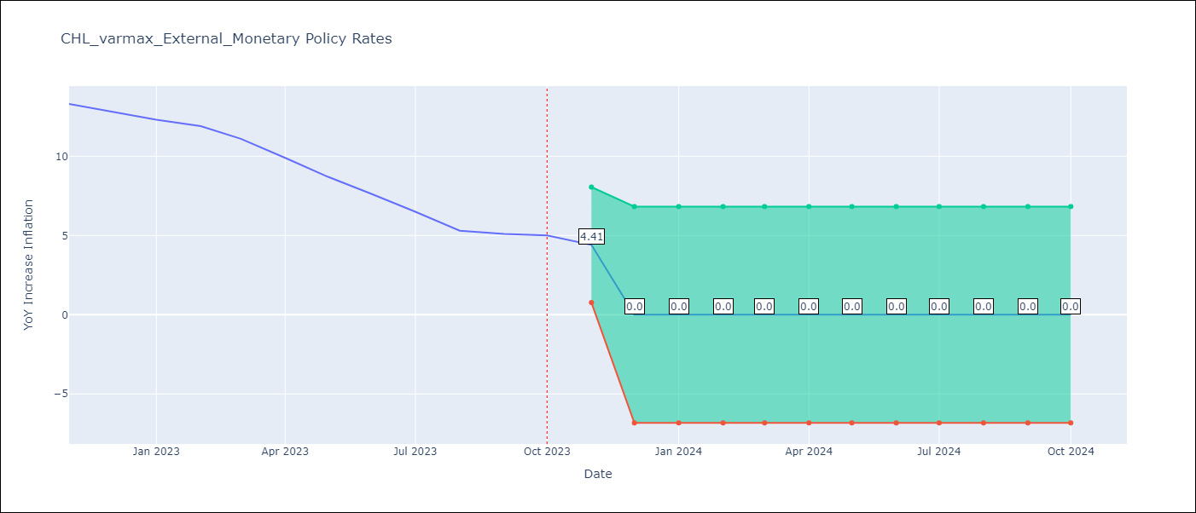

Test Metrics
RMSE | 8.98
Naive RMSE | 0.86
MAPE | 95.41%

Test Predictions
Date | Predicted | Actual
2022-11-01 | 7.32 | 13.3
2022-12-01 | 0 | 12.8
2023-01-01 | 0 | 12.3
2023-02-01 | 0 | 11.9
2023-03-01 | 0 | 11.1
2023-04-01 | 0 | 9.9
2023-05-01 | 0 | 8.7
2023-06-01 | 0 | 7.6
2023-07-01 | 0 | 6.5
2023-08-01 | 0 | 5.3
2023-09-01 | 0 | 5.1
2023-10-01 | 0 | 5

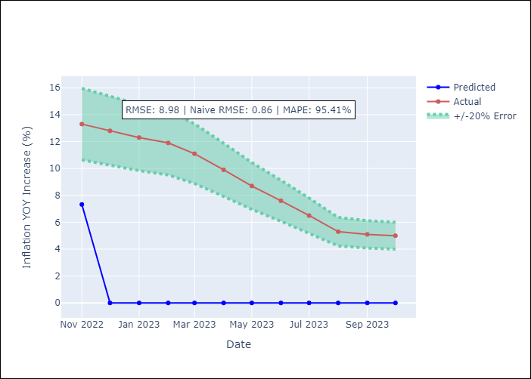

Appendix A: Model Summary
Model | VMA(1)
Sample | - 10-01-2023opg
No. of Observations | 181
Terms | P-value (Statistical significance)
L1.e(YoY Increase Inflation) | 0.070
L1.e(MPR_Brazil) | 0.421
L1.e(MPR_China) | 0.979
L1.e(MPR_South Korea) | 0.671
L1.e(MPR_United States) | 0.878
L1.e(MPR_Japan) | 0.948
Assumptions | P-value
Ljung-Box (L1) | 0.00, 0.00, 0.00, 0.00, 0.00, 0.00
Heteroskedasticity | 0.00, 0.00, 0.25, 0.00, 0.00, 0.00
Jarque-Bera | 0.00, 0.06, 0.01, 0.00, 0.00, 0.00
Skew | 1.35, -0.38, -0.35, 0.76, 0.64, 0.38
Kurtosis | 5.51, 2.58, 2.06, 3.04, 2.51, 4.49

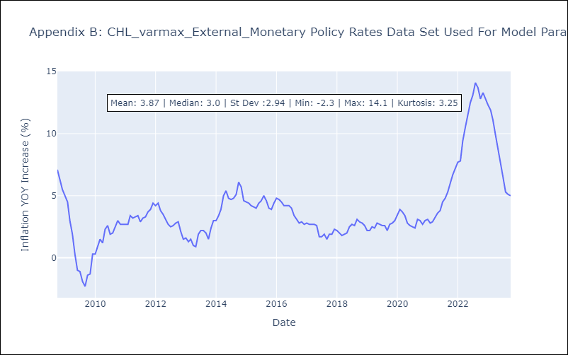

Appendix C: Residuals Analysis
Mean | 0.79
White Noise? | No - Correlation at Lags [ 1 2 3 4 5 6 7 8 9 10 11 12]
Normal? | No

