CHL
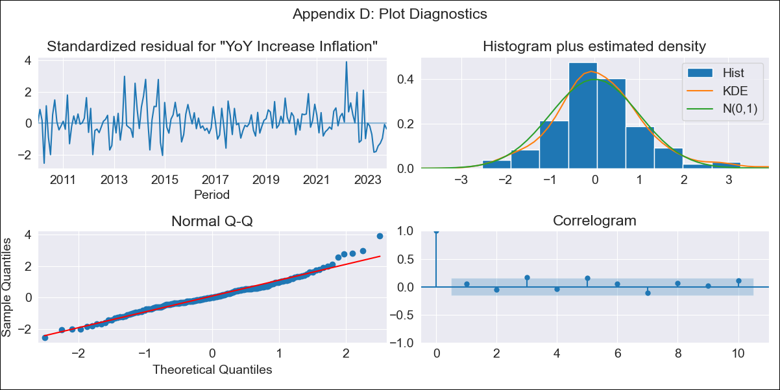
CHL - Inflation - Next 12 months forecast as of: 2023-10-01

Model | VARMAX - (2, 1, 2, 0, 0, 1, 12) | Exogenous Variables | Price of gasoline in the U.S.A. (dollars/m3), Price of troy ounce of gold (dollars/oz), Price of troy ounce of silver (dollars/oz), BML price of refined copper (dollars/pound), Brent oil price (US $ / barrel), WTI price of crude oil (dollars/barrel)
Training Data | 2010-01-01 to 2022-11-01
Test Data | 2022-11-01 to 2023-10-01

Date | Inflation Change YoY % | Lower Bound - 95% Confidence Interval | Upper Bound - 95% Confidence Interval
2023-11-01 | 4.78 | 4.05 | 5.51
2023-12-01 | 4.68 | 3.45 | 5.91
2024-01-01 | 4.53 | 2.85 | 6.21
2024-02-01 | 4.38 | 2.3 | 6.46
2024-03-01 | 4.28 | 1.83 | 6.72
2024-04-01 | 4.19 | 1.43 | 6.95
2024-05-01 | 4.13 | 1.08 | 7.18
2024-06-01 | 4.08 | 0.76 | 7.39
2024-07-01 | 4.04 | 0.47 | 7.61
2024-08-01 | 4.02 | 0.21 | 7.82
2024-09-01 | 4 | -0.04 | 8.04
2024-10-01 | 3.99 | -0.27 | 8.26

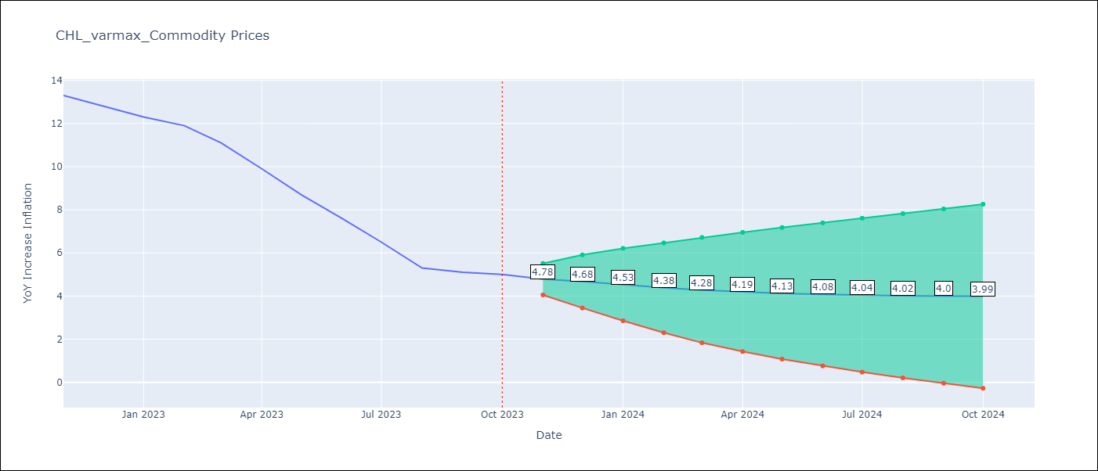

Test Metrics
RMSE | 2.65
Naive RMSE | 0.86
MAPE | 33.01%

Test Predictions
Date | Predicted | Actual
2022-11-01 | 13.05 | 13.3
2022-12-01 | 12.62 | 12.8
2023-01-01 | 12.46 | 12.3
2023-02-01 | 12.03 | 11.9
2023-03-01 | 11.73 | 11.1
2023-04-01 | 11.31 | 9.9
2023-05-01 | 10.96 | 8.7
2023-06-01 | 10.55 | 7.6
2023-07-01 | 10.18 | 6.5
2023-08-01 | 9.78 | 5.3
2023-09-01 | 9.4 | 5.1
2023-10-01 | 9.02 | 5

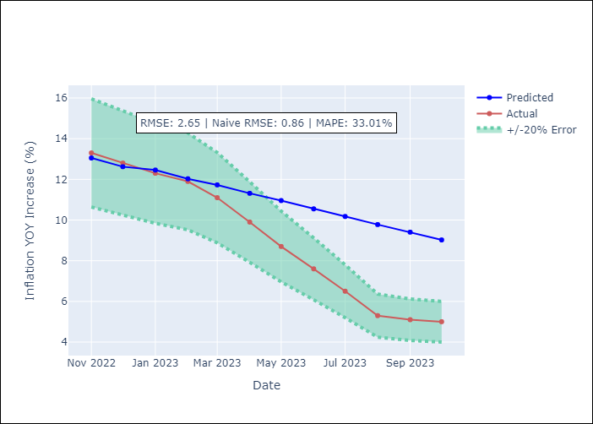

Appendix A: Model Summary
Model | VARMA(2,2)
Sample | - 10-01-2023opg
No. of Observations | 166
Terms | P-value (Statistical significance)
L1.YoY Increase Inflation | 0.018
L1.Price of gasoline in the U.S.A. (dollars/m3) | 0.906
L1.Price of troy ounce of gold (dollars/oz) | 0.980
L1.Price of troy ounce of silver (dollars/oz) | 0.990
L1.BML price of refined copper (dollars/pound) | 0.943
L1.Brent oil price (US $ / barrel) | 0.985
L1.WTI price of crude oil (dollars/barrel) | 0.977
L2.YoY Increase Inflation | 0.545
L2.Price of gasoline in the U.S.A. (dollars/m3) | 0.982
L2.Price of troy ounce of gold (dollars/oz) | 0.996
L2.Price of troy ounce of silver (dollars/oz) | 0.956
L2.BML price of refined copper (dollars/pound) | 0.949
L2.Brent oil price (US $ / barrel) | 0.968
L2.WTI price of crude oil (dollars/barrel) | 0.970
L1.e(YoY Increase Inflation) | 0.925
L1.e(Price of gasoline in the U.S.A. (dollars/m3)) | 0.956
L1.e(Price of troy ounce of gold (dollars/oz)) | 0.959
L1.e(Price of troy ounce of silver (dollars/oz)) | 0.983
L1.e(BML price of refined copper (dollars/pound)) | 0.993
L1.e(Brent oil price (US $ / barrel)) | 0.939
L1.e(WTI price of crude oil (dollars/barrel)) | 0.940
L2.e(YoY Increase Inflation) | 0.946
L2.e(Price of gasoline in the U.S.A. (dollars/m3)) | 0.820
L2.e(Price of troy ounce of gold (dollars/oz)) | 0.951
L2.e(Price of troy ounce of silver (dollars/oz)) | 0.918
L2.e(BML price of refined copper (dollars/pound)) | 0.776
L2.e(Brent oil price (US $ / barrel)) | 0.891
L2.e(WTI price of crude oil (dollars/barrel)) | 0.974
Assumptions | P-value
Ljung-Box (L1) | 0.46, 0.29, 0.76, 0.96, 0.26, 0.49, 0.89
Heteroskedasticity | 0.52, 0.00, 0.13, 0.11, 0.02, 0.04, 0.01
Jarque-Bera | 0.00, 0.00, 0.91, 0.00, 0.00, 0.20, 0.00
Skew | 0.49, 1.54, 0.07, 0.54, 0.67, 0.21, 0.68
Kurtosis | 4.28, 9.86, 3.08, 4.52, 5.21, 3.54, 9.53

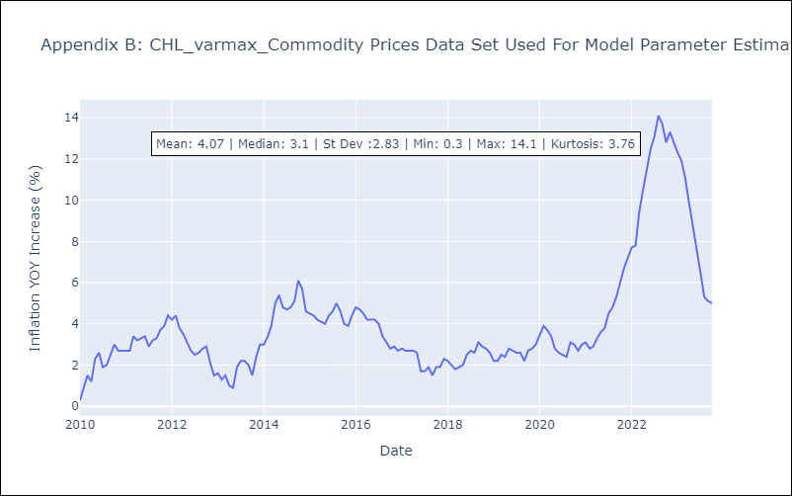

Appendix C: Residuals Analysis
Mean | 0.04
White Noise? | No - Correlation at Lags [12]
Normal? | No

