CHL
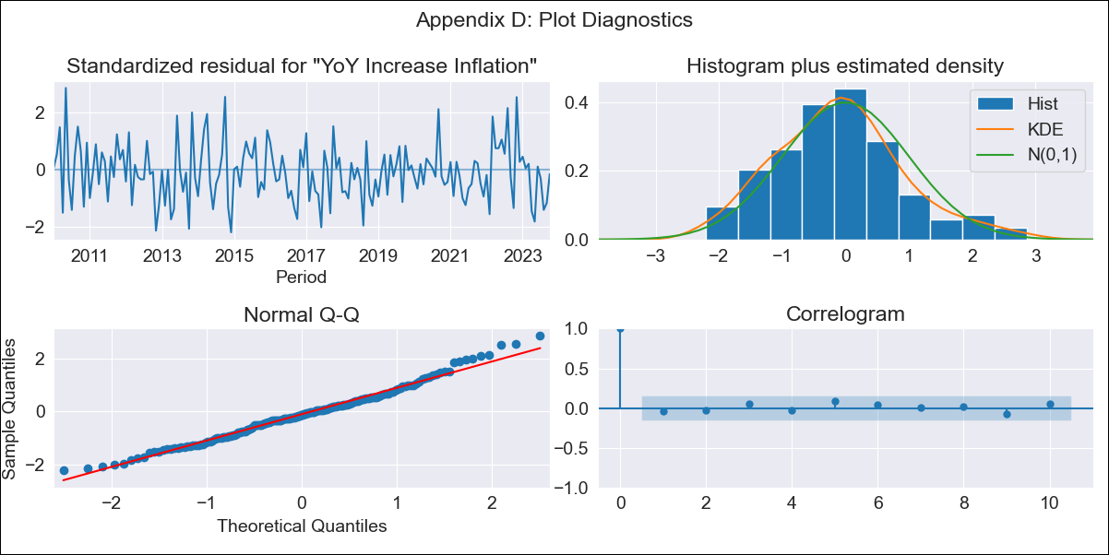
CHL - Inflation - Next 12 months forecast as of: 2023-10-01

Model | VARMAX - (2, 1, 2, 0, 0, 1, 12) | Exogenous Variables | CPI_Brazil, CPI_China, CPI_South Korea, CPI_United States, CPI_Japan
Training Data | 2010-01-01 to 2022-11-01
Test Data | 2022-11-01 to 2023-10-01

Date | Inflation Change YoY % | Lower Bound - 95% Confidence Interval | Upper Bound - 95% Confidence Interval
2023-11-01 | 4.99 | 4.33 | 5.64
2023-12-01 | 4.54 | 3.5 | 5.59
2024-01-01 | 4.31 | 2.91 | 5.7
2024-02-01 | 4.15 | 2.42 | 5.87
2024-03-01 | 3.97 | 1.95 | 5.99
2024-04-01 | 3.75 | 1.46 | 6.03
2024-05-01 | 3.48 | 0.95 | 6.01
2024-06-01 | 3.18 | 0.42 | 5.95
2024-07-01 | 2.87 | -0.12 | 5.86
2024-08-01 | 2.56 | -0.65 | 5.77
2024-09-01 | 2.25 | -1.17 | 5.68
2024-10-01 | 1.96 | -1.68 | 5.6

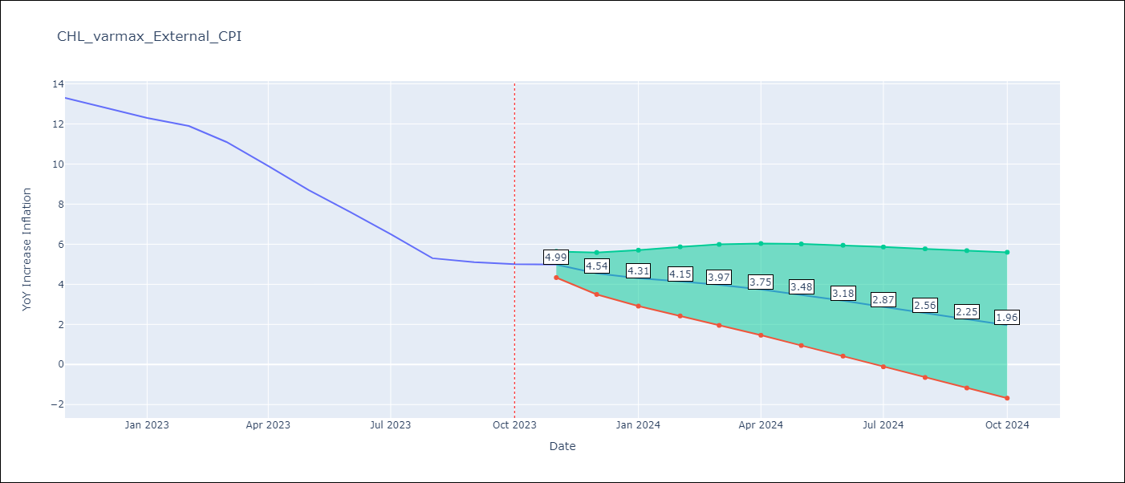

Test Metrics
RMSE | 4.52
Naive RMSE | 0.86
MAPE | 56.88%

Test Predictions
Date | Predicted | Actual
2022-11-01 | 12.62 | 13.3
2022-12-01 | 12.43 | 12.8
2023-01-01 | 12.49 | 12.3
2023-02-01 | 12.5 | 11.9
2023-03-01 | 12.53 | 11.1
2023-04-01 | 12.56 | 9.9
2023-05-01 | 12.56 | 8.7
2023-06-01 | 12.55 | 7.6
2023-07-01 | 12.53 | 6.5
2023-08-01 | 12.48 | 5.3
2023-09-01 | 12.42 | 5.1
2023-10-01 | 12.34 | 5

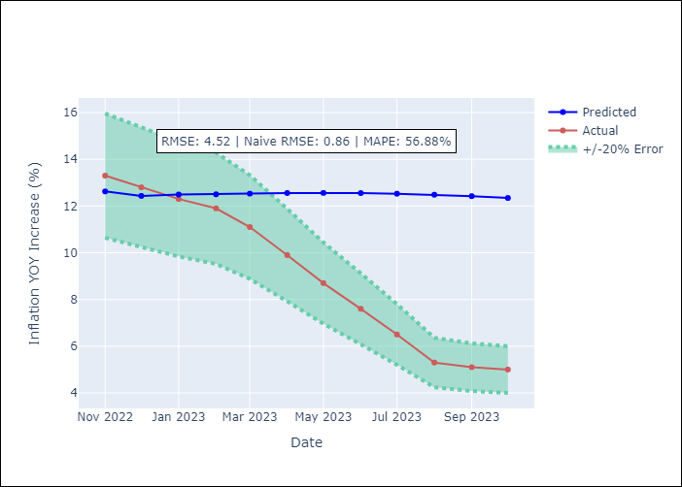

Appendix A: Model Summary
Model | VARMA(2,2)
Sample | - 10-01-2023opg
No. of Observations | 166
Terms | P-value (Statistical significance)
L1.YoY Increase Inflation | 0.434
L1.CPI_Brazil | 0.927
L1.CPI_China | 0.989
L1.CPI_South Korea | 1.000
L1.CPI_United States | 0.918
L1.CPI_Japan | 0.984
L2.YoY Increase Inflation | 0.814
L2.CPI_Brazil | 0.922
L2.CPI_China | 0.987
L2.CPI_South Korea | 0.986
L2.CPI_United States | 0.941
L2.CPI_Japan | 0.988
L1.e(YoY Increase Inflation) | 0.876
L1.e(CPI_Brazil) | 0.868
L1.e(CPI_China) | 0.997
L1.e(CPI_South Korea) | 0.921
L1.e(CPI_United States) | 1.000
L1.e(CPI_Japan) | 0.987
L2.e(YoY Increase Inflation) | 0.937
L2.e(CPI_Brazil) | 0.712
L2.e(CPI_China) | 0.992
L2.e(CPI_South Korea) | 0.949
L2.e(CPI_United States) | 0.886
L2.e(CPI_Japan) | 0.873
Assumptions | P-value
Ljung-Box (L1) | 0.60, 0.92, 0.82, 0.63, 0.60, 0.69
Heteroskedasticity | 0.19, 0.00, 0.85, 0.44, 0.64, 0.88
Jarque-Bera | 0.14, 0.16, 0.07, 0.43, 0.08, 0.00
Skew | 0.37, -0.07, -0.24, 0.17, -0.32, 0.26
Kurtosis | 3.15, 3.71, 3.73, 3.36, 3.58, 8.17

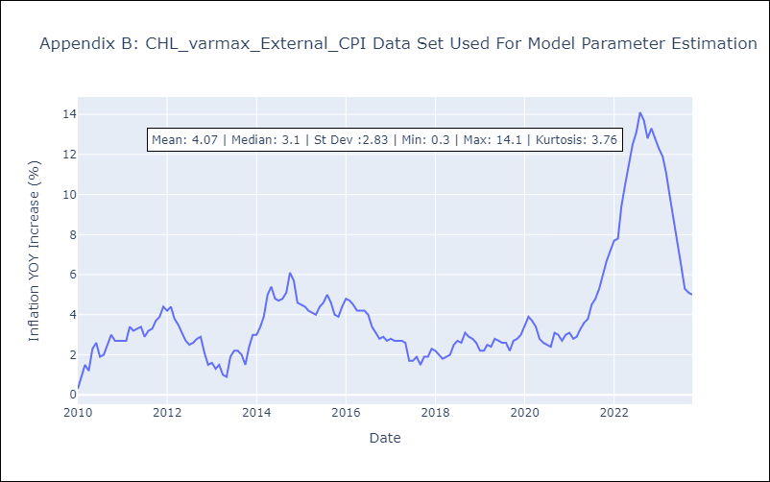

Appendix C: Residuals Analysis
Mean | -0.03
White Noise? | Yes
Normal? | No

