CHL
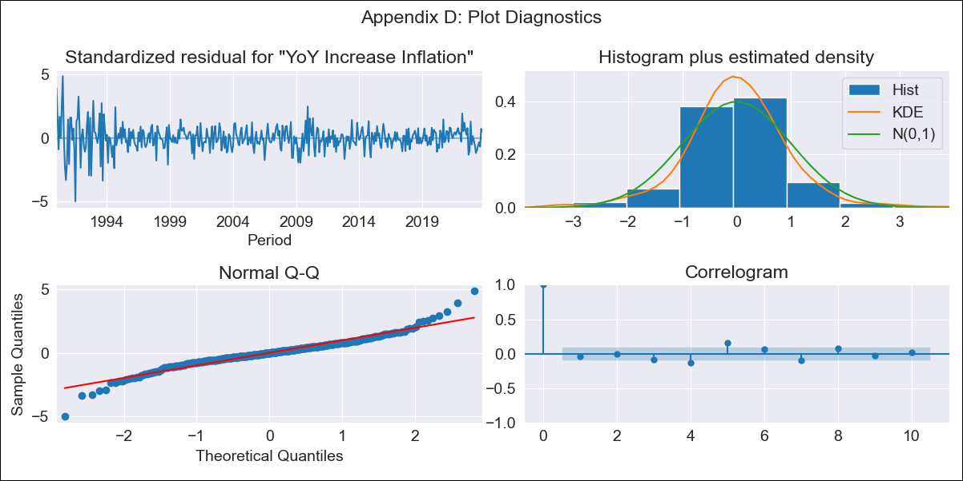
CHL - Inflation - Next 12 months forecast as of: 2023-10-01

Model | VARMAX - (3, 2, 3, 2, 0, 0, 12) | Exogenous Variables | General wage index, Wage Index_yoy %, Unemployment rate, Unemplyment rate yoy
Training Data | 1990-01-01 to 2022-11-01
Test Data | 2022-11-01 to 2023-10-01

Date | Inflation Change YoY % | Lower Bound - 95% Confidence Interval | Upper Bound - 95% Confidence Interval
2023-11-01 | 4.74 | 3.54 | 5.95
2023-12-01 | 4.81 | 2.77 | 6.84
2024-01-01 | 4.87 | 2.15 | 7.59
2024-02-01 | 4.86 | 1.43 | 8.29
2024-03-01 | 4.8 | 0.76 | 8.84
2024-04-01 | 4.74 | 0.19 | 9.3
2024-05-01 | 4.69 | -0.31 | 9.69
2024-06-01 | 4.65 | -0.74 | 10.04
2024-07-01 | 4.62 | -1.13 | 10.38
2024-08-01 | 4.61 | -1.48 | 10.7
2024-09-01 | 4.61 | -1.79 | 11.01
2024-10-01 | 4.62 | -2.07 | 11.31

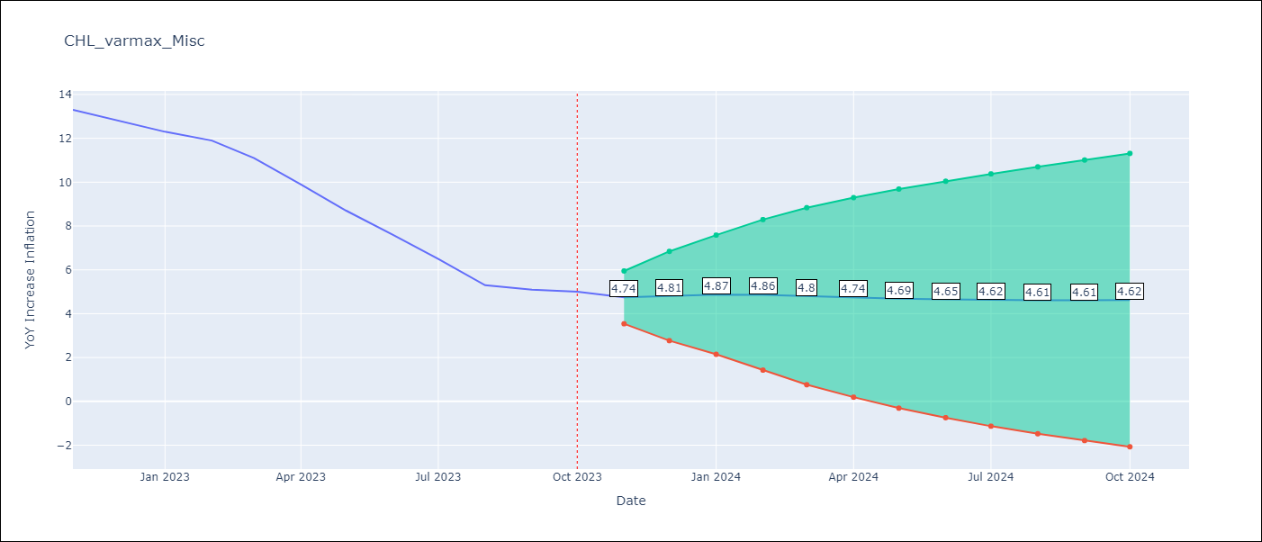

Test Metrics
RMSE | 4.28
Naive RMSE | 0.86
MAPE | 53.7%

Test Predictions
Date | Predicted | Actual
2022-11-01 | 12.64 | 13.3
2022-12-01 | 12.39 | 12.8
2023-01-01 | 12.24 | 12.3
2023-02-01 | 12.31 | 11.9
2023-03-01 | 12.35 | 11.1
2023-04-01 | 12.35 | 9.9
2023-05-01 | 12.31 | 8.7
2023-06-01 | 12.26 | 7.6
2023-07-01 | 12.2 | 6.5
2023-08-01 | 12.14 | 5.3
2023-09-01 | 12.07 | 5.1
2023-10-01 | 12.01 | 5

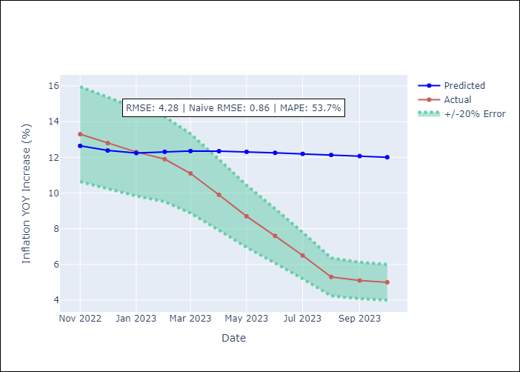

Appendix A: Model Summary
Model | VARMA(3,3)
Sample | - 10-01-2023opg
No. of Observations | 406
Terms | P-value (Statistical significance)
L1.YoY Increase Inflation | 0.006
L1.General wage index | 0.979
L1.Wage Index_yoy % | 0.969
L1.Unemployment rate | 0.945
L1.Unemplyment rate yoy | 0.931
L2.YoY Increase Inflation | 0.661
L2.General wage index | 0.930
L2.Wage Index_yoy % | 0.939
L2.Unemployment rate | 0.846
L2.Unemplyment rate yoy | 0.965
L3.YoY Increase Inflation | 0.909
L3.General wage index | 0.881
L3.Wage Index_yoy % | 0.957
L3.Unemployment rate | 0.798
L3.Unemplyment rate yoy | 0.856
L1.e(YoY Increase Inflation) | 0.856
L1.e(General wage index) | 0.992
L1.e(Wage Index_yoy %) | 0.956
L1.e(Unemployment rate) | 0.977
L1.e(Unemplyment rate yoy) | 0.989
L2.e(YoY Increase Inflation) | 0.995
L2.e(General wage index) | 0.980
L2.e(Wage Index_yoy %) | 0.954
L2.e(Unemployment rate) | 0.984
L2.e(Unemplyment rate yoy) | 0.812
L3.e(YoY Increase Inflation) | 0.422
L3.e(General wage index) | 0.300
L3.e(Wage Index_yoy %) | 0.796
L3.e(Unemployment rate) | 0.971
L3.e(Unemplyment rate yoy) | 0.810
Assumptions | P-value
Ljung-Box (L1) | 0.41, 0.83, 0.75, 0.41, 0.56
Heteroskedasticity | 0.00, 0.00, 0.00, 0.51, 0.53
Jarque-Bera | 0.00, 0.00, 0.00, 0.00, 0.02
Skew | -0.01, 0.21, 3.69, 0.43, -0.08
Kurtosis | 7.03, 7.35, 41.32, 6.23, 3.67

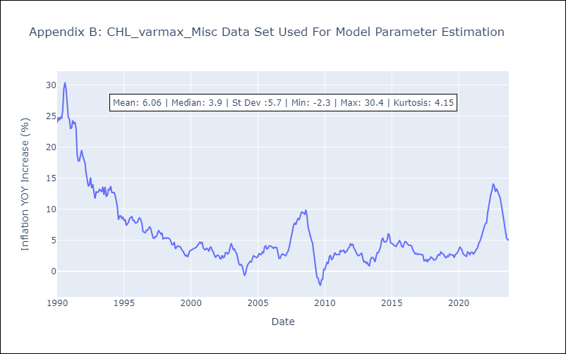

Appendix C: Residuals Analysis
Mean | 0.05
White Noise? | Yes
Normal? | No

