CHL
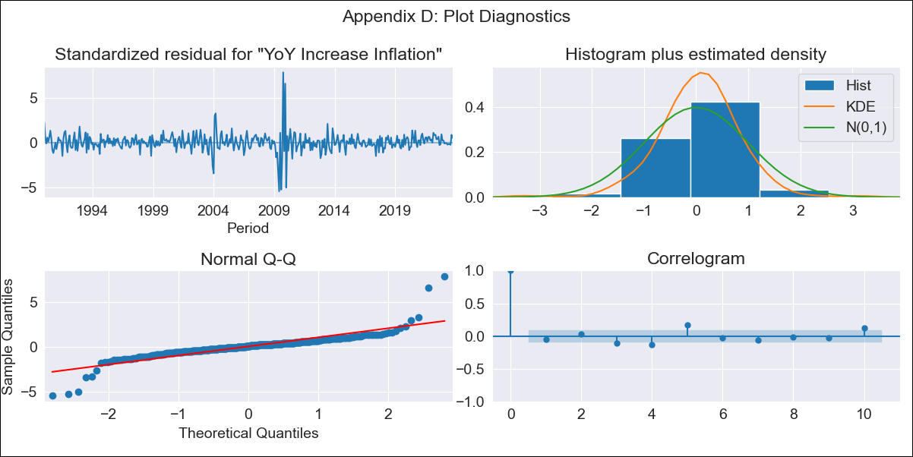
CHL - Inflation - Next 12 months forecast as of: 2023-10-01

Model | VARMAX - (3, 1, 3, 0, 0, 1, 12) | Exogenous Variables | General wage index, Wage Index_yoy %, Unemployment rate, Unemplyment rate yoy
Training Data | 1990-01-01 to 2022-11-01
Test Data | 2022-11-01 to 2023-10-01

Date | Inflation Change YoY % | Lower Bound - 95% Confidence Interval | Upper Bound - 95% Confidence Interval
2023-11-01 | 4.77 | 3.38 | 6.45
2023-12-01 | 4.71 | 2.64 | 7.49
2024-01-01 | 4.71 | 2.11 | 8.56
2024-02-01 | 4.62 | 1.55 | 9.65
2024-03-01 | 4.51 | 1.15 | 10.49
2024-04-01 | 4.39 | 0.83 | 11.16
2024-05-01 | 4.27 | 0.6 | 11.67
2024-06-01 | 4.18 | 0.43 | 12.06
2024-07-01 | 4.1 | 0.3 | 12.39
2024-08-01 | 4.04 | 0.21 | 12.66
2024-09-01 | 4 | 0.13 | 12.91
2024-10-01 | 3.97 | 0.07 | 13.15

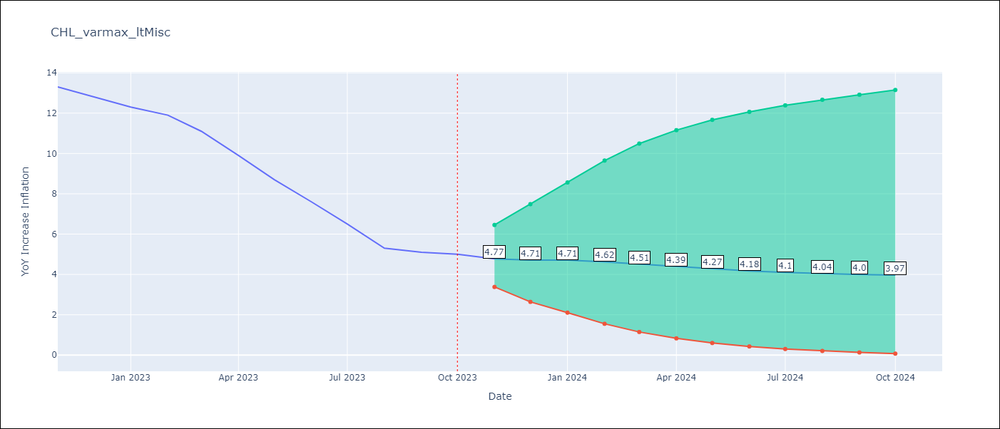

Test Metrics
RMSE | 1.69
Naive RMSE | 0.86
MAPE | 19.84%

Test Predictions
Date | Predicted | Actual
2022-11-01 | 11.84 | 13.3
2022-12-01 | 11.05 | 12.8
2023-01-01 | 10.36 | 12.3
2023-02-01 | 9.66 | 11.9
2023-03-01 | 9.04 | 11.1
2023-04-01 | 8.55 | 9.9
2023-05-01 | 8.14 | 8.7
2023-06-01 | 7.82 | 7.6
2023-07-01 | 7.56 | 6.5
2023-08-01 | 7.36 | 5.3
2023-09-01 | 7.19 | 5.1
2023-10-01 | 7.06 | 5

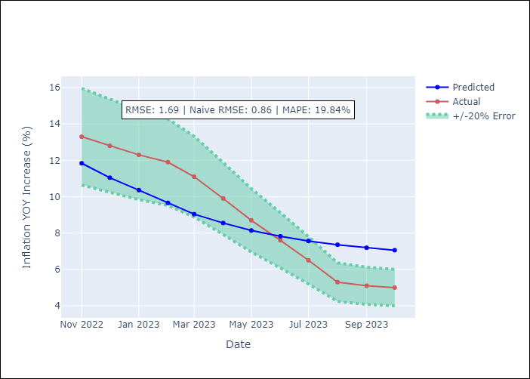

Appendix A: Model Summary
Model | VARMA(3,3)
Sample | - 10-01-2023opg
No. of Observations | 406
Terms | P-value (Statistical significance)
L1.YoY Increase Inflation | 0.071
L1.General wage index | 0.975
L1.Wage Index_yoy % | 0.975
L1.Unemployment rate | 0.858
L1.Unemplyment rate yoy | 0.970
L2.YoY Increase Inflation | 0.969
L2.General wage index | 0.866
L2.Wage Index_yoy % | 0.900
L2.Unemployment rate | 0.910
L2.Unemplyment rate yoy | 0.890
L3.YoY Increase Inflation | 0.663
L3.General wage index | 0.869
L3.Wage Index_yoy % | 0.923
L3.Unemployment rate | 0.996
L3.Unemplyment rate yoy | 0.715
L1.e(YoY Increase Inflation) | 0.926
L1.e(General wage index) | 0.998
L1.e(Wage Index_yoy %) | 0.976
L1.e(Unemployment rate) | 0.932
L1.e(Unemplyment rate yoy) | 0.967
L2.e(YoY Increase Inflation) | 0.942
L2.e(General wage index) | 0.766
L2.e(Wage Index_yoy %) | 0.887
L2.e(Unemployment rate) | 0.923
L2.e(Unemplyment rate yoy) | 0.880
L3.e(YoY Increase Inflation) | 0.188
L3.e(General wage index) | 0.741
L3.e(Wage Index_yoy %) | 0.855
L3.e(Unemployment rate) | 0.780
L3.e(Unemplyment rate yoy) | 0.725
Assumptions | P-value
Ljung-Box (L1) | 0.29, 0.69, 0.71, 0.26, 0.33
Heteroskedasticity | 0.87, 0.00, 0.00, 0.67, 0.47
Jarque-Bera | 0.00, 0.00, 0.00, 0.00, 0.04
Skew | 0.66, 0.27, 3.64, 0.44, -0.10
Kurtosis | 20.39, 8.25, 40.23, 6.42, 3.59

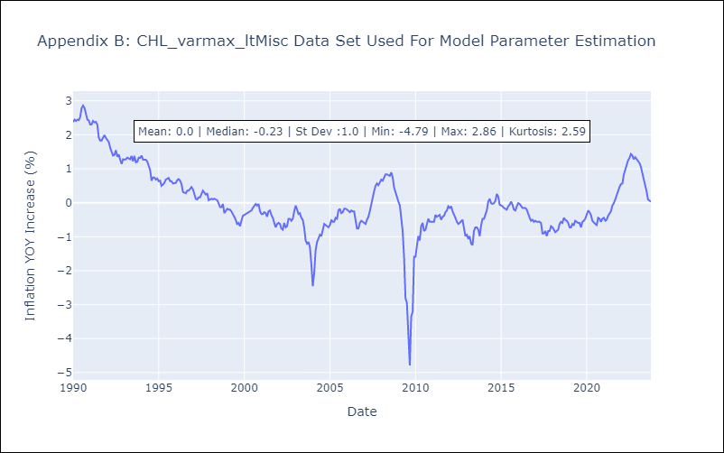

Appendix C: Residuals Analysis
Mean | 0.01
White Noise? | No - Correlation at Lags [ 5 6 11 12]
Normal? | No

