CHL
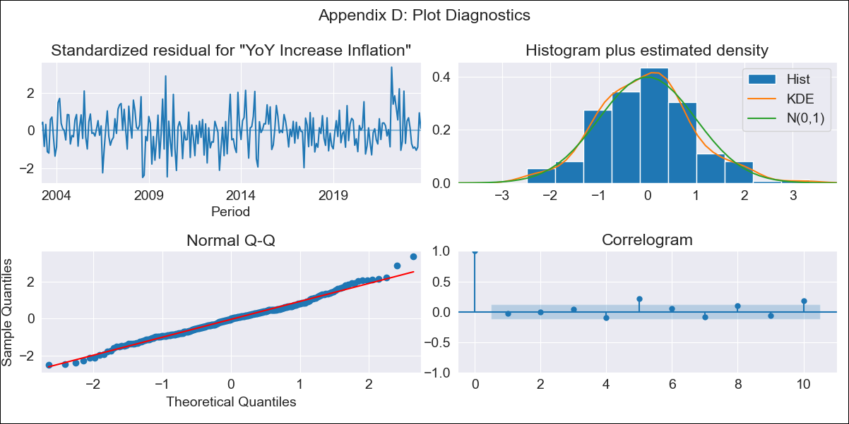
CHL - Inflation - Next 12 months forecast as of: 2023-10-01

Model | VARMAX - (3, 0, 2, 0, 0, 1, 12) | Exogenous Variables | Current Account, Exports , Imports
Training Data | 2003-03-01 to 2022-11-01
Test Data | 2022-11-01 to 2023-10-01

Date | Inflation Change YoY % | Lower Bound - 95% Confidence Interval | Upper Bound - 95% Confidence Interval
2023-11-01 | 4.85 | 3.97 | 5.73
2023-12-01 | 4.8 | 3.31 | 6.29
2024-01-01 | 4.83 | 2.89 | 6.76
2024-02-01 | 4.83 | 2.5 | 7.16
2024-03-01 | 4.83 | 2.16 | 7.51
2024-04-01 | 4.9 | 1.93 | 7.86
2024-05-01 | 5.04 | 1.84 | 8.24
2024-06-01 | 5.23 | 1.84 | 8.63
2024-07-01 | 5.42 | 1.88 | 8.97
2024-08-01 | 5.6 | 1.93 | 9.28
2024-09-01 | 5.78 | 2.01 | 9.56
2024-10-01 | 5.97 | 2.1 | 9.83

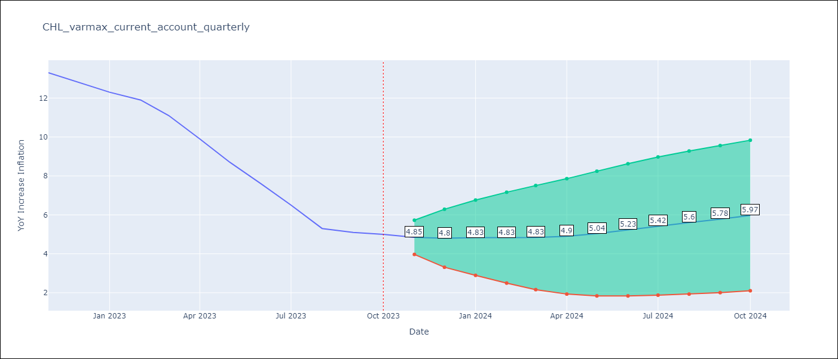

Test Metrics
RMSE | 2.69
Naive RMSE | 0.86
MAPE | 33.21%

Test Predictions
Date | Predicted | Actual
2022-11-01 | 12.8 | 13.3
2022-12-01 | 12.75 | 12.8
2023-01-01 | 12.59 | 12.3
2023-02-01 | 12.02 | 11.9
2023-03-01 | 11.38 | 11.1
2023-04-01 | 10.94 | 9.9
2023-05-01 | 10.76 | 8.7
2023-06-01 | 10.59 | 7.6
2023-07-01 | 10.25 | 6.5
2023-08-01 | 9.83 | 5.3
2023-09-01 | 9.48 | 5.1
2023-10-01 | 9.3 | 5

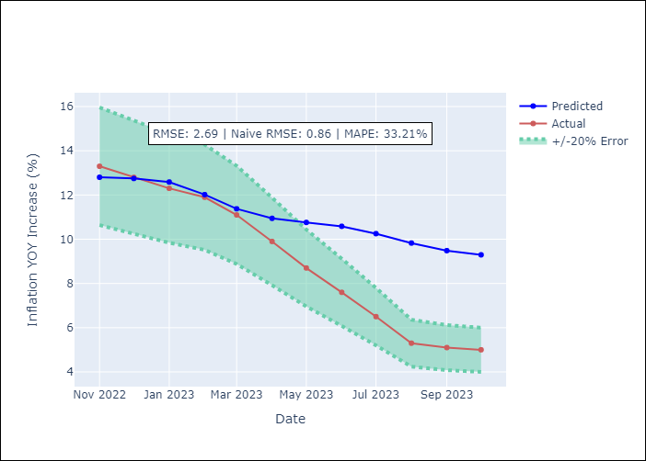

Appendix A: Model Summary
Model | VARMA(3,2)
Sample | 03-01-2003- 10-01-2023
No. of Observations | 248
Terms | P-value (Statistical significance)
intercept | 0.949
L1.YoY Increase Inflation | 0.003
L1.Current Account | 0.515
L1.Exports | 0.744
L1.Imports | 0.846
L2.YoY Increase Inflation | 0.934
L2.Current Account | 0.498
L2.Exports | 0.823
L2.Imports | 0.831
L3.YoY Increase Inflation | 0.326
L3.Current Account | 0.656
L3.Exports | 0.929
L3.Imports | 0.803
L1.e(YoY Increase Inflation) | 0.883
L1.e(Current Account) | 0.536
L1.e(Exports ) | 0.719
L1.e(Imports ) | 0.861
L2.e(YoY Increase Inflation) | 0.100
L2.e(Current Account) | 0.698
L2.e(Exports ) | 0.614
L2.e(Imports ) | 0.915
Assumptions | P-value
Ljung-Box (L1) | 0.62, 0.14, 0.40, 0.17
Heteroskedasticity | 0.20, 0.01, 0.13, 0.00
Jarque-Bera | 0.09, 0.00, 0.00, 0.00
Skew | 0.25, -0.45, -0.51, -0.16
Kurtosis | 3.47, 5.19, 6.61, 6.08

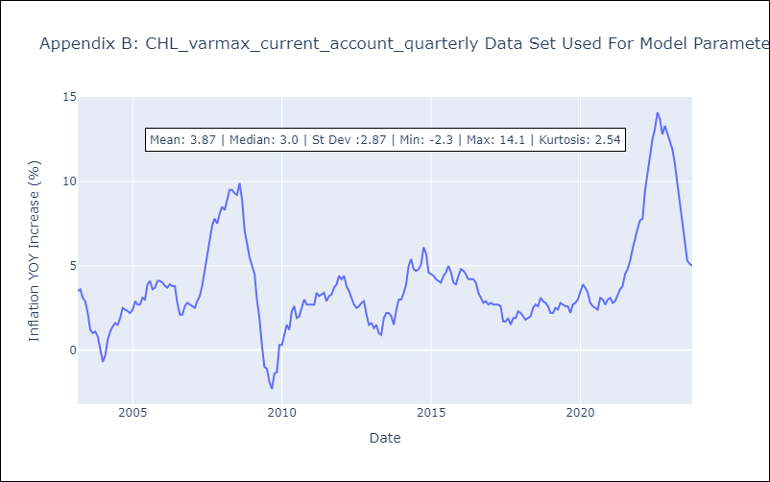

Appendix C: Residuals Analysis
Mean | -0.01
White Noise? | No - Correlation at Lags [ 5 6 7 8 9 10 11 12]
Normal? | No

