CHL
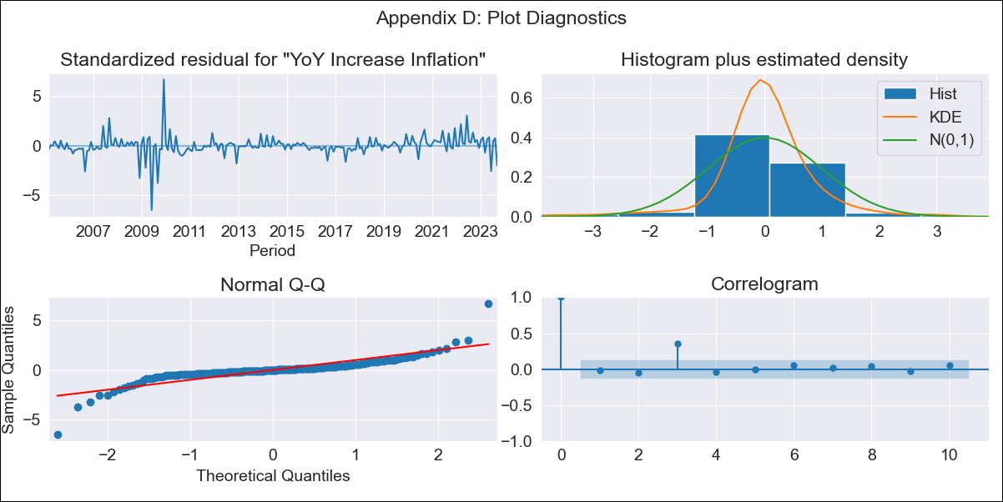
CHL - Inflation - Next 12 months forecast as of: 2023-09-01

Model | VARMAX - (2, 0, 0, 0, 0, 0, 12) | Exogenous Variables | GDP growth_Argentina, GDP growth_Brazil, GDP growth_China, GDP growth_South Korea, GDP growth_United States (annualized quarter-to-quarter change), GDP growth_Japan (annualized quarter-to-quarter change), GDP growth_Euro zone (annualized quarter-to-quarter change)
Training Data | 2005-03-01 to 2020-12-01
Test Data | 2020-12-01 to 2023-09-01

Date | Inflation Change YoY % | Lower Bound - 95% Confidence Interval | Upper Bound - 95% Confidence Interval
2023-10-01 | 4.65 | 3.11 | 6.36
2023-11-01 | 4.29 | 2.3 | 6.59
2023-12-01 | 3.93 | 1.64 | 6.67
2024-01-01 | 3.63 | 1.12 | 6.74
2024-02-01 | 3.37 | 0.7 | 6.79
2024-03-01 | 3.14 | 0.37 | 6.81
2024-04-01 | 2.93 | 0.09 | 6.81
2024-05-01 | 2.74 | -0.14 | 6.8
2024-06-01 | 2.58 | -0.33 | 6.79
2024-07-01 | 2.45 | -0.48 | 6.79
2024-08-01 | 2.34 | -0.61 | 6.8
2024-09-01 | 2.26 | -0.71 | 6.83

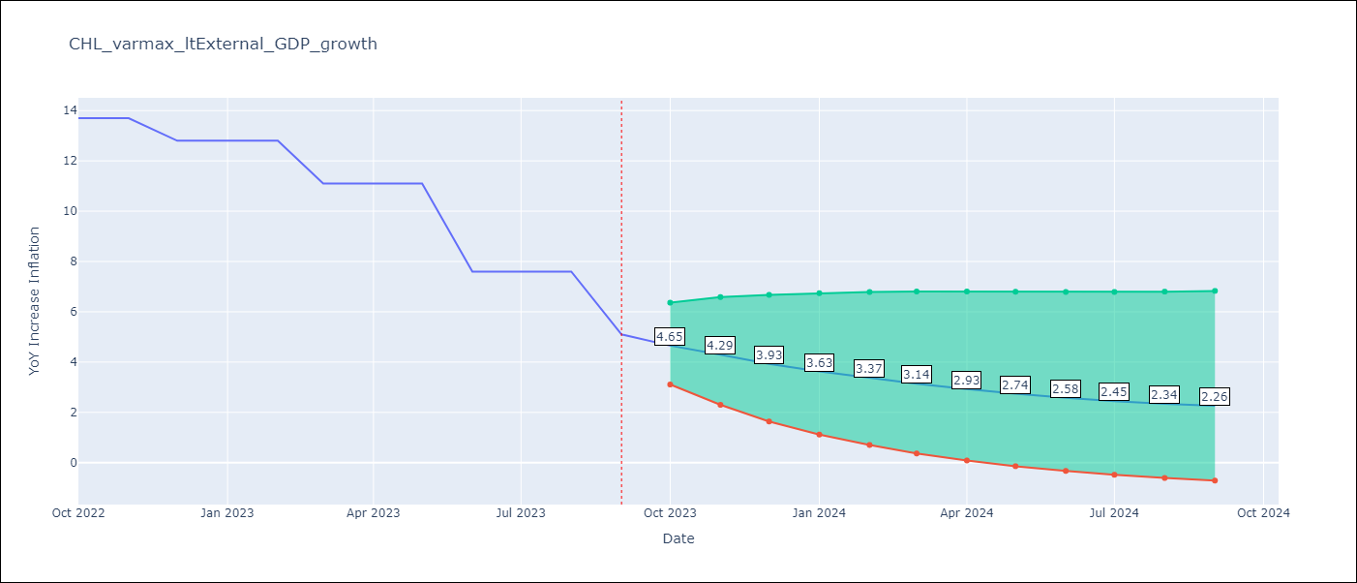

Test Metrics
RMSE | 5.87
Naive RMSE | 2.02
MAPE | 57.77%

Test Predictions
Date | Predicted | Actual
2020-12-01 | -0.28 | 3
2021-03-01 | 0.9 | 2.9
2021-06-01 | 2.05 | 3.8
2021-09-01 | 5.85 | 5.3
2021-12-01 | 6.08 | 7.2
2022-03-01 | 5.74 | 9.4
2022-06-01 | 4.84 | 12.5
2022-09-01 | 3.22 | 13.7
2022-12-01 | 2.57 | 12.8
2023-03-01 | 2.24 | 11.1
2023-06-01 | 2.6 | 7.6
2023-09-01 | 3.03 | 5.1

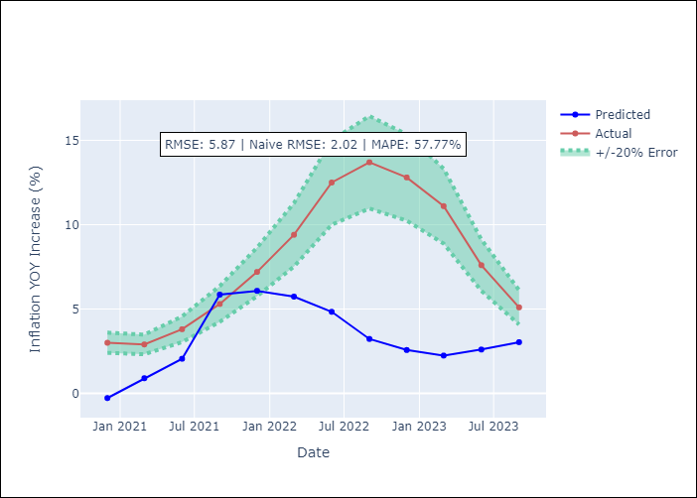

Appendix A: Model Summary
Model | VAR(2)
Sample | 03-01-2005- 09-01-2023
No. of Observations | 223
Terms | P-value (Statistical significance)
intercept | 0.898
L1.YoY Increase Inflation | 0.468
L1.GDP growth_Argentina | 0.996
L1.GDP growth_Brazil | 0.989
L1.GDP growth_China | 0.992
L1.GDP growth_South Korea | 0.994
L1.GDP growth_United States (annualized quarter-to-quarter change) | 1.000
L1.GDP growth_Japan (annualized quarter-to-quarter change) | 0.995
L1.GDP growth_Euro zone (annualized quarter-to-quarter change) | 0.998
L2.YoY Increase Inflation | 0.971
L2.GDP growth_Argentina | 0.978
L2.GDP growth_Brazil | 0.978
L2.GDP growth_China | 0.973
L2.GDP growth_South Korea | 0.957
L2.GDP growth_United States (annualized quarter-to-quarter change) | 0.978
L2.GDP growth_Japan (annualized quarter-to-quarter change) | 0.997
L2.GDP growth_Euro zone (annualized quarter-to-quarter change) | 0.990
Assumptions | P-value
Ljung-Box (L1) | 0.78, 0.21, 0.59, 0.67, 0.60, 0.01, 0.19, 0.10
Heteroskedasticity | 0.00, 0.02, 0.05, 0.00, 0.05, 0.00, 0.44, 0.00
Jarque-Bera | 0.00, 0.00, 0.00, 0.00, 0.00, 0.00, 0.00, 0.00
Skew | -0.17, 0.45, -0.81, -0.52, -0.48, 3.37, 0.22, 0.23
Kurtosis | 20.33, 7.80, 8.11, 32.24, 9.48, 42.69, 9.31, 7.21

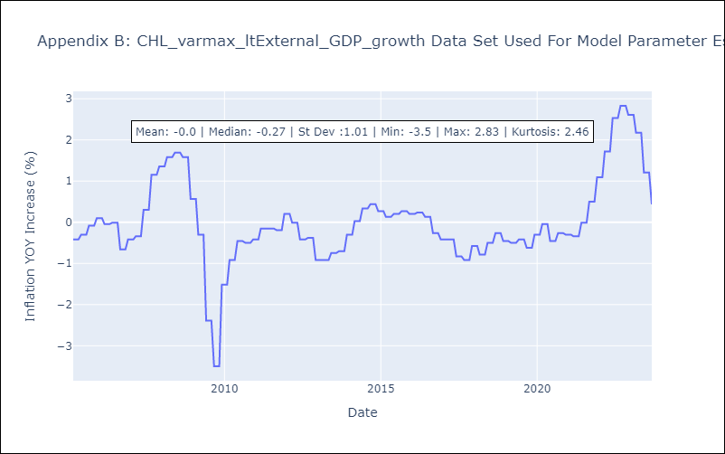

Appendix C: Residuals Analysis
Mean | -0.0
White Noise? | No - Correlation at Lags [ 3 4 5 6 7 8 9 10 11 12]
Normal? | No

