CHL
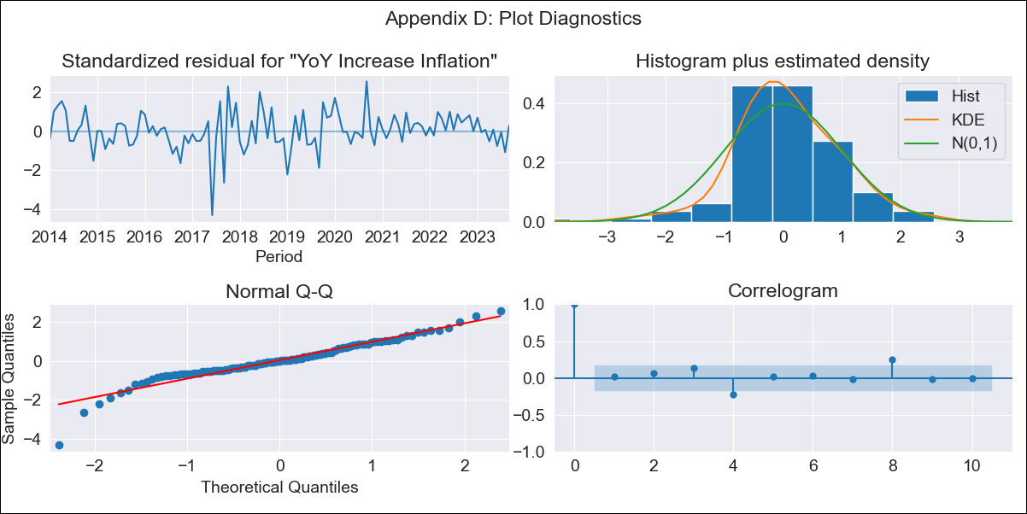
CHL - Inflation - Next 12 months forecast as of: 2023-09-01

Model | VARMAX - (2, 0, 1, 0, 0, 1, 12) | Exogenous Variables | Imacec, Minería del cobre, Industria Manufacturera, Electricidad, gas, agua y gestión de desechos, PIB
Training Data | 2014-01-01 to 2022-10-01
Test Data | 2022-10-01 to 2023-09-01

Date | Inflation Change YoY % | Lower Bound - 95% Confidence Interval | Upper Bound - 95% Confidence Interval
2023-10-01 | 4.63 | 3.64 | 6.12
2023-11-01 | 4.47 | 3.26 | 6.6
2023-12-01 | 4.26 | 2.95 | 6.83
2024-01-01 | 4.07 | 2.7 | 6.99
2024-02-01 | 3.93 | 2.5 | 7.21
2024-03-01 | 3.82 | 2.35 | 7.47
2024-04-01 | 3.73 | 2.22 | 7.76
2024-05-01 | 3.66 | 2.12 | 8.07
2024-06-01 | 3.6 | 2.03 | 8.38
2024-07-01 | 3.55 | 1.95 | 8.71
2024-08-01 | 3.51 | 1.88 | 9.05
2024-09-01 | 3.48 | 1.83 | 9.4

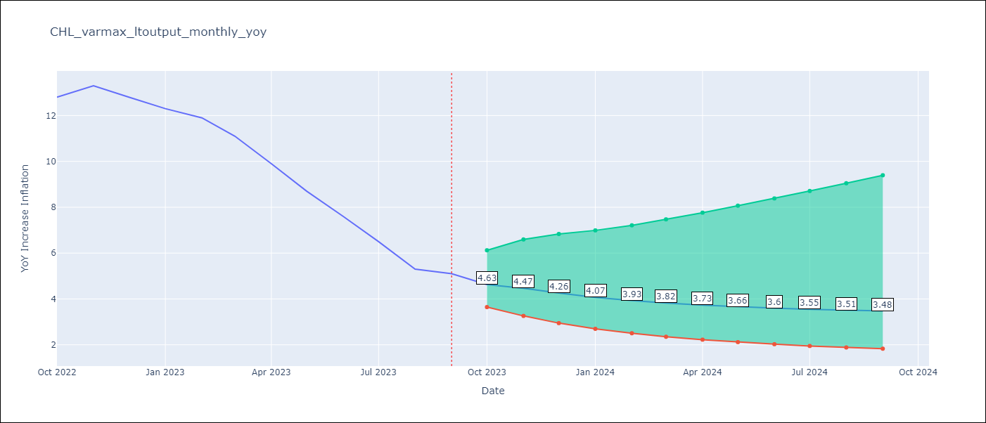

Test Metrics
RMSE | 3.81
Naive RMSE | 0.87
MAPE | 33.17%

Test Predictions
Date | Predicted | Actual
2022-10-01 | 10.73 | 12.8
2022-11-01 | 9.19 | 13.3
2022-12-01 | 7.89 | 12.8
2023-01-01 | 7.01 | 12.3
2023-02-01 | 6.37 | 11.9
2023-03-01 | 5.89 | 11.1
2023-04-01 | 5.5 | 9.9
2023-05-01 | 5.18 | 8.7
2023-06-01 | 4.92 | 7.6
2023-07-01 | 4.71 | 6.5
2023-08-01 | 4.53 | 5.3
2023-09-01 | 4.39 | 5.1

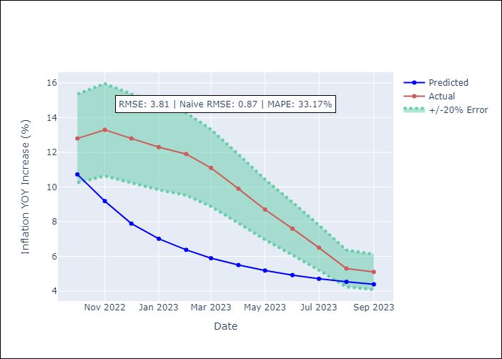

Appendix A: Model Summary
Model | VARMA(2,1)
Sample | 01-01-2014- 09-01-2023
No. of Observations | 117
Terms | P-value (Statistical significance)
intercept | 0.984
L1.YoY Increase Inflation | 0.712
L1.Imacec | 0.999
L1.Minería del cobre | 0.959
L1.Industria Manufacturera | 0.958
L1.Electricidad, gas, agua y gestión de desechos | 0.994
L1.PIB | 0.996
L2.YoY Increase Inflation | 0.987
L2.Imacec | 0.939
L2.Minería del cobre | 0.898
L2.Industria Manufacturera | 0.998
L2.Electricidad, gas, agua y gestión de desechos | 0.992
L2.PIB | 0.937
L1.e(YoY Increase Inflation) | 0.970
L1.e(Imacec) | 0.977
L1.e(Minería del cobre) | 0.998
L1.e(Industria Manufacturera) | 0.992
L1.e(Electricidad, gas, agua y gestión de desechos) | 0.992
L1.e(PIB) | 0.977
Assumptions | P-value
Ljung-Box (L1) | 0.85, 0.99, 0.97, 0.98, 0.93, 0.88
Heteroskedasticity | 0.50, 0.00, 0.57, 0.15, 0.36, 0.00
Jarque-Bera | 0.00, 0.00, 0.03, 0.89, 0.01, 0.00
Skew | -0.69, -0.56, 0.27, -0.08, 0.36, -1.90
Kurtosis | 6.37, 5.09, 4.07, 3.15, 4.17, 12.04

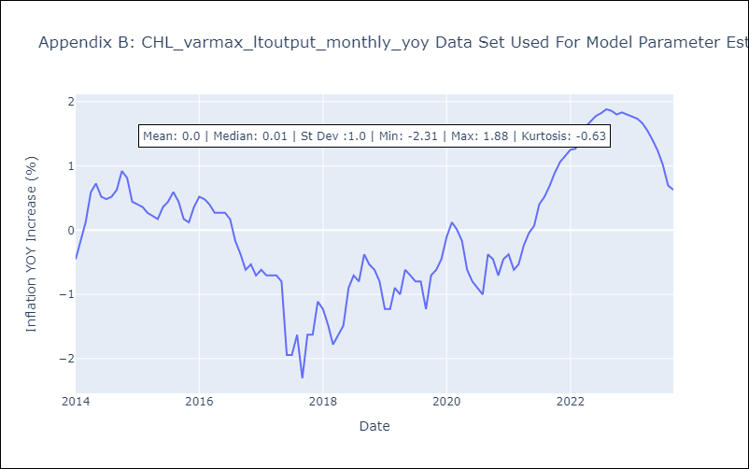

Appendix C: Residuals Analysis
Mean | 0.01
White Noise? | No - Correlation at Lags [ 8 11 12]
Normal? | No

