CHL
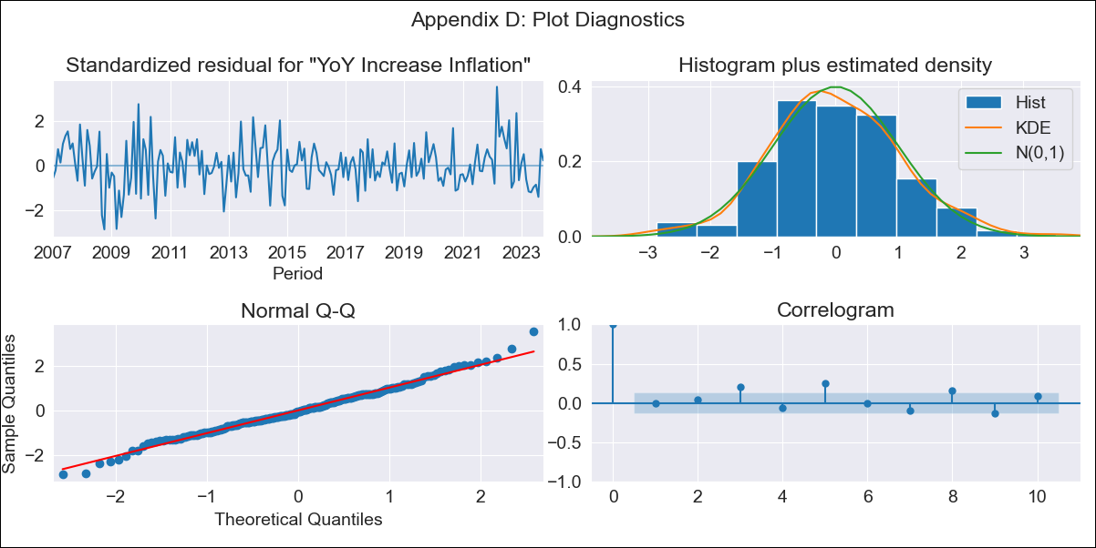
CHL - Inflation - Next 12 months forecast as of: 2023-10-01

Model | VARMAX - (2, 0, 1, 0, 0, 1, 12) | Exogenous Variables | M1_money_supply, M2_money_supply, Unnamed: 3
Training Data | 2007-01-01 to 2022-11-01
Test Data | 2022-11-01 to 2023-10-01

Date | Inflation Change YoY % | Lower Bound - 95% Confidence Interval | Upper Bound - 95% Confidence Interval
2023-11-01 | 4.84 | 3.95 | 5.73
2023-12-01 | 4.71 | 3.22 | 6.21
2024-01-01 | 4.61 | 2.61 | 6.62
2024-02-01 | 4.52 | 2.1 | 6.95
2024-03-01 | 4.44 | 1.66 | 7.22
2024-04-01 | 4.36 | 1.29 | 7.44
2024-05-01 | 4.29 | 0.96 | 7.62
2024-06-01 | 4.22 | 0.67 | 7.78
2024-07-01 | 4.16 | 0.41 | 7.91
2024-08-01 | 4.1 | 0.18 | 8.03
2024-09-01 | 4.05 | -0.03 | 8.13
2024-10-01 | 4.01 | -0.21 | 8.23

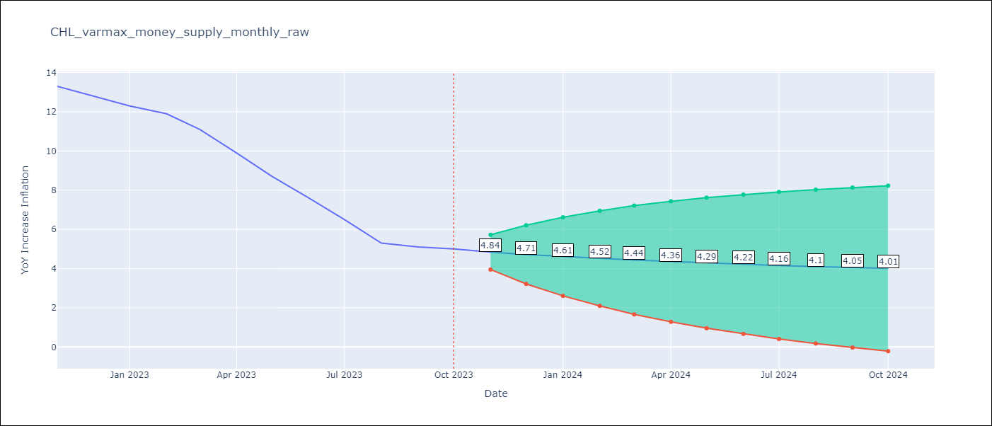

Test Metrics
RMSE | 3.01
Naive RMSE | 0.86
MAPE | 37.81%

Test Predictions
Date | Predicted | Actual
2022-11-01 | 12.41 | 13.3
2022-12-01 | 12.13 | 12.8
2023-01-01 | 11.9 | 12.3
2023-02-01 | 11.69 | 11.9
2023-03-01 | 11.49 | 11.1
2023-04-01 | 11.28 | 9.9
2023-05-01 | 11.06 | 8.7
2023-06-01 | 10.82 | 7.6
2023-07-01 | 10.58 | 6.5
2023-08-01 | 10.32 | 5.3
2023-09-01 | 10.05 | 5.1
2023-10-01 | 9.77 | 5

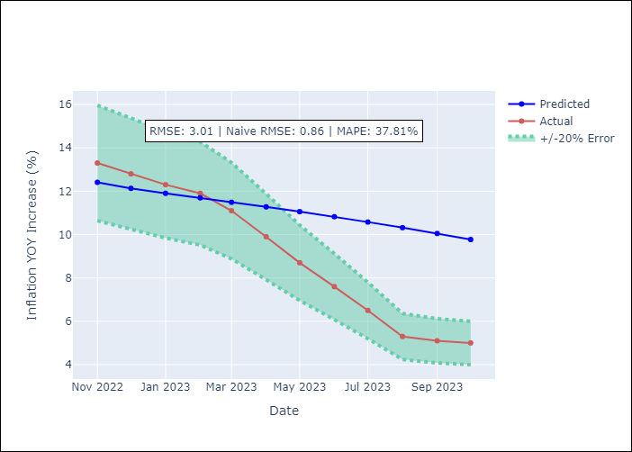

Appendix A: Model Summary
Model | VARMA(2,1)
Sample | 01-01-2007- 10-01-2023
No. of Observations | 202
Terms | P-value (Statistical significance)
intercept | 0.752
L1.YoY Increase Inflation | 0.000
L1.M1_money_supply | 0.839
L1.M2_money_supply | 0.851
L1.Unnamed: 3 | 0.899
L2.YoY Increase Inflation | 0.008
L2.M1_money_supply | 0.810
L2.M2_money_supply | 0.772
L2.Unnamed: 3 | 0.799
L1.e(YoY Increase Inflation) | 0.683
L1.e(M1_money_supply) | 0.920
L1.e(M2_money_supply) | 0.845
L1.e(Unnamed: 3) | 0.941
Assumptions | P-value
Ljung-Box (L1) | 0.93, 0.99, 0.93, 0.93
Heteroskedasticity | 0.06, 0.00, 0.44, 0.15
Jarque-Bera | 0.19, 0.00, 0.25, 0.07
Skew | 0.18, 0.58, -0.26, 0.16
Kurtosis | 3.52, 9.82, 3.23, 3.72

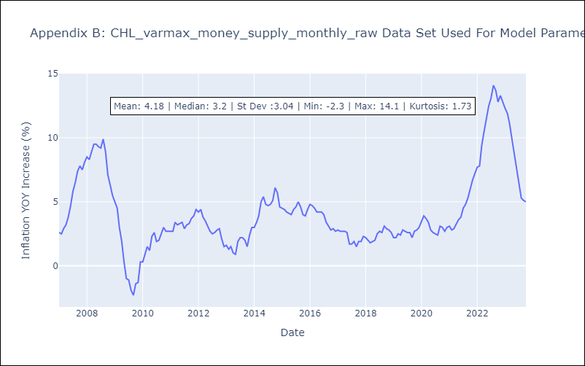

Appendix C: Residuals Analysis
Mean | -0.01
White Noise? | No - Correlation at Lags [ 3 5 6 7 8 9 10 11 12]
Normal? | No

