CHL

CHL - Inflation - Next 12 months forecast as of: 2023-10-01

Model | VARMAX - (2, 0, 2, 0, 0, 1, 12) | Exogenous Variables | M1_money_supply, M2_money_supply, Unnamed: 3
Training Data | 2007-01-01 to 2022-11-01
Test Data | 2022-11-01 to 2023-10-01

Date | Inflation Change YoY % | Lower Bound - 95% Confidence Interval | Upper Bound - 95% Confidence Interval
2023-11-01 | 4.83 | 3.71 | 6.04
2023-12-01 | 4.82 | 3.1 | 6.76
2024-01-01 | 4.82 | 2.54 | 7.5
2024-02-01 | 4.83 | 2.1 | 8.16
2024-03-01 | 4.84 | 1.76 | 8.7
2024-04-01 | 4.84 | 1.49 | 9.16
2024-05-01 | 4.83 | 1.26 | 9.54
2024-06-01 | 4.82 | 1.07 | 9.86
2024-07-01 | 4.81 | 0.9 | 10.14
2024-08-01 | 4.79 | 0.76 | 10.38
2024-09-01 | 4.77 | 0.64 | 10.59
2024-10-01 | 4.75 | 0.52 | 10.77

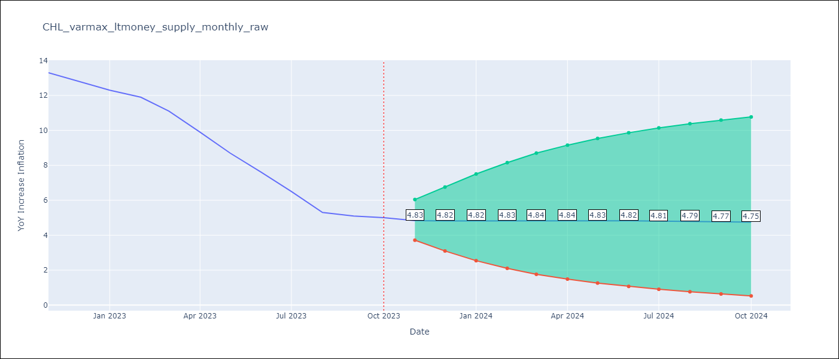

Test Metrics
RMSE | 3.4
Naive RMSE | 0.86
MAPE | 42.61%

Test Predictions
Date | Predicted | Actual
2022-11-01 | 12.53 | 13.3
2022-12-01 | 12.32 | 12.8
2023-01-01 | 12.19 | 12.3
2023-02-01 | 12.07 | 11.9
2023-03-01 | 11.93 | 11.1
2023-04-01 | 11.77 | 9.9
2023-05-01 | 11.59 | 8.7
2023-06-01 | 11.38 | 7.6
2023-07-01 | 11.14 | 6.5
2023-08-01 | 10.88 | 5.3
2023-09-01 | 10.59 | 5.1
2023-10-01 | 10.3 | 5

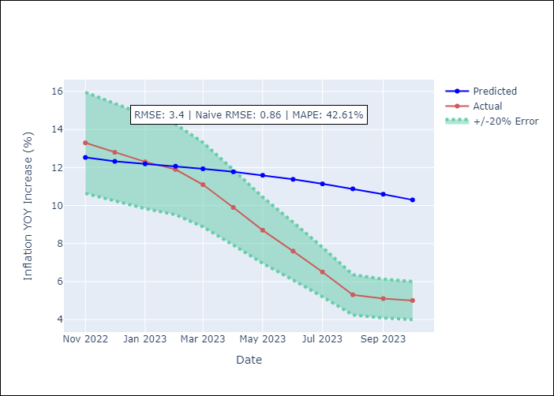

Appendix A: Model Summary
Model | VARMA(2,2)
Sample | 01-01-2007- 10-01-2023
No. of Observations | 202
Terms | P-value (Statistical significance)
intercept | 0.808
L1.YoY Increase Inflation | 0.095
L1.M1_money_supply | 0.914
L1.M2_money_supply | 0.972
L1.Unnamed: 3 | 0.967
L2.YoY Increase Inflation | 0.640
L2.M1_money_supply | 0.897
L2.M2_money_supply | 0.954
L2.Unnamed: 3 | 0.941
L1.e(YoY Increase Inflation) | 0.910
L1.e(M1_money_supply) | 0.951
L1.e(M2_money_supply) | 0.980
L1.e(Unnamed: 3) | 0.985
L2.e(YoY Increase Inflation) | 0.310
L2.e(M1_money_supply) | 0.751
L2.e(M2_money_supply) | 0.991
L2.e(Unnamed: 3) | 0.876
Assumptions | P-value
Ljung-Box (L1) | 0.72, 0.95, 0.87, 0.94
Heteroskedasticity | 0.00, 0.00, 0.37, 0.05
Jarque-Bera | 0.00, 0.00, 0.17, 0.02
Skew | 0.35, 0.55, -0.28, 0.19
Kurtosis | 5.93, 9.65, 3.32, 3.91

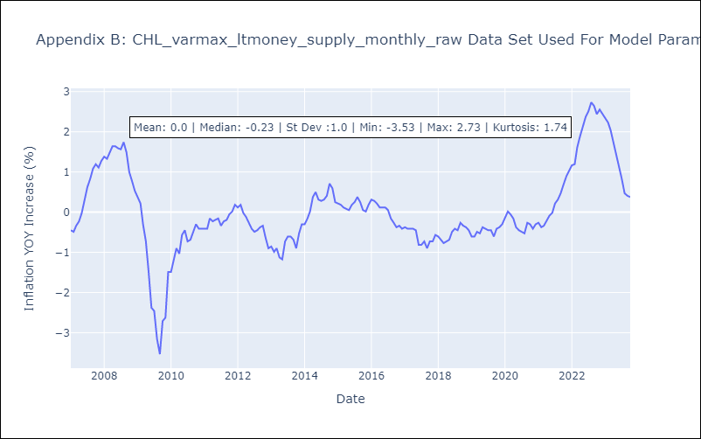

Appendix C: Residuals Analysis
Mean | -0.0
White Noise? | No - Correlation at Lags [ 4 5 6 7 8 9 10 11 12]
Normal? | No

