CHL
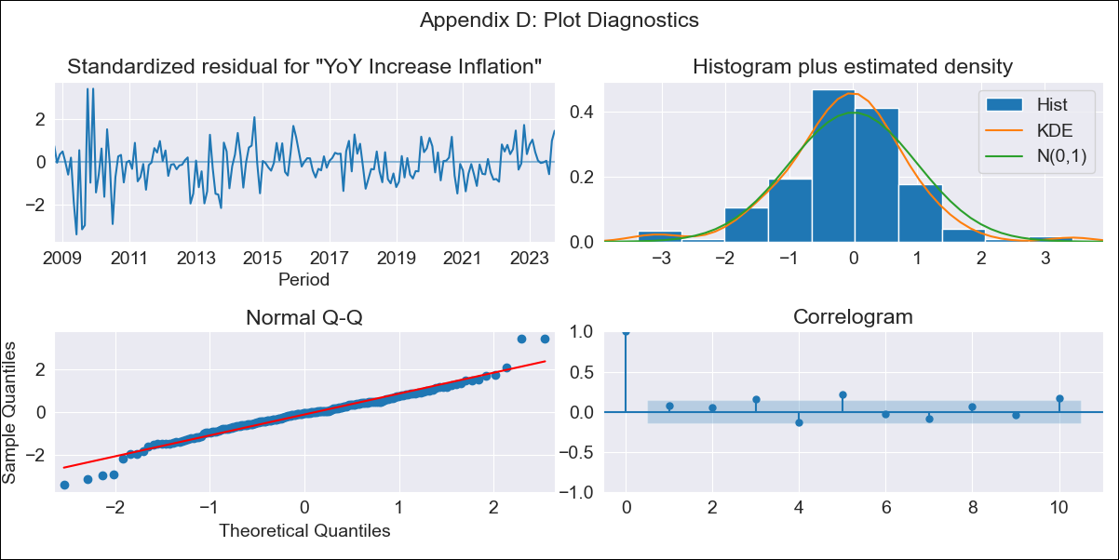
CHL - Inflation - Next 12 months forecast as of: 2023-10-01

Model | VARMAX - (3, 1, 1, 1, 0, 0, 12) | Exogenous Variables | MPR_Brazil, MPR_China, MPR_South Korea, MPR_United States, MPR_Japan
Training Data | 2008-10-01 to 2022-11-01
Test Data | 2022-11-01 to 2023-10-01

Date | Inflation Change YoY % | Lower Bound - 95% Confidence Interval | Upper Bound - 95% Confidence Interval
2023-11-01 | 4.33 | 3.23 | 5.52
2023-12-01 | 3.75 | 2.3 | 5.4
2024-01-01 | 3.05 | 1.35 | 5.1
2024-02-01 | 2.42 | 0.6 | 4.73
2024-03-01 | 1.84 | 0 | 4.35
2024-04-01 | 1.35 | -0.46 | 4.01
2024-05-01 | 0.95 | -0.83 | 3.72
2024-06-01 | 0.62 | -1.14 | 3.5
2024-07-01 | 0.36 | -1.39 | 3.33
2024-08-01 | 0.17 | -1.6 | 3.23
2024-09-01 | 0.02 | -1.77 | 3.17
2024-10-01 | -0.08 | -1.91 | 3.16

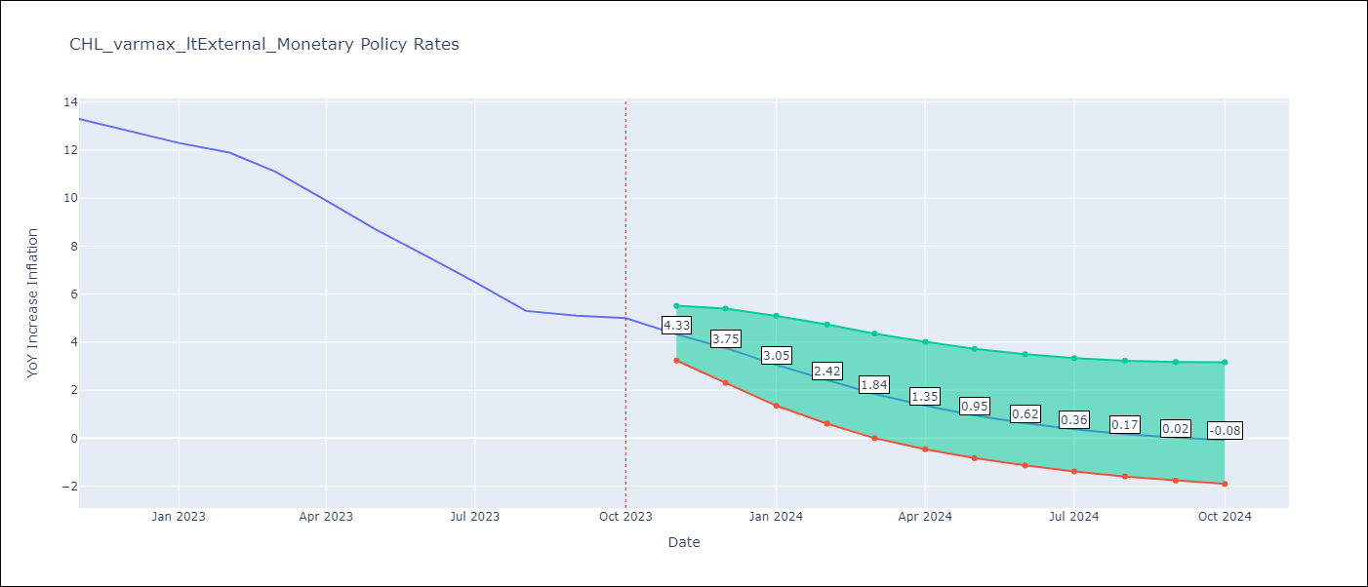

Test Metrics
RMSE | 6.13
Naive RMSE | 0.86
MAPE | 79.24%

Test Predictions
Date | Predicted | Actual
2022-11-01 | 11.93 | 13.3
2022-12-01 | 10.62 | 12.8
2023-01-01 | 9.02 | 12.3
2023-02-01 | 7.2 | 11.9
2023-03-01 | 5.27 | 11.1
2023-04-01 | 3.35 | 9.9
2023-05-01 | 1.59 | 8.7
2023-06-01 | 0.15 | 7.6
2023-07-01 | -0.9 | 6.5
2023-08-01 | -1.75 | 5.3
2023-09-01 | -2.5 | 5.1
2023-10-01 | -3.15 | 5

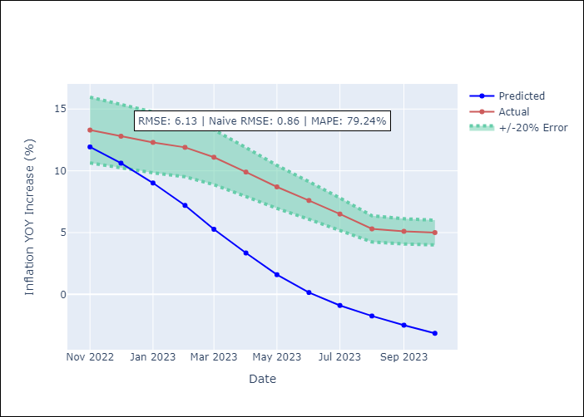

Appendix A: Model Summary
Model | VARMA(3,1)
Sample | - 10-01-2023opg
No. of Observations | 181
Terms | P-value (Statistical significance)
L1.YoY Increase Inflation | 0.904
L1.MPR_Brazil | 0.998
L1.MPR_China | 1.000
L1.MPR_South Korea | 1.000
L1.MPR_United States | 0.999
L1.MPR_Japan | 0.999
L2.YoY Increase Inflation | 0.999
L2.MPR_Brazil | 0.999
L2.MPR_China | 1.000
L2.MPR_South Korea | 0.994
L2.MPR_United States | 0.999
L2.MPR_Japan | 1.000
L3.YoY Increase Inflation | 0.998
L3.MPR_Brazil | 0.998
L3.MPR_China | 0.999
L3.MPR_South Korea | 0.997
L3.MPR_United States | 0.999
L3.MPR_Japan | 1.000
L1.e(YoY Increase Inflation) | 0.997
L1.e(MPR_Brazil) | 0.994
L1.e(MPR_China) | 1.000
L1.e(MPR_South Korea) | 0.998
L1.e(MPR_United States) | 0.998
L1.e(MPR_Japan) | 1.000
Assumptions | P-value
Ljung-Box (L1) | 0.27, 0.33, 0.03, 0.28, 0.00, 0.24
Heteroskedasticity | 0.00, 0.05, 0.00, 0.55, 0.00, 0.00
Jarque-Bera | 0.00, 0.00, 0.00, 0.00, 0.00, 0.00
Skew | -0.09, 0.52, -5.02, -0.67, -2.17, -4.58
Kurtosis | 5.11, 5.08, 44.63, 8.35, 16.86, 42.91

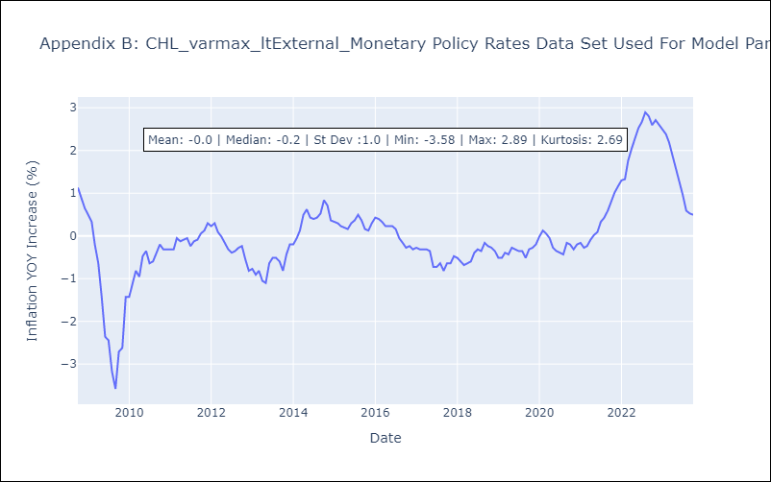

Appendix C: Residuals Analysis
Mean | -0.01
White Noise? | No - Correlation at Lags [5 6 7 8]
Normal? | No

