CHL
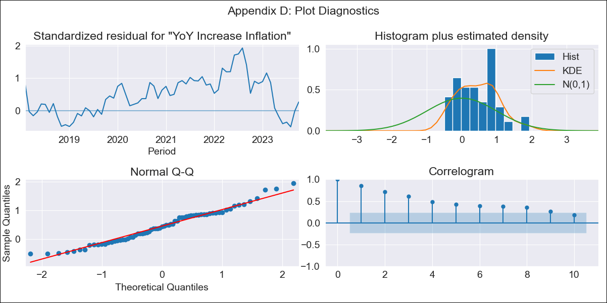
CHL - Inflation - Next 12 months forecast as of: 2023-10-01

Model | VARMAX - (2, 2, 0, 2, 0, 0, 12) | Exogenous Variables | 1.TPM Expectations (%). current month, 2.TPM Expectations (%). 1 next meetings, 3.TPM Expectations (%). 2 next meetings (3 months), 4.TPM Expectations (%). 3 next meetings, 5.TPM Expectations (%). 4 next meetings (6 months), 6.TPM Expectations (%). 12 months, 7.TPM Expectations (%). 24 months
Training Data | 2018-02-01 to 2022-11-01
Test Data | 2022-11-01 to 2023-10-01

Date | Inflation Change YoY % | Lower Bound - 95% Confidence Interval | Upper Bound - 95% Confidence Interval
2023-11-01 | 4.77 | 1.72 | 7.83
2023-12-01 | 5.23 | 2.08 | 8.38
2024-01-01 | 4.58 | 0.97 | 8.19
2024-02-01 | 4.82 | 1.13 | 8.51
2024-03-01 | 4.28 | 0.37 | 8.18
2024-04-01 | 4.34 | 0.37 | 8.31
2024-05-01 | 3.92 | -0.18 | 8.02
2024-06-01 | 3.88 | -0.28 | 8.04
2024-07-01 | 3.55 | -0.7 | 7.8
2024-08-01 | 3.46 | -0.85 | 7.76
2024-09-01 | 3.19 | -1.18 | 7.56
2024-10-01 | 3.08 | -1.34 | 7.49

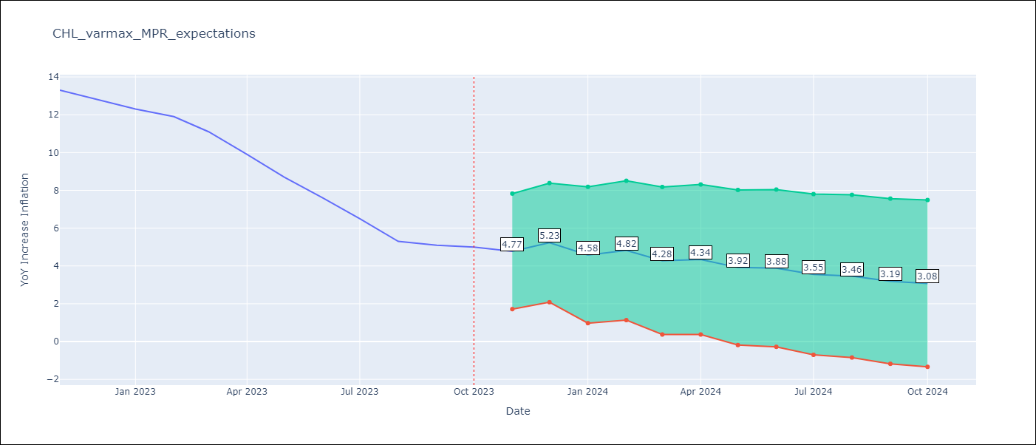

Test Metrics
RMSE | 2.4
Naive RMSE | 0.86
MAPE | 30.21%

Test Predictions
Date | Predicted | Actual
2022-11-01 | 12.84 | 13.3
2022-12-01 | 12.95 | 12.8
2023-01-01 | 12.95 | 12.3
2023-02-01 | 12.72 | 11.9
2023-03-01 | 12.39 | 11.1
2023-04-01 | 11.99 | 9.9
2023-05-01 | 11.47 | 8.7
2023-06-01 | 10.81 | 7.6
2023-07-01 | 10.04 | 6.5
2023-08-01 | 9.2 | 5.3
2023-09-01 | 8.32 | 5.1
2023-10-01 | 7.39 | 5

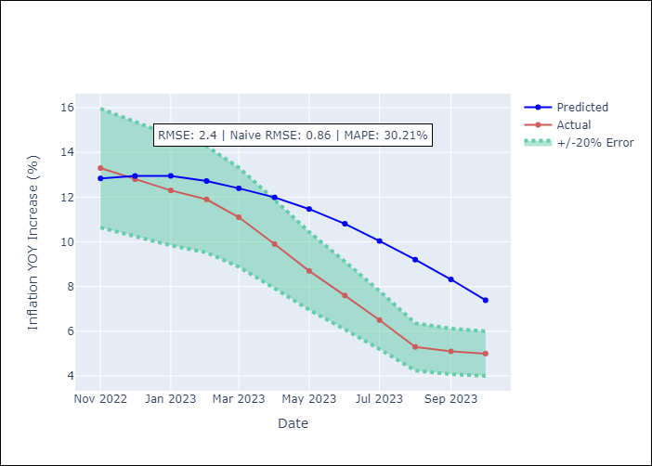

Appendix A: Model Summary
Model | VAR(2)
Sample | - 10-01-2023opg
No. of Observations | 69
Terms | P-value (Statistical significance)
L1.YoY Increase Inflation | 0.889
L1.1.TPM Expectations (%). current month | 0.053
L1.2.TPM Expectations (%). 1 next meetings | 0.035
L1.3.TPM Expectations (%). 2 next meetings (3 months) | 0.254
L1.4.TPM Expectations (%). 3 next meetings | 0.266
L1.5.TPM Expectations (%). 4 next meetings (6 months) | 0.271
L1.6.TPM Expectations (%). 12 months | 0.575
L1.7.TPM Expectations (%). 24 months | 0.815
L2.YoY Increase Inflation | 0.883
L2.1.TPM Expectations (%). current month | 0.815
L2.2.TPM Expectations (%). 1 next meetings | 0.049
L2.3.TPM Expectations (%). 2 next meetings (3 months) | 0.437
L2.4.TPM Expectations (%). 3 next meetings | 0.305
L2.5.TPM Expectations (%). 4 next meetings (6 months) | 0.173
L2.6.TPM Expectations (%). 12 months | 0.837
L2.7.TPM Expectations (%). 24 months | 0.817
Assumptions | P-value
Ljung-Box (L1) | 0.00, 0.00, 0.00, 0.01, 0.51, 0.09, 0.02, 0.10
Heteroskedasticity | 0.00, 0.00, 0.00, 0.01, 0.42, 0.01, 0.20, 0.29
Jarque-Bera | 0.46, 0.03, 0.00, 0.41, 0.21, 0.02, 0.02, 0.04
Skew | 0.31, 0.53, 1.18, 0.29, 0.09, -0.56, -0.32, -0.59
Kurtosis | 2.60, 4.16, 6.06, 3.52, 4.03, 4.24, 4.54, 3.90

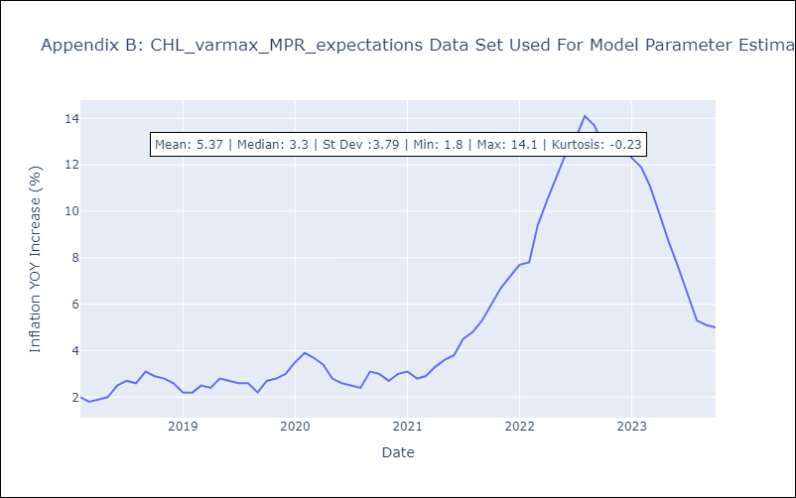

Appendix C: Residuals Analysis
Mean | 0.72
White Noise? | No - Correlation at Lags [ 1 2 3 4 5 6 7 8 9 10 11 12]
Normal? | No

