CHL
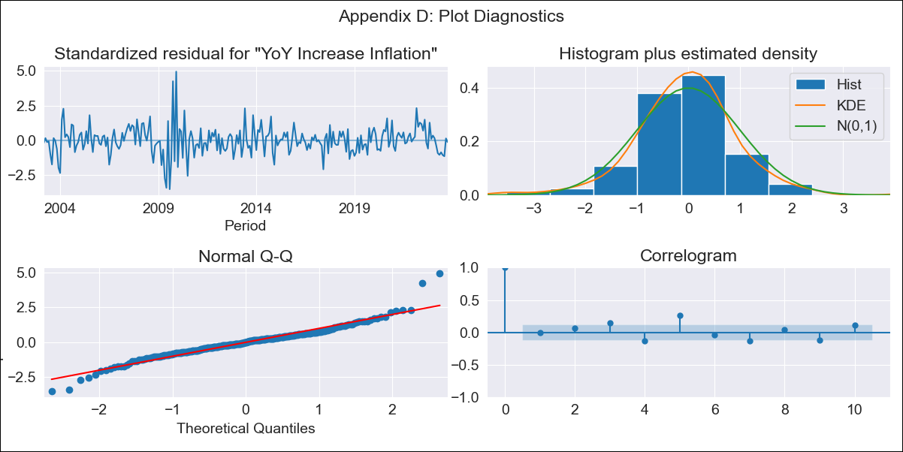
CHL - Inflation - Next 12 months forecast as of: 2023-10-01

Model | VARMAX - (2, 0, 1, 0, 0, 1, 12) | Exogenous Variables | 1.Current personal economic situation, 2.Current economic situation in the country, 3.Twelve-month economic outlook for the country, 4.Five-year economic outlook for the country, 5.Household appliance consumption expectations, 6.Economic perception index, 1.Current personal economic situation_yoy, 2.Current economic situation in the country_yoy, 3.Twelve-month economic outlook for the country_yoy, 4.Five-year economic outlook for the country_yoy, 5.Household appliance consumption expectations_yoy, 6.Economic perception index_yoy
Training Data | 2003-03-01 to 2022-11-01
Test Data | 2022-11-01 to 2023-10-01

Date | Inflation Change YoY % | Lower Bound - 95% Confidence Interval | Upper Bound - 95% Confidence Interval
2023-11-01 | 4.97 | 3.83 | 6.21
2023-12-01 | 4.85 | 3.11 | 6.84
2024-01-01 | 4.76 | 2.57 | 7.36
2024-02-01 | 4.73 | 2.19 | 7.86
2024-03-01 | 4.75 | 1.91 | 8.33
2024-04-01 | 4.78 | 1.7 | 8.75
2024-05-01 | 4.82 | 1.54 | 9.13
2024-06-01 | 4.86 | 1.41 | 9.46
2024-07-01 | 4.9 | 1.31 | 9.76
2024-08-01 | 4.94 | 1.22 | 10.02
2024-09-01 | 4.98 | 1.16 | 10.25
2024-10-01 | 5.02 | 1.1 | 10.45

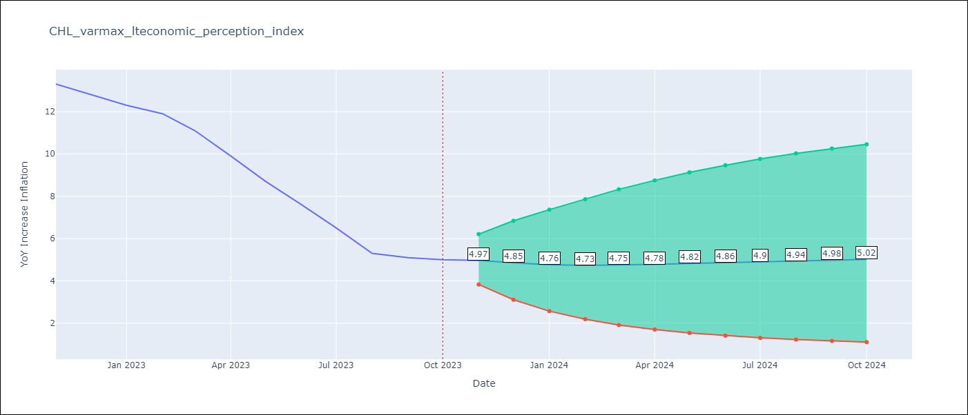

Test Metrics
RMSE | 1.54
Naive RMSE | 0.86
MAPE | 19.6%

Test Predictions
Date | Predicted | Actual
2022-11-01 | 12.5 | 13.3
2022-12-01 | 12.11 | 12.8
2023-01-01 | 11.62 | 12.3
2023-02-01 | 11.09 | 11.9
2023-03-01 | 10.55 | 11.1
2023-04-01 | 10 | 9.9
2023-05-01 | 9.47 | 8.7
2023-06-01 | 8.96 | 7.6
2023-07-01 | 8.49 | 6.5
2023-08-01 | 8.05 | 5.3
2023-09-01 | 7.66 | 5.1
2023-10-01 | 7.3 | 5

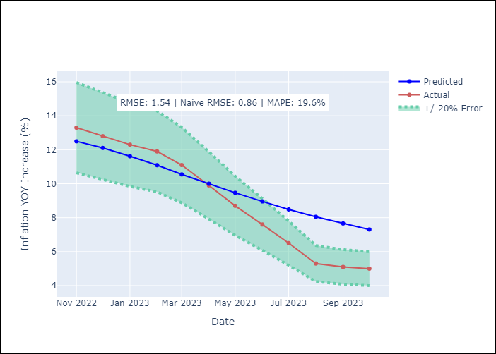

Appendix A: Model Summary
Model | VARMA(2,1)
Sample | 03-01-2003- 10-01-2023
No. of Observations | 248
Terms | P-value (Statistical significance)
intercept | 0.001
L1.YoY Increase Inflation | 0.000
L1.1.Current personal economic situation | 0.501
L1.2.Current economic situation in the country | 0.871
L1.3.Twelve-month economic outlook for the country | 0.417
L1.4.Five-year economic outlook for the country | 0.615
L1.5.Household appliance consumption expectations | 0.561
L1.6.Economic perception index | 0.012
L1.1.Current personal economic situation_yoy | 0.779
L1.2.Current economic situation in the country_yoy | 0.939
L1.3.Twelve-month economic outlook for the country_yoy | 0.900
L1.4.Five-year economic outlook for the country_yoy | 0.988
L1.5.Household appliance consumption expectations_yoy | 0.961
L1.6.Economic perception index_yoy | 0.866
L2.YoY Increase Inflation | 0.000
L2.1.Current personal economic situation | 0.353
L2.2.Current economic situation in the country | 0.959
L2.3.Twelve-month economic outlook for the country | 0.471
L2.4.Five-year economic outlook for the country | 0.468
L2.5.Household appliance consumption expectations | 0.609
L2.6.Economic perception index | 0.058
L2.1.Current personal economic situation_yoy | 0.880
L2.2.Current economic situation in the country_yoy | 0.890
L2.3.Twelve-month economic outlook for the country_yoy | 0.964
L2.4.Five-year economic outlook for the country_yoy | 0.846
L2.5.Household appliance consumption expectations_yoy | 0.991
L2.6.Economic perception index_yoy | 0.967
L1.e(YoY Increase Inflation) | 0.379
L1.e(1.Current personal economic situation) | 0.860
L1.e(2.Current economic situation in the country) | 0.905
L1.e(3.Twelve-month economic outlook for the country) | 0.910
L1.e(4.Five-year economic outlook for the country) | 0.907
L1.e(5.Household appliance consumption expectations) | 0.958
L1.e(6.Economic perception index) | 0.666
L1.e(1.Current personal economic situation_yoy) | 0.896
L1.e(2.Current economic situation in the country_yoy) | 0.984
L1.e(3.Twelve-month economic outlook for the country_yoy) | 0.947
L1.e(4.Five-year economic outlook for the country_yoy) | 0.980
L1.e(5.Household appliance consumption expectations_yoy) | 0.970
L1.e(6.Economic perception index_yoy) | 0.908
Assumptions | P-value
Ljung-Box (L1) | 0.99, 0.97, 0.95, 0.98, 0.94, 1.00, 0.94, 0.99, 0.76, 0.83, 0.98, 0.92, 0.96
Heteroskedasticity | 0.00, 0.70, 0.80, 0.78, 0.62, 0.14, 0.00, 0.00, 0.00, 0.01, 0.00, 0.02, 0.02
Jarque-Bera | 0.00, 0.11, 0.59, 0.16, 0.74, 0.00, 0.00, 0.00, 0.00, 0.00, 0.00, 0.00, 0.00
Skew | 0.39, -0.09, -0.16, 0.19, -0.11, -0.69, 0.02, 0.48, 0.72, -0.06, 0.51, 1.03, 0.02
Kurtosis | 6.79, 3.62, 2.94, 3.46, 2.93, 6.08, 8.36, 5.31, 5.10, 6.58, 4.69, 6.80, 6.01

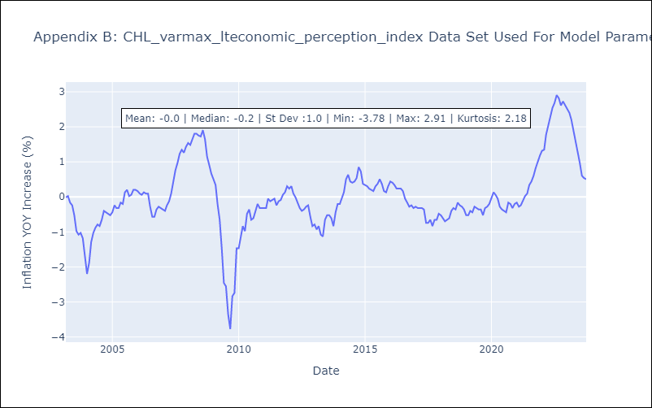

Appendix C: Residuals Analysis
Mean | -0.0
White Noise? | No - Correlation at Lags [ 4 5 6 7 8 9 10 11 12]
Normal? | No

