CHL
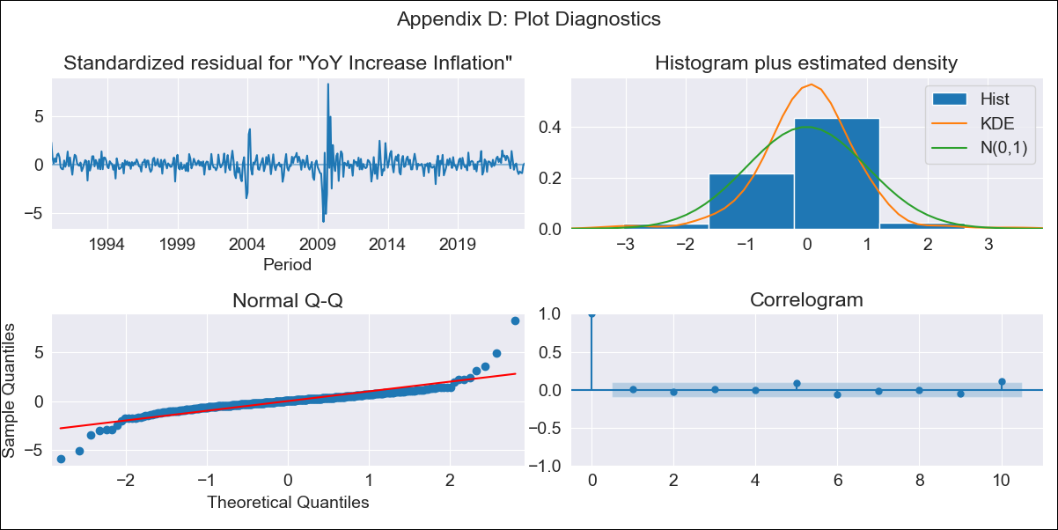
CHL - Inflation - Next 12 months forecast as of: 2023-10-01

Model | VARMAX - (3, 1, 3, 0, 0, 1, 12) | Exogenous Variables | Observed pesos/dollar , Real Exchange Rate
Training Data | 1990-01-01 to 2022-11-01
Test Data | 2022-11-01 to 2023-10-01

Date | Inflation Change YoY % | Lower Bound - 95% Confidence Interval | Upper Bound - 95% Confidence Interval
2023-11-01 | 5.49 | 3.99 | 7.29
2023-12-01 | 6.1 | 3.72 | 9.22
2024-01-01 | 6.02 | 2.97 | 10.42
2024-02-01 | 6.17 | 2.53 | 11.87
2024-03-01 | 6.11 | 2.16 | 12.62
2024-04-01 | 6.02 | 1.83 | 13.32
2024-05-01 | 5.96 | 1.59 | 13.89
2024-06-01 | 5.86 | 1.38 | 14.31
2024-07-01 | 5.79 | 1.2 | 14.72
2024-08-01 | 5.72 | 1.06 | 15.06
2024-09-01 | 5.66 | 0.93 | 15.39
2024-10-01 | 5.62 | 0.83 | 15.7

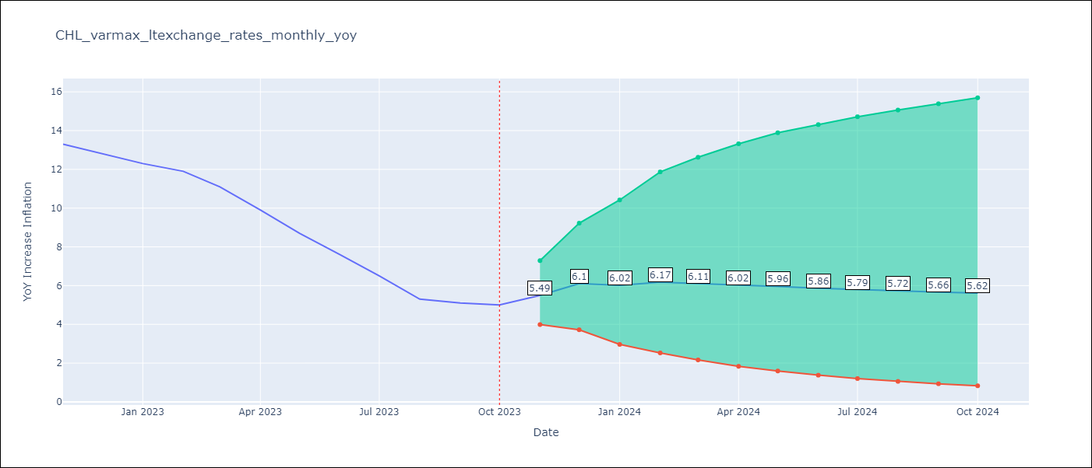

Test Metrics
RMSE | 2.71
Naive RMSE | 0.86
MAPE | 31.5%

Test Predictions
Date | Predicted | Actual
2022-11-01 | 11.18 | 13.3
2022-12-01 | 9.35 | 12.8
2023-01-01 | 9.31 | 12.3
2023-02-01 | 8.2 | 11.9
2023-03-01 | 8.04 | 11.1
2023-04-01 | 7.93 | 9.9
2023-05-01 | 7.76 | 8.7
2023-06-01 | 7.99 | 7.6
2023-07-01 | 8.06 | 6.5
2023-08-01 | 8.24 | 5.3
2023-09-01 | 8.45 | 5.1
2023-10-01 | 8.55 | 5

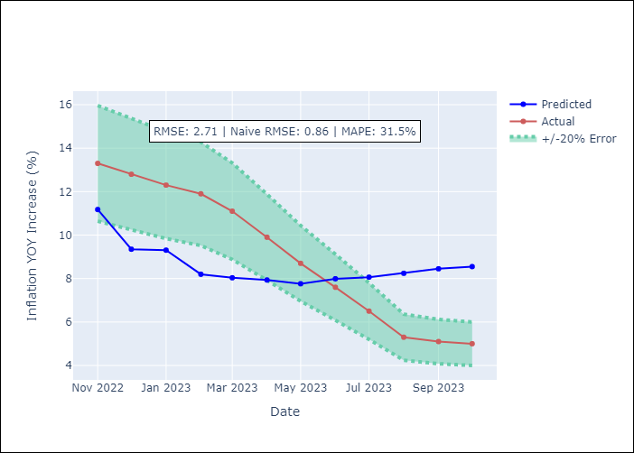

Appendix A: Model Summary
Model | VARMA(3,3)
Sample | - 10-01-2023opg
No. of Observations | 406
Terms | P-value (Statistical significance)
L1.YoY Increase Inflation | 0.017
L1.Observed pesos/dollar | 0.787
L1.Real Exchange Rate | 0.921
L2.YoY Increase Inflation | 0.958
L2.Observed pesos/dollar | 0.309
L2.Real Exchange Rate | 0.620
L3.YoY Increase Inflation | 0.944
L3.Observed pesos/dollar | 0.097
L3.Real Exchange Rate | 0.360
L1.e(YoY Increase Inflation) | 0.764
L1.e(Observed pesos/dollar ) | 0.798
L1.e(Real Exchange Rate ) | 0.934
L2.e(YoY Increase Inflation) | 0.587
L2.e(Observed pesos/dollar ) | 0.540
L2.e(Real Exchange Rate ) | 0.755
L3.e(YoY Increase Inflation) | 0.831
L3.e(Observed pesos/dollar ) | 0.262
L3.e(Real Exchange Rate ) | 0.647
Assumptions | P-value
Ljung-Box (L1) | 0.88, 0.69, 0.73
Heteroskedasticity | 0.02, 0.00, 0.00
Jarque-Bera | 0.00, 0.00, 0.00
Skew | 0.72, 0.30, 0.13
Kurtosis | 20.37, 6.89, 3.82

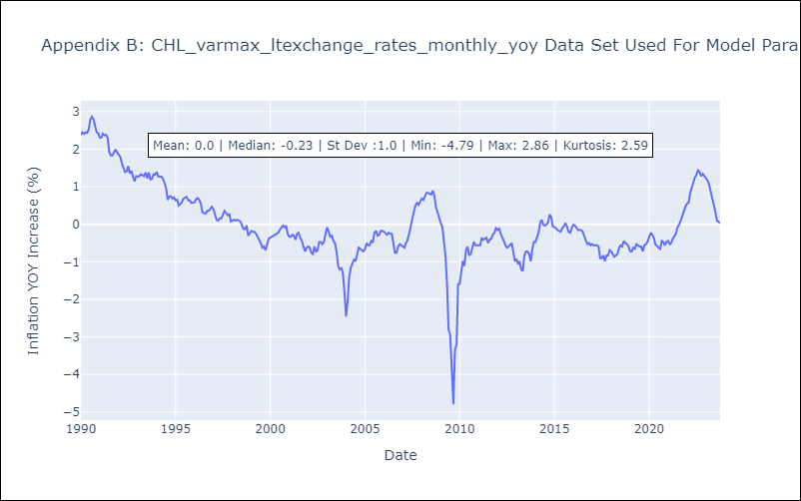

Appendix C: Residuals Analysis
Mean | 0.01
White Noise? | Yes
Normal? | No

