CHL
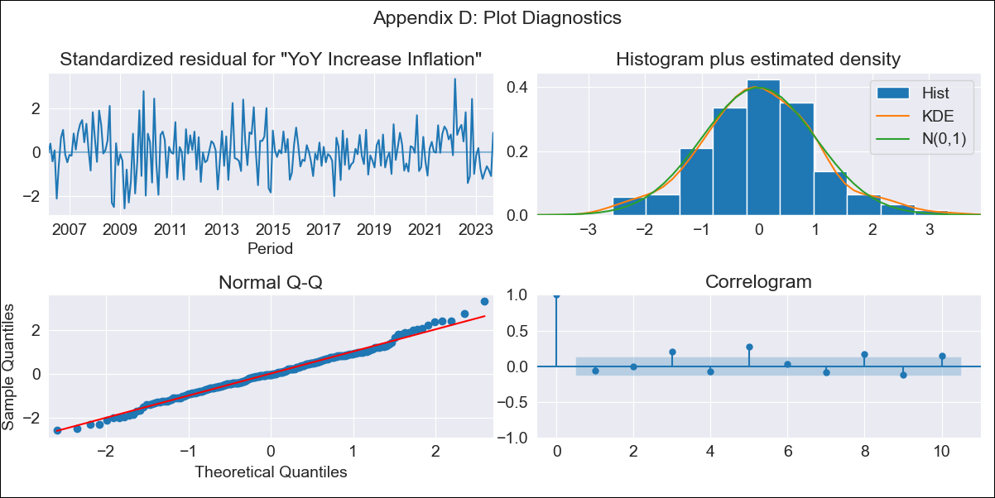
CHL - Inflation - Next 12 months forecast as of: 2023-09-01

Model | VARMAX - (2, 0, 1, 0, 0, 1, 12) | Exogenous Variables | Ahorro Bruto, Consumo Final Efectivo
Training Data | 2006-03-01 to 2022-10-01
Test Data | 2022-10-01 to 2023-09-01

Date | Inflation Change YoY % | Lower Bound - 95% Confidence Interval | Upper Bound - 95% Confidence Interval
2023-10-01 | 4.96 | 4.04 | 5.87
2023-11-01 | 4.87 | 3.26 | 6.48
2023-12-01 | 4.8 | 2.6 | 7
2024-01-01 | 4.73 | 2.03 | 7.42
2024-02-01 | 4.64 | 1.53 | 7.75
2024-03-01 | 4.55 | 1.09 | 8.01
2024-04-01 | 4.45 | 0.7 | 8.2
2024-05-01 | 4.36 | 0.36 | 8.36
2024-06-01 | 4.27 | 0.05 | 8.49
2024-07-01 | 4.2 | -0.21 | 8.6
2024-08-01 | 4.13 | -0.43 | 8.7
2024-09-01 | 4.08 | -0.62 | 8.78

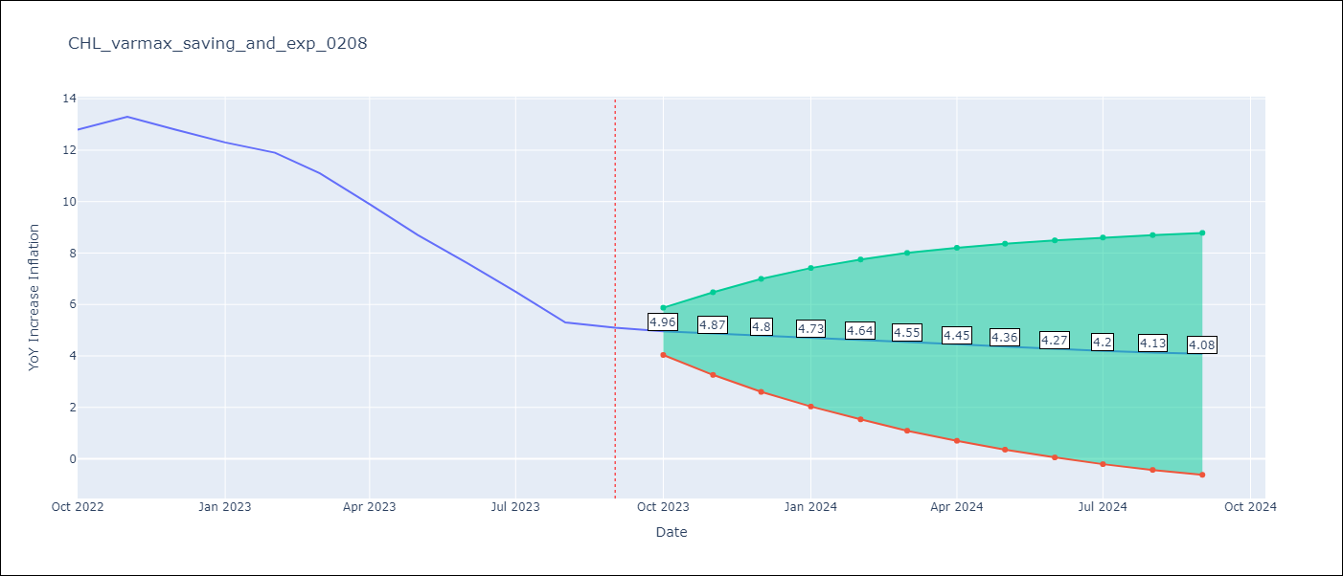

Test Metrics
RMSE | 3.69
Naive RMSE | 0.87
MAPE | 42.42%

Test Predictions
Date | Predicted | Actual
2022-10-01 | 13.54 | 12.8
2022-11-01 | 13.42 | 13.3
2022-12-01 | 13.3 | 12.8
2023-01-01 | 13.17 | 12.3
2023-02-01 | 13.01 | 11.9
2023-03-01 | 12.84 | 11.1
2023-04-01 | 12.65 | 9.9
2023-05-01 | 12.44 | 8.7
2023-06-01 | 12.23 | 7.6
2023-07-01 | 12.02 | 6.5
2023-08-01 | 11.8 | 5.3
2023-09-01 | 11.58 | 5.1

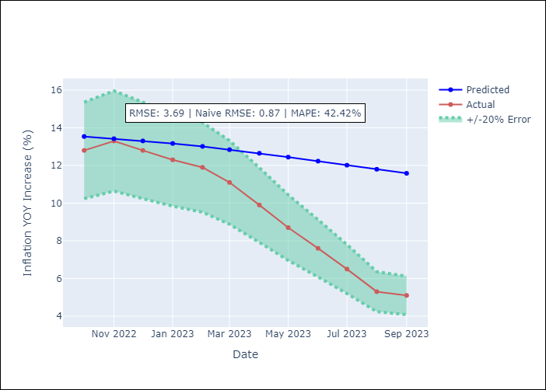

Appendix A: Model Summary
Model | VARMA(2,1)
Sample | 03-01-2006- 09-01-2023
No. of Observations | 211
Terms | P-value (Statistical significance)
intercept | 0.256
L1.YoY Increase Inflation | 0.000
L1.Ahorro Bruto | 0.712
L1.Consumo Final Efectivo | 0.871
L2.YoY Increase Inflation | 0.000
L2.Ahorro Bruto | 0.962
L2.Consumo Final Efectivo | 0.888
L1.e(YoY Increase Inflation) | 0.577
L1.e(Ahorro Bruto) | 0.995
L1.e(Consumo Final Efectivo) | 0.900
Assumptions | P-value
Ljung-Box (L1) | 0.38, 0.55, 0.57
Heteroskedasticity | 0.03, 0.00, 0.00
Jarque-Bera | 0.28, 0.00, 0.00
Skew | 0.16, 0.17, -1.10
Kurtosis | 3.43, 9.82, 32.47

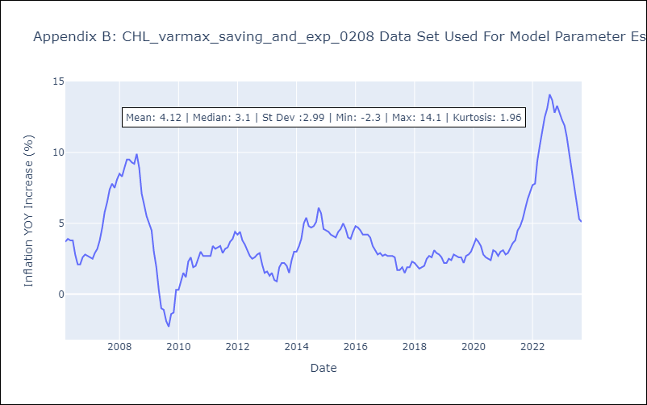

Appendix C: Residuals Analysis
Mean | 0.01
White Noise? | No - Correlation at Lags [ 3 4 5 6 7 8 9 10 11 12]
Normal? | No

