CHL
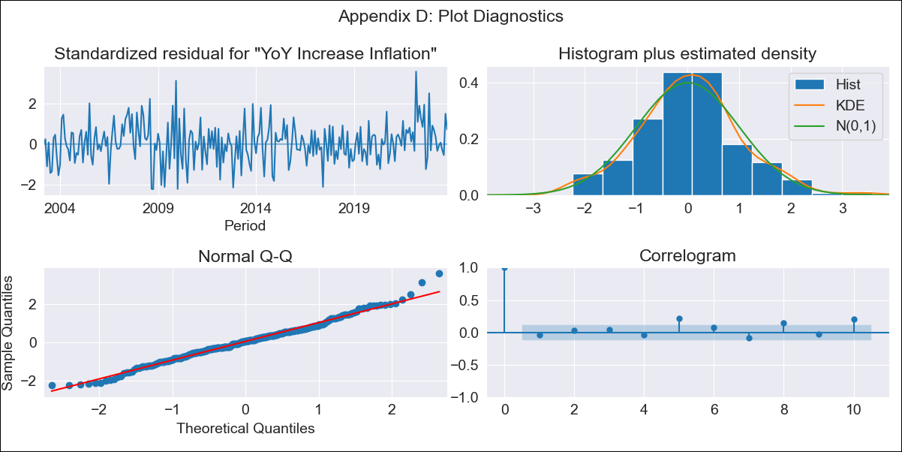
CHL - Inflation - Next 12 months forecast as of: 2023-10-01

Model | VARMAX - (3, 0, 2, 0, 0, 1, 12) | Exogenous Variables | Current Account
Training Data | 2003-03-01 to 2022-11-01
Test Data | 2022-11-01 to 2023-10-01

Date | Inflation Change YoY % | Lower Bound - 95% Confidence Interval | Upper Bound - 95% Confidence Interval
2023-11-01 | 4.57 | 3.67 | 5.46
2023-12-01 | 4.21 | 2.66 | 5.77
2024-01-01 | 3.88 | 1.84 | 5.93
2024-02-01 | 3.6 | 1.08 | 6.12
2024-03-01 | 3.36 | 0.43 | 6.29
2024-04-01 | 3.16 | -0.13 | 6.46
2024-05-01 | 3.02 | -0.59 | 6.62
2024-06-01 | 2.91 | -0.96 | 6.78
2024-07-01 | 2.85 | -1.24 | 6.93
2024-08-01 | 2.82 | -1.44 | 7.08
2024-09-01 | 2.82 | -1.58 | 7.21
2024-10-01 | 2.84 | -1.65 | 7.34

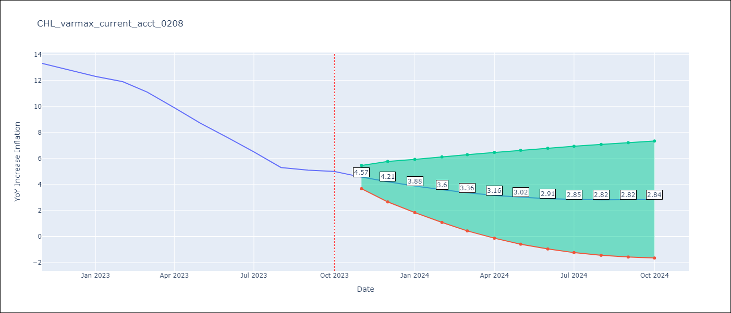

Test Metrics
RMSE | 2.81
Naive RMSE | 0.86
MAPE | 35.81%

Test Predictions
Date | Predicted | Actual
2022-11-01 | 12.09 | 13.3
2022-12-01 | 11.16 | 12.8
2023-01-01 | 10.15 | 12.3
2023-02-01 | 9.05 | 11.9
2023-03-01 | 7.93 | 11.1
2023-04-01 | 6.8 | 9.9
2023-05-01 | 5.69 | 8.7
2023-06-01 | 4.61 | 7.6
2023-07-01 | 3.61 | 6.5
2023-08-01 | 2.7 | 5.3
2023-09-01 | 1.89 | 5.1
2023-10-01 | 1.19 | 5

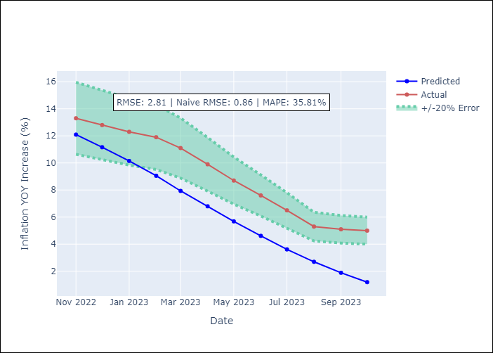

Appendix A: Model Summary
Model | VARMA(3,2)
Sample | 03-01-2003- 10-01-2023
No. of Observations | 248
Terms | P-value (Statistical significance)
intercept | 0.003
L1.YoY Increase Inflation | 0.000
L1.Current Account | 0.985
L2.YoY Increase Inflation | 0.791
L2.Current Account | 0.919
L3.YoY Increase Inflation | 0.005
L3.Current Account | 0.783
L1.e(YoY Increase Inflation) | 0.595
L1.e(Current Account) | 0.944
L2.e(YoY Increase Inflation) | 0.000
L2.e(Current Account) | 0.807
Assumptions | P-value
Ljung-Box (L1) | 0.52, 0.51
Heteroskedasticity | 0.12, 0.00
Jarque-Bera | 0.07, 0.00
Skew | 0.22, -0.68
Kurtosis | 3.57, 6.74

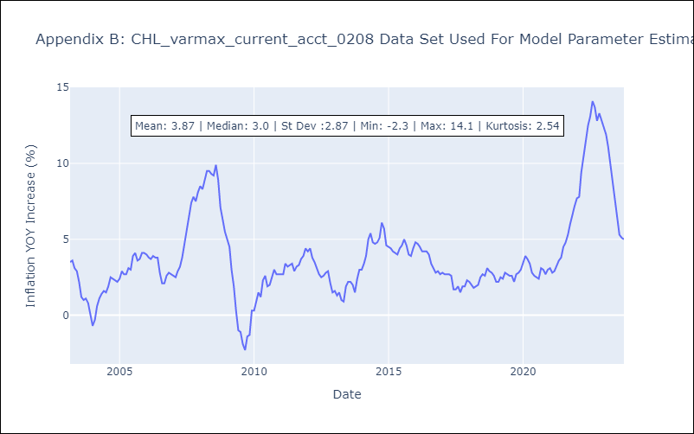

Appendix C: Residuals Analysis
Mean | 0.02
White Noise? | No - Correlation at Lags [ 5 6 7 8 9 10 11 12]
Normal? | No

