CHL
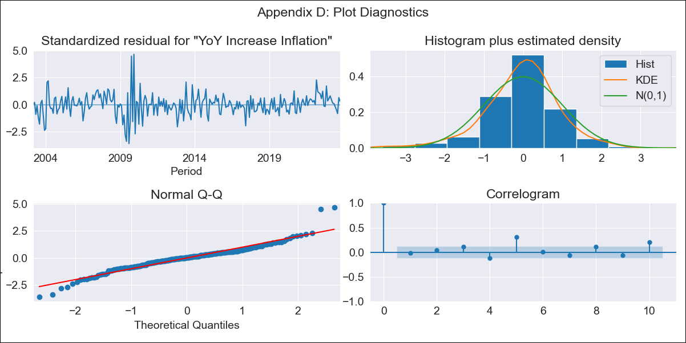
CHL - Inflation - Next 12 months forecast as of: 2023-10-01

Model | VARMAX - (2, 0, 1, 0, 0, 1, 12) | Exogenous Variables | Current Account
Training Data | 2003-03-01 to 2022-11-01
Test Data | 2022-11-01 to 2023-10-01

Date | Inflation Change YoY % | Lower Bound - 95% Confidence Interval | Upper Bound - 95% Confidence Interval
2023-11-01 | 4.84 | 3.66 | 6.12
2023-12-01 | 4.7 | 2.88 | 6.79
2024-01-01 | 4.56 | 2.25 | 7.36
2024-02-01 | 4.44 | 1.75 | 7.83
2024-03-01 | 4.31 | 1.35 | 8.2
2024-04-01 | 4.2 | 1.03 | 8.48
2024-05-01 | 4.09 | 0.79 | 8.68
2024-06-01 | 3.99 | 0.6 | 8.81
2024-07-01 | 3.91 | 0.45 | 8.89
2024-08-01 | 3.83 | 0.34 | 8.94
2024-09-01 | 3.77 | 0.26 | 8.95
2024-10-01 | 3.71 | 0.2 | 8.95

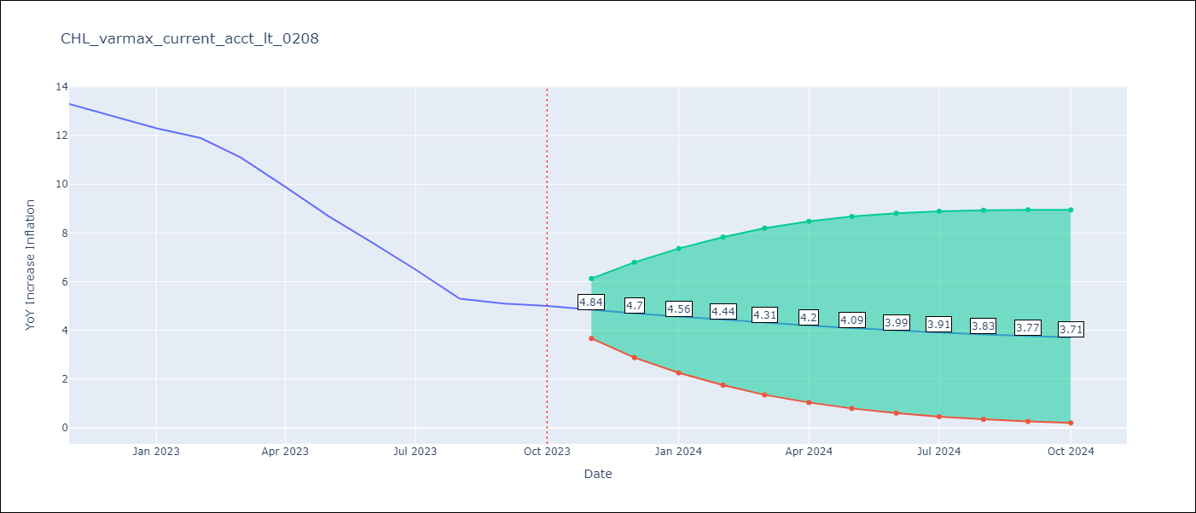

Test Metrics
RMSE | 3.18
Naive RMSE | 0.86
MAPE | 38.02%

Test Predictions
Date | Predicted | Actual
2022-11-01 | 11.79 | 13.3
2022-12-01 | 10.6 | 12.8
2023-01-01 | 9.34 | 12.3
2023-02-01 | 8.1 | 11.9
2023-03-01 | 6.93 | 11.1
2023-04-01 | 5.86 | 9.9
2023-05-01 | 4.91 | 8.7
2023-06-01 | 4.1 | 7.6
2023-07-01 | 3.42 | 6.5
2023-08-01 | 2.87 | 5.3
2023-09-01 | 2.43 | 5.1
2023-10-01 | 2.09 | 5

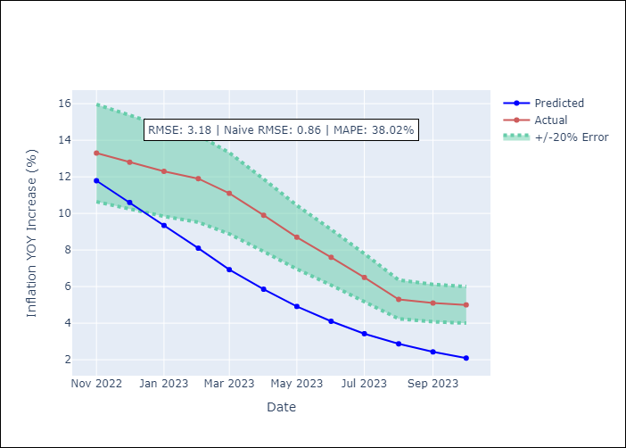

Appendix A: Model Summary
Model | VARMA(2,1)
Sample | 03-01-2003- 10-01-2023
No. of Observations | 248
Terms | P-value (Statistical significance)
intercept | 0.475
L1.YoY Increase Inflation | 0.000
L1.Current Account | 0.267
L2.YoY Increase Inflation | 0.000
L2.Current Account | 0.333
L1.e(YoY Increase Inflation) | 0.001
L1.e(Current Account) | 0.679
Assumptions | P-value
Ljung-Box (L1) | 0.84, 0.46
Heteroskedasticity | 0.00, 0.00
Jarque-Bera | 0.00, 0.00
Skew | 0.24, -0.84
Kurtosis | 6.80, 7.01

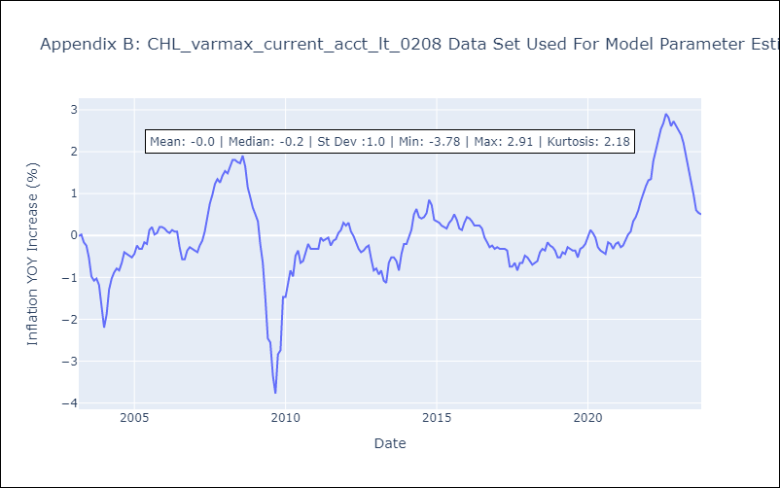

Appendix C: Residuals Analysis
Mean | -0.0
White Noise? | No - Correlation at Lags [ 5 6 7 8 9 10 11 12]
Normal? | No

