CHL
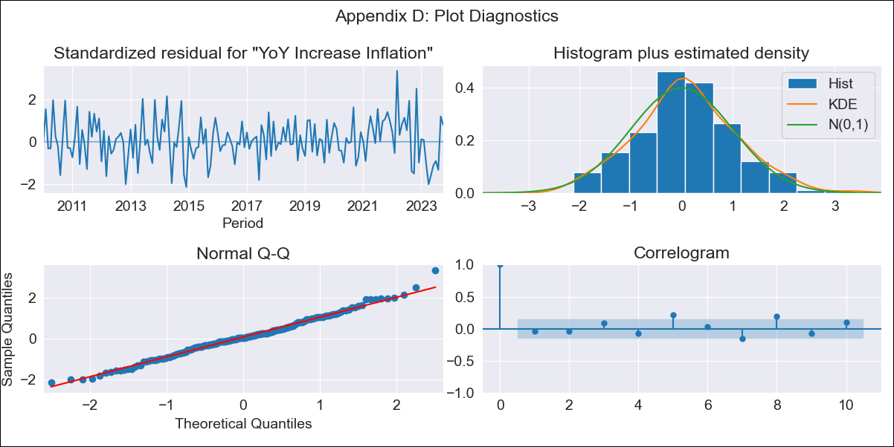
CHL - Inflation - Next 12 months forecast as of: 2023-10-01

Model | VARMAX - (2, 1, 2, 0, 0, 1, 12) | Exogenous Variables | 2.CPI without volatiles, 5.CPI Volatile
Training Data | 2010-01-01 to 2022-11-01
Test Data | 2022-11-01 to 2023-10-01

Date | Inflation Change YoY % | Lower Bound - 95% Confidence Interval | Upper Bound - 95% Confidence Interval
2023-11-01 | 4.74 | 3.91 | 5.58
2023-12-01 | 4.55 | 3.1 | 5.99
2024-01-01 | 4.41 | 2.47 | 6.36
2024-02-01 | 4.29 | 1.88 | 6.69
2024-03-01 | 4.16 | 1.33 | 6.99
2024-04-01 | 4.04 | 0.82 | 7.25
2024-05-01 | 3.92 | 0.35 | 7.49
2024-06-01 | 3.82 | -0.08 | 7.71
2024-07-01 | 3.72 | -0.48 | 7.91
2024-08-01 | 3.62 | -0.84 | 8.09
2024-09-01 | 3.54 | -1.19 | 8.26
2024-10-01 | 3.46 | -1.51 | 8.42

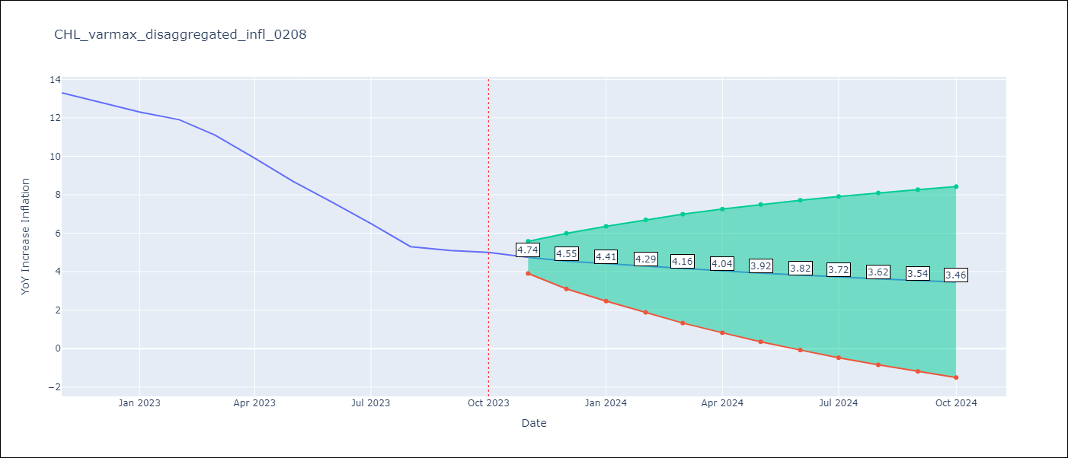

Test Metrics
RMSE | 3.0
Naive RMSE | 0.86
MAPE | 37.93%

Test Predictions
Date | Predicted | Actual
2022-11-01 | 12.16 | 13.3
2022-12-01 | 11.75 | 12.8
2023-01-01 | 11.69 | 12.3
2023-02-01 | 11.45 | 11.9
2023-03-01 | 11.26 | 11.1
2023-04-01 | 11.08 | 9.9
2023-05-01 | 10.87 | 8.7
2023-06-01 | 10.68 | 7.6
2023-07-01 | 10.48 | 6.5
2023-08-01 | 10.28 | 5.3
2023-09-01 | 10.09 | 5.1
2023-10-01 | 9.9 | 5

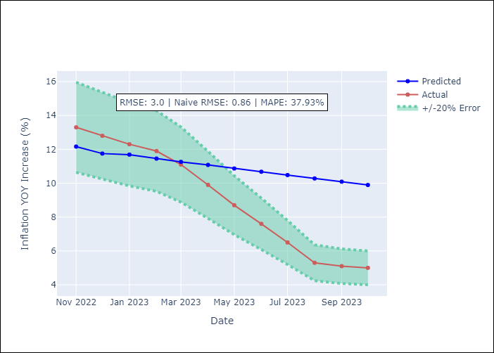

Appendix A: Model Summary
Model | VARMA(2,2)
Sample | - 10-01-2023opg
No. of Observations | 166
Terms | P-value (Statistical significance)
L1.YoY Increase Inflation | 0.257
L1.2.CPI without volatiles | 0.445
L1.5.CPI Volatile | 0.525
L2.YoY Increase Inflation | 0.718
L2.2.CPI without volatiles | 0.450
L2.5.CPI Volatile | 0.357
L1.e(YoY Increase Inflation) | 0.964
L1.e(2.CPI without volatiles) | 0.965
L1.e(5.CPI Volatile) | 0.926
L2.e(YoY Increase Inflation) | 0.488
L2.e(2.CPI without volatiles) | 0.267
L2.e(5.CPI Volatile) | 0.830
Assumptions | P-value
Ljung-Box (L1) | 0.58, 0.89, 0.05
Heteroskedasticity | 0.66, 0.01, 0.00
Jarque-Bera | 0.47, 0.05, 0.00
Skew | 0.21, -0.38, -0.12
Kurtosis | 3.21, 3.55, 9.77

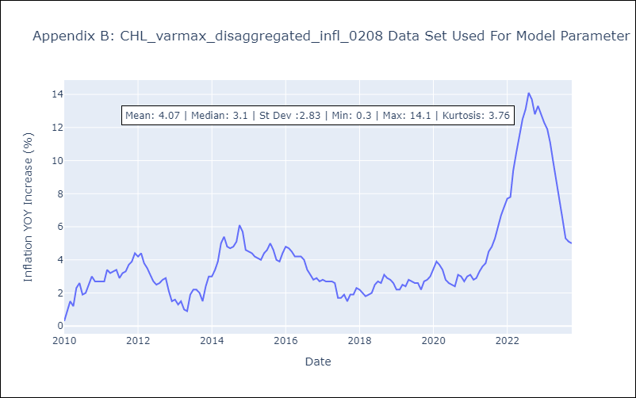

Appendix C: Residuals Analysis
Mean | 0.04
White Noise? | No - Correlation at Lags [ 7 8 9 10 11 12]
Normal? | No

