CHL
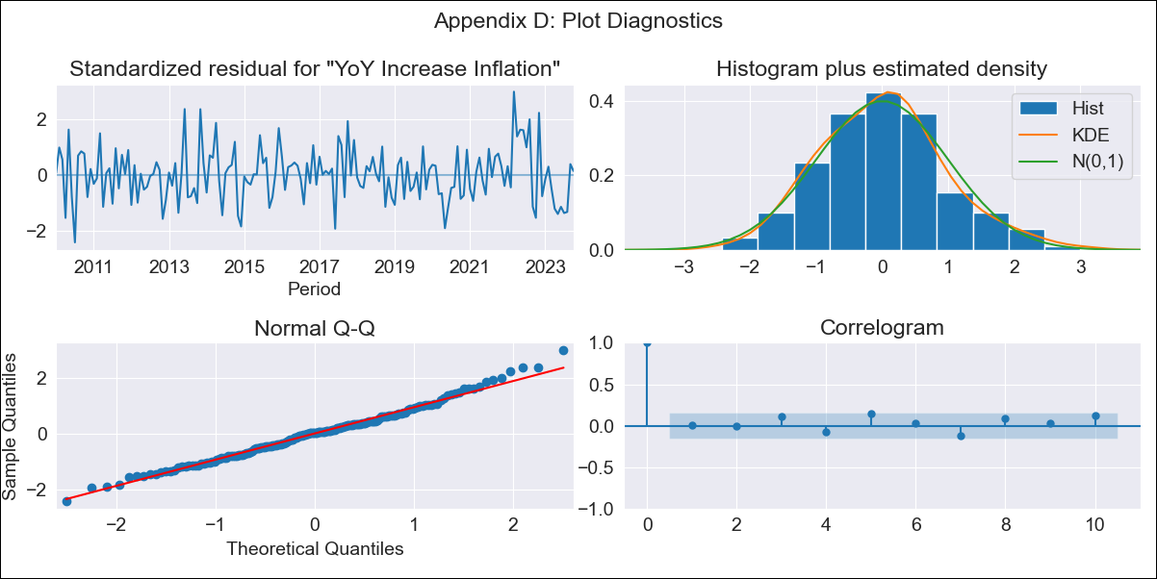
CHL - Inflation - Next 12 months forecast as of: 2023-10-01

Model | VARMAX - (2, 1, 2, 0, 0, 1, 12) | Exogenous Variables | 1.Current personal economic situation, 2.Current economic situation in the country, 3.Twelve-month economic outlook for the country, 4.Five-year economic outlook for the country, 5.Household appliance consumption expectations, 6.Economic perception index, Uncertainty Index_Chile
Training Data | 2010-01-01 to 2022-11-01
Test Data | 2022-11-01 to 2023-10-01

Date | Inflation Change YoY % | Lower Bound - 95% Confidence Interval | Upper Bound - 95% Confidence Interval
2023-11-01 | 5.15 | 4.31 | 6
2023-12-01 | 5.3 | 3.89 | 6.71
2024-01-01 | 5.43 | 3.55 | 7.31
2024-02-01 | 5.58 | 3.3 | 7.85
2024-03-01 | 5.71 | 3.1 | 8.32
2024-04-01 | 5.83 | 2.92 | 8.73
2024-05-01 | 5.92 | 2.76 | 9.09
2024-06-01 | 6 | 2.61 | 9.4
2024-07-01 | 6.06 | 2.46 | 9.66
2024-08-01 | 6.1 | 2.31 | 9.89
2024-09-01 | 6.13 | 2.17 | 10.08
2024-10-01 | 6.14 | 2.03 | 10.24

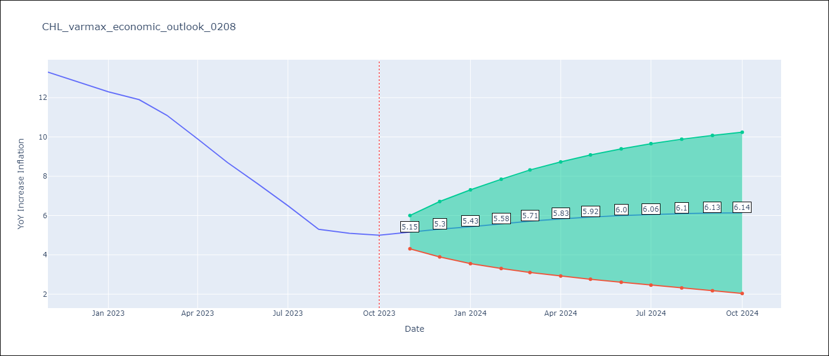

Test Metrics
RMSE | 4.16
Naive RMSE | 0.86
MAPE | 52.61%

Test Predictions
Date | Predicted | Actual
2022-11-01 | 12.65 | 13.3
2022-12-01 | 12.69 | 12.8
2023-01-01 | 12.7 | 12.3
2023-02-01 | 12.67 | 11.9
2023-03-01 | 12.61 | 11.1
2023-04-01 | 12.51 | 9.9
2023-05-01 | 12.39 | 8.7
2023-06-01 | 12.25 | 7.6
2023-07-01 | 12.09 | 6.5
2023-08-01 | 11.92 | 5.3
2023-09-01 | 11.74 | 5.1
2023-10-01 | 11.56 | 5

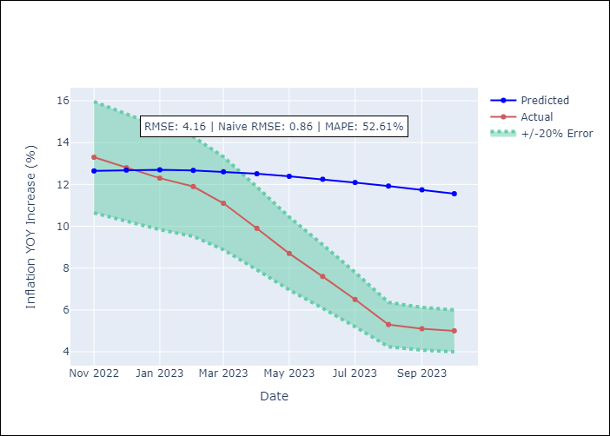

Appendix A: Model Summary
Model | VARMA(2,2)
Sample | - 10-01-2023opg
No. of Observations | 166
Terms | P-value (Statistical significance)
L1.YoY Increase Inflation | 0.000
L1.1.Current personal economic situation | 0.482
L1.2.Current economic situation in the country | 0.408
L1.3.Twelve-month economic outlook for the country | 0.420
L1.4.Five-year economic outlook for the country | 0.552
L1.5.Household appliance consumption expectations | 0.449
L1.6.Economic perception index | 0.000
L1.Uncertainty Index_Chile | 0.905
L2.YoY Increase Inflation | 0.003
L2.1.Current personal economic situation | 0.208
L2.2.Current economic situation in the country | 0.228
L2.3.Twelve-month economic outlook for the country | 0.147
L2.4.Five-year economic outlook for the country | 0.151
L2.5.Household appliance consumption expectations | 0.179
L2.6.Economic perception index | 0.000
L2.Uncertainty Index_Chile | 0.996
L1.e(YoY Increase Inflation) | 0.933
L1.e(1.Current personal economic situation) | 0.496
L1.e(2.Current economic situation in the country) | 0.400
L1.e(3.Twelve-month economic outlook for the country) | 0.365
L1.e(4.Five-year economic outlook for the country) | 0.380
L1.e(5.Household appliance consumption expectations) | 0.339
L1.e(6.Economic perception index) | 0.000
L1.e(Uncertainty Index_Chile) | 0.983
L2.e(YoY Increase Inflation) | 0.988
L2.e(1.Current personal economic situation) | 0.768
L2.e(2.Current economic situation in the country) | 0.683
L2.e(3.Twelve-month economic outlook for the country) | 0.694
L2.e(4.Five-year economic outlook for the country) | 0.646
L2.e(5.Household appliance consumption expectations) | 0.631
L2.e(6.Economic perception index) | 0.001
L2.e(Uncertainty Index_Chile) | 0.956
Assumptions | P-value
Ljung-Box (L1) | 0.92, 0.81, 0.80, 0.95, 0.35, 0.40, 0.96, 0.94
Heteroskedasticity | 0.72, 0.38, 0.35, 0.69, 0.91, 0.52, 0.00, 0.00
Jarque-Bera | 0.24, 0.00, 0.62, 0.72, 0.98, 0.00, 0.69, 0.00
Skew | 0.30, -0.43, -0.18, 0.07, 0.02, -0.75, -0.14, 0.63
Kurtosis | 3.21, 4.22, 2.89, 2.73, 3.05, 5.93, 3.18, 4.17

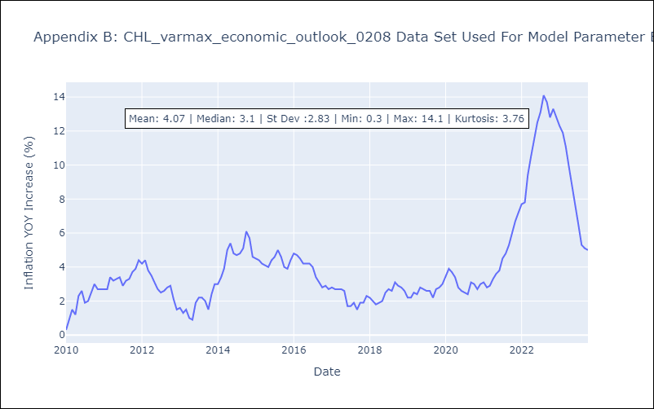

Appendix C: Residuals Analysis
Mean | 0.01
White Noise? | No - Correlation at Lags [12]
Normal? | No

