CHL
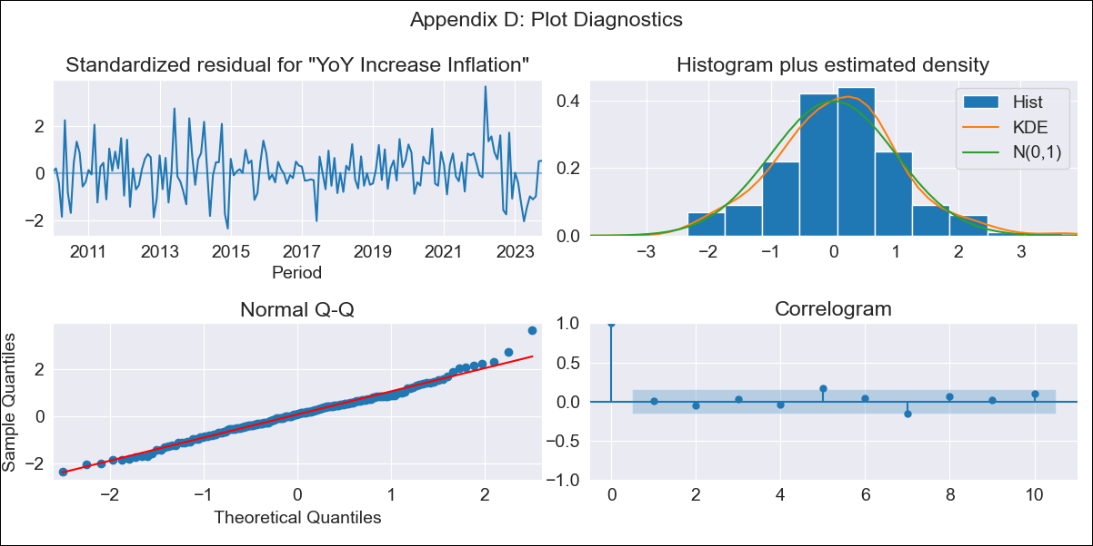
CHL - Inflation - Next 12 months forecast as of: 2023-10-01

Model | VARMAX - (2, 1, 2, 0, 0, 1, 12) | Exogenous Variables | Price of troy ounce of gold (dollars/oz), BML price of refined copper (dollars/pound)
Training Data | 2010-01-01 to 2022-11-01
Test Data | 2022-11-01 to 2023-10-01

Date | Inflation Change YoY % | Lower Bound - 95% Confidence Interval | Upper Bound - 95% Confidence Interval
2023-11-01 | 4.73 | 3.91 | 5.54
2023-12-01 | 4.52 | 3.16 | 5.88
2024-01-01 | 4.34 | 2.53 | 6.15
2024-02-01 | 4.18 | 1.94 | 6.42
2024-03-01 | 4.03 | 1.39 | 6.66
2024-04-01 | 3.88 | 0.88 | 6.89
2024-05-01 | 3.75 | 0.41 | 7.1
2024-06-01 | 3.63 | -0.04 | 7.3
2024-07-01 | 3.52 | -0.45 | 7.49
2024-08-01 | 3.42 | -0.84 | 7.67
2024-09-01 | 3.32 | -1.2 | 7.85
2024-10-01 | 3.24 | -1.53 | 8.01

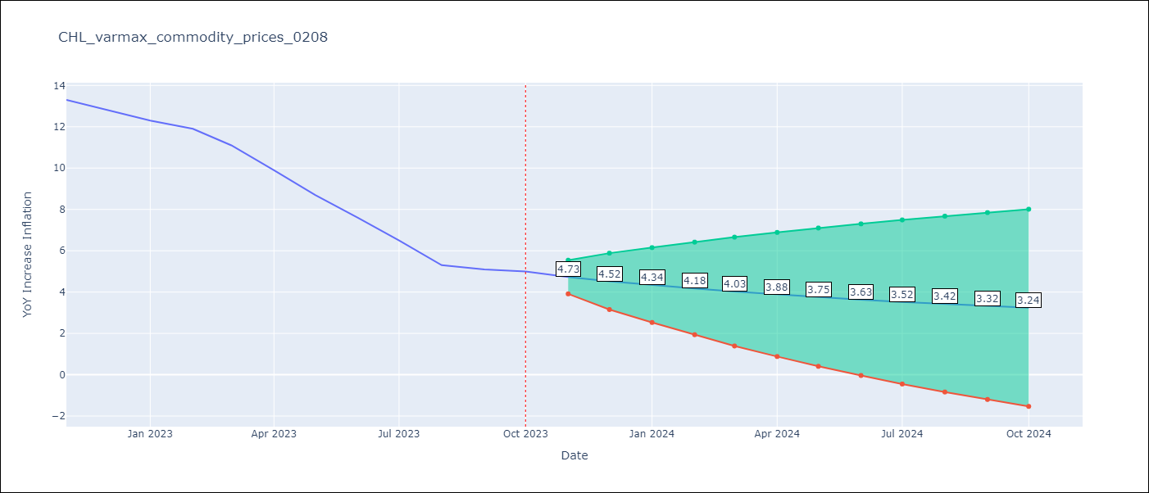

Test Metrics
RMSE | 5.69
Naive RMSE | 0.86
MAPE | 72.52%

Test Predictions
Date | Predicted | Actual
2022-11-01 | 13.02 | 13.3
2022-12-01 | 13.15 | 12.8
2023-01-01 | 13.27 | 12.3
2023-02-01 | 13.61 | 11.9
2023-03-01 | 13.62 | 11.1
2023-04-01 | 13.81 | 9.9
2023-05-01 | 13.87 | 8.7
2023-06-01 | 13.99 | 7.6
2023-07-01 | 14 | 6.5
2023-08-01 | 14.07 | 5.3
2023-09-01 | 14.05 | 5.1
2023-10-01 | 14.06 | 5

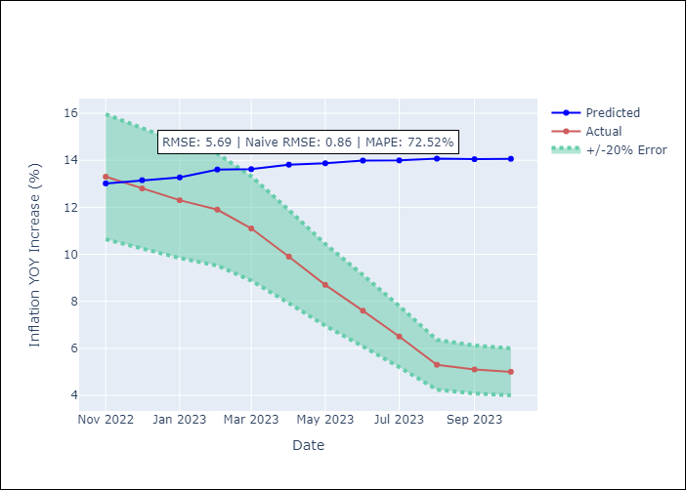

Appendix A: Model Summary
Model | VARMA(2,2)
Sample | - 10-01-2023opg
No. of Observations | 166
Terms | P-value (Statistical significance)
L1.YoY Increase Inflation | 0.002
L1.Price of troy ounce of gold (dollars/oz) | 0.545
L1.BML price of refined copper (dollars/pound) | 0.738
L2.YoY Increase Inflation | 0.175
L2.Price of troy ounce of gold (dollars/oz) | 0.514
L2.BML price of refined copper (dollars/pound) | 0.796
L1.e(YoY Increase Inflation) | 0.474
L1.e(Price of troy ounce of gold (dollars/oz)) | 0.452
L1.e(BML price of refined copper (dollars/pound)) | 0.628
L2.e(YoY Increase Inflation) | 0.886
L2.e(Price of troy ounce of gold (dollars/oz)) | 0.902
L2.e(BML price of refined copper (dollars/pound)) | 0.900
Assumptions | P-value
Ljung-Box (L1) | 0.94, 0.68, 0.49
Heteroskedasticity | 0.73, 0.27, 0.60
Jarque-Bera | 0.08, 0.95, 0.25
Skew | 0.26, -0.02, -0.12
Kurtosis | 3.67, 2.89, 3.59

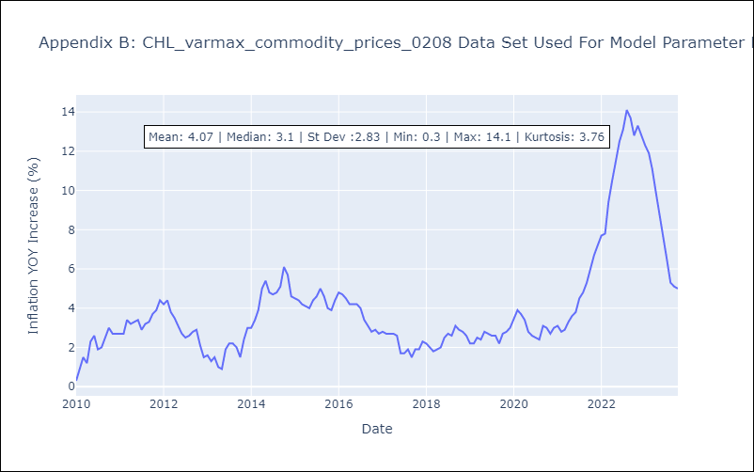

Appendix C: Residuals Analysis
Mean | 0.04
White Noise? | No - Correlation at Lags [12]
Normal? | No

