CHL
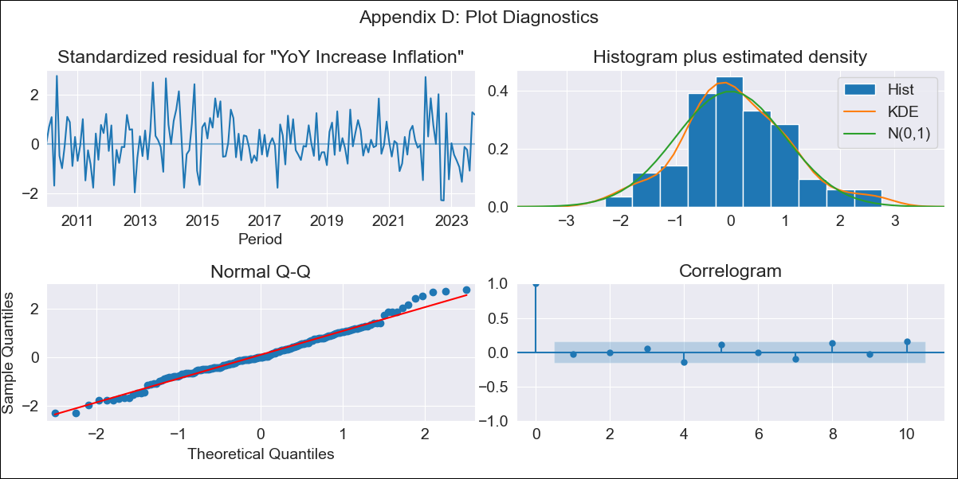
CHL - Inflation - Next 12 months forecast as of: 2023-10-01

Model | VARMAX - (2, 1, 2, 0, 0, 1, 12) | Exogenous Variables | CPI_United States
Training Data | 2010-01-01 to 2022-11-01
Test Data | 2022-11-01 to 2023-10-01

Date | Inflation Change YoY % | Lower Bound - 95% Confidence Interval | Upper Bound - 95% Confidence Interval
2023-11-01 | 4.18 | 3.42 | 4.95
2023-12-01 | 3.38 | 2.14 | 4.63
2024-01-01 | 2.74 | 1.15 | 4.33
2024-02-01 | 2.15 | 0.2 | 4.1
2024-03-01 | 1.61 | -0.73 | 3.95
2024-04-01 | 1.1 | -1.65 | 3.85
2024-05-01 | 0.63 | -2.53 | 3.8
2024-06-01 | 0.21 | -3.39 | 3.8
2024-07-01 | -0.18 | -4.2 | 3.84
2024-08-01 | -0.53 | -4.97 | 3.92
2024-09-01 | -0.83 | -5.7 | 4.03
2024-10-01 | -1.1 | -6.38 | 4.17

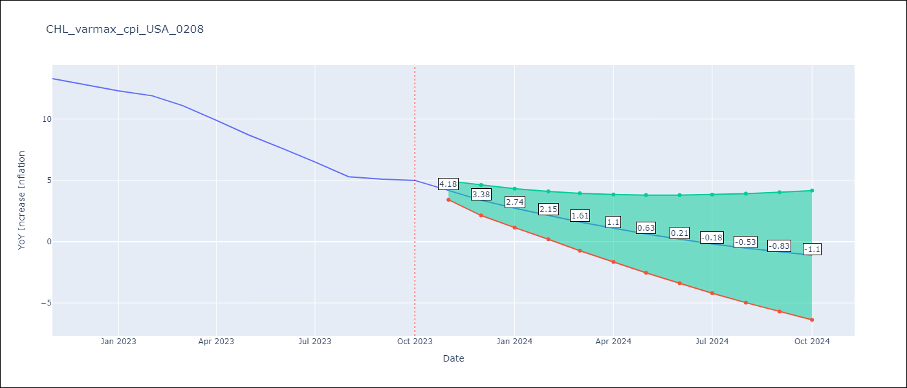

Test Metrics
RMSE | 5.26
Naive RMSE | 0.86
MAPE | 66.62%

Test Predictions
Date | Predicted | Actual
2022-11-01 | 12.77 | 13.3
2022-12-01 | 12.85 | 12.8
2023-01-01 | 12.96 | 12.3
2023-02-01 | 13.11 | 11.9
2023-03-01 | 13.19 | 11.1
2023-04-01 | 13.29 | 9.9
2023-05-01 | 13.35 | 8.7
2023-06-01 | 13.41 | 7.6
2023-07-01 | 13.46 | 6.5
2023-08-01 | 13.49 | 5.3
2023-09-01 | 13.5 | 5.1
2023-10-01 | 13.51 | 5

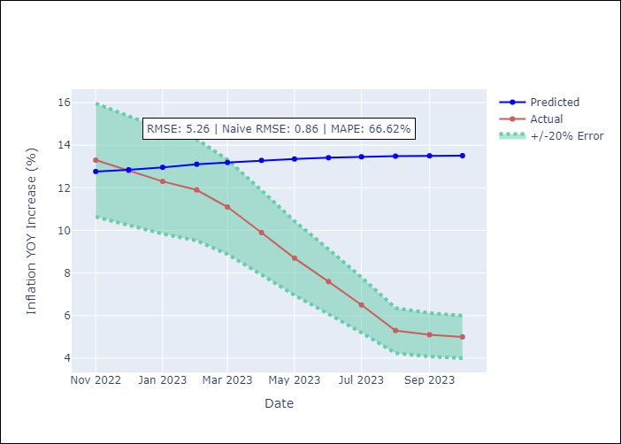

Appendix A: Model Summary
Model | VARMA(2,2)
Sample | - 10-01-2023opg
No. of Observations | 166
Terms | P-value (Statistical significance)
L1.YoY Increase Inflation | 0.023
L1.CPI_United States | 0.291
L2.YoY Increase Inflation | 0.444
L2.CPI_United States | 0.290
L1.e(YoY Increase Inflation) | 0.681
L1.e(CPI_United States) | 0.414
L2.e(YoY Increase Inflation) | 0.297
L2.e(CPI_United States) | 0.205
Assumptions | P-value
Ljung-Box (L1) | 0.70, 0.97
Heteroskedasticity | 0.52, 0.12
Jarque-Bera | 0.31, 0.18
Skew | 0.24, -0.11
Kurtosis | 3.33, 3.66

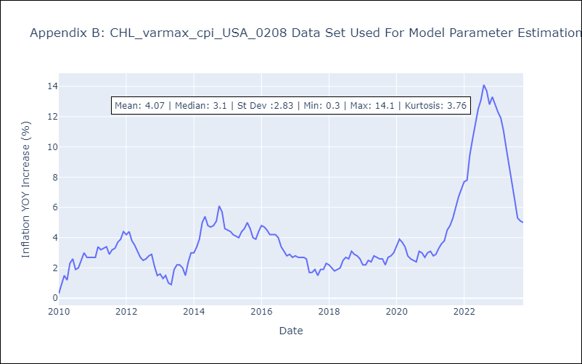

Appendix C: Residuals Analysis
Mean | 0.04
White Noise? | No - Correlation at Lags [12]
Normal? | No

