CHL
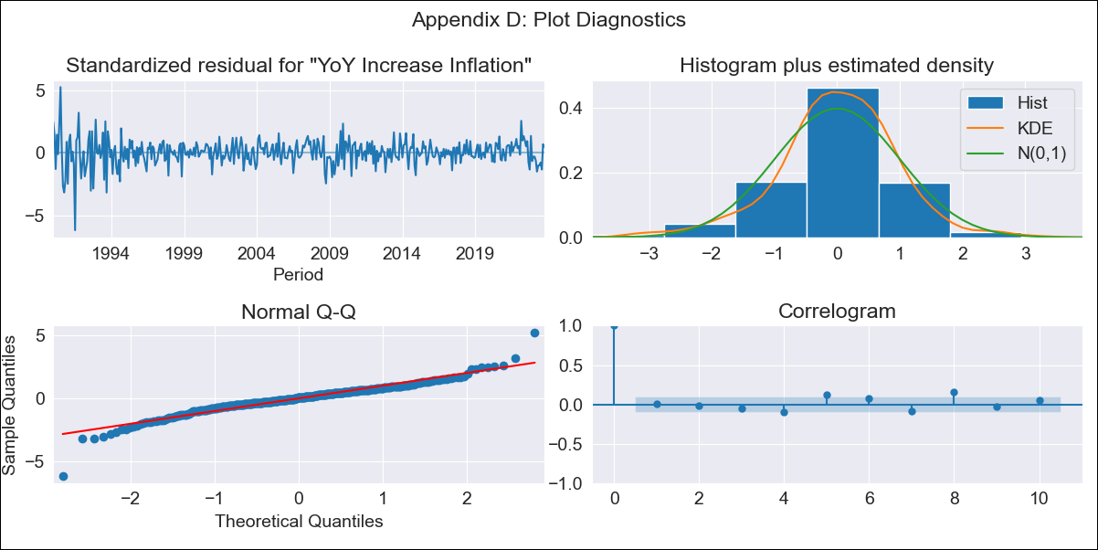
CHL - Inflation - Next 12 months forecast as of: 2023-10-01

Model | VARMAX - (3, 2, 3, 2, 0, 0, 12) | Exogenous Variables | General wage index, Unemployment rate
Training Data | 1990-01-01 to 2022-11-01
Test Data | 2022-11-01 to 2023-10-01

Date | Inflation Change YoY % | Lower Bound - 95% Confidence Interval | Upper Bound - 95% Confidence Interval
2023-11-01 | 4.83 | 3.67 | 5.99
2023-12-01 | 5.07 | 3.14 | 7
2024-01-01 | 4.98 | 2.39 | 7.56
2024-02-01 | 5 | 1.77 | 8.22
2024-03-01 | 4.92 | 1.2 | 8.64
2024-04-01 | 4.95 | 0.77 | 9.13
2024-05-01 | 4.91 | 0.33 | 9.49
2024-06-01 | 4.92 | -0.03 | 9.88
2024-07-01 | 4.89 | -0.41 | 10.18
2024-08-01 | 4.89 | -0.73 | 10.5
2024-09-01 | 4.85 | -1.06 | 10.77
2024-10-01 | 4.84 | -1.36 | 11.04

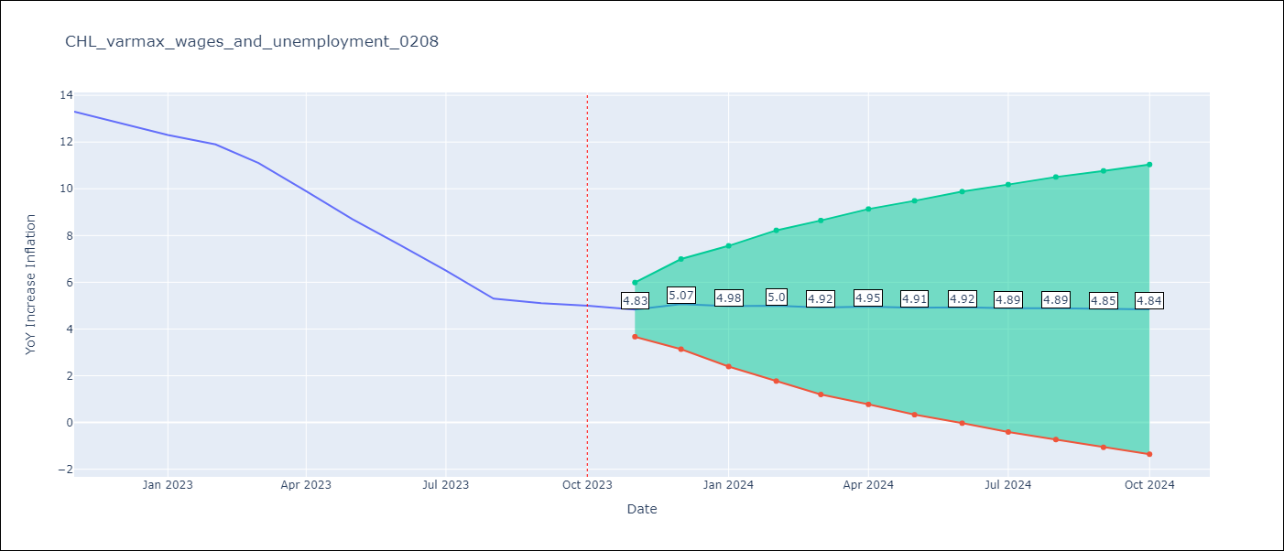

Test Metrics
RMSE | 3.59
Naive RMSE | 0.86
MAPE | 45.05%

Test Predictions
Date | Predicted | Actual
2022-11-01 | 12.46 | 13.3
2022-12-01 | 12.1 | 12.8
2023-01-01 | 11.94 | 12.3
2023-02-01 | 11.95 | 11.9
2023-03-01 | 11.84 | 11.1
2023-04-01 | 11.73 | 9.9
2023-05-01 | 11.52 | 8.7
2023-06-01 | 11.38 | 7.6
2023-07-01 | 11.2 | 6.5
2023-08-01 | 11.11 | 5.3
2023-09-01 | 11.02 | 5.1
2023-10-01 | 11.01 | 5

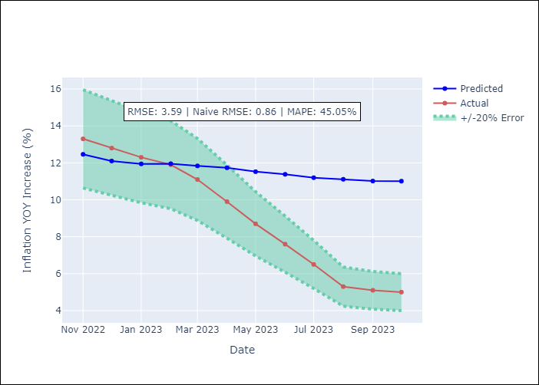

Appendix A: Model Summary
Model | VARMA(3,3)
Sample | - 10-01-2023opg
No. of Observations | 406
Terms | P-value (Statistical significance)
L1.YoY Increase Inflation | 0.001
L1.General wage index | 0.822
L1.Unemployment rate | 0.969
L2.YoY Increase Inflation | 0.046
L2.General wage index | 0.553
L2.Unemployment rate | 0.768
L3.YoY Increase Inflation | 0.183
L3.General wage index | 0.292
L3.Unemployment rate | 0.285
L1.e(YoY Increase Inflation) | 0.012
L1.e(General wage index) | 0.879
L1.e(Unemployment rate) | 0.913
L2.e(YoY Increase Inflation) | 0.974
L2.e(General wage index) | 0.388
L2.e(Unemployment rate) | 0.856
L3.e(YoY Increase Inflation) | 0.559
L3.e(General wage index) | 0.004
L3.e(Unemployment rate) | 0.988
Assumptions | P-value
Ljung-Box (L1) | 0.93, 0.62, 0.97
Heteroskedasticity | 0.00, 0.00, 0.93
Jarque-Bera | 0.00, 0.00, 0.00
Skew | -0.46, 0.05, 0.45
Kurtosis | 8.21, 6.46, 5.82

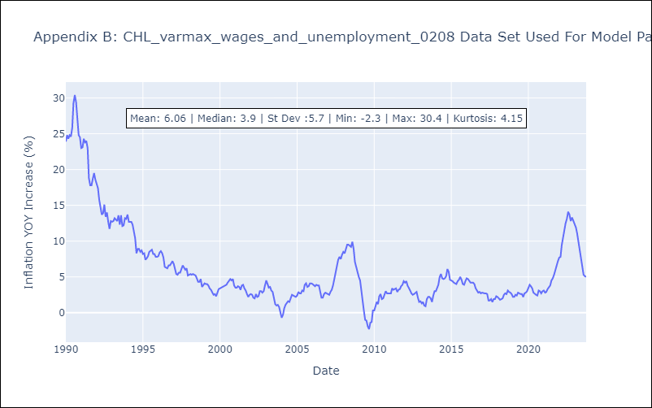

Appendix C: Residuals Analysis
Mean | 0.05
White Noise? | Yes
Normal? | No

