CHL
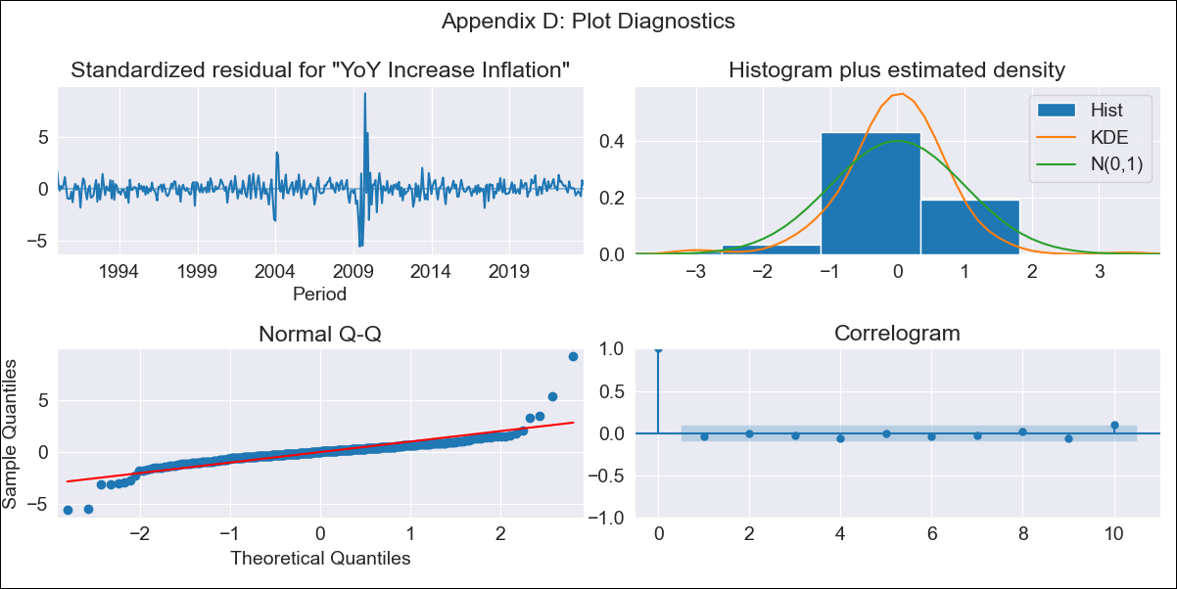
CHL - Inflation - Next 12 months forecast as of: 2023-10-01

Model | VARMAX - (3, 1, 3, 0, 0, 1, 12) | Exogenous Variables | General wage index, Unemployment rate
Training Data | 1990-01-01 to 2022-11-01
Test Data | 2022-11-01 to 2023-10-01

Date | Inflation Change YoY % | Lower Bound - 95% Confidence Interval | Upper Bound - 95% Confidence Interval
2023-11-01 | 4.93 | 3.53 | 6.62
2023-12-01 | 5.1 | 2.93 | 8
2024-01-01 | 5.06 | 2.28 | 9.17
2024-02-01 | 5.11 | 1.8 | 10.48
2024-03-01 | 5.17 | 1.49 | 11.59
2024-04-01 | 5.13 | 1.16 | 12.58
2024-05-01 | 5.13 | 0.92 | 13.45
2024-06-01 | 5.09 | 0.73 | 14.15
2024-07-01 | 5.05 | 0.58 | 14.74
2024-08-01 | 5.03 | 0.46 | 15.24
2024-09-01 | 4.99 | 0.36 | 15.66
2024-10-01 | 4.96 | 0.28 | 16.03

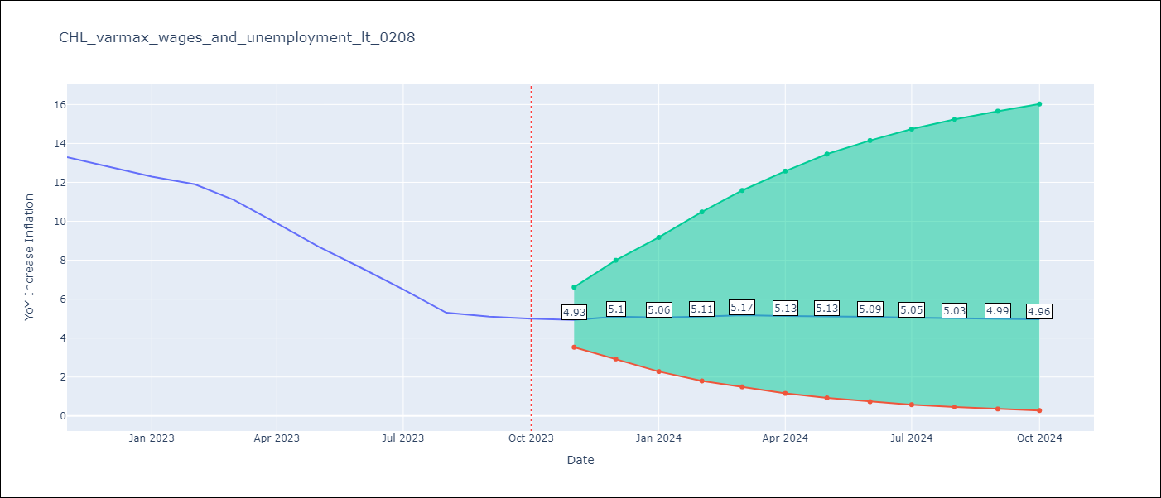

Test Metrics
RMSE | 1.76
Naive RMSE | 0.86
MAPE | 18.96%

Test Predictions
Date | Predicted | Actual
2022-11-01 | 12.13 | 13.3
2022-12-01 | 10.93 | 12.8
2023-01-01 | 10.05 | 12.3
2023-02-01 | 9.24 | 11.9
2023-03-01 | 8.44 | 11.1
2023-04-01 | 7.94 | 9.9
2023-05-01 | 7.48 | 8.7
2023-06-01 | 7.17 | 7.6
2023-07-01 | 6.97 | 6.5
2023-08-01 | 6.8 | 5.3
2023-09-01 | 6.71 | 5.1
2023-10-01 | 6.64 | 5

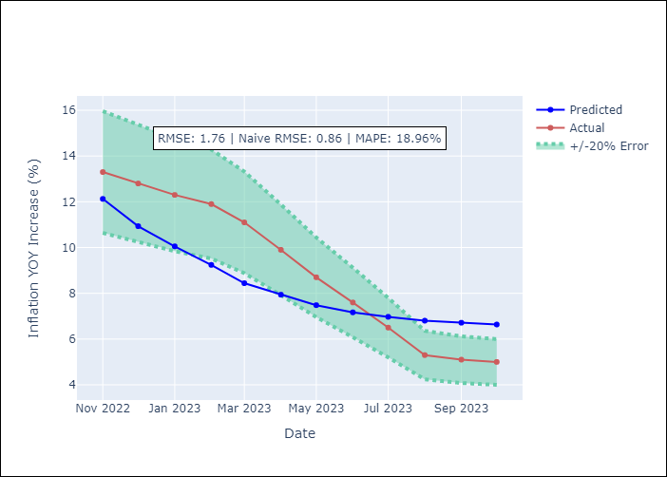

Appendix A: Model Summary
Model | VARMA(3,3)
Sample | - 10-01-2023opg
No. of Observations | 406
Terms | P-value (Statistical significance)
L1.YoY Increase Inflation | 0.033
L1.General wage index | 0.752
L1.Unemployment rate | 0.998
L2.YoY Increase Inflation | 0.792
L2.General wage index | 0.157
L2.Unemployment rate | 0.979
L3.YoY Increase Inflation | 0.593
L3.General wage index | 0.086
L3.Unemployment rate | 0.950
L1.e(YoY Increase Inflation) | 0.633
L1.e(General wage index) | 0.823
L1.e(Unemployment rate) | 0.882
L2.e(YoY Increase Inflation) | 0.939
L2.e(General wage index) | 0.061
L2.e(Unemployment rate) | 0.928
L3.e(YoY Increase Inflation) | 0.802
L3.e(General wage index) | 0.222
L3.e(Unemployment rate) | 0.884
Assumptions | P-value
Ljung-Box (L1) | 0.36, 0.95, 0.80
Heteroskedasticity | 0.87, 0.00, 0.89
Jarque-Bera | 0.00, 0.00, 0.00
Skew | 1.29, 0.22, 0.49
Kurtosis | 25.67, 7.89, 6.36

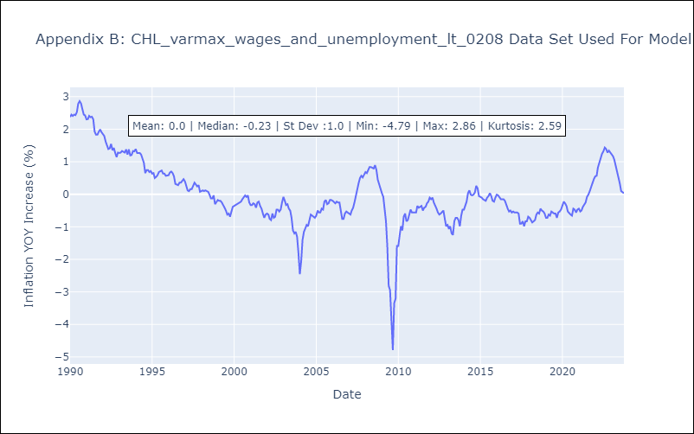

Appendix C: Residuals Analysis
Mean | 0.0
White Noise? | Yes
Normal? | No

