chl
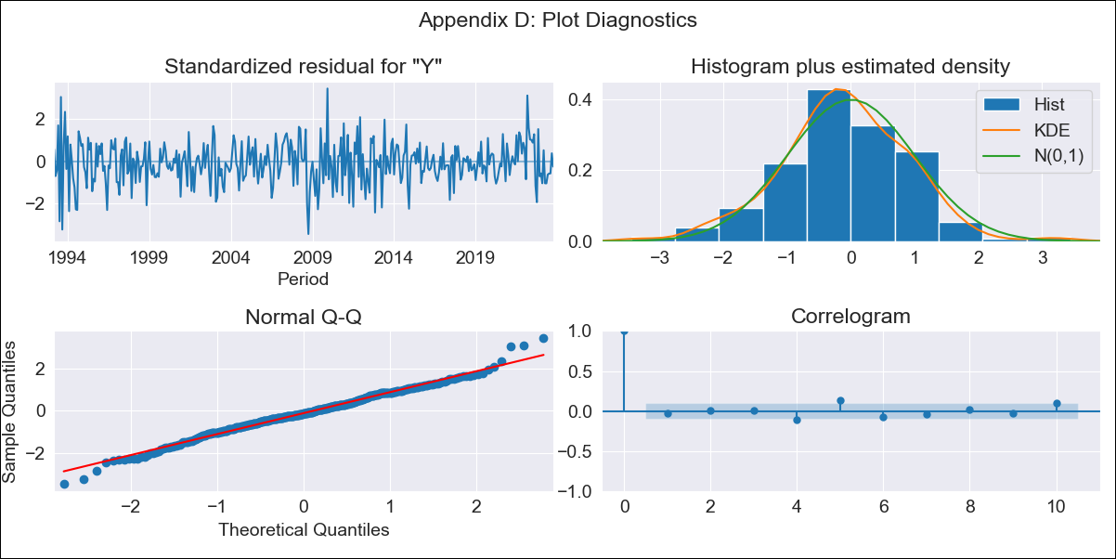
chl - Inflation - Next 12 months forecast as of: 2023-10-01

Model | ARIMA - [(2, 0, 1), (0, 0, 3, 12)]
Training Data | 1990-01-01 to 2022-11-01
Test Data | 2022-11-01 to 2023-10-01

Date | Inflation Change YoY % | Lower Bound - 95% Confidence Interval | Upper Bound - 95% Confidence Interval
2023-11-01 | 4.27 | 3.43 | 5.11
2023-12-01 | 4.1 | 2.79 | 5.41
2024-01-01 | 3.98 | 2.23 | 5.72
2024-02-01 | 4.05 | 1.89 | 6.22
2024-03-01 | 3.76 | 1.19 | 6.33
2024-04-01 | 3.88 | 0.93 | 6.84
2024-05-01 | 4.09 | 0.76 | 7.41
2024-06-01 | 4.24 | 0.56 | 7.93
2024-07-01 | 4.45 | 0.42 | 8.48
2024-08-01 | 4.65 | 0.3 | 9.01
2024-09-01 | 4.7 | 0.03 | 9.37
2024-10-01 | 4.9 | -0.07 | 9.87

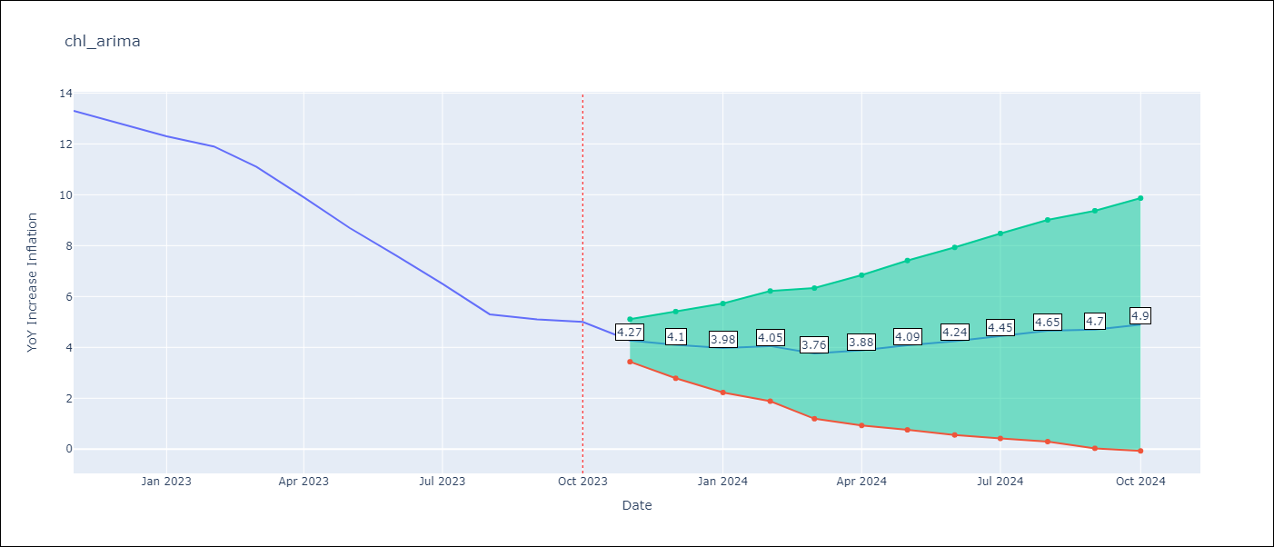

Test Metrics
RMSE | 1.76
Naive RMSE | 0.86
MAPE | 22.17%

Test Predictions
Date | Predicted | Actual
2022-11-01 | 12.67 | 13.3
2022-12-01 | 12.37 | 12.8
2023-01-01 | 12.09 | 12.3
2023-02-01 | 12.16 | 11.9
2023-03-01 | 11.28 | 11.1
2023-04-01 | 10.59 | 9.9
2023-05-01 | 9.99 | 8.7
2023-06-01 | 9.38 | 7.6
2023-07-01 | 8.77 | 6.5
2023-08-01 | 8.08 | 5.3
2023-09-01 | 7.98 | 5.1
2023-10-01 | 8.16 | 5

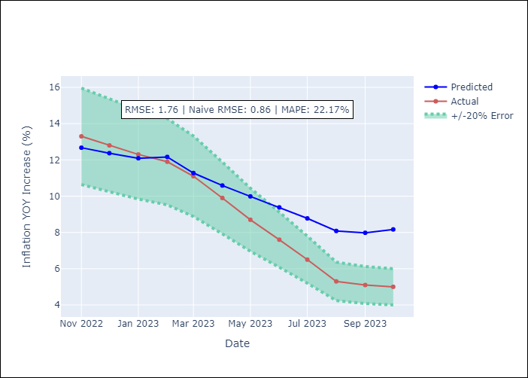

Appendix A: Model Summary
Model | ARIMA(2, 0, 1)x(0, 0, [1, 2, 3], 12)
Sample | 01-01-1990- 10-01-2023
No. of Observations | 406
Terms | P-value (Statistical significance)
const | 0.000
ar.L1 | 0.000
ar.L2 | 0.000
ma.L1 | 0.000
ma.S.L12 | 0.169
ma.S.L24 | 0.027
ma.S.L36 | 0.001
sigma2 | 0.357
Assumptions | P-value
Ljung-Box (L1) | 0.63
Heteroskedasticity | 0.00
Jarque-Bera | 0.01
Skew | -0.06
Kurtosis | 3.78

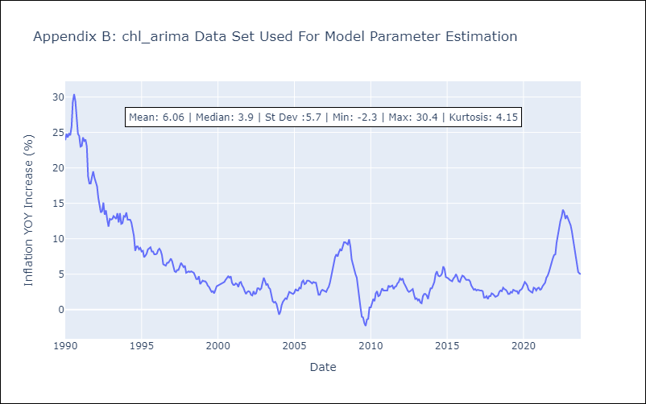

Appendix C: Residuals Analysis
Mean | -0.03
White Noise? | No - Correlation at Lags [ 1 2 3 4 5 6 7 8 9 10 11 12]
Normal? | No

