chl
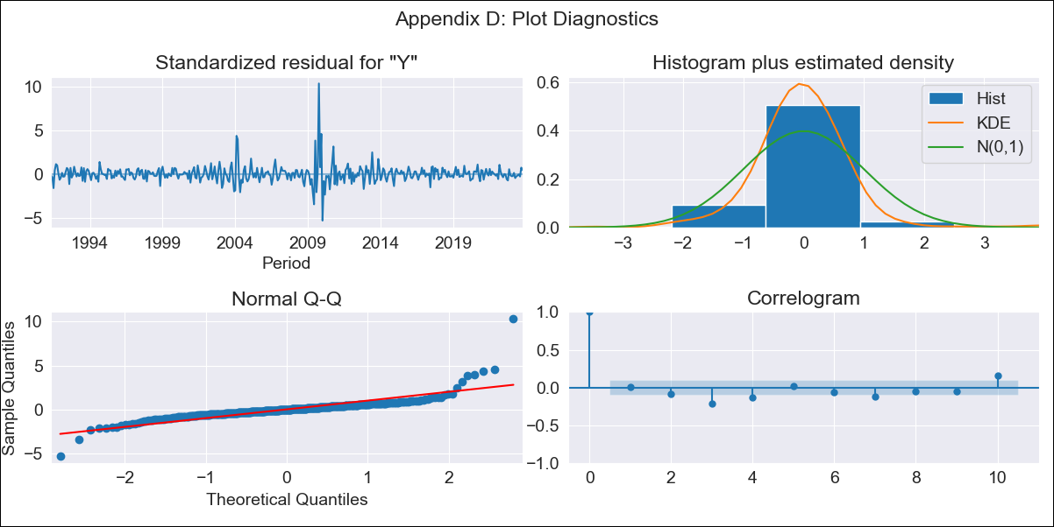
chl - Inflation - Next 12 months forecast as of: 2023-10-01

Model | ARIMA - [(2, 2, 1), (0, 0, 1, 12)]
Training Data | 1990-01-01 to 2022-11-01
Test Data | 2022-11-01 to 2023-10-01

Date | Inflation Change YoY % | Lower Bound - 95% Confidence Interval | Upper Bound - 95% Confidence Interval
2023-11-01 | 4.59 | 3.07 | 6.45
2023-12-01 | 4.47 | 2.07 | 7.96
2024-01-01 | 4.24 | 1.03 | 9.97
2024-02-01 | 4.1 | 0.17 | 13.1
2024-03-01 | 3.93 | -0.43 | 16.85
2024-04-01 | 3.83 | -0.93 | 22.25
2024-05-01 | 3.78 | -1.36 | 29.19
2024-06-01 | 3.71 | -1.77 | 38.06
2024-07-01 | 3.68 | -2.16 | 49.52
2024-08-01 | 3.67 | -2.52 | 64.01
2024-09-01 | 3.51 | -2.9 | 81.05
2024-10-01 | 3.36 | -3.27 | 101.85

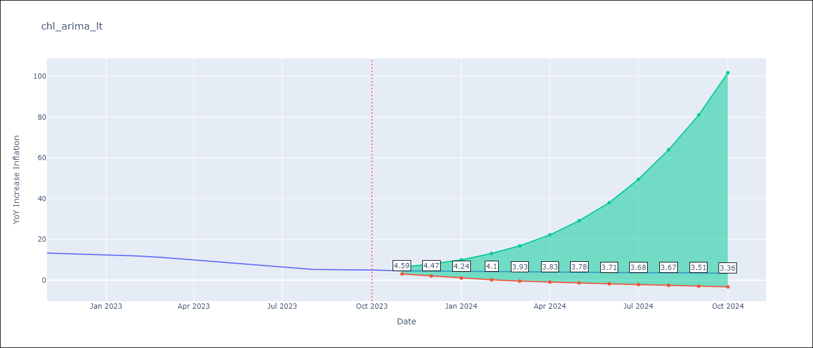

Test Metrics
RMSE | 1.5
Naive RMSE | 0.86
MAPE | 19.22%

Test Predictions
Date | Predicted | Actual
2022-11-01 | 12.43 | 13.3
2022-12-01 | 11.8 | 12.8
2023-01-01 | 11.32 | 12.3
2023-02-01 | 11.04 | 11.9
2023-03-01 | 10.24 | 11.1
2023-04-01 | 9.69 | 9.9
2023-05-01 | 9.15 | 8.7
2023-06-01 | 8.68 | 7.6
2023-07-01 | 8.25 | 6.5
2023-08-01 | 7.8 | 5.3
2023-09-01 | 7.58 | 5.1
2023-10-01 | 7.44 | 5

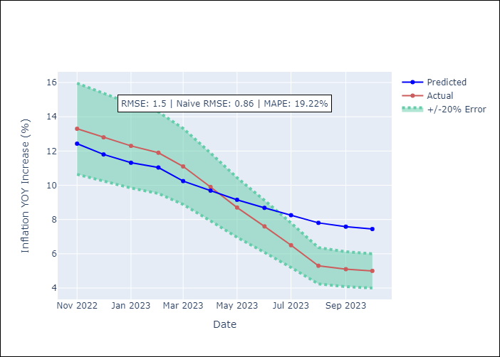

Appendix A: Model Summary
Model | ARIMA(2, 2, 1)x(0, 0, 1, 12)
Sample | 01-01-1990- 10-01-2023
No. of Observations | 406
Terms | P-value (Statistical significance)
ar.L1 | 0.000
ar.L2 | 0.000
ma.L1 | 0.000
ma.S.L12 | 0.000
sigma2 | 0.000
Assumptions | P-value
Ljung-Box (L1) | 0.91
Heteroskedasticity | 0.35
Jarque-Bera | 0.00
Skew | 3.01
Kurtosis | 35.75

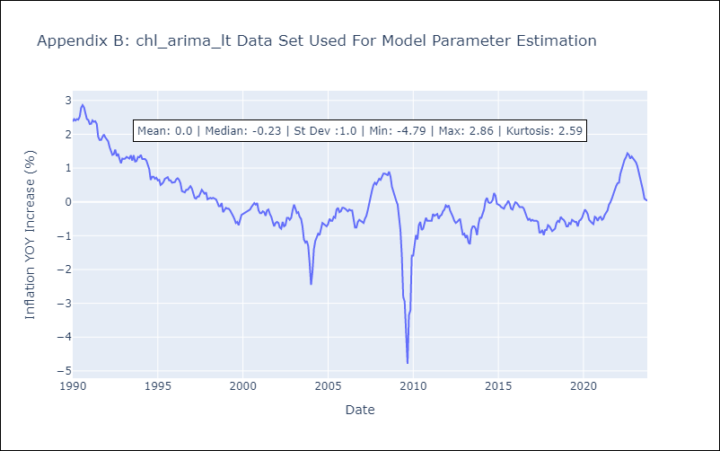

Appendix C: Residuals Analysis
Mean | -0.0
White Noise? | No - Correlation at Lags [ 2 3 4 5 6 7 8 9 10 11 12]
Normal? | No

