CHL
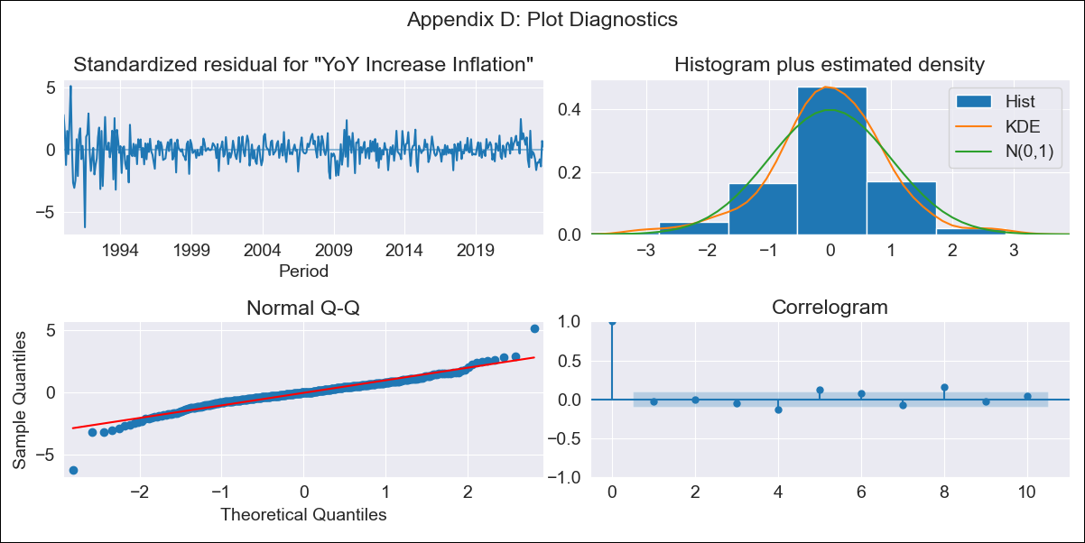
CHL - Inflation - Next 12 months forecast as of: 2023-10-01

Model | VARMAX - (3, 2, 3, 2, 0, 0, 12) | Exogenous Variables | General wage index
Training Data | 1990-01-01 to 2022-11-01
Test Data | 2022-11-01 to 2023-10-01

Date | Inflation Change YoY % | Lower Bound - 95% Confidence Interval | Upper Bound - 95% Confidence Interval
2023-11-01 | 4.93 | 3.76 | 6.1
2023-12-01 | 5.18 | 3.22 | 7.13
2024-01-01 | 5.11 | 2.5 | 7.73
2024-02-01 | 5.17 | 1.92 | 8.42
2024-03-01 | 5.09 | 1.33 | 8.84
2024-04-01 | 5.1 | 0.88 | 9.33
2024-05-01 | 5.04 | 0.42 | 9.66
2024-06-01 | 5.04 | 0.05 | 10.03
2024-07-01 | 4.99 | -0.33 | 10.31
2024-08-01 | 4.98 | -0.65 | 10.61
2024-09-01 | 4.93 | -0.98 | 10.85
2024-10-01 | 4.92 | -1.27 | 11.1

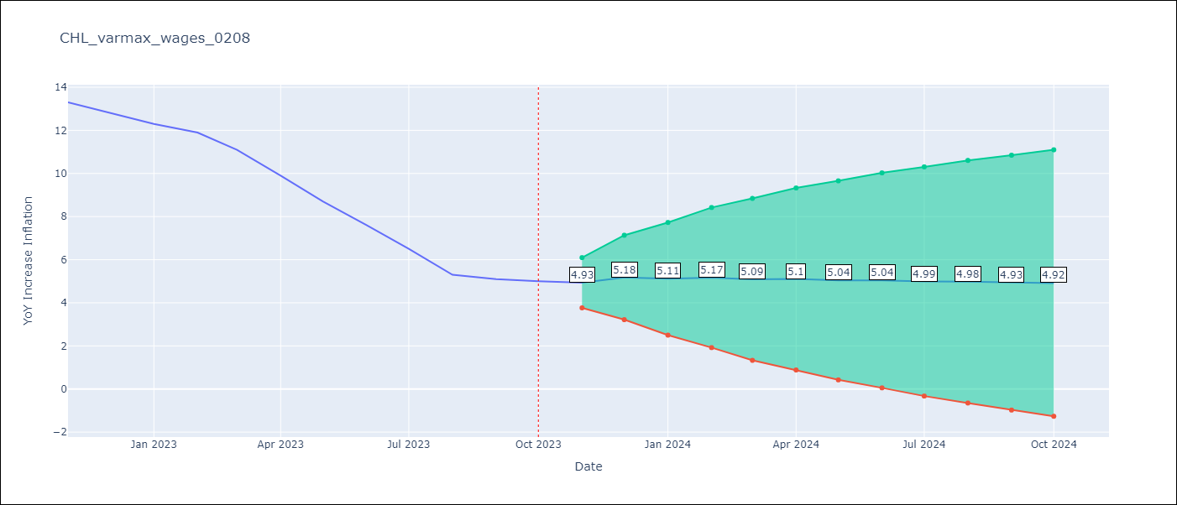

Test Metrics
RMSE | 3.82
Naive RMSE | 0.86
MAPE | 47.82%

Test Predictions
Date | Predicted | Actual
2022-11-01 | 12.43 | 13.3
2022-12-01 | 12.11 | 12.8
2023-01-01 | 11.9 | 12.3
2023-02-01 | 11.86 | 11.9
2023-03-01 | 11.77 | 11.1
2023-04-01 | 11.73 | 9.9
2023-05-01 | 11.65 | 8.7
2023-06-01 | 11.61 | 7.6
2023-07-01 | 11.55 | 6.5
2023-08-01 | 11.5 | 5.3
2023-09-01 | 11.45 | 5.1
2023-10-01 | 11.4 | 5

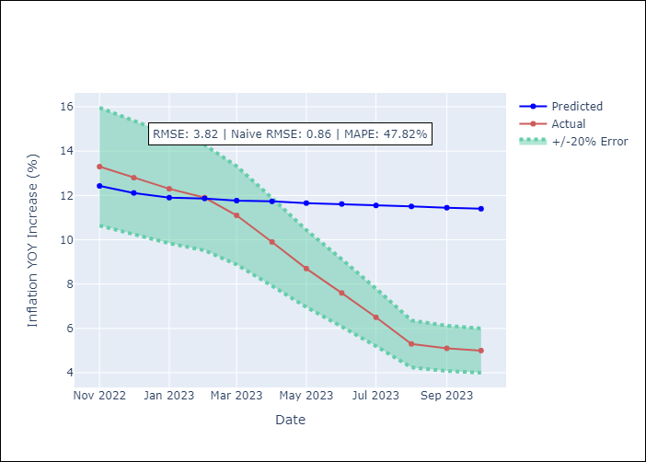

Appendix A: Model Summary
Model | VARMA(3,3)
Sample | - 10-01-2023opg
No. of Observations | 406
Terms | P-value (Statistical significance)
L1.YoY Increase Inflation | 0.000
L1.General wage index | 0.880
L2.YoY Increase Inflation | 0.001
L2.General wage index | 0.799
L3.YoY Increase Inflation | 0.097
L3.General wage index | 0.768
L1.e(YoY Increase Inflation) | 0.000
L1.e(General wage index) | 0.882
L2.e(YoY Increase Inflation) | 0.805
L2.e(General wage index) | 0.832
L3.e(YoY Increase Inflation) | 0.332
L3.e(General wage index) | 0.000
Assumptions | P-value
Ljung-Box (L1) | 0.65, 0.93
Heteroskedasticity | 0.00, 0.00
Jarque-Bera | 0.00, 0.00
Skew | -0.43, -0.08
Kurtosis | 8.23, 6.62

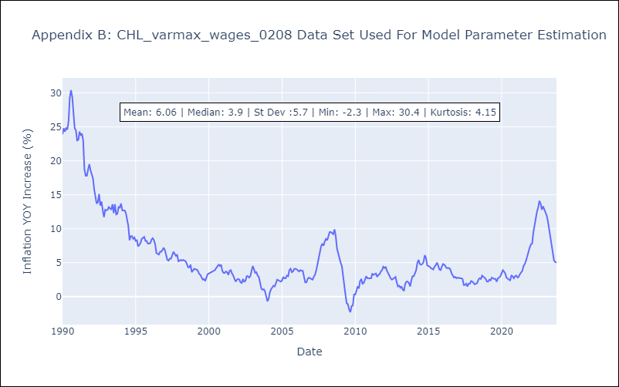

Appendix C: Residuals Analysis
Mean | 0.04
White Noise? | Yes
Normal? | No

