CHL
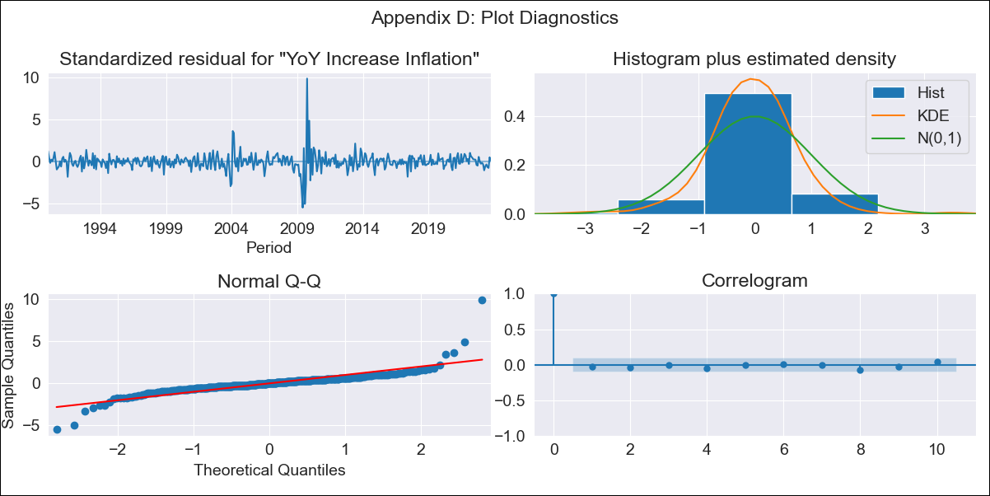
CHL - Inflation - Next 12 months forecast as of: 2023-10-01

Model | VARMAX - (3, 1, 3, 0, 0, 1, 12) | Exogenous Variables | General wage index
Training Data | 1990-01-01 to 2022-11-01
Test Data | 2022-11-01 to 2023-10-01

Date | Inflation Change YoY % | Lower Bound - 95% Confidence Interval | Upper Bound - 95% Confidence Interval
2023-11-01 | 5.15 | 3.69 | 6.89
2023-12-01 | 5.45 | 3.15 | 8.53
2024-01-01 | 5.58 | 2.52 | 10.15
2024-02-01 | 5.83 | 2.08 | 11.98
2024-03-01 | 5.88 | 1.7 | 13.27
2024-04-01 | 5.8 | 1.28 | 14.46
2024-05-01 | 5.8 | 1.02 | 15.52
2024-06-01 | 5.72 | 0.79 | 16.27
2024-07-01 | 5.72 | 0.62 | 17.14
2024-08-01 | 5.79 | 0.51 | 18.01
2024-09-01 | 5.81 | 0.4 | 18.81
2024-10-01 | 5.89 | 0.31 | 19.72

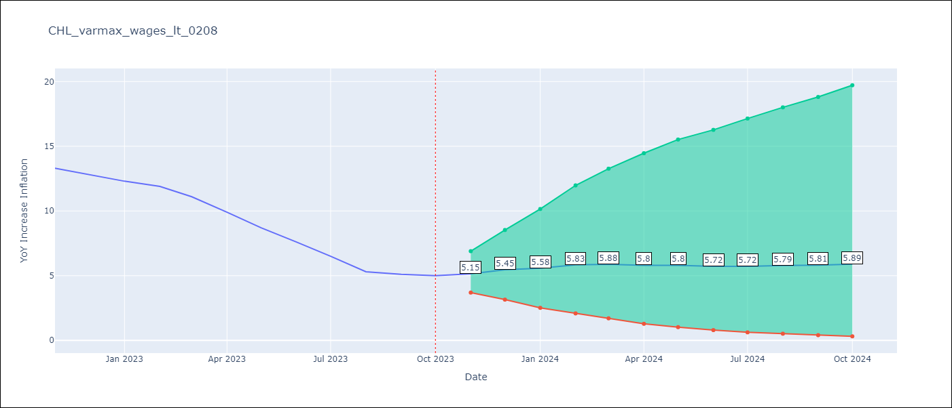

Test Metrics
RMSE | 3.63
Naive RMSE | 0.86
MAPE | 45.63%

Test Predictions
Date | Predicted | Actual
2022-11-01 | 12.48 | 13.3
2022-12-01 | 11.65 | 12.8
2023-01-01 | 11.3 | 12.3
2023-02-01 | 11.15 | 11.9
2023-03-01 | 10.86 | 11.1
2023-04-01 | 11.03 | 9.9
2023-05-01 | 11.04 | 8.7
2023-06-01 | 11.1 | 7.6
2023-07-01 | 11.28 | 6.5
2023-08-01 | 11.22 | 5.3
2023-09-01 | 11.28 | 5.1
2023-10-01 | 11.26 | 5

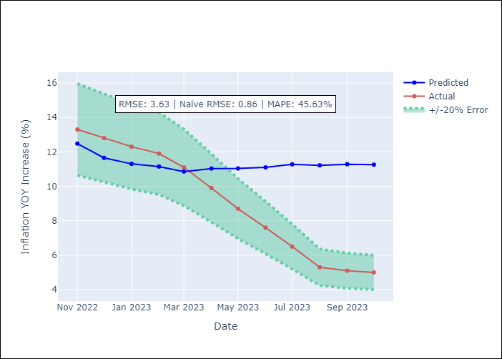

Appendix A: Model Summary
Model | VARMA(3,3)
Sample | - 10-01-2023opg
No. of Observations | 406
Terms | P-value (Statistical significance)
L1.YoY Increase Inflation | 0.079
L1.General wage index | 0.898
L2.YoY Increase Inflation | 0.987
L2.General wage index | 0.150
L3.YoY Increase Inflation | 0.965
L3.General wage index | 0.177
L1.e(YoY Increase Inflation) | 0.676
L1.e(General wage index) | 0.885
L2.e(YoY Increase Inflation) | 0.628
L2.e(General wage index) | 0.185
L3.e(YoY Increase Inflation) | 0.771
L3.e(General wage index) | 0.178
Assumptions | P-value
Ljung-Box (L1) | 0.60, 0.81
Heteroskedasticity | 0.23, 0.00
Jarque-Bera | 0.00, 0.00
Skew | 1.92, -0.12
Kurtosis | 30.67, 7.90

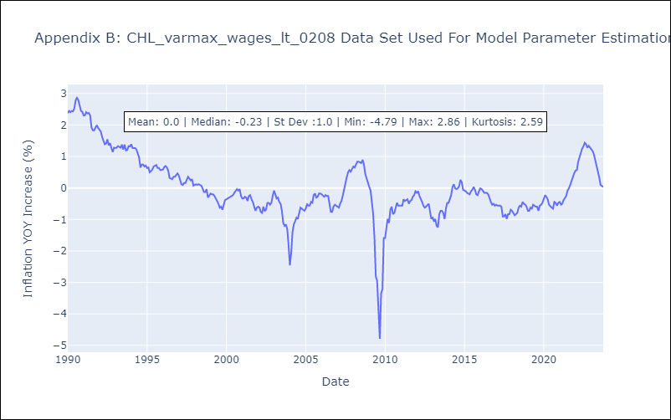

Appendix C: Residuals Analysis
Mean | -0.0
White Noise? | Yes
Normal? | No

