CHL
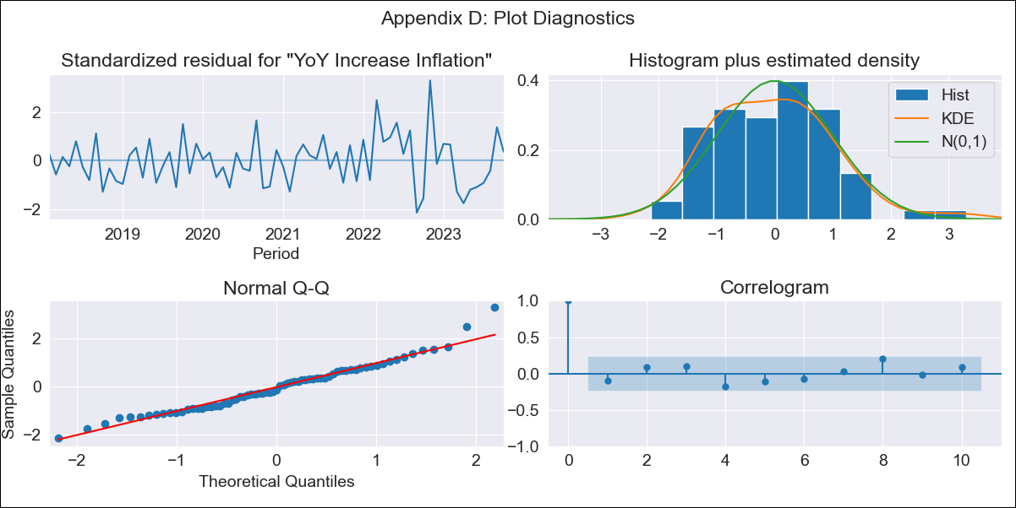
CHL - Inflation - Next 12 months forecast as of: 2023-10-01

Model | VARMAX - (2, 2, 0, 2, 0, 0, 12) | Exogenous Variables | Expectativas de inflación en 11 meses, 2.TPM Expectations (%). 1 next meetings
Training Data | 2018-02-01 to 2022-11-01
Test Data | 2022-11-01 to 2023-10-01

Date | Inflation Change YoY % | Lower Bound - 95% Confidence Interval | Upper Bound - 95% Confidence Interval
2023-11-01 | 4.93 | 4.18 | 5.68
2023-12-01 | 4.79 | 3.44 | 6.15
2024-01-01 | 4.61 | 2.67 | 6.55
2024-02-01 | 4.41 | 1.92 | 6.91
2024-03-01 | 4.22 | 1.23 | 7.22
2024-04-01 | 4.04 | 0.59 | 7.5
2024-05-01 | 3.89 | 0.01 | 7.76
2024-06-01 | 3.75 | -0.5 | 8
2024-07-01 | 3.64 | -0.95 | 8.23
2024-08-01 | 3.56 | -1.35 | 8.46
2024-09-01 | 3.5 | -1.69 | 8.68
2024-10-01 | 3.46 | -1.98 | 8.9

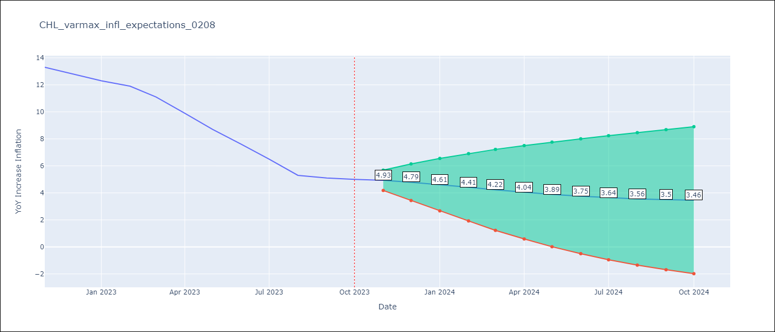

Test Metrics
RMSE | 3.05
Naive RMSE | 0.86
MAPE | 38.41%

Test Predictions
Date | Predicted | Actual
2022-11-01 | 12.24 | 13.3
2022-12-01 | 11.72 | 12.8
2023-01-01 | 11.51 | 12.3
2023-02-01 | 11.19 | 11.9
2023-03-01 | 11.1 | 11.1
2023-04-01 | 10.85 | 9.9
2023-05-01 | 10.8 | 8.7
2023-06-01 | 10.57 | 7.6
2023-07-01 | 10.54 | 6.5
2023-08-01 | 10.32 | 5.3
2023-09-01 | 10.27 | 5.1
2023-10-01 | 10.05 | 5

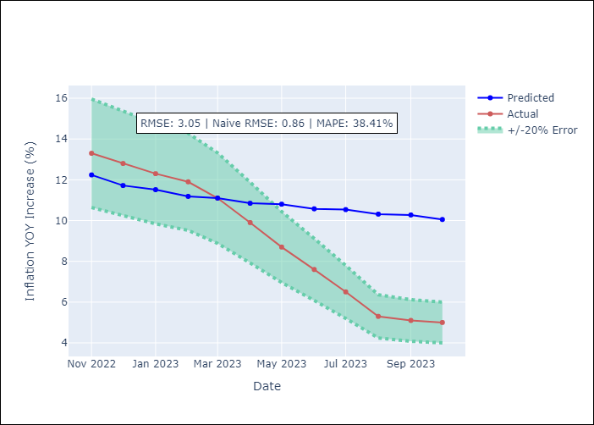

Appendix A: Model Summary
Model | VAR(2)
Sample | - 10-01-2023opg
No. of Observations | 69
Terms | P-value (Statistical significance)
L1.YoY Increase Inflation | 0.000
L1.Expectativas de inflación en 11 meses | 0.070
L1.2.TPM Expectations (%). 1 next meetings | 0.080
L2.YoY Increase Inflation | 0.085
L2.Expectativas de inflación en 11 meses | 0.126
L2.2.TPM Expectations (%). 1 next meetings | 0.068
Assumptions | P-value
Ljung-Box (L1) | 0.41, 0.94, 0.93
Heteroskedasticity | 0.01, 0.02, 0.00
Jarque-Bera | 0.08, 0.00, 0.00
Skew | 0.58, 0.70, 1.08
Kurtosis | 3.66, 4.57, 9.29

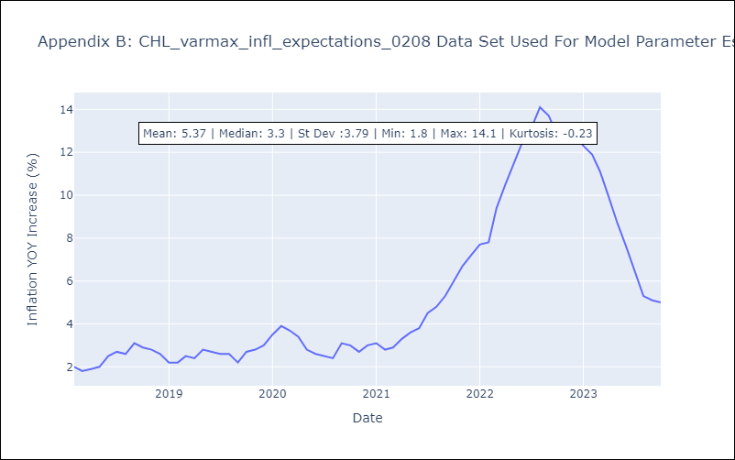

Appendix C: Residuals Analysis
Mean | 0.02
White Noise? | Yes
Normal? | No

