CHL
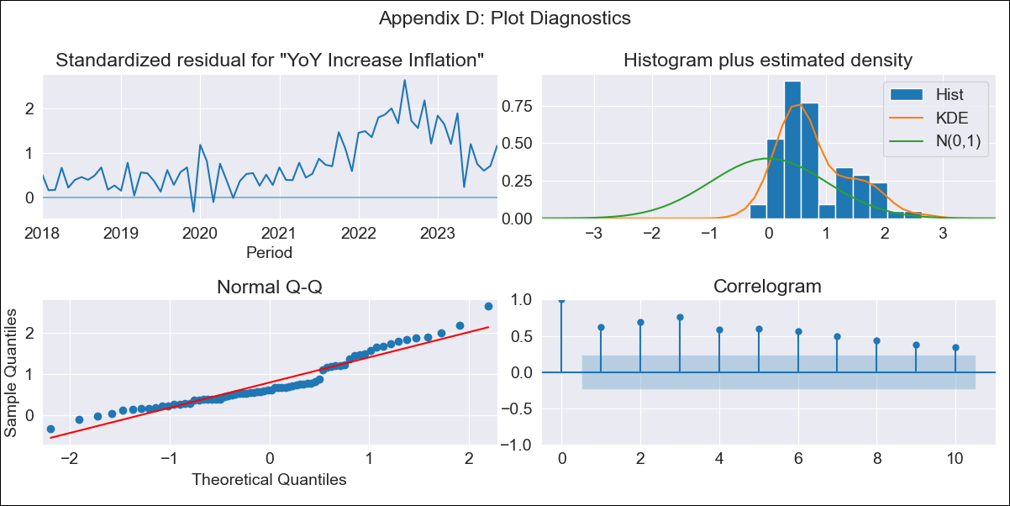
CHL - Inflation - Next 12 months forecast as of: 2023-10-01

Model | VARMAX - (0, 2, 2, 0, 0, 1, 12) | Exogenous Variables | Expectativas de inflación en el mes
Training Data | 2018-01-01 to 2022-11-01
Test Data | 2022-11-01 to 2023-10-01

Date | Inflation Change YoY % | Lower Bound - 95% Confidence Interval | Upper Bound - 95% Confidence Interval
2023-11-01 | 3.51 | -1.91 | 8.93
2023-12-01 | 2.09 | -5.24 | 9.42
2024-01-01 | 0 | -8.03 | 8.03
2024-02-01 | 0 | -8.03 | 8.03
2024-03-01 | 0 | -8.03 | 8.03
2024-04-01 | 0 | -8.03 | 8.03
2024-05-01 | 0 | -8.03 | 8.03
2024-06-01 | 0 | -8.03 | 8.03
2024-07-01 | 0 | -8.03 | 8.03
2024-08-01 | 0 | -8.03 | 8.03
2024-09-01 | 0 | -8.03 | 8.03
2024-10-01 | 0 | -8.03 | 8.03

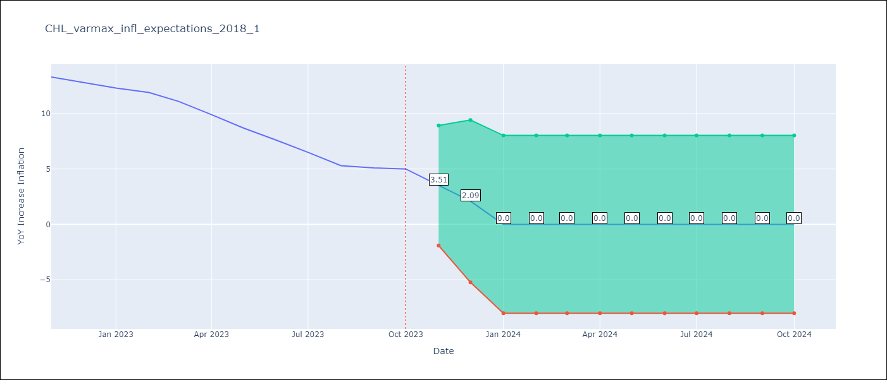

Test Metrics
RMSE | 8.69
Naive RMSE | 0.86
MAPE | 93.73%

Test Predictions
Date | Predicted | Actual
2022-11-01 | 6.79 | 13.3
2022-12-01 | 3.09 | 12.8
2023-01-01 | 0 | 12.3
2023-02-01 | 0 | 11.9
2023-03-01 | 0 | 11.1
2023-04-01 | 0 | 9.9
2023-05-01 | 0 | 8.7
2023-06-01 | 0 | 7.6
2023-07-01 | 0 | 6.5
2023-08-01 | 0 | 5.3
2023-09-01 | 0 | 5.1
2023-10-01 | 0 | 5

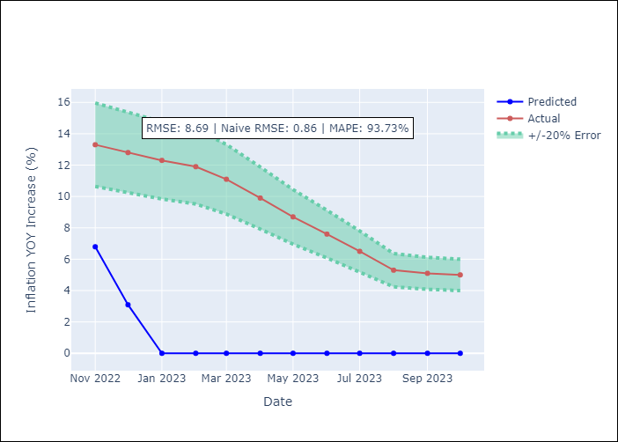

Appendix A: Model Summary
Model | VMA(2)
Sample | - 10-01-2023opg
No. of Observations | 70
Terms | P-value (Statistical significance)
L1.e(YoY Increase Inflation) | 0.000
L1.e(Expectativas de inflación en el mes ) | 0.055
L2.e(YoY Increase Inflation) | 0.001
L2.e(Expectativas de inflación en el mes ) | 0.585
Assumptions | P-value
Ljung-Box (L1) | 0.00, 0.01
Heteroskedasticity | 0.00, 0.04
Jarque-Bera | 0.01, 0.13
Skew | 0.86, -0.59
Kurtosis | 3.12, 2.99

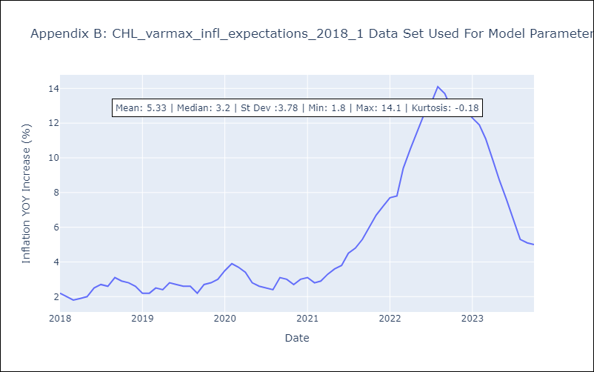

Appendix C: Residuals Analysis
Mean | 2.2
White Noise? | No - Correlation at Lags [ 1 2 3 4 5 6 7 8 9 10 11 12]
Normal? | No

