chl
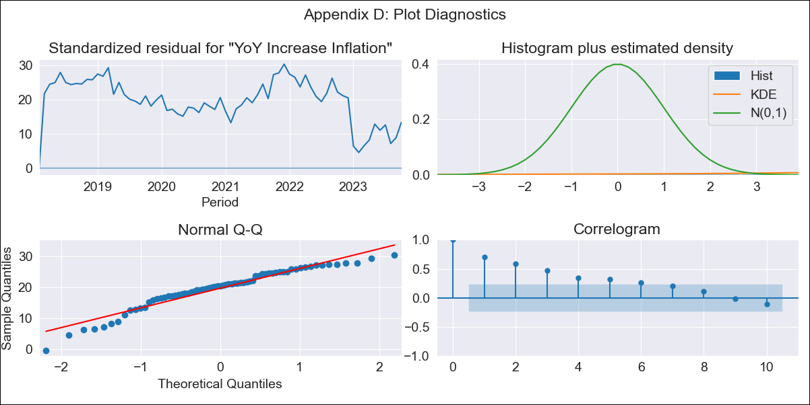
chl - Inflation - Next 12 months forecast as of: 2023-10-01

Model | VARMAX - (2, 2, 0, 2, 0, 0, 12) | Exogenous Variables | Expectativas de inflación en el mes , Expectativas de inflación en el mes siguiente, Expectativas de inflación en 11 meses, Expectativas de inflación en 23 meses, 1.Inflation (CPI var. in%). Next CPI to be published, 2.Inflation (CPI var. in%). next month, 3.Inflation (CPI var. in%). 2 next month, 4.Inflation (CPI var. in%). 12 months (1 to 12), 5.Inflation (CPI var. in%). Next 12 months (13 to 24), 1.TPM Expectations (%). current month, 2.TPM Expectations (%). 1 next meetings, 3.TPM Expectations (%). 2 next meetings (3 months), 4.TPM Expectations (%). 3 next meetings, 5.TPM Expectations (%). 4 next meetings (6 months), 6.TPM Expectations (%). 12 months, 7.TPM Expectations (%). 24 months
Training Data | 2018-02-01 to 2022-11-01
Test Data | 2022-11-01 to 2023-10-01

Date | Inflation Change YoY % | Lower Bound - 95% Confidence Interval | Upper Bound - 95% Confidence Interval
2023-11-01 | 1.55 | 1.35 | 1.8
2023-12-01 | 1.22 | 0.91 | 1.64
2024-01-01 | 1.04 | 0.63 | 1.72
2024-02-01 | 1.62 | 0.82 | 3.69
2024-03-01 | 6.6 | 1.94
2024-04-01 | 45.39 | 2.78
2024-05-01
2024-06-01
2024-07-01
2024-08-01
2024-09-01
2024-10-01

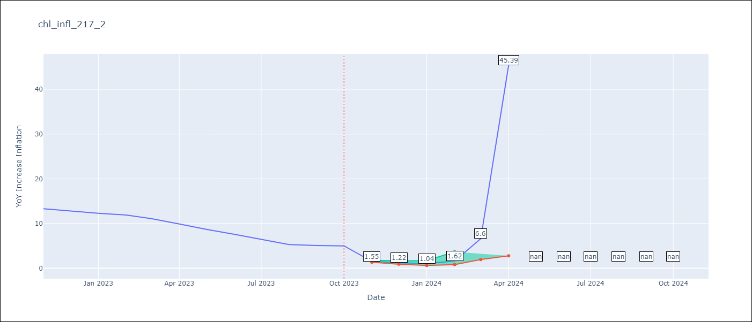

Test Metrics
RMSE | 6.02
Naive RMSE | 0.86
MAPE | 51.5%

Test Predictions
Date | Predicted | Actual
2022-11-01 | 4.06 | 13.3
2022-12-01 | 3.96 | 12.8
2023-01-01 | 3.89 | 12.3
2023-02-01 | 3.88 | 11.9
2023-03-01 | 3.88 | 11.1
2023-04-01 | 3.88 | 9.9
2023-05-01 | 3.88 | 8.7
2023-06-01 | 3.88 | 7.6
2023-07-01 | 3.88 | 6.5
2023-08-01 | 3.88 | 5.3
2023-09-01 | 3.88 | 5.1
2023-10-01 | 3.88 | 5

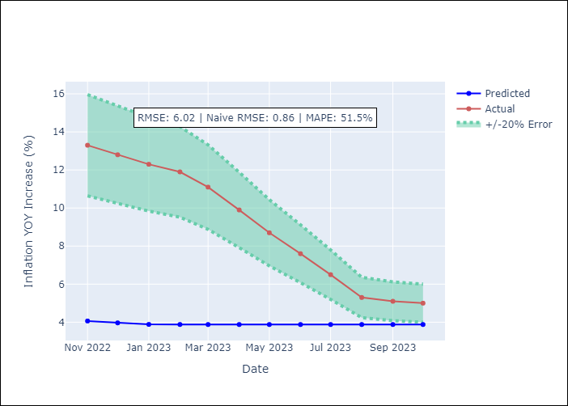

Appendix A: Model Summary
Model | VAR(2)
Sample | - 10-01-2023opg
No. of Observations | 69
Terms | P-value (Statistical significance)
L1.YoY Increase Inflation | 0.000
L1.Expectativas de inflación en el mes | 0.000
L1.Expectativas de inflación en el mes siguiente | 0.000
L1.Expectativas de inflación en 11 meses | 0.000
L1.Expectativas de inflación en 23 meses | 0.000
L1.1.Inflation (CPI var. in%). Next CPI to be published | 0.000
L1.2.Inflation (CPI var. in%). next month | 0.000
L1.3.Inflation (CPI var. in%). 2 next month | 0.000
L1.4.Inflation (CPI var. in%). 12 months (1 to 12) | 0.000
L1.5.Inflation (CPI var. in%). Next 12 months (13 to 24) | 0.000
L1.1.TPM Expectations (%). current month | 0.000
L1.2.TPM Expectations (%). 1 next meetings | 0.000
L1.3.TPM Expectations (%). 2 next meetings (3 months) | 0.000
L1.4.TPM Expectations (%). 3 next meetings | 0.000
L1.5.TPM Expectations (%). 4 next meetings (6 months) | 0.000
L1.6.TPM Expectations (%). 12 months | 0.000
L1.7.TPM Expectations (%). 24 months | 0.000
L2.YoY Increase Inflation | 0.000
L2.Expectativas de inflación en el mes | 0.000
L2.Expectativas de inflación en el mes siguiente | 0.000
L2.Expectativas de inflación en 11 meses | 0.000
L2.Expectativas de inflación en 23 meses | 0.000
L2.1.Inflation (CPI var. in%). Next CPI to be published | 0.000
L2.2.Inflation (CPI var. in%). next month | 0.000
L2.3.Inflation (CPI var. in%). 2 next month | 0.000
L2.4.Inflation (CPI var. in%). 12 months (1 to 12) | 0.000
L2.5.Inflation (CPI var. in%). Next 12 months (13 to 24) | 0.000
L2.1.TPM Expectations (%). current month | 0.000
L2.2.TPM Expectations (%). 1 next meetings | 0.000
L2.3.TPM Expectations (%). 2 next meetings (3 months) | 0.000
L2.4.TPM Expectations (%). 3 next meetings | 0.000
L2.5.TPM Expectations (%). 4 next meetings (6 months) | 0.000
L2.6.TPM Expectations (%). 12 months | 0.000
L2.7.TPM Expectations (%). 24 months | 0.000
Assumptions | P-value
Ljung-Box (L1) | 0.00, 0.00, 0.05, 0.01, 0.05, 0.00, 0.00, 0.00, 0.00, 0.00, 0.00, 0.00, 0.00, 0.00, 0.00, 0.00, 0.00
Heteroskedasticity | 0.37, 0.00, 0.99, 0.13, 0.99, 0.02, 0.01, 0.90, 0.95, 0.97, 0.95, 0.91, 0.97, 0.96, 0.82, 0.96, 0.96
Jarque-Bera | 0.01, 0.22, 0.00, 0.00, 0.00, 0.10, 0.03, 0.00, 0.00, 0.00, 0.00, 0.00, 0.00, 0.00, 0.00, 0.00, 0.00
Skew | -0.88, 0.50, 4.31, 0.00, 3.58, -0.62, 0.77, 4.57, -4.84, 4.82, 4.84, -4.73, -4.83, -4.78, 4.51, 4.81, -4.76
Kurtosis | 3.59, 2.80, 29.26, 4.96, 22.54, 2.69, 3.41, 24.96, 27.01, 26.85, 27.01, 26.04, 26.90, 26.58, 26.15, 26.80, 26.39

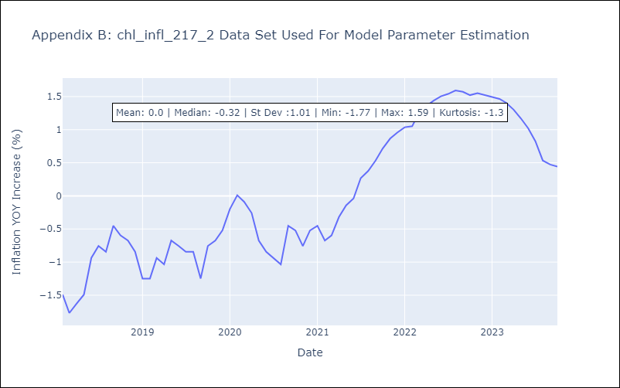

Appendix C: Residuals Analysis
Mean | 4.0
White Noise? | No - Correlation at Lags [ 1 2 3 4 5 6 7 8 9 10 11 12]
Normal? | No

