chl
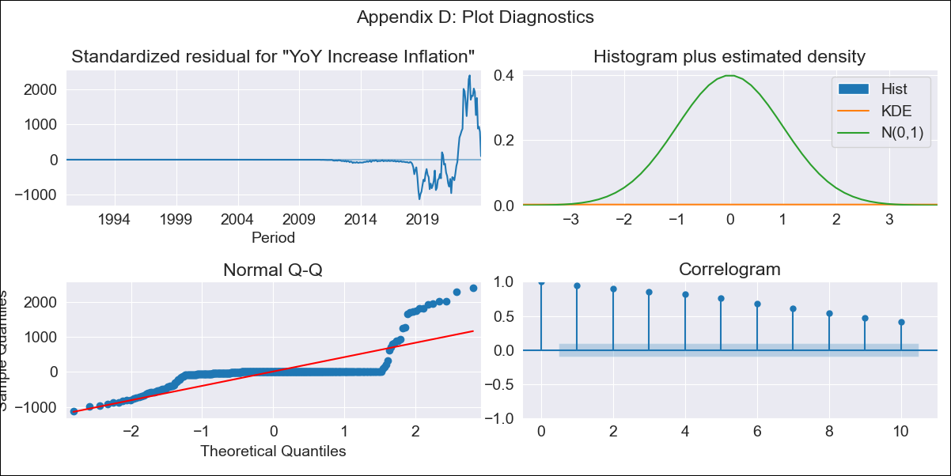
chl - Inflation - Next 12 months forecast as of: 2023-10-01

Model | VARMAX - (3, 1, 3, 0, 0, 1, 12) | Exogenous Variables | Expectativas de inflación en el mes , Expectativas de inflación en el mes siguiente, Expectativas de inflación en 11 meses, Expectativas de inflación en 23 meses, 1.Inflation (CPI var. in%). Next CPI to be published, 2.Inflation (CPI var. in%). next month, 3.Inflation (CPI var. in%). 2 next month, 4.Inflation (CPI var. in%). 12 months (1 to 12), 5.Inflation (CPI var. in%). Next 12 months (13 to 24), 1.TPM Expectations (%). current month, 2.TPM Expectations (%). 1 next meetings, 3.TPM Expectations (%). 2 next meetings (3 months), 4.TPM Expectations (%). 3 next meetings, 5.TPM Expectations (%). 4 next meetings (6 months), 6.TPM Expectations (%). 12 months, 7.TPM Expectations (%). 24 months
Training Data | 1990-01-01 to 2022-11-01
Test Data | 2022-11-01 to 2023-10-01

Date | Inflation Change YoY % | Lower Bound - 95% Confidence Interval | Upper Bound - 95% Confidence Interval
2023-11-01 | -18.38 | -18.44 | -18.33
2023-12-01 | -31.4 | -33.61 | -29.08
2024-01-01 | -52.75 | -55.33 | -50.07
2024-02-01 | -59.8 | -62.83 | -56.67
2024-03-01 | -66.41 | -69.93 | -62.76
2024-04-01 | -68.65 | -72.94 | -64.17
2024-05-01 | -70.37 | -75.36 | -65.11
2024-06-01 | -71.42 | -77.01 | -65.51
2024-07-01 | -71.4 | -77.6 | -64.8
2024-08-01 | -69.57 | -76.42 | -62.22
2024-09-01 | -66.72 | -74.2 | -58.61
2024-10-01 | -63.44 | -71.5 | -54.59

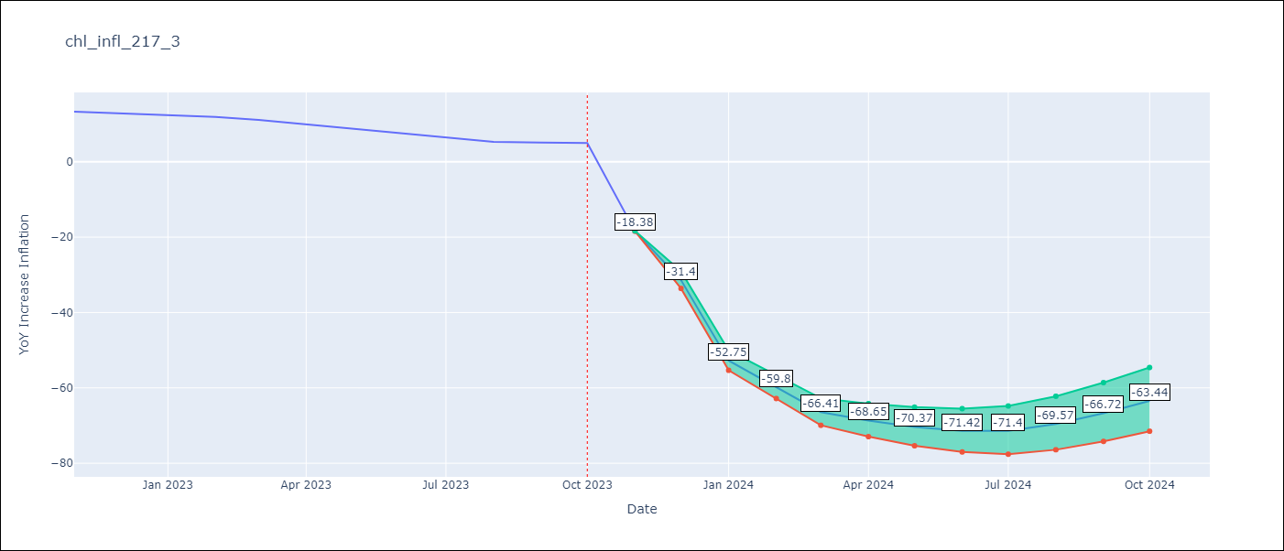

Test Metrics
RMSE | 5.58
Naive RMSE | 0.86
MAPE | 41.22%

Test Predictions
Date | Predicted | Actual
2022-11-01 | 4.08 | 13.3
2022-12-01 | 3.26 | 12.8
2023-01-01 | 4.7 | 12.3
2023-02-01 | 4.82 | 11.9
2023-03-01 | 4.83 | 11.1
2023-04-01 | 4.84 | 9.9
2023-05-01 | 4.85 | 8.7
2023-06-01 | 4.85 | 7.6
2023-07-01 | 4.85 | 6.5
2023-08-01 | 4.85 | 5.3
2023-09-01 | 4.85 | 5.1
2023-10-01 | 4.85 | 5

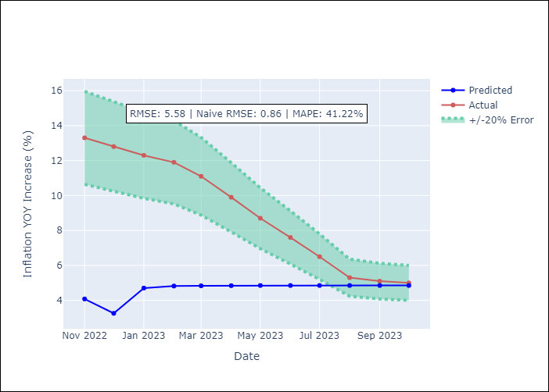

Appendix A: Model Summary
Model | VARMA(3,3)
Sample | - 10-01-2023opg
No. of Observations | 406
Terms | P-value (Statistical significance)
L1.YoY Increase Inflation | 0.000
L1.Expectativas de inflación en el mes | 0.000
L1.Expectativas de inflación en el mes siguiente | 0.000
L1.Expectativas de inflación en 11 meses | 0.000
L1.Expectativas de inflación en 23 meses | 0.000
L1.1.Inflation (CPI var. in%). Next CPI to be published | 0.000
L1.2.Inflation (CPI var. in%). next month | 0.000
L1.3.Inflation (CPI var. in%). 2 next month | 0.000
L1.4.Inflation (CPI var. in%). 12 months (1 to 12) | 0.000
L1.5.Inflation (CPI var. in%). Next 12 months (13 to 24) | 0.000
L1.1.TPM Expectations (%). current month | 0.000
L1.2.TPM Expectations (%). 1 next meetings | 0.000
L1.3.TPM Expectations (%). 2 next meetings (3 months) | 0.140
L1.4.TPM Expectations (%). 3 next meetings | 0.000
L1.5.TPM Expectations (%). 4 next meetings (6 months) | 0.000
L1.6.TPM Expectations (%). 12 months | 0.008
L1.7.TPM Expectations (%). 24 months | 0.000
L2.YoY Increase Inflation | 0.000
L2.Expectativas de inflación en el mes | 0.000
L2.Expectativas de inflación en el mes siguiente | 0.000
L2.Expectativas de inflación en 11 meses | 0.000
L2.Expectativas de inflación en 23 meses | 0.000
L2.1.Inflation (CPI var. in%). Next CPI to be published | 0.157
L2.2.Inflation (CPI var. in%). next month | 0.000
L2.3.Inflation (CPI var. in%). 2 next month | 0.873
L2.4.Inflation (CPI var. in%). 12 months (1 to 12) | 0.000
L2.5.Inflation (CPI var. in%). Next 12 months (13 to 24) | 0.000
L2.1.TPM Expectations (%). current month | 0.000
L2.2.TPM Expectations (%). 1 next meetings | 0.000
L2.3.TPM Expectations (%). 2 next meetings (3 months) | 0.491
L2.4.TPM Expectations (%). 3 next meetings | 0.000
L2.5.TPM Expectations (%). 4 next meetings (6 months) | 0.000
L2.6.TPM Expectations (%). 12 months | 0.000
L2.7.TPM Expectations (%). 24 months | 0.000
L3.YoY Increase Inflation | 0.000
L3.Expectativas de inflación en el mes | 0.000
L3.Expectativas de inflación en el mes siguiente | 0.000
L3.Expectativas de inflación en 11 meses | 0.000
L3.Expectativas de inflación en 23 meses | 0.000
L3.1.Inflation (CPI var. in%). Next CPI to be published | 0.000
L3.2.Inflation (CPI var. in%). next month | 0.000
L3.3.Inflation (CPI var. in%). 2 next month | 0.000
L3.4.Inflation (CPI var. in%). 12 months (1 to 12) | 0.000
L3.5.Inflation (CPI var. in%). Next 12 months (13 to 24) | 0.000
L3.1.TPM Expectations (%). current month | 0.000
L3.2.TPM Expectations (%). 1 next meetings | 0.000
L3.3.TPM Expectations (%). 2 next meetings (3 months) | 0.000
L3.4.TPM Expectations (%). 3 next meetings | 0.000
L3.5.TPM Expectations (%). 4 next meetings (6 months) | 0.000
L3.6.TPM Expectations (%). 12 months | 0.416
L3.7.TPM Expectations (%). 24 months | 0.000
L1.e(YoY Increase Inflation) | 0.000
L1.e(Expectativas de inflación en el mes ) | 0.000
L1.e(Expectativas de inflación en el mes siguiente) | 0.000
L1.e(Expectativas de inflación en 11 meses) | 0.000
L1.e(Expectativas de inflación en 23 meses) | 0.000
L1.e(1.Inflation (CPI var. in%). Next CPI to be published) | 0.843
L1.e(2.Inflation (CPI var. in%). next month) | 0.000
L1.e(3.Inflation (CPI var. in%). 2 next month) | 0.000
L1.e(4.Inflation (CPI var. in%). 12 months (1 to 12)) | 0.000
L1.e(5.Inflation (CPI var. in%). Next 12 months (13 to 24)) | 0.000
L1.e(1.TPM Expectations (%). current month) | 0.000
L1.e(2.TPM Expectations (%). 1 next meetings) | 0.000
L1.e(3.TPM Expectations (%). 2 next meetings (3 months)) | 0.000
L1.e(4.TPM Expectations (%). 3 next meetings) | 0.000
L1.e(5.TPM Expectations (%). 4 next meetings (6 months)) | 0.000
L1.e(6.TPM Expectations (%). 12 months) | 0.000
L1.e(7.TPM Expectations (%). 24 months) | 0.000
L2.e(YoY Increase Inflation) | 0.000
L2.e(Expectativas de inflación en el mes ) | 0.000
L2.e(Expectativas de inflación en el mes siguiente) | 0.000
L2.e(Expectativas de inflación en 11 meses) | 0.000
L2.e(Expectativas de inflación en 23 meses) | 0.000
L2.e(1.Inflation (CPI var. in%). Next CPI to be published) | 0.000
L2.e(2.Inflation (CPI var. in%). next month) | 0.000
L2.e(3.Inflation (CPI var. in%). 2 next month) | 0.000
L2.e(4.Inflation (CPI var. in%). 12 months (1 to 12)) | 0.000
L2.e(5.Inflation (CPI var. in%). Next 12 months (13 to 24)) | 0.000
L2.e(1.TPM Expectations (%). current month) | 0.000
L2.e(2.TPM Expectations (%). 1 next meetings) | 0.000
L2.e(3.TPM Expectations (%). 2 next meetings (3 months)) | 0.000
L2.e(4.TPM Expectations (%). 3 next meetings) | 0.000
L2.e(5.TPM Expectations (%). 4 next meetings (6 months)) | 0.000
L2.e(6.TPM Expectations (%). 12 months) | 0.000
L2.e(7.TPM Expectations (%). 24 months) | 0.000
L3.e(YoY Increase Inflation) | 0.000
L3.e(Expectativas de inflación en el mes ) | 0.000
L3.e(Expectativas de inflación en el mes siguiente) | 0.000
L3.e(Expectativas de inflación en 11 meses) | 0.000
L3.e(Expectativas de inflación en 23 meses) | 0.000
L3.e(1.Inflation (CPI var. in%). Next CPI to be published) | 0.000
L3.e(2.Inflation (CPI var. in%). next month) | 0.000
L3.e(3.Inflation (CPI var. in%). 2 next month) | 0.000
L3.e(4.Inflation (CPI var. in%). 12 months (1 to 12)) | 0.000
L3.e(5.Inflation (CPI var. in%). Next 12 months (13 to 24)) | 0.000
L3.e(1.TPM Expectations (%). current month) | 0.000
L3.e(2.TPM Expectations (%). 1 next meetings) | 0.000
L3.e(3.TPM Expectations (%). 2 next meetings (3 months)) | 0.000
L3.e(4.TPM Expectations (%). 3 next meetings) | 0.000
L3.e(5.TPM Expectations (%). 4 next meetings (6 months)) | 0.000
L3.e(6.TPM Expectations (%). 12 months) | 0.000
L3.e(7.TPM Expectations (%). 24 months) | 0.000
Assumptions | P-value
Ljung-Box (L1) | 0.00, nan, nan, nan, nan, nan, nan, nan, nan, nan, nan, nan, nan, nan, nan, nan, nan
Heteroskedasticity | 0.00, nan, nan, nan, nan, nan, nan, nan, nan, nan, nan, nan, nan, nan, nan, nan, nan
Jarque-Bera | 0.00, 0.00, 0.00, 0.07, 0.00, 0.00, 0.08, 0.00, 0.00, 0.00, 0.00, 0.36, 0.00, 0.55, 0.00, 0.00, 0.00
Skew | 2.95, -0.64, -1.99, 0.31, -1.66, 1.14, 0.63, 0.91, -0.76, 1.33, 0.19, -0.41, -1.07, -0.04, -1.11, 1.45, 0.19
Kurtosis | 16.63, 4.17, 7.80, 2.39, 5.36, 5.01, 2.56, 2.32, 5.02, 5.23, 6.47, 2.75, 5.63, 3.64, 8.76, 6.22, 7.99

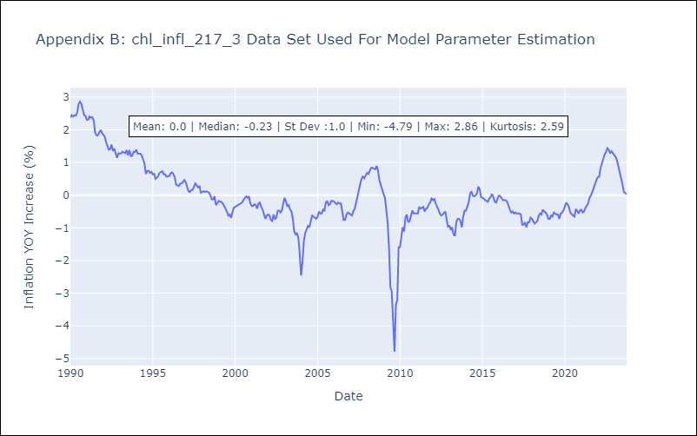

Appendix C: Residuals Analysis
Mean | -54.8
White Noise? | No - Correlation at Lags [ 1 2 3 4 5 6 7 8 9 10 11 12]
Normal? | Yes

