chl
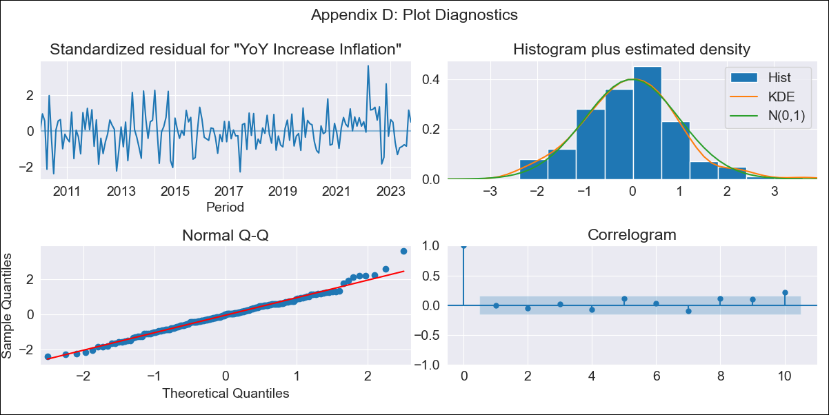
chl - Inflation - Next 12 months forecast as of: 2023-10-01

Model | VARMAX - (2, 1, 2, 0, 0, 1, 12) | Exogenous Variables | Expectativas de inflación en 11 meses
Training Data | 2010-01-01 to 2022-11-01
Test Data | 2022-11-01 to 2023-10-01

Date | Inflation Change YoY % | Lower Bound - 95% Confidence Interval | Upper Bound - 95% Confidence Interval
2023-11-01 | 4.61 | 3.81 | 5.41
2023-12-01 | 4.34 | 3.02 | 5.65
2024-01-01 | 4.08 | 2.34 | 5.82
2024-02-01 | 3.88 | 1.73 | 6.03
2024-03-01 | 3.71 | 1.19 | 6.23
2024-04-01 | 3.57 | 0.71 | 6.43
2024-05-01 | 3.47 | 0.29 | 6.64
2024-06-01 | 3.39 | -0.08 | 6.85
2024-07-01 | 3.33 | -0.4 | 7.05
2024-08-01 | 3.29 | -0.67 | 7.25
2024-09-01 | 3.27 | -0.9 | 7.44
2024-10-01 | 3.26 | -1.1 | 7.63

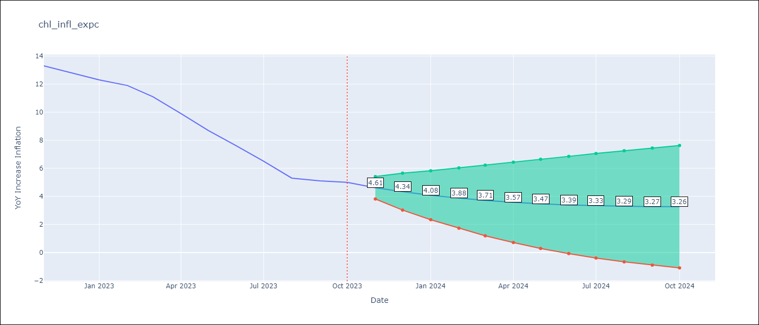

Test Metrics
RMSE | 4.09
Naive RMSE | 0.86
MAPE | 51.18%

Test Predictions
Date | Predicted | Actual
2022-11-01 | 12.39 | 13.3
2022-12-01 | 12.16 | 12.8
2023-01-01 | 12.15 | 12.3
2023-02-01 | 12.06 | 11.9
2023-03-01 | 12.04 | 11.1
2023-04-01 | 12 | 9.9
2023-05-01 | 11.97 | 8.7
2023-06-01 | 11.93 | 7.6
2023-07-01 | 11.9 | 6.5
2023-08-01 | 11.87 | 5.3
2023-09-01 | 11.84 | 5.1
2023-10-01 | 11.81 | 5

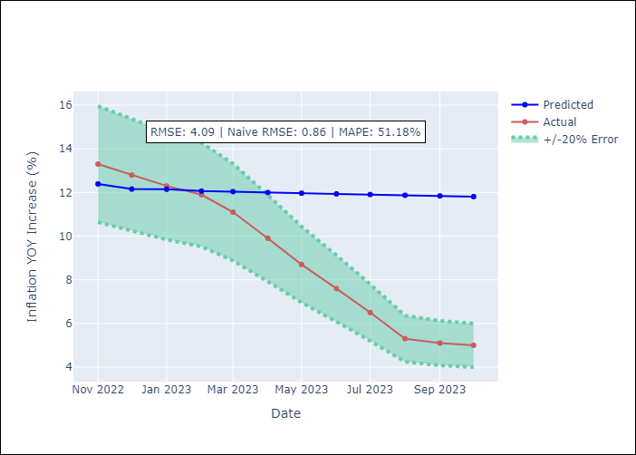

Appendix A: Model Summary
Model | VARMA(2,2)
Sample | - 10-01-2023opg
No. of Observations | 166
Terms | P-value (Statistical significance)
L1.YoY Increase Inflation | 0.062
L1.Expectativas de inflación en 11 meses | 0.196
L2.YoY Increase Inflation | 0.793
L2.Expectativas de inflación en 11 meses | 0.201
L1.e(YoY Increase Inflation) | 0.836
L1.e(Expectativas de inflación en 11 meses) | 0.294
L2.e(YoY Increase Inflation) | 0.186
L2.e(Expectativas de inflación en 11 meses) | 0.384
Assumptions | P-value
Ljung-Box (L1) | 0.99, 0.98
Heteroskedasticity | 0.59, 0.12
Jarque-Bera | 0.07, 0.00
Skew | 0.26, 0.40
Kurtosis | 3.70, 4.35

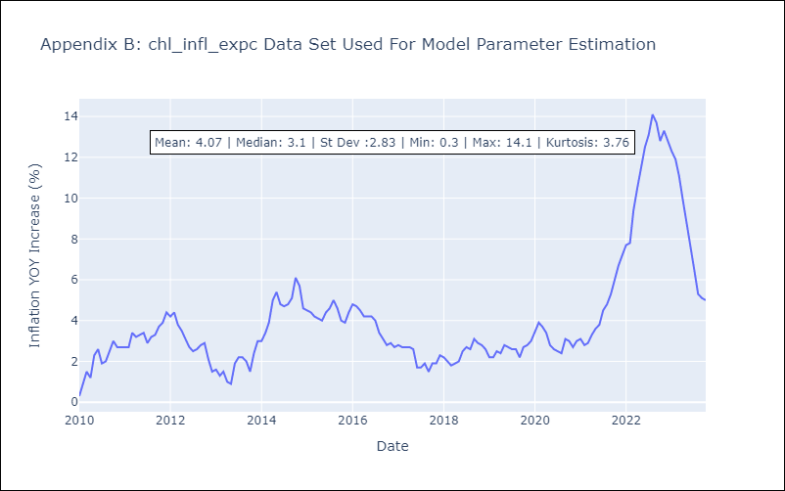

Appendix C: Residuals Analysis
Mean | -0.01
White Noise? | No - Correlation at Lags [12]
Normal? | No

